SUMMARY
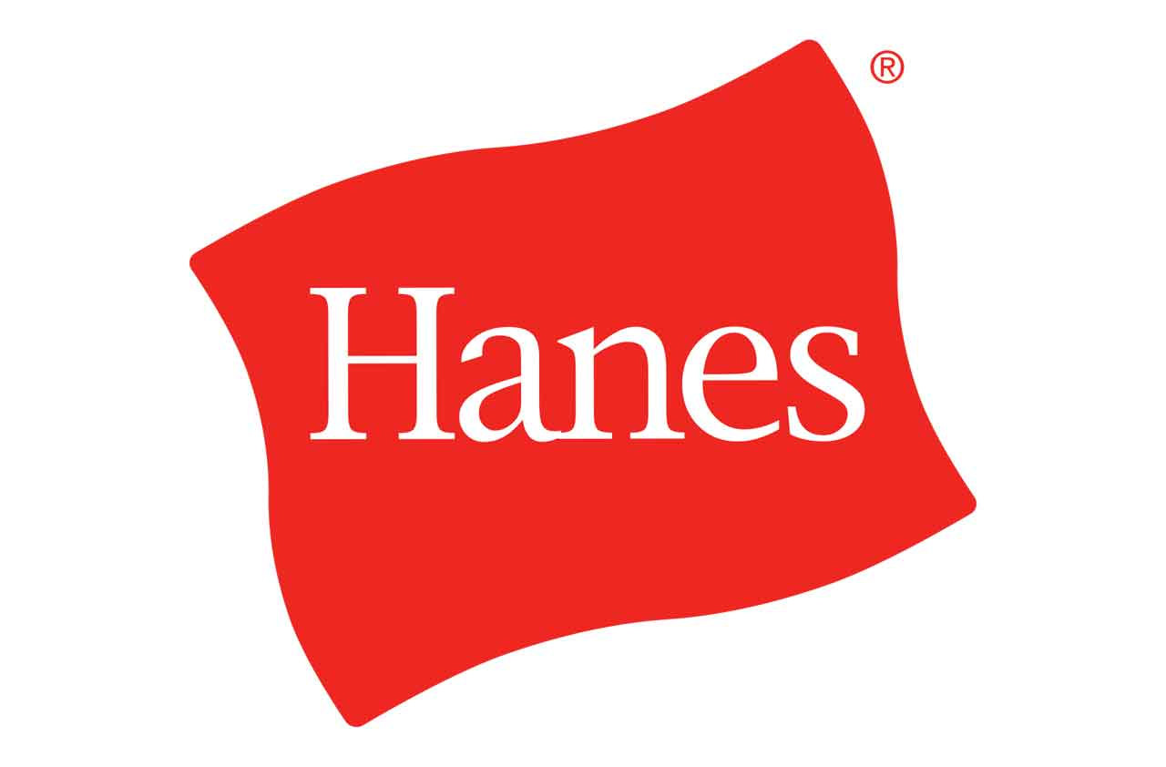
ITEM | QTY | MSRP
Hanes Activewear for Boys, Women & More | 2004 | $11,325.84
Hanes Girl's Brushy Phrase Long Sleeve Tee Shirt | 5856 | $36,424.32
Hanes Girls Brushy Phrase Long Sleeve Tee Shirts | 6492 | $40,794.24
Hanes Girls Brushy Phrase, Long sleeve | 4200 | $26,124.00
Hanes Style Essentials Ladies' Trouser Socks (3 Pairs) | 5460 | $43,625.40
Hanes Style Essentials Ladies' Trouser Socks (3 Pairs) | 5880 | $46,981.20
Hanes Sweatshirts, Pants, Tees & More | 2604 | $15,306.96
Unmanifested Pallets of Apparel | 5000 | N/A
 | 37496
 | 27 PALLETS

Mixed Apparel
Mixed Boys, Girls & Women's Apparel

 | Make | Model | Description | Quantity | Size | Color
 | Hanes | Various | Unmanifested Pallets of Apparel | 5 | Various | Various
 |  |  | 5000 Units | 5

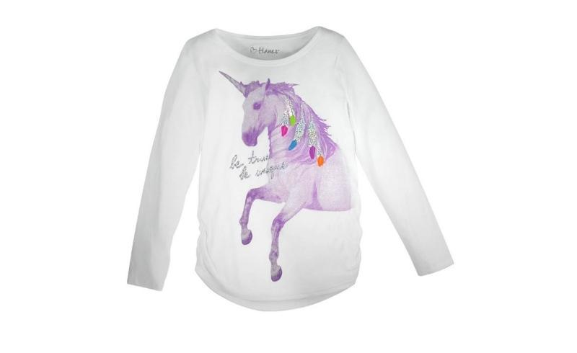
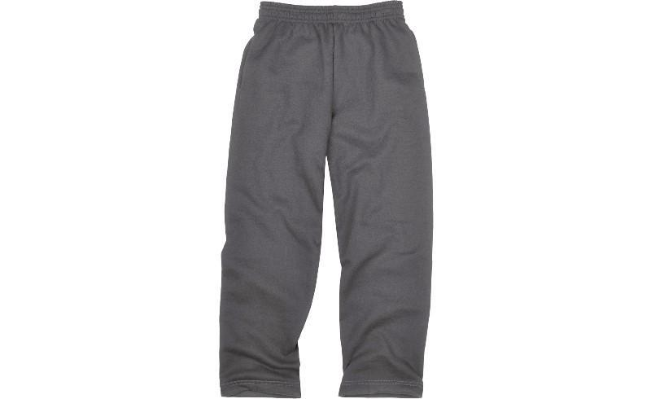

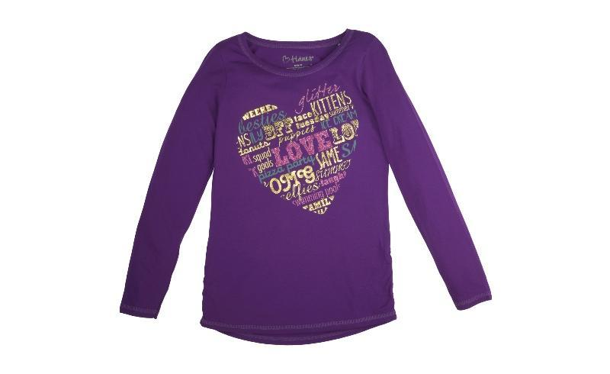
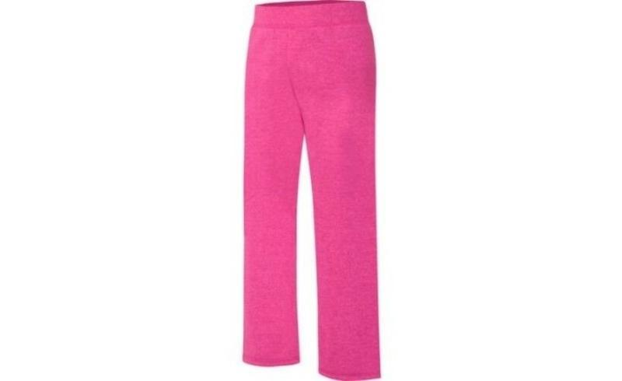

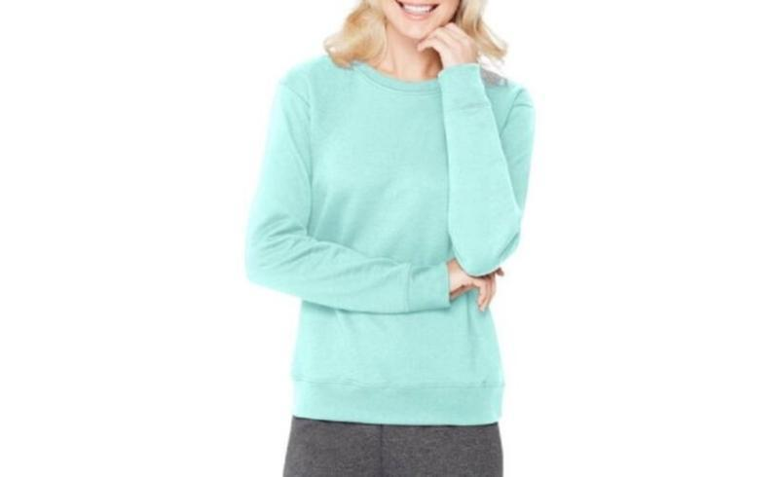
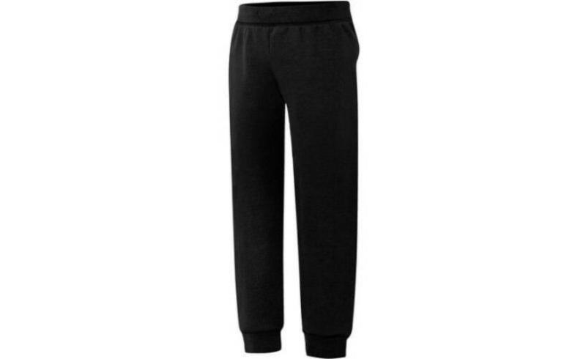

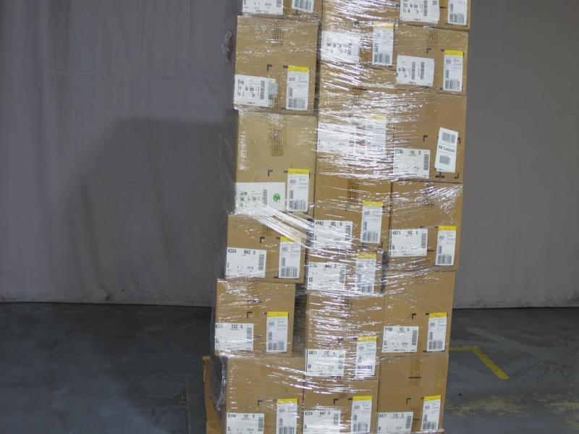

Girls LS Shirt
Hanes Girls Brushy Phrase
Long Sleeve Tee Shirts

 | Make | Model | Description | Quantity | MSRP | Total MSRP | Size | Color | UPC
 | HANES | HNK368 | Hanes Girl's Brushy Phrase Long Sleeve Tee Shirt | 744 | $6.22 | $4,627.68 | MEDIUM | Y06866/ WHITE | 617914293703
 | HANES | HNK368 | Hanes Girl's Brushy Phrase Long Sleeve Tee Shirt | 1,728 | $6.22 | $10,748.16 | X LARGE | Y06866/ WHITE | 617914293727
 | HANES | HNK368 | Hanes Girl's Brushy Phrase Long Sleeve Tee Shirt | 1,728 | $6.22 | $10,748.16 | LARGE | Y06866/ WHITE | 617914293710
 |  |  |  | 4,200 |  | $26,124.00

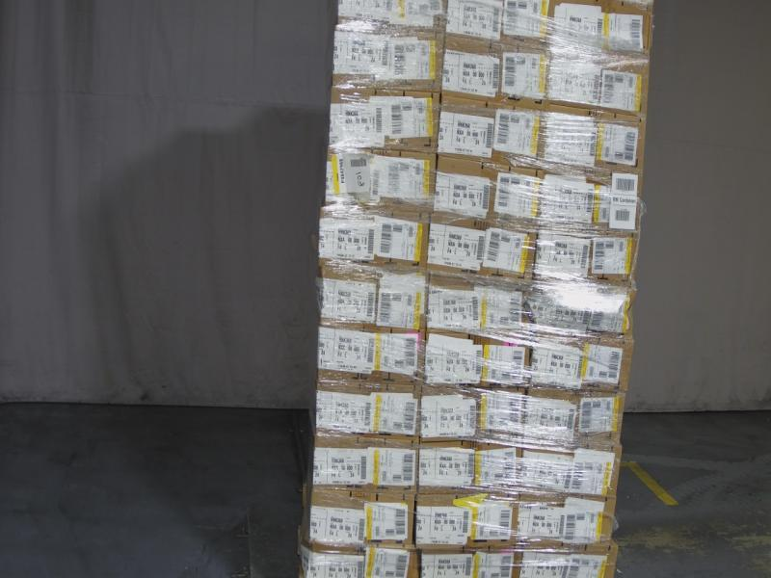

Sweatshirts, etc.
Hanes Sweatshirts, Pants, Tees & More

Make | Model | Description | Quantity | MSRP | Total MSRP | Size | Color | UPC
HANES | 4A71 | Hanes Womens Crewneck Sweatshirt | 48 | $5.96 | $286.08 | SMALL | PURPLE PEARL | 617914319533
HANES | D199 | Hanes Boy's Graphic Crewneck Sweatshirt with FreshIQ | 96 | $5.47 | $525.12 | X SMALL | Y06834/LIGHT STEEL | 617914347390
HANES | 4A71 | Hanes Womens Crewneck Sweatshirt | 24 | $5.96 | $143.04 | SMALL | MINT ZEST | 617914319588
HANES | 4A71 | Hanes Womens Crewneck Sweatshirt | 456 | $5.96 | $2,717.76 | MEDIUM | MINT ZEST | 617914319595
HANES | 4A71 | Hanes Womens Crewneck Sweatshirt | 48 | $5.96 | $286.08 | SMALL | DEEP RASPBERRY | 617914319687
HANES | D196 | Hanes Boys' FreshIQ Fleece Open Leg Sweatpants | 504 | $5.47 | $2,756.88 | MEDIUM | SLATE HEATHER | 617914282561
HANES | 4A71 | Hanes Womens Crewneck Sweatshirt | 48 | $5.96 | $286.08 | MEDIUM | DEEP CORAL HEATHER | 617914319441
HANES | K341 | Hanes Girls Fleece Open Leg Sweatpants with FreshIQ | 24 | $5.47 | $131.28 | LARGE | VIVID FUCHSIA | 617914315061
HANES | HNK368 | Hanes Girl's Brushy Phrase Long Sleeve Tee Shirt | 864 | $6.22 | $5,374.08 | MEDIUM | Y06866/WHITE | 617914293703
HANES | K341 | Hanes Girls Fleece Open Leg Sweatpants with FreshIQ | 96 | $5.47 | $525.12 | X LARGE | VIVID FUCHSIA | 617914315078
HANES | 4A93 | Hanes Women's Open Leg Fleece Sweatpants (Petite) | 96 | $5.96 | $572.16 | SMALL | PURPLE PEARL | 617914320232
HANES | K341 | Hanes Girls Fleece Open Leg Sweatpants with FreshIQ | 24 | $5.47 | $131.28 | SMALL | GRAPE SPLASH | 617914369743
HANES | 4A71 | Hanes Womens Crewneck Sweatshirt | 24 | $5.96 | $143.04 | MEDIUM | PURPLE PEARL | 617914319540
HANES | K341 | Hanes Girls Fleece Open Leg Sweatpants with FreshIQ | 24 | $5.47 | $131.28 | LARGE | GRAPE SPLASH | 617914369767
HANES | K334 | Hanes Girls' FreshIQ Fleece Jogger Sweatpants | 24 | $5.47 | $131.28 | MEDIUM | BLACK | 617914287924
HANES | HNK368 | Hanes Girl's Brushy Phrase Long Sleeve Tee Shirt | 12 | $6.22 | $74.64 | X SMALL | Y06868/BLACK | 617914293437
HANES | K334 | Hanes Girls' FreshIQ Fleece Jogger Sweatpants | 72 | $5.47 | $393.84 | MEDIUM | VIVID FUCHSIA | 617914341992
HANES | HNK368 | Hanes Girl's Brushy Phrase Long Sleeve Tee Shirt | 24 | $6.22 | $149.28 | MEDIUM | Y06868/BLACK | 617914293451
HANES | K334 | Hanes Girls' FreshIQ Fleece Jogger Sweatpants | 48 | $5.47 | $262.56 | SMALL | BLACK | 617914287917
HANES | 4A71 | Hanes Womens Crewneck Sweatshirt | 48 | $5.96 | $286.08 | LARGE | MINT ZEST | 617914319601
 |  |  | 2,604 |  | $15,306.96

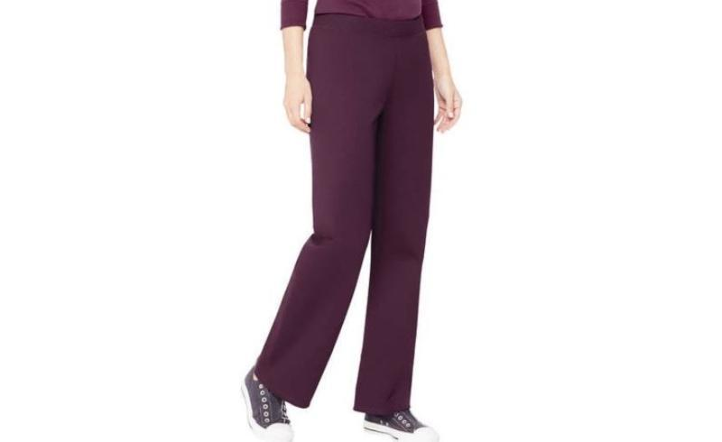
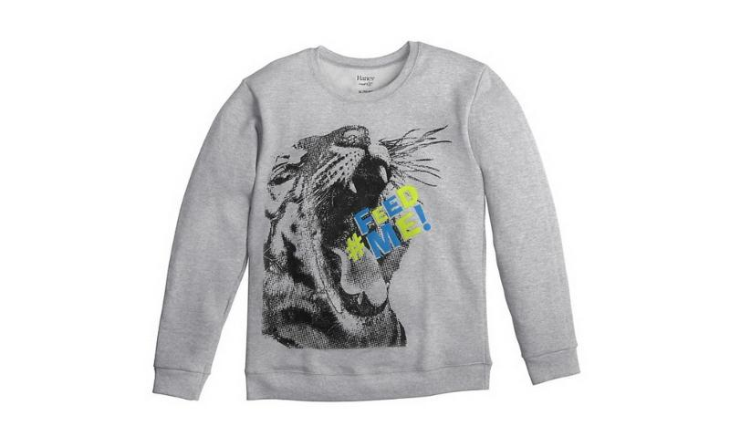

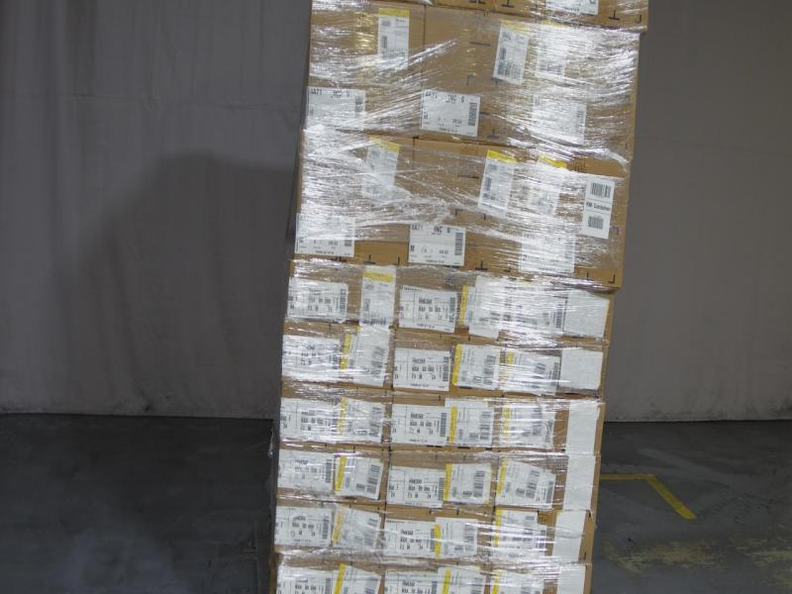

Socks
Hanes Trouser Socks

 | Make | Model | Description | Quantity | MSRP | Total MSRP | Size | Color | UPC
 | Hanes | Q01034 | Hanes Style Essentials Ladies' Trouser Socks (3 Pairs) | 5,460 | $7.99 | $43,625.40 | 2020-05-09 | JAVA | 50428559031
 |  |  |  | 5,460 |  | $43,625.40

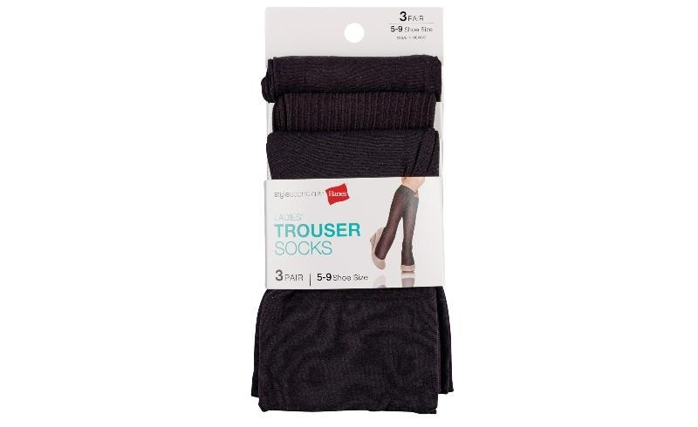
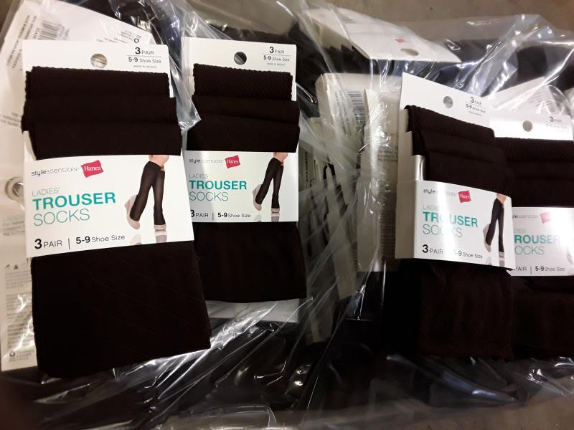

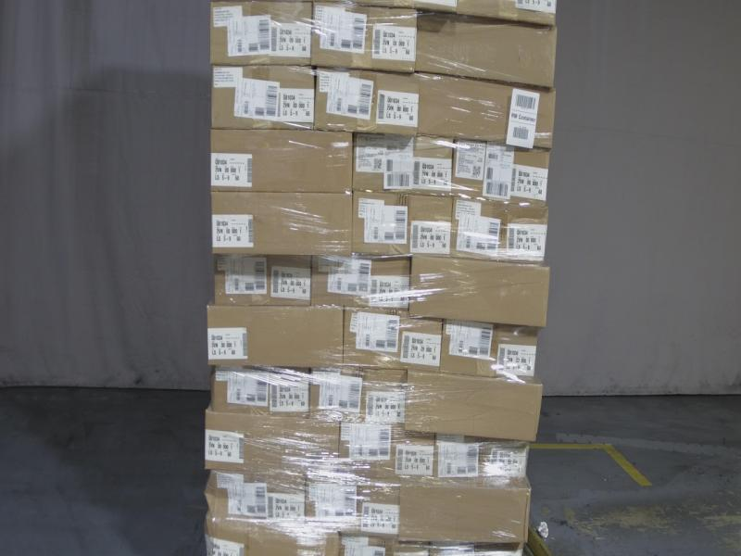

Girls LS Shirts
Hanes Girls Brushy Phrase
Long Sleeve Tee Shirts

 | Make | Model | Description | Quantity | MSRP | Total MSRP | Size | Color | UPC
 | HANES | HNK368 | Hanes Girl's Brushy Phrase Long Sleeve Tee Shirt | 672 | $6.22 | $4,179.84 | X LARGE | Y06868/BLACK | 617914293475
 | HANES | HNK368 | Hanes Girl's Brushy Phrase Long Sleeve Tee Shirt | 864 | $6.22 | $5,374.08 | MEDIUM | Y06878/BALTIC SEA | 617914350970
 | HANES | HNK368 | Hanes Girl's Brushy Phrase Long Sleeve Tee Shirt | 1,728 | $6.22 | $10,748.16 | LARGE | Y06866/WHITE | 617914293710
 | HANES | HNK368 | Hanes Girl's Brushy Phrase Long Sleeve Tee Shirt | 864 | $6.22 | $5,374.08 | X LARGE | Y06866/WHITE | 617914293727
 | HANES | HNK368 | Hanes Girl's Brushy Phrase Long Sleeve Tee Shirt | 1,728 | $6.22 | $10,748.16 | MEDIUM | Y06866/WHITE | 617914293703
 |  |  |  | 5,856 |  | $36,424.32

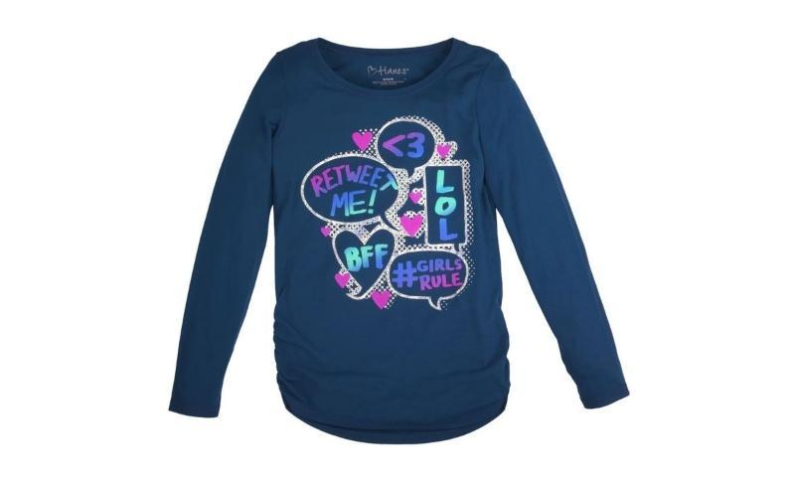

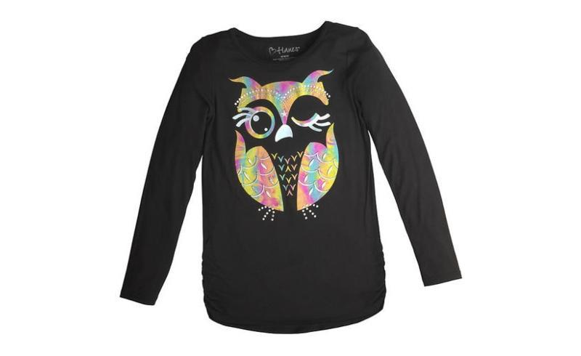
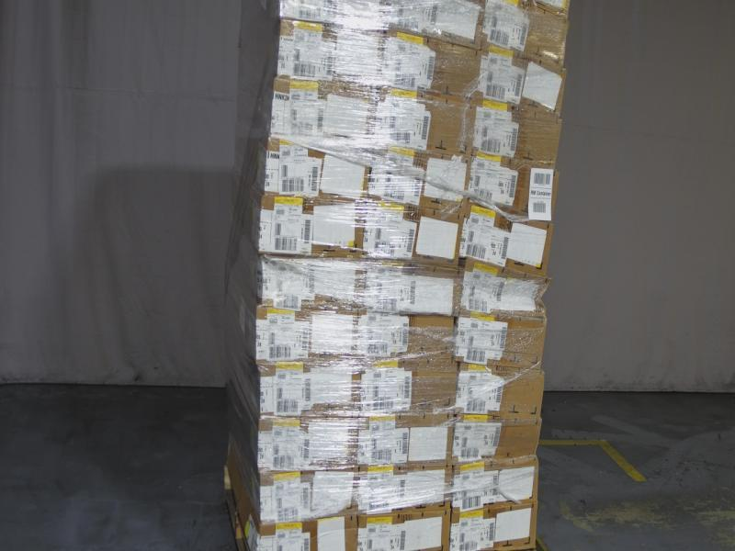

Activewear
Hanes Activewear for
Boys, Women & More

 | Make | Model | Description | Quantity | MSRP | Total MSRP | Size | Color | UPC
 | HANES | D198 | Hanes Boys' FreshIQ Fleece V-notch Sweatshirt | 240 | $5.47 | $1,312.80 | X SMALL | BLACK | 617914283360
 | HANES | K341 | Hanes Girls Fleece Open Leg Sweatpants with FreshIQ | 24 | $5.47 | $131.28 | MEDIUM | GRAPE SPLASH | 617914369750
 | HANES | D197 | Hanes Boys' Jogger Sweatpants with FreshIQ | 96 | $5.47 | $525.12 | LARGE | OXFORD GRAY | 617914282967
 | HANES | D196 | Hanes Boys' FreshIQ Fleece Open Leg Sweatpants | 432 | $5.47 | $2,363.04 | LARGE | OXFORD GRAY | 617914282516
 | HANES | HNK368 | Hanes Girl's Brushy Phrase Long Sleeve Tee Shirt | 48 | $6.22 | $298.56 | MEDIUM | Y06868/BLACK | 617914293451
 | HANES | D196 | Hanes Boys' FreshIQ Fleece Open Leg Sweatpants | 24 | $5.47 | $131.28 | SMALL | SLATE HEATHER | 617914282554
 | HANES | D197 | Hanes Boys' Jogger Sweatpants with FreshIQ | 24 | $5.47 | $131.28 | SMALL | NAVY | 617914281489
 | HANES | HNK368 | Hanes Girl's Brushy Phrase Long Sleeve Tee Shirt | 84 | $6.22 | $522.48 | X SMALL | Y06868/BLACK | 617914293437
 | HANES | K341 | Hanes Girls Fleece Open Leg Sweatpants with FreshIQ | 72 | $5.47 | $393.84 | X LARGE | VIVID FUCHSIA | 617914315078
 | HANES | D197 | Hanes Boys' Jogger Sweatpants with FreshIQ | 48 | $5.47 | $262.56 | X SMALL | NAVY | 617914281472
 | HANES | D198 | Hanes Boys' FreshIQ Fleece V-notch Sweatshirt | 24 | $5.47 | $131.28 | MEDIUM | OXFORD GRAY | 617914283506
 | HANES | 4A71 | Hanes Womens Crewneck Sweatshirt | 48 | $5.96 | $286.08 | LARGE | MINT ZEST | 617914319601
 | HANES | D196 | Hanes Boys' FreshIQ Fleece Open Leg Sweatpants | 96 | $5.47 | $525.12 | MEDIUM | BLACK | 617914282387
 | HANES | D196 | Hanes Boys' FreshIQ Fleece Open Leg Sweatpants | 144 | $5.47 | $787.68 | X SMALL | NAVY | 617914282424
 | HANES | K334 | Hanes Girls' FreshIQ Fleece Jogger Sweatpants | 24 | $5.47 | $131.28 | MEDIUM | BLACK | 617914287924
 | HANES | 4A71 | Hanes Womens Crewneck Sweatshirt | 432 | $5.96 | $2,574.72 | MEDIUM | MINT ZEST | 617914319595
 | HANES | D198 | Hanes Boys' FreshIQ Fleece V-notch Sweatshirt | 72 | $5.47 | $393.84 | X LARGE | OXFORD GRAY | 617914283520
 | HANES | 4A71 | Hanes Womens Crewneck Sweatshirt | 24 | $5.96 | $143.04 | SMALL | MINT ZEST | 617914319588
 | HANES | HNK368 | Hanes Girl's Brushy Phrase Long Sleeve Tee Shirt | 24 | $6.22 | $149.28 | MEDIUM | Y06866/WHITE | 617914293703
 | HANES | D197 | Hanes Boys' Jogger Sweatpants with FreshIQ | 24 | $5.47 | $131.28 | SMALL | OXFORD GRAY | 617914282943
 |  |  |  | 2,004 |  | $11,325.84

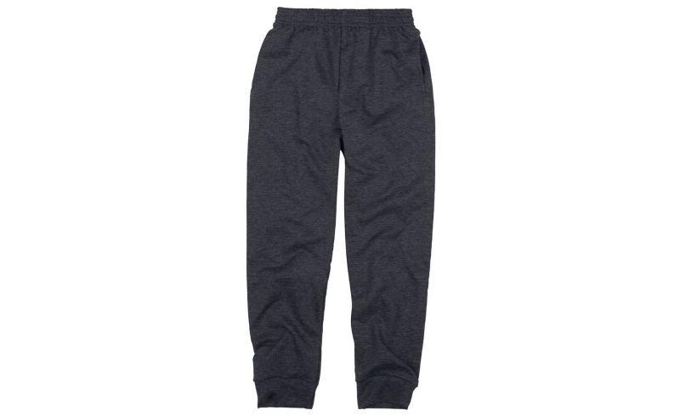

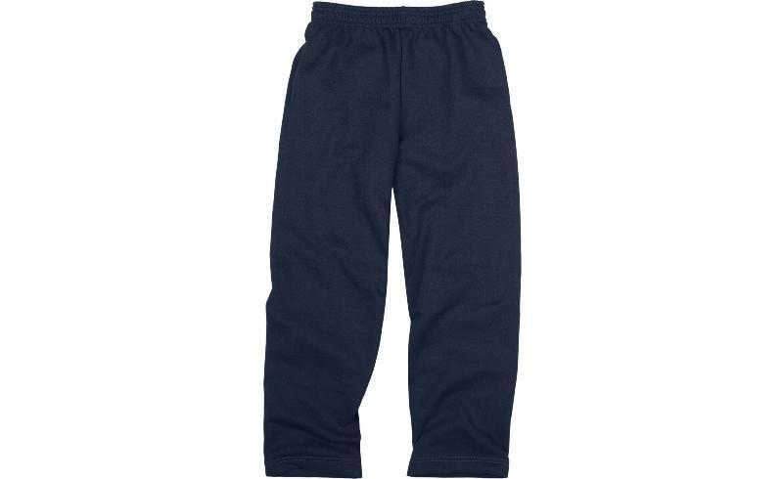

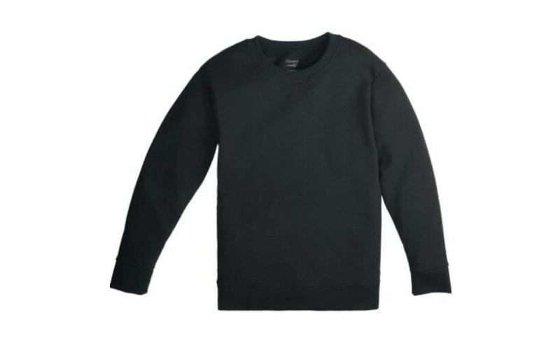
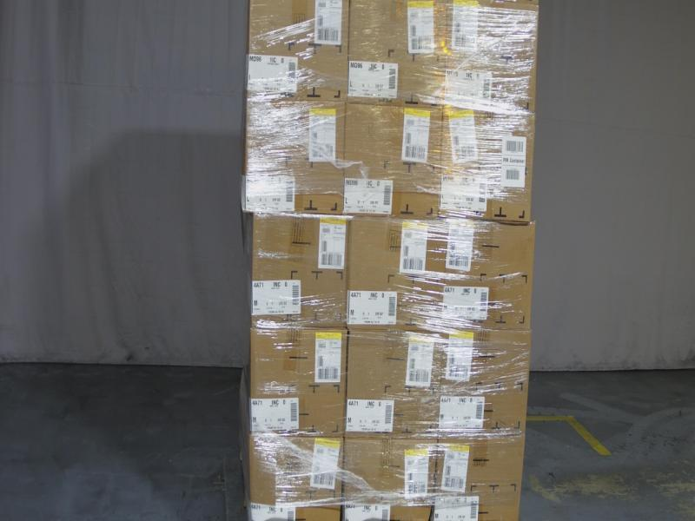

Girl LS Shirts
Hanes Girls Brushy Phrase
Long Sleeve Tee Shirts

 | Make | Model | Description | Quantity | MSRP | Total MSRP | Size | Color | UPC
 | HANES | K351 | Hanes Girls' Fleece High-Low Crewneck Sweatshirt | 24 | $5.47 | $131.28 | LARGE | WHITE | 617914296971
 | HANES | K352 | Hanes Girl's Hi-Low Crewneck Sweatshirt | 24 | $5.47 | $131.28 | X SMALL | Y06856/NAVY | 617914297657
 | HANES | HNK368 | Hanes Girl's Brushy Phrase Long Sleeve Tee Shirt | 144 | $6.22 | $895.68 | LARGE | Y06877/GRAPE SPLASH | 738994290953
 | HANES | HNK368 | Hanes Girl's Brushy Phrase Long Sleeve Tee Shirt | 96 | $6.22 | $597.12 | MEDIUM | Y06877/GRAPE SPLASH | 738994290847
 | HANES | HNK368 | Hanes Girl's Brushy Phrase Long Sleeve Tee Shirt | 48 | $6.22 | $298.56 | X LARGE | Y06873/UPBEAT TEAL | 617914350840
 | HANES | HNK368 | Hanes Girl's Brushy Phrase Long Sleeve Tee Shirt | 240 | $6.22 | $1,492.80 | LARGE | Y06879/RACY PINK | 617914351038
 | HANES | HNK368 | Hanes Girl's Brushy Phrase Long Sleeve Tee Shirt | 72 | $6.22 | $447.84 | SMALL | Y06878/BALTIC SEA | 617914350963
 | HANES | HNK368 | Hanes Girl's Brushy Phrase Long Sleeve Tee Shirt | 48 | $6.22 | $298.56 | LARGE | Y06886/OXFORD GRAY | 617914293918
 | HANES | HNK368 | Hanes Girl's Brushy Phrase Long Sleeve Tee Shirt | 72 | $6.22 | $447.84 | LARGE | Y06873/UPBEAT TEAL | 617914350833
 | HANES | HNK368 | Hanes Girl's Brushy Phrase Long Sleeve Tee Shirt | 48 | $6.22 | $298.56 | X LARGE | Y06877/GRAPE SPLASH | 738994290960
...
