Gucci Offer list
 |  |  |  |  |  | J | 26 | 27 | 28 | 29 | 30 | 31 | 32 | 33 | 34 | 35 | 36 | 37 | 38
 |  |  |  |  |  | S | 15 | 15+ | 15++ | 16 | 16+ | 16++ | 17
 |  |  |  |  |  | B | 70 | 75 | 80 | 85 | 90 | 95 | 100 | 105 | 110
 |  |  |  |  |  | SM | 5 | 5+ | 6 | 6+ | 7 | 7+ | 8 | 8+ | 9 | 9+ | 10 | 10+
 |  |  |  |  |  | SW | 35 | 35+ | 36 | 36+ | 37 | 37+ | 38 | 38+ | 39 | 39+ | 40 | 40+ | 41
 |  |  |  |  |  | C | 44 | 46 | 48 | 50 | 52 | 54
Brand | photo | category | art code | art color & description | retail price | A | XXS | XS | S | M | L | XL | XXL | 3XL | 4XL | XXXS |  |  |  | q.ty | tot value retail
Gucci | 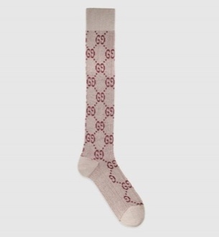 | Accessories | 4765253G199/A18 | PEARL/BORDEAUX (1973) | 110.00 € | A |  |  |  | 4 |  |  |  |  |  |  |  |  |  | 4 | 440.00 €
Gucci | 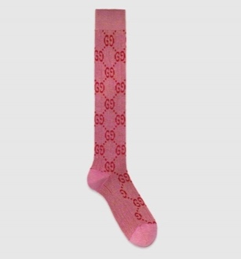 | Accessories | 4765253G199/A18 | ROSEATE/PINK (5872) | 110.00 € | A |  |  | 4 | 2 |  |  |  |  |  |  |  |  |  | 4 | 440.00 €
Gucci | 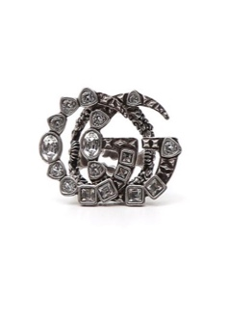 | Accessori | 529050J1D50/P19 | 0911/CRYSTAL (8162) | € 350.00 | A |  |  | 1 | 1 |  |  |  |  |  |  |  |  |  | 4 | 1,400.00 €
Gucci | 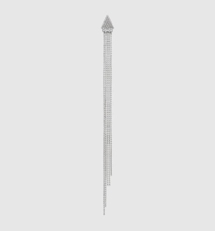 | Accessori | 568054J1D50/P19 | 0926/CRYSTAL (8162) | € 450.00 | U | 1 |  |  |  |  |  |  |  |  |  |  |  |  | 4 | 1,800.00 €
Gucci |  | clothing | 546079XKAC1/P19 | RED/MC (6193) | € 1,980.00 | A |  |  |  | 1 |  |  |  |  |  |  |  |  |  | 4 | 7,920.00 €
Gucci |  | Accessories | 4765253G199/P19 | PEARL/BORDEAUX (1973) | 110.00 € | A |  |  | 4 | 7 |  |  |  |  |  |  |  |  |  | 4 | 440.00 €
Gucci |  | Accessories | 4765253G199/P19 | ROSEATE/PINK (5872) | 110.00 € | A |  |  | 1 |  |  |  |  |  |  |  |  |  |  | 4 | 440.00 €
Gucci | 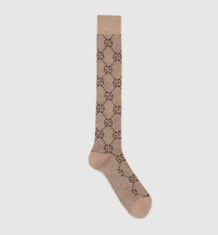 | Accessories | 4765253G199/P19 | SHELL/DARK BROWN (9964) | 110.00 € | A |  |  |  | 1 |  |  |  |  |  |  |  |  |  | 4 | 440.00 €
Gucci | 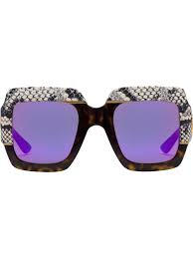 | Accessories | 558392J0740/P19 | HAVANA HAVANA BROWN (2221) | € 800.00 | U | 1 |  |  |  |  |  |  |  |  |  |  |  |  | 4 | 3,200.00 €
Gucci | 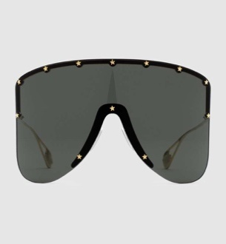 | Accessories | 573384I3330/P19 | GOLD-GOLD-GOLD (8012) | 700.00 € | U | 1 |  |  |  |  |  |  |  |  |  |  |  |  | 4 | 2,800.00 €
Gucci | 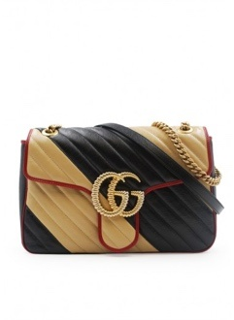 | handbags | 4434960OLOX/A19 | NE.DIAG.BE (9689) | 2,200.00 € | U | 3 |  |  |  |  |  |  |  |  |  |  |  |  | 4 | 8,800.00 €
Gucci | 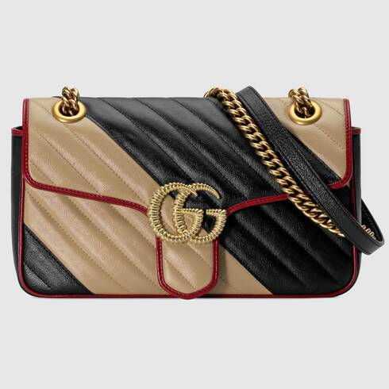 | handbags | 4434970OLOX/A19 | NE.DIAG.BE (9689) | 1,900.00 € | U | 14 |  |  |  |  |  |  |  |  |  |  |  |  | 4 | 7,600.00 €
Gucci | 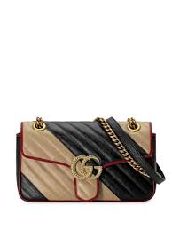 | handbags | 4467440OLOX/A19 | NE.DIAG.BE (9689) | 1,700.00 € | U | 4 |  |  |  |  |  |  |  |  |  |  |  |  | 4 | 6,800.00 €
Gucci | 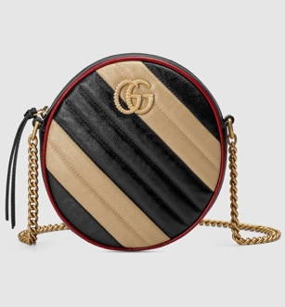 | handbags | 5501540OLOX/A19 | NE.DIAG.BE (9689) | 1,200.00 € | U | 3 |  |  |  |  |  |  |  |  |  |  |  |  | 4 | 4,800.00 €
Gucci | 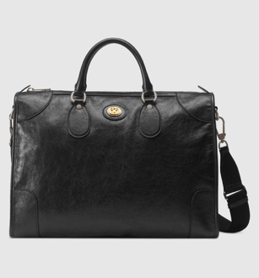 | handbags | 5758201GZAX/A19 | BLACK/BLAC (1000) | 1,980.00 € | U | 6 |  |  |  |  |  |  |  |  |  |  |  |  | 4 | 7,920.00 €
Gucci | 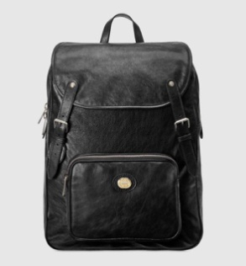 | handbags | 5758231GZBX/A19 | BLACK/BLAC (1000) | 1,980.00 € | U | 3 |  |  |  |  |  |  |  |  |  |  |  |  | 4 | 7,920.00 €
Gucci | 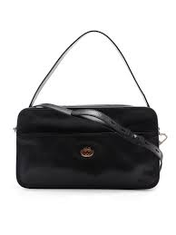 | handbags | 5878611GZ0X/A19 | BLACK (1000) | 1,490.00 € | U | 1 |  |  |  |  |  |  |  |  |  |  |  |  | 4 | 5,960.00 €
Gucci |  | handbags | 5738070OLOX/A19 | NE.DIAG.BE (9689) | 1,390.00 € | U | 3 |  |  |  |  |  |  |  |  |  |  |  |  | 4 | 5,560.00 €
Gucci | 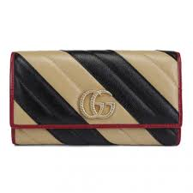 | accessories | 5738090OLOX/A19 | NE.DIAG.BE (9689) | 690.00 € | U | 1 |  |  |  |  |  |  |  |  |  |  |  |  | 4 | 2,760.00 €
Gucci | 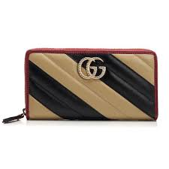 | accessories | 5738100OLOX/A19 | NE.DIAG.BE (9689) | 650.00 € | U | 1 |  |  |  |  |  |  |  |  |  |  |  |  | 4 | 2,600.00 €
Gucci | 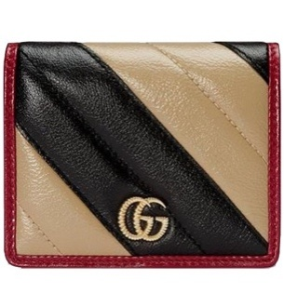 | accessories | 5738110OLOX/A19 | NE.DIAG.BE (9689) | 390.00 € | U | 1 |  |  |  |  |  |  |  |  |  |  |  |  | 4 | 1,560.00 €
Gucci | 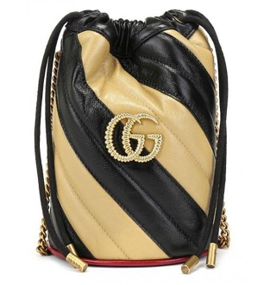 | handbags | 5738170OLQX/A19 | NER.DIAG.B (9694) | 890.00 € | U | 7 |  |  |  |  |  |  |  |  |  |  |  |  | 4 | 3,560.00 €
Gucci | 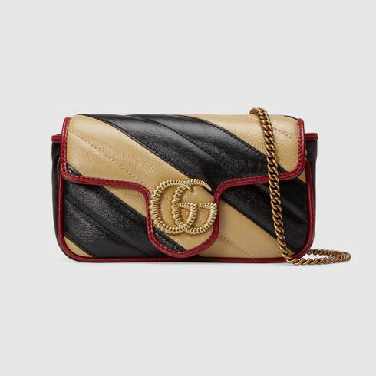 | handbags | 5749690OLOX/A19 | NE.DIAG.BE (9689) | 920.00 € | U | 2 |  |  |  |  |  |  |  |  |  |  |  |  | 4 | 3,680.00 €
Gucci | 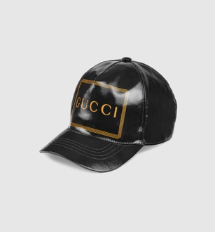 | accessories | 4268874HG80/A19 | BLACK (1000) | 290.00 € | A |  |  | 1 | 1 |  | 1 |  |  |  |  |  |  |  | 4 | 1,160.00 €
Gucci |  | accessories | 4268874HG80/A19 | PINK (5900) | 290.00 € | A |  |  | 1 |  | 1 |  |  |  |  |  |  |  |  | 4 | 1,160.00 €
Gucci | 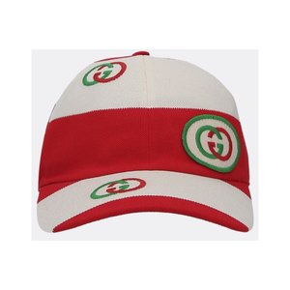 | accessories | 5825744HH00/A19 | SAND/RED (9574) | 300.00 € | A |  |  | 1 | 1 | 1 | 1 |  |  |  |  |  |  |  | 4 | 1,200.00 €
Gucci | 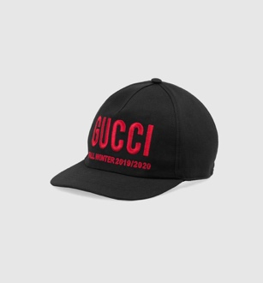 | accessories | 5962113HI49/A19 | BLACK/RED (1074) | 290.00 € | A |  |  | 1 | 1 | 1 |  |  |  |  |  |  |  |  | 4 | 1,160.00 €
Gucci | 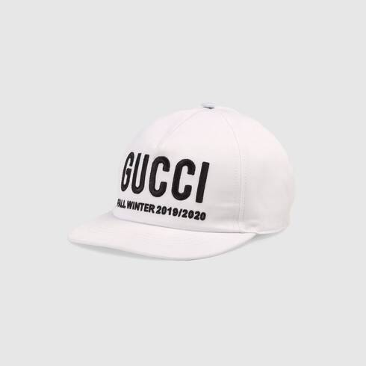 | accessories | 5962113HI49/A19 | WHITE/BLAC (9060) | 290.00 € | A |  |  |  | 1 |  |  |  |  |  |  |  |  |  | 4 | 1,160.00 €
Gucci | 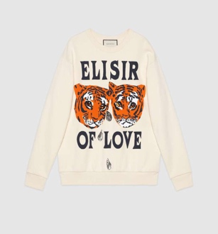 | clothing | 469250XJBI5/A19 | ALMOND FLO (9381) | 1,200.00 € | A |  |  |  | 1 |  |  |  |  |  |  |  |  |  | 4 | 4,800.00 €
Gucci | 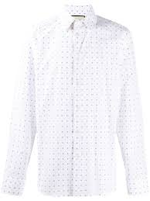 | clothing | 494722ZAAES/A19 | WHITE (9000) | 490.00 € | S |  |  |  | 1 | 1 |  | 1 |  |  |  |  |  |  | 4 | 1,960.00 €
Gucci | 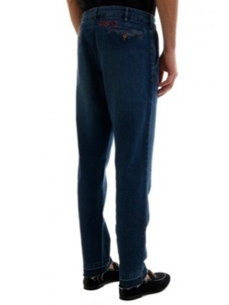 | clothing | 515969XDAQO/A19 | DARK BLUE/ (4469) | 880.00 € | A |  |  |  |  |  |  | 1 | 1 | 1 | 1 | 1 |  |  | 4 | 3,520.00 €
Gucci | 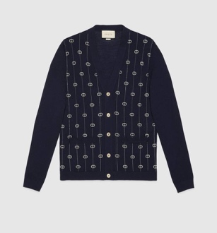 | clothing | 576901XKAUM/A19 | INK/MILK (4650) | 980.00 € | A |  |  | 1 | 1 | 1 | 1 |  |  |  |  |  |  |  | 4 | 3,920.00 €
Gucci | 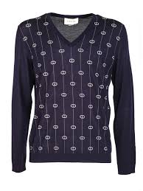 | clothing | 576902XKAUM/A19 | INK/MILK (4650) | 780.00 € | A |  |  | 1 | 2 | 2 | 1 |  |  |  |  |  |  |  | 4 | 3,120.00 €
Gucci |  | accessories | 5767243G856/A19 | BEIGE/BLUE (9768) | 350.00 € | U | 4 |  |  |  |  |  |  |  |  |  |  |  |  | 4 | 1,400.00 €
Gucci |  | accessories | 5778423GD14/A19 | IVORY (9200) | 690.00 € | U | 3 |  |  |  |  |  |  |  |  |  |  |  |  | 4 | 2,760.00 €
Gucci |  | accessories | 5778473GD76/A19 | WHITE/BLAC (9060) | 300.00 € | U | 2 |  |  |  |  |  |  |  |  |  |  |  |  | 4 | 1,200.00 €
Gucci |  | accessories | 5778473GD76/A19 | WHITE/RED (9074) | 300.00 € | U | 2 |  |  |  |  |  |  |  |  |  |  |  |  | 4 | 1,200.00 €
Gucci | 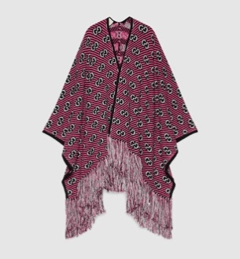 | accessories | 5784983GD40/A19 | BLACK/PINK (1072) | 1,490.00 € | U | 3 |  |  |  |  |  |  |  |  |  |  |  |  | 4 | 5,960.00 €
Gucci |  | accessories | 5798003GA40/A19 | BLACK (1000) | 350.00 € | U | 5 |  |  |  |  |  |  |  |  |  |  |  |  | 4 | 1,400.00 €
Gucci |  | accessories | 5798003GA40/A19 | IVORY (9200) | 350.00 € | U | 5 |  |  |  |  |  |  |  |  |  |  |  |  | 4 | 1,400.00 €
Gucci | 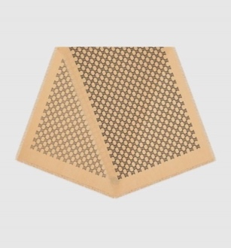 | accessories | 5822713GD83/A19 | SAND/BLACK (9560) | 390.00 € | U | 3 |  |  |  |  |  |  |  |  |  |  |  |  | 4 | 1,560.00 €
Gucci |  | accessories | 5822713GD83/A19 | SAND/BORDE (9573) | 390.00 € | U | 3 |  |  |  |  |  |  |  |  |  |  |  |  | 4 | 1,560.00 €
Gucci | 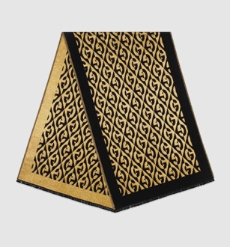 | accessories | 5957213GE39/A19 | BLACK/YELL (1075) | 430.00 € | U | 3 |  |  |  |  |  |  |  |  |  |  |  |  | 4 | 1,720.00 €
Gucci | 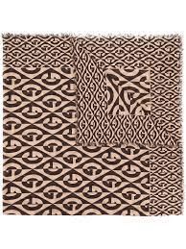 | accessories | 5957233G200/A19 | BEIGE/DARK (9764) | 450.00 € | U | 5 |  |  |  |  |  |  |  |  |  |  |  |  | 4 | 1,800.00 €
Gucci | 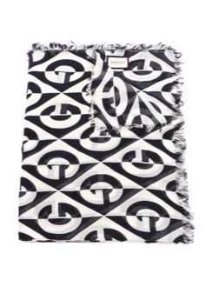 | accessories | 5959043G856/A19 | IVORY/BLAC (9260) | 550.00 € | U | 2 |  |  |  |  |  |  |  |  |  |  |  |  | 4 | 2,200.00 €
Gucci |  | accessories | 5749914G001/A19 | BLACK/LIGH (1063) | 370.00 € | U | 3 |  |  |  |  |  |  |  |  |  |  |  |  | 4 | 1,480.00 €
Gucci | 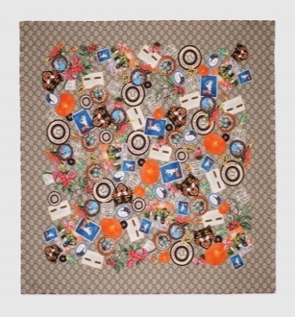 | accessories | 5749914G001/A19 | BEIGE/LIGH (9765) | 370.00 € | U | 1 |  |  |  |  |  |  |  |  |  |  |  |  | 4 | 1,480.00 €
Gucci |  | accessories | 5749934G200/A19 | BEIGE/LIGH (9765) | 550.00 € | U | 2 |  |  |  |  |  |  |  |  |  |  |  |  | 4 | 2,200.00 €
Gucci | 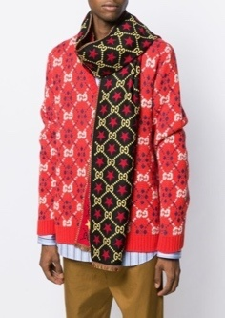 | accessories | 5753864G200/A19 | BLACK/YELL (1075) | 350.00 € | U | 7 |  |  |  |  |  |  |  |  |  |  |  |  | 4 | 1,400.00 €
Gucci | 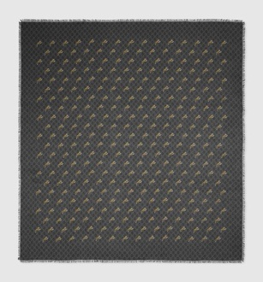 | accessories | 5758244G865/A19 | GRAPHITE/B (1260) | 300.00 € | U | 1 |  |  |  |  |  |  |  |  |  |  |  |  | 4 | 1,200.00 €
Gucci | 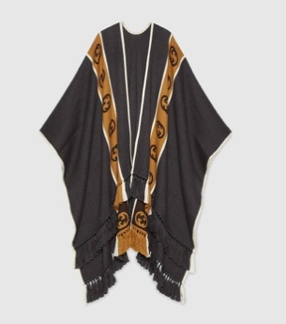 | accessories | 5816034G184/A19 | GRAPHITE/B (1279) | 980.00 € | U | 2 |  |  |  |  |  |  |  |  |  |  |  |  | 4 | 3,920.00 €
Gucci | 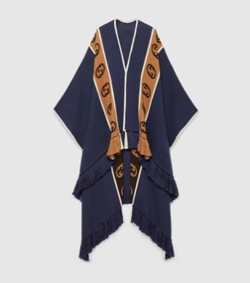 | accessories | 5816034G184/A19 | ROYAL/BEIG (4379) | 980.00 € | U | 3 |  |  |  |  |  |  |  |  |  |  |  |  | 4 | 3,920.00 €
Gucci |  | accessories | 5824094G364/A19 | BLACK/YELL (1075) | 350.00 € | U | 4 |  |  |  |  |  |  |  |  |  |  |  |  | 4 | 1,400.00 €
Gucci | 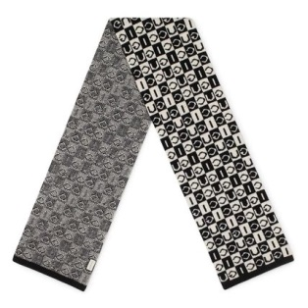 | accessories | 5959784G206/A19 | BLACK/IVOR (1078) | 350.00 € | U | 3 |  |  |  |  |  |  |  |  |  |  |  |  | 4 | 1,400.00 €
Gucci | 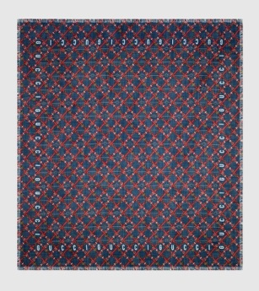 | accessories | 5959794G200/A19 | MID.NIGHT (4074) | 400.00 € | U | 3 |  |  |  |  |  |  |  |  |  |  |  |  | 4 | 1,600.00 €
Gucci | 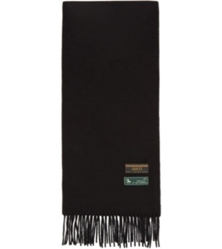 | accessories | 5959804G365/A19 | BLACK (1000) | 300.00 € | U | 3 |  |  |  |  |  |  |  |  |  |  |  |  | 4 | 1,200.00 €
Gucci | 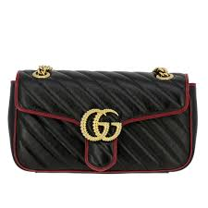 | accessories | 4434970OLFX/P20 | 8277 | 1,890.00 € | U | 3 |  |  |  |  |  |  |  |  |  |  |  |  | 4 | 7,560.00 €
Gucci | 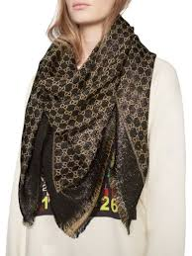 | accessories | 4993523G119/A19 | 1075 | 450.00 € | U | 2 |  |  |  |  |  |  |  |  |  |  |  |  | 4 | 1,800.00 €
Gucci | 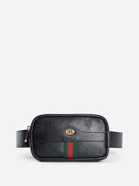 | bags | 519308DJ2DG/A19 | 1060 | 650.00 € | B |  |  |  |  | 2 | 2 |  |  |  |  |  |  |  | 4 | 2,600.00 €
Gucci | 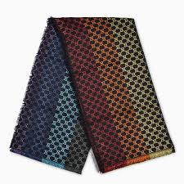 | accessories | 5582743GC46/A19 | 1088 | 450.00 € | B | 4 |  |  |  |  |  |  |  |  |  |  |  |  | 4 | 1,800.00 €
Gucci | 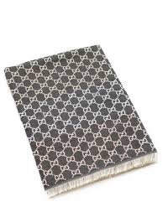 | accessories | 5582743GC46/A19 | 1400 | 450.00 € | U | 6 |  |  |  |  |  |  |  |  |  |  |  |  | 4 | 1,800.00 €
Gucci | 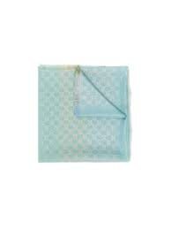 | accessories | 5582743GC46/A19 | 4900 | 450.00 € | U | 4 |  |  |  |  |  |  |  |  |  |  |  |  | 4 | 1,800.00 €
Gucci | 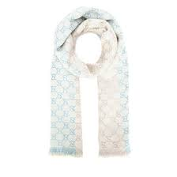 | Accessori | 5582743GC46/A19 | 9288 | 450.00 € | U | 5 |  |  |  |  |  |  |  |  |  |  |  |  | 4 | 1,800.00 €
Gucci |  | accessories | 5582743GC46/P20 | 1088 | 450.00 € | U | 3 |  |  |  |  |  |  |  |  |  |  |  |  | 4 | 1,800.00 €
Gucci |  | accessories | 5582743GC46/P20 | 9288 | 450.00 € | U | 3 |  |  |  |  |  |  |  |  |  |  |  |  | 4 | 1,800.00 €
Gucci | 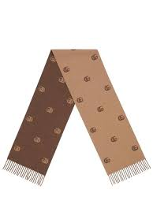 | accessories | 5736844G200/A19 | 9764 | 350.00 € | U | 8 |  |  |  |  |  |  |  |  |  |  |  |  | 4 | 1,400.00 €
Gucci | 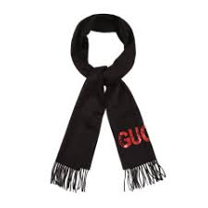 | accessories | 5755934G200/A19 | 4974 | 400.00 € | U | 5 |  |  |  |  |  |  |  |  |  |  |  |  | 4 | 1,600.00 €
Gucci |  | accessories | 5756054G184/A19 | 1279 | 350.00 € | U | 8 |  |  |  |  |  |  |  |  |  |  |  |  | 4 | 1,400.00 €
Gucci |  | accessories | 5756054G184/A19 | 4379 | 350.00 € | U | 10 |  |  |  |  |  |  |  |  |  |  |  |  | 4 | 1,400.00 €
Gucci |  | accessories | 5758201GZAX/P20 | 1000 | 1,980.00 € | U | 3 |  |  |  |  |  |  |  |  |  |  |  |  | 4 | 7,920.00 €
Gucci |  | accessories | 5767293G001/A19 | 4000 | 350.00 € | U | 1 |  |  |  |  |  |  |  |  |  |  |  |  | 4 | 1,400.00 €
Gucci |  | accessories | 5767433G009/A19 | 9274 | 350.00 € | U | 4 |  |  |  |  |  |  |  |  |  |  |  |  | 4 | 1,400.00 €
Gucci |  | accessories | 5779003HH38/A19 | 9273 | 450.00 € | A |  |  | 2 | 2 | 1 |  |  |  |  |  |  |  |  | 4 | 1,800.00 €
Gucci |  | accessories | 5786603GD14/A19 | 5900 | 690.00 € | U | 2 |  |  |  |  |  |  |  |  |  |  |  |  | 4 | 2,760.00 €
Gucci |  | clothing | 5816024G200/A19 | 9764 | 980.00 € | U | 3 |  |  |  |  |  |  |  |  |  |  |  |  | 4 | 3,920.00 €
Gucci |  | accessories | 5834703G001/A19 | 3763 | 350.00 € | U | 2 |  |  |  |  |  |  |  |  |  |  |  |  | 4 | 1,400.00 €
Gucci |  | accessories | 5834703G001/A19 | 5868 | 350.00 € | U | 2 |  |  |  |  |  |  |  |  |  |  |  |  | 4 | 1,400.00 €
Gucci |  | accessories | 5834703G001/A19 | 7168 | 350.00 € | U | 3 |  |  |  |  |  |  |  |  |  |  |  |  | 4 | 1,400.00 €
Gucci |  | accessories | 5834703G001/A19 | 7771 | 350.00 € | U | 2 |  |  |  |  |  |  |  |  |  |  |  |  | 4 | 1,400.00 €
Gucci |  | shoes | 587242HQK20/A19 | 8166 | 690.00 € | SM |  | 1 | 1 | 1 | 1 | 1 | 1 |  | 1 | 1 | 1 |  |  | 4 | 2,760.00 €
Gucci |  | shoes | 59234502JM0/P20 | 9089 | 690.00 € | SM |  | 2 | 2 | 2 | 2 | 2 | 2 | 2 | 2 | 2 | 1 |  |  | 4 | 2,760.00 €
Gucci |  | shoes | 5923451LH10/A19 | 9575 | 690.00 € | SM |  | 1 | 1 | 1 | 2 | 2 | 2 |  | 1 | 1 | 1 |  |  | 4 | 2,760.00 €
Gucci |  | shoes | 5923481LH10/A19 | 9575 | 690.00 € | SW |  | 1 | 1 | 1 | 1 | 1 | 1 | 1 | 1 | 1 | 1 |  |  | 4 | 2,760.00 €
Gucci |  | shoes | 5923481LH20/A19 | 5761 | 690.00 € | SW |  | 1 | 1 | 1 | 1 | 1 |  | 1 | 1 | 1 | 1 |  |  | 4 | 2,760.00 €
Gucci |  | accessories | 5957203GE38/A19 | 9764 | 350.00 € | U | 4 |  |  |  |  |  |  |  |  |  |  |  |  | 4 | 1,400.00 €
Gucci |  | accessories | 5959193G001/A19 | 9260 | 350.00 € | U | 5 |  |  |  |  |  |  |  |  |  |  |  |  | 4 | 1,400.00 €
Gucci |  | accessories | 5959794G200/A19 | 4074 | 400.00 € | U | 3 |  |  |  |  |  |  |  |  |  |  |  |  | 4 | 1,600.00 €
Gucci |  | accessories | 597671G38ET/P20 | 8497 | 390.00 € | U | 8 |  |  |  |  |  |  |  |  |  |  |  |  | 4 | 1,560.00 €
Gucci |  | accessories | 597671G38ET/P20 | 9769 | 390.00 € | U | 8 |  |  |  |  |  |  |  |  |  |  |  |  | 4 | 1,560.00 €
Gucci |  | bags | 5980801GZ0X/P20 | 1000 | 1,100.00 € | B |  |  |  |  | 2 | 3 |  |  |  |  |  |  |  | 4 | 4,400.00 €
Gucci |  | shoes | 5981320PVZ0/P20 | 3185 | 750.00 € | SM |  | 1 | 1 | 2 | 1 | 1 | 1 | 1 | 1 | 1 | 1 |  |  | 4 | 3,000.00 €
Gucci |  | bags | 598169G38ET/P20 | 9769 | 1,490.00 € | U | 2 |  |  |  |  |  |  |  |  |  |  |  |  | 4 | 5,960.00 €
Gucci |  | bags | 598181G38FT/P20 | 9769 | 630.00 € | U | 7 |  |  |  |  |  |  |  |  |  |  |  |  | 4 | 2,520.00 €
Gucci |  | bags | 598184G38GT/P20 | 9769 | 1,590.00 € | U | 3 |  |  |  |  |  |  |  |  |  |  |  |  | 4 | 6,360.00 €
Gucci |  | shoes | 5989870PVZ0/P20 | 3185 | 750.00 € | SW | 1 | 1 | 1 | 1 | 1 | 1 | 1 | 1 | 1 | 1 | 2 |  |  | 4 | 3,000.00 €
Gucci |  | clothing | 601563XKA57/P20 | 4318 | 980.00 € | A |  |  | 2 | 2 | 2 |  |  |  |  |  |  |  |  | 4 | 3,920.00 €
Gucci |  | clothing | 601563XKA57/P20 | 7481 | 980.00 € | A |  |  |  | 1 |  |  |  |  |  |  |  |  |  | 4 | 3,920.00 €
Gucci |  | shoes | 602228HW910/P20 | 8060 | 690.00 € | SW | 1 | 1 | 2 | 1 | 2 | 1 | 2 | 1 | 2 | 1 |  |  |  | 4 | 2,760.00 €
Gucci |  | shoes | 602228HW910/P20 | 8161 | 690.00 € | SW | 1 | 1 |  | 1 | 1 | 1 | 1 | 1 | 1 | 1 | 1 |  |  | 4 | 2,760.00 €
Gucci |  | accessories | 6025844GA44/P20 | 9888 | 350.00 € | U | 5 |  |  |  |  |  |  |  |  |  |  |  |  | 4 | 1,400.00 €
Gucci |  | clothing | 603479Z8AH0/P20 | 2102 | 3,800.00 € | C | 1 |  |  |  |  |  |  |  |  |  |  |  |  | 4 | 15,200.00 €
Gucci |  | accessories | 6040324GA50/P20 | 4300 | 290.00 € | A |  |  | 1 | 1 |  |  |  |  |  |  |  |  |  | 4 | 1,160.00 €
Gucci |  | Accessories | 6040324GA50/P20 | 7500 | 290.00 € | A |  |  | 1 | 1 |  |  |  |  |  |  |  |  |  | 4 | 1,160.00 €
Gucci |  | accessories | 6040954GA58/P20 | 4300 | 450.00 € | U | 3 |  |  |  |  |  |  |  |  |  |  |  |  | 4 | 1,800.00 €
Gucci |  | Accessories | 6040954GA58/P20 | 7500 | 450.00 € | U | 3 |  |  |  |  |  |  |  |  |  |  |  |  | 4 | 1,800.00 €
 |  |  |  |  |  |  |  |  |  |  |  |  |  |  |  |  |  |  |  | 424

