MERINO
Calvin Klein Men's Merino Sweaters

Hang tag with UPC.

Restrictions: Export Only. No Sales in Canada or USA.

Quantity: 15,704 units

Price: As Shown Below. Ex Warehouse Metro Toronto, Canada.

Minimum order: Take All of one (1) SKU.

Subject to change and prior sale.

MERINO
 |  |  |  |  | 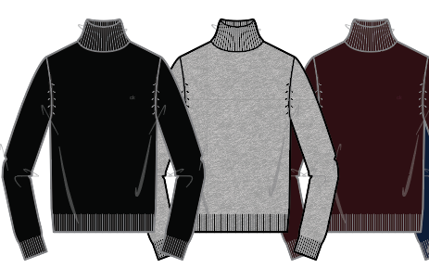 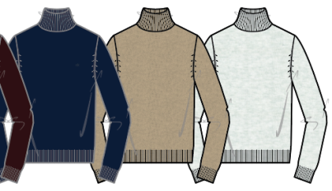 |  |  | Style | Color | Color Name | # Units | XS | S | M | L | XL
 |  |  |  |  |  |  |  | 40AM300 | 1 | BLACK | 759 |  | 258 | 273 | 92 | 136
 |  |  |  |  |  |  |  | 40AM300 | 21 | GUNMETAL HTR | 759 |  | 258 | 273 | 92 | 136
 |  |  |  |  |  |  |  | 40AM300 | 50 | PALE GREY HTR | 759 |  | 258 | 273 | 92 | 136
 |  |  |  |  |  |  |  | 40AM300 | 200 | TRAVERTINE | 324 |  | 110 | 117 | 39 | 58
 |  |  |  |  |  |  |  | 40AM300 | 202 | HARVEST OAK | 274 |  | 93 | 99 | 33 | 49
 |  |  |  |  |  |  |  | 40AM300 | 301 | MESCLUN | 324 |  | 110 | 117 | 39 | 58
STYLE # | 40AM300 | 40AM301 |  |  | 40Q7002 | 40AM305 | 40AM306 | 40AM300 | 401 | BLINDA | 464 |  | 158 | 167 | 56 | 83
PROGRAM NAME | MERINO | MERINO |  |  | MERINO | MERINO | MERINO | 40AM300 | 410 | DEEP CREEK | 464 |  | 158 | 167 | 56 | 83
STYLE DESCRIPTION | MERINO VN SWEATER 12GG | MERINO CN SWEATER 12GG |  |  | MERINO TURTLENECK 12GG | 50/50 MERINO CHST STRP CN 12GG | 50/50 MERINO ENG STRP CN 12GG | 40AM300 | 451 | LINEN BLUE | 644 |  | 219 | 232 | 78 | 115
COLOR DESCRIPTION |  |  |  |  |  |  |  | 40AM300 | 501 | PLUM NOIR | 644 |  | 219 | 232 | 78 | 115
 | BLACK GUNMETAL HTR PALE GREY HTR TRAVERTINE HARVEST OAK MESCLUN BLINDA DEEP CREEK LINEN BLUE PLUM NOIR FUSCHIA BERRY TUMERIC SUN | BLACK GUNMETAL HTR DEEP CREEK LINEN BLUE PLUM NOIR |  |  | BLACK GUNMETAL HTR DEEP CREEK PLUM NOIR | BLACK PLUM NOIR | BLACK HEROIC GREY HTR DEEP SEA BLUE | 40AM300 | 600 | FUSCHIA BERRY | 324 |  | 110 | 117 | 39 | 58
 |  |  |  |  |  |  |  | 40AM300 | 700 | TUMERIC SUN | 324 |  | 110 | 117 | 39 | 58
 |  |  |  |  |  |  |  | 40AM301 | 1 | BLACK | 959 |  | 292 | 341 | 156 | 170
 |  |  |  |  |  |  |  | 40AM301 | 21 | GUNMETAL HTR | 919 |  | 285 | 327 | 144 | 163
MSRP | $79.00 | $79.00 |  |  | $89.00 | $98.00 | $98.00 | 40AM301 | 410 | DEEP CREEK | 759 |  | 258 | 273 | 92 | 136
USD SELL | $33.00 | $33.00 | $30.00 | $30.00 | $33.00 | $36.00 | $36.00 | 40AM301 | 450 | LINEN BLUE | 120 |  | 20 | 42 | 38 | 20
 |  |  |  |  |  |  |  | 40AM301 | 501 | PLUM NOIR | 759 |  | 258 | 273 | 92 | 136
 |  |  |  |  |  |  |  | 40AM305 | 1 | BLACK | 529 |  | 180 | 190 | 64 | 95
 |  |  |  |  |  |  |  | 40AM305 | 501 | PLUM NOIR | 529 |  | 180 | 190 | 64 | 95
 |  |  |  |  |  |  |  | 40AM306 | 1 | BLACK | 529 |  | 180 | 190 | 64 | 95
 |  |  |  |  |  |  |  | 40AM306 | 30 | HEROIC GREY HTR | 529 |  | 180 | 190 | 64 | 95
 |  |  |  |  |  |  |  | 40AM306 | 410 | DEEP SEA BLUE | 529 |  | 175 | 186 | 62 | 94
 |  |  |  |  |  |  |  | 40Q7002 | 1 | BLACK | 1,508 | 36 | 441 | 535 | 250 | 246
 |  |  |  |  |  |  |  | 40Q7002 | 21 | GUNMETAL HTR | 1,288 | 16 | 406 | 460 | 186 | 220
 |  |  |  |  |  |  |  | 40Q7002 | 410 | DEEP CREEK | 684 | 16 | 200 | 243 | 113 | 112
 |  |  |  |  |  |  |  | 40Q7002 | 501 | PLUM NOIR | 140 | 13 | 22 | 48 | 41 | 16
 |  |  |  |  |  |  |  |  |  |  | 15,704

