Prodotti
Cod. | Descrizione | RETAIL PRICE | STOCK | VALORE RETAIL | FOTO
2429 | Abeba black 01 green g15 49' | € 270.00 | 30 | € 8,100.00 | 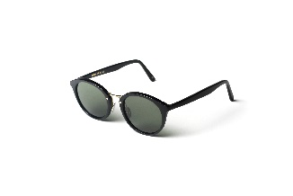
2457 | Abeba havana maculato 39 blue HD 49' | € 270.00 | 21 | € 5,670.00 | 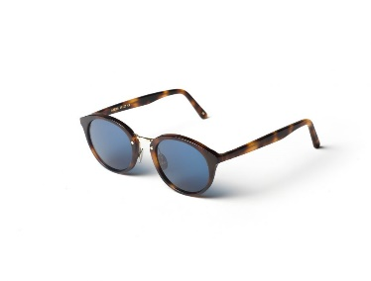
2458 | Addis black 01 green g15 49' | € 280.00 | 40 | € 11,200.00 | 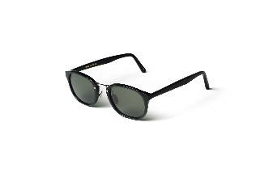
2459 | Addis havana maculato 39 blue HD 49' | € 280.00 | 29 | € 8,120.00 | 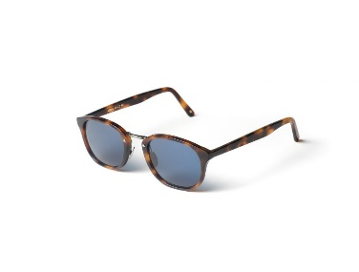
2631 | Agadir blue 08 silver mirror (base 2) 54' | € 350.00 | 55 | € 19,250.00 | 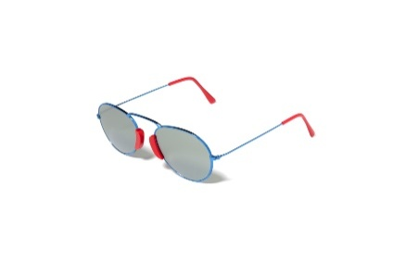
2501 | Agadir gold 01 gold mirror (base 2) 54' | € 350.00 | 100 | € 35,000.00 | 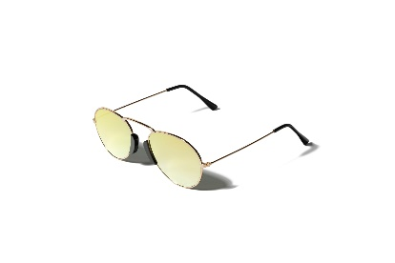
2629 | Agadir red 07 silver mirror (base 2) 54' | € 350.00 | 71 | € 24,850.00 | 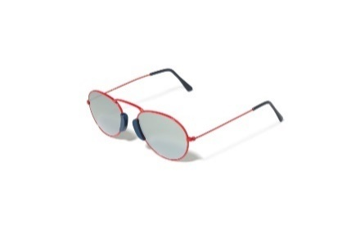
1385 | Felicite black steel black 01 grey | € 310.00 | 64 | € 19,840.00
1384 | Felicite blue steel havana maculato 39 blue | € 310.00 | 33 | € 10,230.00
1383 | Felicite gold steel havana 09 green g15 | € 310.00 | 36 | € 11,160.00
1382 | Felicite silver steel black 01 grey | € 310.00 | 53 | € 16,430.00
1389 | Glorioso black steel black 01 grey | € 310.00 | 52 | € 16,120.00
1388 | Glorioso blue steel havana maculato 39 blue | € 310.00 | 42 | € 13,020.00
1387 | Glorioso gold steel havana 09 green g15 | € 310.00 | 38 | € 11,780.00
1386 | Glorioso silver steel black 01 grey | € 310.00 | 54 | € 16,740.00
2460 | Maasai black matt 01 green g15 54' | € 270.00 | 69 | € 18,630.00
2461 | Maasai gold matt 02 green g15 54' | € 270.00 | 56 | € 15,120.00
2462 | Maasai silver matt 00 blue mirror 54' | € 270.00 | 65 | € 17,550.00
2391 | Monastir gold black 03 gold mirror 47' | € 300.00 | 124 | € 37,200.00 | 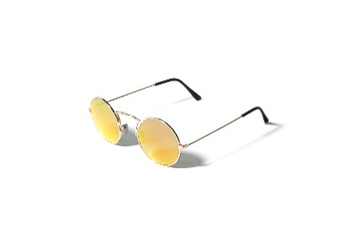
3066 | Reunion XXL acquamarina matt 53 flat gradient avion blue 49' | € 300.00 | 91 | € 27,300.00
0834 | Siwa grey grad. 31 dark grey photo. (intern flex) 55' | € 270.00 | 70 | € 18,900.00
0291/02 | Siwa havana 02 green g15 (intern flex) 55' | € 250.00 | 44 | € 11,000.00
0831 | Siwa havana 09 green g15 (intern flex) 55' | € 270.00 | 49 | € 13,230.00
1112 | Springs havana 02 green g15 (intern flex) 50' | € 250.00 | 49 | € 12,250.00
1115 | Springs navy blue matt 36 grey photochromic (intern flex) 50' | € 270.00 | 45 | € 12,150.00
1117 | Springs sea green matt 37 green g15 (intern flex) 50' | € 270.00 | 47 | € 12,690.00
2666 | Tripoli mimetic 56 grey 52' | € 400.00 | 9 | € 3,600.00
1108 | Zanzibar black 01 green g15 A/R 52' | € 270.00 | 43 | € 11,610.00
1097 | Zanzibar black matt 22 grey A/R 52' | € 270.00 | 23 | € 6,210.00
1098 | Zanzibar havana 02 blue A/R 52' | € 270.00 | 10 | € 2,700.00
1110 | Zanzibar havana 09 green g15 A/R 52' | € 270.00 | 15 | € 4,050.00
1099 | Zanzibar ivory 40 blue A/R 52' | € 270.00 | 7 | € 1,890.00
 |  |  | 1534 | € 444,950.00

