Sheet1
Image | Brand | Item # | Product | Product Description | Qty | UPC #
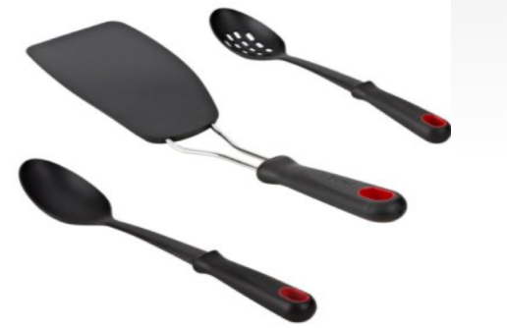 | T-Fal | B675 | T-Fal 3 Piece Kitchen Utensil Set | T-Fal Kitchen Utensil Set 3-piece set includes: Slotted spoon Solid spoon Spatula/turner Made of nylon with a non-slip grip Dishwasher safe | 2597 | 799344862046
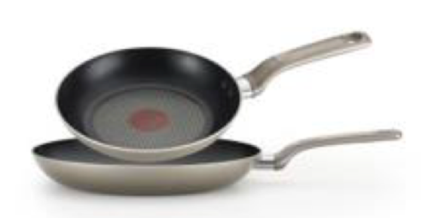 | T-Fal | C508S274 | T-Fal Excite Platinum Shimmer 8" & 10.25" 2 Pc. Fry Pan Set | 8” & 10.25” Pans Thermo-Spot, unique heat indicator perfect for preheating Pro-glide nonstick interior Even heat base Dishwasher safe Oven safe to 350 degrees | 501 | 799344862060
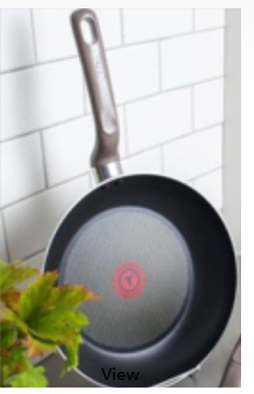 | T-Fal | C5080774 | T-Fal 11.5" Fry Pan | Thermo-Spot, unique heat indicator perfect for preheating Pro-glide nonstick interior Even heat base Dishwasher safe Oven safe to 350 degrees | 299 | 799344862039
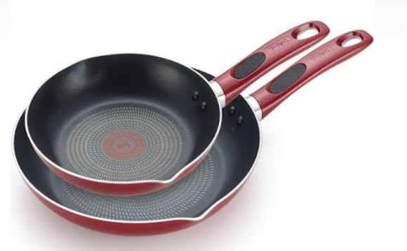 | T-Fal | C514S274 | T-Fal Excite Red Shimmer 8" & 10.25" 2 Pc. Fry Pan Set (Red) | 8” & 10.25” Pans Thermo-Spot, unique heat indicator perfect for preheating Pro-glide nonstick interior Even heat base Dishwasher safe Oven safe to 350 degrees | 545 | 799344862268
 |  |  |  |  | 3942

