Vans
 |  |  |  |  |  |  |  | 3,170
Photos | STYLE | DESCRIPTION | EAN CODE | SIZE | RETAIL | WHS | TOT WHS | Q.TY
 | VN0A38FSQK31 | UA Era 59 (C&L) BLACK/ACID DENIM | 191167712407 | 3.5 | € 80.00 | € 36.40 | € 473.20 | 13
 | VN0A38FSQK31 | UA Era 59 (C&L) BLACK/ACID DENIM | 191167712629 | 4.0 | € 80.00 | € 36.40 | € 2,984.80 | 82
 | VN0A38FSQK31 | UA Era 59 (C&L) BLACK/ACID DENIM | 191167712834 | 4.5 | € 80.00 | € 36.40 | € 4,040.40 | 111
 | VN0A38FSQK31 | UA Era 59 (C&L) BLACK/ACID DENIM | 191167713121 | 5.0 | € 80.00 | € 36.40 | € 2,875.60 | 79
 | VN0A38FSQK31 | UA Era 59 (C&L) BLACK/ACID DENIM | 191167713428 | 5.5 | € 80.00 | € 36.40 | € 3,567.20 | 98
 | VN0A38FSQK31 | UA Era 59 (C&L) BLACK/ACID DENIM | 191167713725 | 6.0 | € 80.00 | € 36.40 | € 4,331.60 | 119
 | VN0A38FSQK31 | UA Era 59 (C&L) BLACK/ACID DENIM | 191167714029 | 6.5 | € 80.00 | € 36.40 | € 3,094.00 | 85
 | VN0A38FSQK31 | UA Era 59 (C&L) BLACK/ACID DENIM | 191167714326 | 7.0 | € 80.00 | € 36.40 | € 3,094.00 | 85
 | VN0A38FSQK31 | UA Era 59 (C&L) BLACK/ACID DENIM | 191167714630 | 7.5 | € 80.00 | € 36.40 | € 1,274.00 | 35
 | VN0A38FSQK31 | UA Era 59 (C&L) BLACK/ACID DENIM | 191167714937 | 8.0 | € 80.00 | € 36.40 | € 910.00 | 25
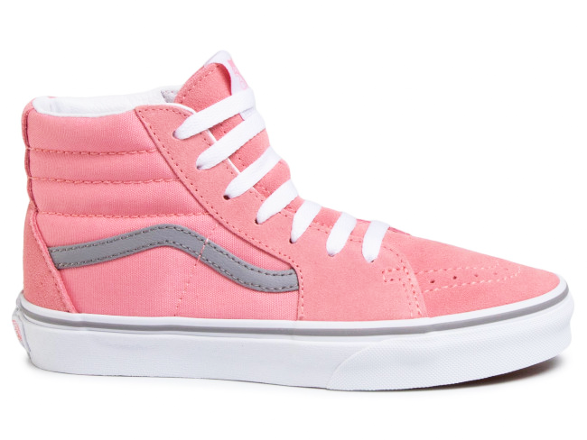 | VN0A4UI2XWE1 | JN SK8-Hi (POP)PINK ICING/FROST GRY | 194113599947 | 3.5 | € 60.00 | € 27.30 | € 436.80 | 16
 | VN0A4UI2XWE1 | JN SK8-Hi (POP)PINK ICING/FROST GRY | 194114500546 | 5.0 | € 60.00 | € 27.30 | € 709.80 | 26
 | VN0A4UI2XWE1 | JN SK8-Hi (POP)PINK ICING/FROST GRY | 194114501086 | 6.5 | € 60.00 | € 27.30 | € 791.70 | 29
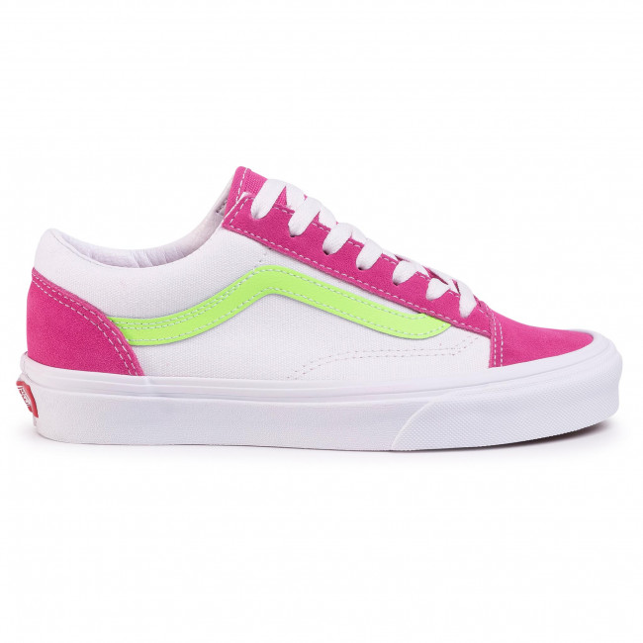 | VN0A3DZ3XGG1 | UA Style 36 (RETRO SPORT)FCHSPRPLTRWT | 194112347.00 | 4.0 | € 80.00 | € 36.40 | € 182.00 | 5
 | VN0A3DZ3XGG1 | UA Style 36 (RETRO SPORT)FCHSPRPLTRWT | 194112340687 | 4.5 | € 80.00 | € 36.40 | € 1,055.60 | 29
 | VN0A3DZ3XGG1 | UA Style 36 (RETRO SPORT)FCHSPRPLTRWT | 194112340724 | 5.0 | € 80.00 | € 36.40 | € 509.60 | 14
 | VN0A3DZ3XGG1 | UA Style 36 (RETRO SPORT)FCHSPRPLTRWT | 194112340748 | 5.5 | € 80.00 | € 36.40 | € 1,419.60 | 39
 | VN0A3DZ3XGG1 | UA Style 36 (RETRO SPORT)FCHSPRPLTRWT | 194112340762 | 6.0 | € 80.00 | € 36.40 | € 2,002.00 | 55
 | VN0A3DZ3XGG1 | UA Style 36 (RETRO SPORT)FCHSPRPLTRWT | 194112348.09 | 6.5 | € 80.00 | € 36.40 | € 327.60 | 9
 | VN0A3DZ3XGG1 | UA Style 36 (RETRO SPORT)FCHSPRPLTRWT | 194112340786 | 7.0 | € 80.00 | € 36.40 | € 1,164.80 | 32
 | VN0A3DZ3XGG1 | UA Style 36 (RETRO SPORT)FCHSPRPLTRWT | 194112340823 | 7.5 | € 80.00 | € 36.40 | € 327.60 | 9
 | VN0A3DZ3XGG1 | UA Style 36 (RETRO SPORT)FCHSPRPLTRWT | 194112340922 | 10.0 | € 80.00 | € 36.40 | € 145.60 | 4
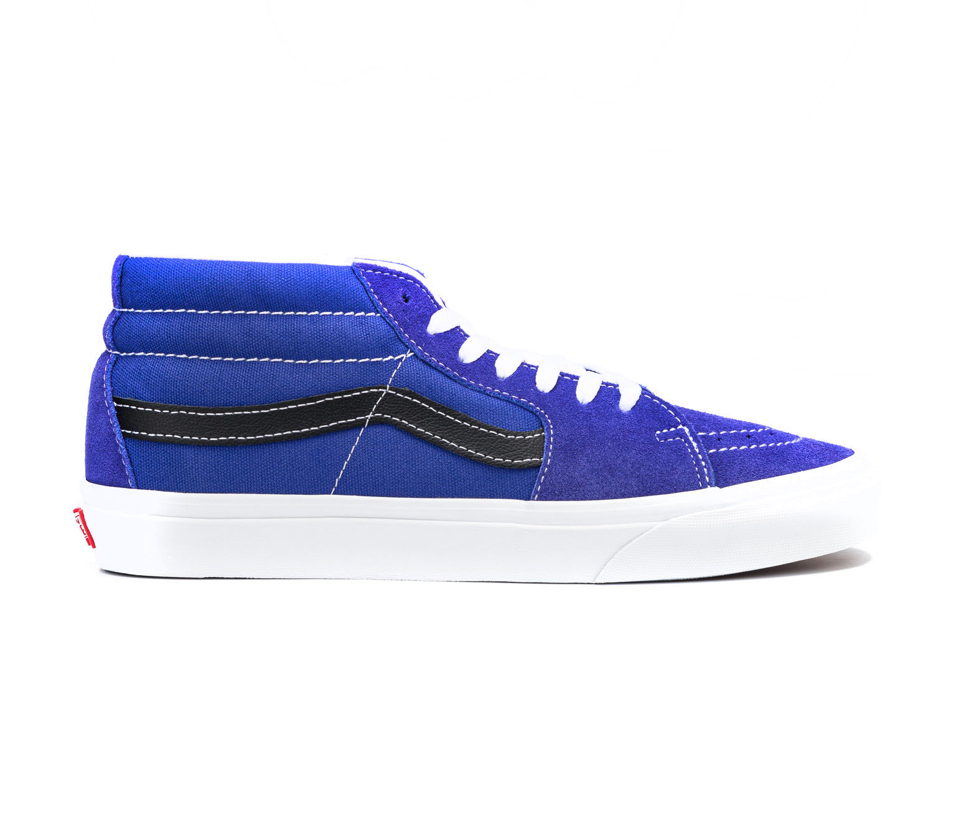 | VN0A3WM3WZ91 | UA SK8-Mid (RETRO SPORT)ROYALBLTRWHT | 194116234487 | 3.5 | € 85.00 | € 38.60 | € 77.20 | 2
 | VN0A3WM3WZ91 | UA SK8-Mid (RETRO SPORT)ROYALBLTRWHT | 194116234647 | 4.0 | € 85.00 | € 38.60 | € 231.60 | 6
 | VN0A3WM3WZ91 | UA SK8-Mid (RETRO SPORT)ROYALBLTRWHT | 194116234562 | 4.5 | € 85.00 | € 38.60 | € 1,080.80 | 28
 | VN0A3WM3WZ91 | UA SK8-Mid (RETRO SPORT)ROYALBLTRWHT | 194116234722 | 5.0 | € 85.00 | € 38.60 | € 1,273.80 | 33
 | VN0A3WM3WZ91 | UA SK8-Mid (RETRO SPORT)ROYALBLTRWHT | 194116234821 | 5.5 | € 85.00 | € 38.60 | € 1,273.80 | 33
 | VN0A3WM3WZ91 | UA SK8-Mid (RETRO SPORT)ROYALBLTRWHT | 194116234920 | 6.0 | € 85.00 | € 38.60 | € 154.40 | 4
 | VN0A3WM3WZ91 | UA SK8-Mid (RETRO SPORT)ROYALBLTRWHT | 194116235019 | 6.5 | € 85.00 | € 38.60 | € 38.60 | 1
 | VN0A3WM3WZ91 | UA SK8-Mid (RETRO SPORT)ROYALBLTRWHT | 194116235262 | 7.5 | € 85.00 | € 38.60 | € 38.60 | 1
 | VN0A3WM3WZ91 | UA SK8-Mid (RETRO SPORT)ROYALBLTRWHT | 194116235453 | 8.5 | € 85.00 | € 38.60 | € 154.40 | 4
 | VN0A3WM3XGG1 | UA SK8-Mid (RETRO SPORT)FCHSPRPLTRWT | 194116237723 | 4.5 | € 85.00 | € 38.60 | € 193.00 | 5
 | VN0A3WM3XGG1 | UA SK8-Mid (RETRO SPORT)FCHSPRPLTRWT | 194116237761 | 5.5 | € 85.00 | € 38.60 | € 656.20 | 17
 | VN0A3WM3XGG1 | UA SK8-Mid (RETRO SPORT)FCHSPRPLTRWT | 194116237785 | 6.0 | € 85.00 | € 38.60 | € 1,158.00 | 30
 | VN0A3WM3XGG1 | UA SK8-Mid (RETRO SPORT)FCHSPRPLTRWT | 194116237808 | 6.5 | € 85.00 | € 38.60 | € 694.80 | 18
 | VN0A3WM3XGG1 | UA SK8-Mid (RETRO SPORT)FCHSPRPLTRWT | 194116237822 | 7.0 | € 85.00 | € 38.60 | € 694.80 | 18
 | VN0A3WM3XGG1 | UA SK8-Mid (RETRO SPORT)FCHSPRPLTRWT | 194116237846 | 7.5 | € 85.00 | € 38.60 | € 386.00 | 10
 | VN0A3WM3XGG1 | UA SK8-Mid (RETRO SPORT)FCHSPRPLTRWT | 194116237860 | 8.0 | € 85.00 | € 38.60 | € 154.40 | 4
 | VN0A3WM3XGG1 | UA SK8-Mid (RETRO SPORT)FCHSPRPLTRWT | 194116237884 | 8.5 | € 85.00 | € 38.60 | € 694.80 | 18
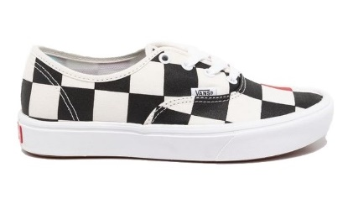 | VN0A3WM7WW71 | UA ComfyCush Authentic (HALF BIG CHECKER)BLK/RED | 194116385677 | 4.0 | € 80.00 | € 36.40 | € 36.40 | 1
 | VN0A3WM7WW71 | UA ComfyCush Authentic (HALF BIG CHECKER)BLK/RED | 194116385776 | 4.5 | € 80.00 | € 36.40 | € 327.60 | 9
 | VN0A3WM7WW71 | UA ComfyCush Authentic (HALF BIG CHECKER)BLK/RED | 194116386216 | 7.0 | € 80.00 | € 36.40 | € 145.60 | 4
 | VN0A3WM7WW71 | UA ComfyCush Authentic (HALF BIG CHECKER)BLK/RED | 194116386292 | 7.5 | € 80.00 | € 36.40 | € 254.80 | 7
 | VN0A3WM7WW71 | UA ComfyCush Authentic (HALF BIG CHECKER)BLK/RED | 194116386353 | 8.0 | € 80.00 | € 36.40 | € 182.00 | 5
 | VN0A3WM7WW71 | UA ComfyCush Authentic (HALF BIG CHECKER)BLK/RED | 194116386407 | 8.5 | € 80.00 | € 36.40 | € 218.40 | 6
 | VN0A3WM7WW71 | UA ComfyCush Authentic (HALF BIG CHECKER)BLK/RED | 194116386483 | 9.0 | € 80.00 | € 36.40 | € 1,528.80 | 42
 | VN0A3WM7WW71 | UA ComfyCush Authentic (HALF BIG CHECKER)BLK/RED | 194116386551 | 9.5 | € 80.00 | € 36.40 | € 436.80 | 12
 | VN0A3WM7WW71 | UA ComfyCush Authentic (HALF BIG CHECKER)BLK/RED | 194116386599 | 10.0 | € 80.00 | € 36.40 | € 1,164.80 | 32
 | VN0A3WM7WW71 | UA ComfyCush Authentic (HALF BIG CHECKER)BLK/RED | 194116386636 | 10.5 | € 80.00 | € 36.40 | € 873.60 | 24
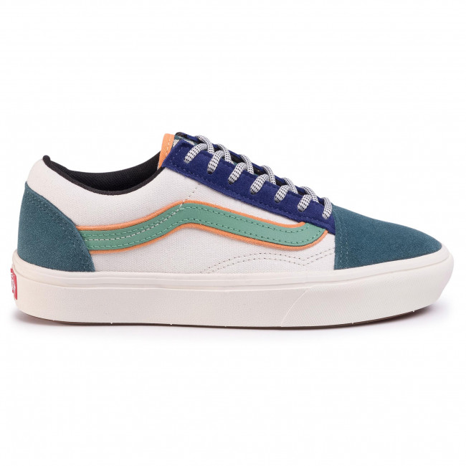 | VN0A3WMAWWF1 | UA ComfyCush Old Skool (BUGS) BALSAM/MARSHMALLOW | 194116390091 | 4.5 | € 90.00 | € 40.90 | € 531.70 | 13
 | VN0A3WMAWWF1 | UA ComfyCush Old Skool (BUGS) BALSAM/MARSHMALLOW | 194116390152 | 5.0 | € 90.00 | € 40.90 | € 245.40 | 6
 | VN0A3WMAWWF1 | UA ComfyCush Old Skool (BUGS) BALSAM/MARSHMALLOW | 194116390138 | 5.5 | € 90.00 | € 40.90 | € 1,390.60 | 34
 | VN0A3WMAWWF1 | UA ComfyCush Old Skool (BUGS) BALSAM/MARSHMALLOW | 194116390190 | 6.0 | € 90.00 | € 40.90 | € 1,840.50 | 45
 | VN0A3WMAWWF1 | UA ComfyCush Old Skool (BUGS) BALSAM/MARSHMALLOW | 194116390176 | 6.5 | € 90.00 | € 40.90 | € 409.00 | 10
 | VN0A3WMAWWF1 | UA ComfyCush Old Skool (BUGS) BALSAM/MARSHMALLOW | 194116390213 | 7.0 | € 90.00 | € 40.90 | € 1,349.70 | 33
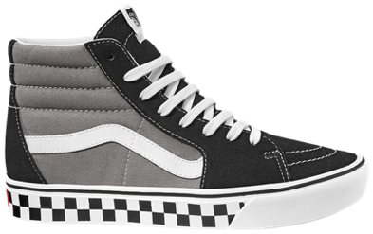 | VN0A3WMBWI61 | UA ComfyCush SK8-Hi (TAPE MIX) BLK/FROST GRAY | 194116392798 | 6.0 | 10.0 | € 45.50 | € 1,865.50 | 41
 | VN0A3WMBWI61 | UA ComfyCush SK8-Hi (TAPE MIX) BLK/FROST GRAY | 194116392811 | 6.5 | 10.0 | € 45.50 | € 546.00 | 12
 | VN0A3WMBWI61 | UA ComfyCush SK8-Hi (TAPE MIX) BLK/FROST GRAY | 194116392835 | 7.0 | 10.0 | € 45.50 | € 1,820.00 | 40
 | VN0A3WMBWI61 | UA ComfyCush SK8-Hi (TAPE MIX) BLK/FROST GRAY | 194116392859 | 7.5 | 10.0 | € 45.50 | € 2,093.00 | 46
 | VN0A3WMBWI61 | UA ComfyCush SK8-Hi (TAPE MIX) BLK/FROST GRAY | 194116392873 | 8.0 | 10.0 | € 45.50 | € 2,184.00 | 48
 | VN0A3WMBWI61 | UA ComfyCush SK8-Hi (TAPE MIX) BLK/FROST GRAY | 194116392897 | 8.5 | 10.0 | € 45.50 | € 3,094.00 | 68
 | VN0A3WMBWI61 | UA ComfyCush SK8-Hi (TAPE MIX) BLK/FROST GRAY | 194116392910 | 9.0 | 10.0 | € 45.50 | € 4,686.50 | 103
 | VN0A3WMBWI61 | UA ComfyCush SK8-Hi (TAPE MIX) BLK/FROST GRAY | 194116392934 | 9.5 | 10.0 | € 45.50 | € 2,957.50 | 65
 | VN0A3WMBWI61 | UA ComfyCush SK8-Hi (TAPE MIX) BLK/FROST GRAY | 194116392958 | 10.0 | 10.0 | € 45.50 | € 4,140.50 | 91
 | VN0A3WMBWI61 | UA ComfyCush SK8-Hi (TAPE MIX) BLK/FROST GRAY | 194116392972 | 10.5 | 10.0 | € 45.50 | € 1,820.00 | 40
 | VN0A4BTHWOW1 | UA Bess NI (CHECK) RED/TRUE WHITE | 772204414166 | 3.5 | € 85.00 | € 38.60 | € 193.00 | 5
 | VN0A4BTHWOW1 | UA Bess NI (CHECK) RED/TRUE WHITE | 772204414241 | 4.0 | € 85.00 | € 38.60 | € 270.20 | 7
 | VN0A4BTHWOW1 | UA Bess NI (CHECK) RED/TRUE WHITE | 772204414395 | 5.5 | € 85.00 | € 38.60 | € 347.40 | 9
 | VN0A4BTHWOW1 | UA Bess NI (CHECK) RED/TRUE WHITE | 772204414425 | 6.0 | € 85.00 | € 38.60 | € 154.40 | 4
 | VN0A4BTHWOW1 | UA Bess NI (CHECK) RED/TRUE WHITE | 772204414456 | 6.5 | € 85.00 | € 38.60 | € 154.40 | 4
 | VN0A4BTHWOW1 | UA Bess NI (CHECK) RED/TRUE WHITE | 772204414616 | 7.5 | € 85.00 | € 38.60 | € 193.00 | 5
 | VN0A4BTHWOW1 | UA Bess NI (CHECK) RED/TRUE WHITE | 772204414685 | 8.0 | € 85.00 | € 38.60 | € 270.20 | 7
 | VN0A4BTHWOW1 | UA Bess NI (CHECK) RED/TRUE WHITE | 772204414753 | 8.5 | € 85.00 | € 38.60 | € 115.80 | 3
 | VN0A4BTHWOW1 | UA Bess NI (CHECK) RED/TRUE WHITE | 772204414821 | 9.0 | € 85.00 | € 38.60 | € 154.40 | 4
 | VN0A4BTHWOW1 | UA Bess NI (CHECK) RED/TRUE WHITE | 772204414999 | 9.5 | € 85.00 | € 38.60 | € 193.00 | 5
 | VN0A4BTHWOW1 | UA Bess NI (CHECK) RED/TRUE WHITE | 772204415194 | 10.5 | € 85.00 | € 38.60 | € 77.20 | 2
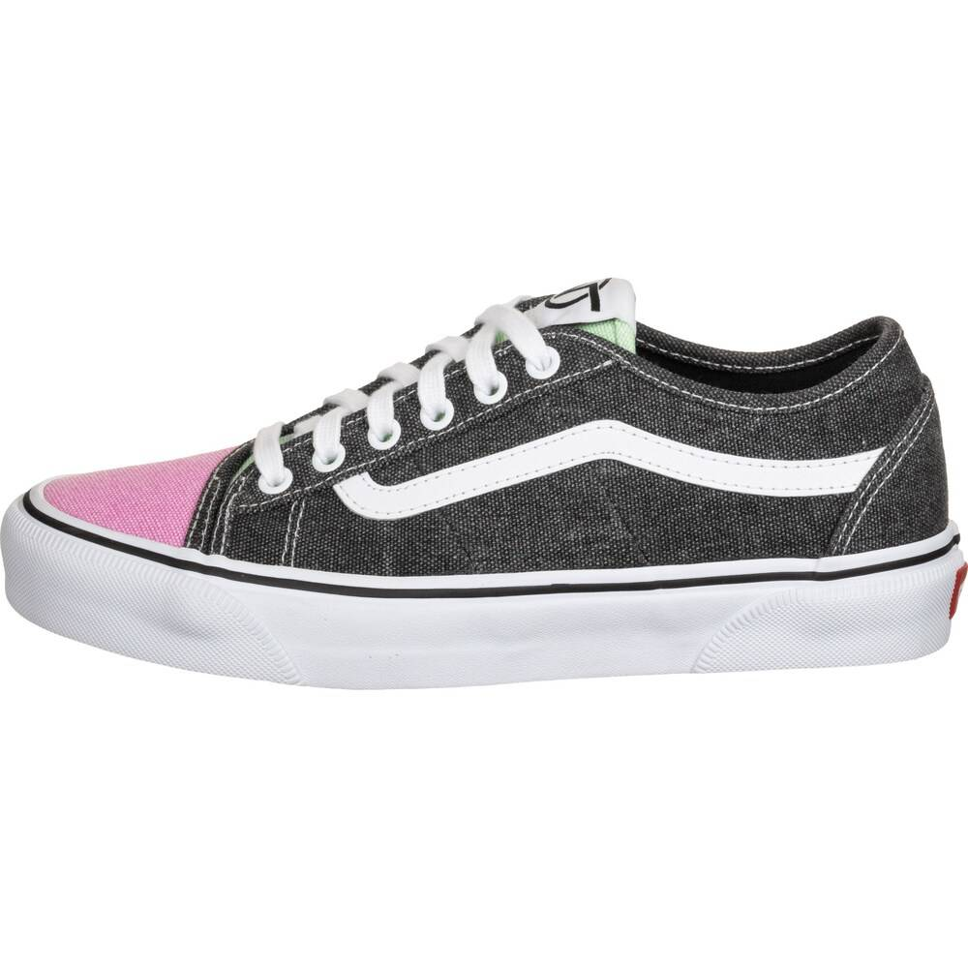 | VN0A4BTHWOY1 | UA Bess NI (THROWBACK) MULTI/TR WHT | 772204413015 | 3.5 | € 90.00 | € 40.90 | € 81.80 | 2
 | VN0A4BTHWOY1 | UA Bess NI (THROWBACK) MULTI/TR WHT | 772204413039 | 4.0 | € 90.00 | € 40.90 | € 40.90 | 1
 | VN0A4BTHWOY1 | UA Bess NI (THROWBACK) MULTI/TR WHT | 7722044136.0 | 4.5 | € 90.00 | € 40.90 | € 204.50 | 5
 | VN0A4BTHWOY1 | UA Bess NI (THROWBACK) MULTI/TR WHT | 772204413121 | 5.0 | € 90.00 | € 40.90 | € 81.80 | 2
 | VN0A4BTHWOY1 | UA Bess NI (THROWBACK) MULTI/TR WHT | 772204413183 | 5.5 | € 90.00 | € 40.90 | € 204.50 | 5
 | VN0A4BTHWOY1 | UA Bess NI (THROWBACK) MULTI/TR WHT | 772204413305 | 6.5 | € 90.00 | € 40.90 | € 40.90 | 1
 | VN0A4BTHWOY1 | UA Bess NI (THROWBACK) MULTI/TR WHT | 772204413428 | 7.5 | € 90.00 | € 40.90 | € 40.90 | 1
 | VN0A4BTHWOY1 | UA Bess NI (THROWBACK) MULTI/TR WHT | 772204413541 | 8.5 | € 90.00 | € 40.90 | € 286.30 | 7
 | VN0A4BTHWOY1 | UA Bess NI (THROWBACK) MULTI/TR WHT | 772204413602 | 9.0 | € 90.00 | € 40.90 | € 286.30 | 7
 | VN0A4BTHWOY1 | UA Bess NI (THROWBACK) MULTI/TR WHT | 772204413718 | 9.5 | € 90.00 | € 40.90 | € 204.50 | 5
 | VN0A4BTHWOY1 | UA Bess NI (THROWBACK) MULTI/TR WHT | 772204413756 | 10.0 | € 90.00 | € 40.90 | € 1,472.40 | 36
 | VN0A4BTHWOY1 | UA Bess NI (THROWBACK) MULTI/TR WHT | 772204413787 | 10.5 | € 90.00 | € 40.90 | € 695.30 | 17
 | VN0A4BTPXB31 | UA Era TC (VANS CHECK) DRESS BLUES | 194116225669 | 7.0 | € 75.00 | € 34.10 | € 409.20 | 12
 | VN0A4BTPXB31 | UA Era TC (VANS CHECK) DRESS BLUES | 194116225683 | 7.5 | € 75.00 | € 34.10 | € 750.20 | 22
 | VN0A4BTPXB31 | UA Era TC (VANS CHECK) DRESS BLUES | 194116225720 | 9.0 | € 75.00 | € 34.10 | € 4,092.00 | 120
 | VN0A4BTPXB31 | UA Era TC (VANS CHECK) DRESS BLUES | 194116225829 | 10.0 | € 75.00 | € 34.10 | € 4,398.90 | 129
 | VN0A4BTPXB31 | UA Era TC (VANS CHECK) DRESS BLUES | 194116225874 | 10.5 | € 75.00 | € 34.10 | € 1,602.70 | 47
 | VN0A4U39WYT1 | UA Era (BIG CHECK)YLK YLW/TR WHT | 194116286912 | 5.0 | € 75.00 | € 34.10 | € 306.90 | 9
 | VN0A4U39WYT1 | UA Era (BIG CHECK)YLK YLW/TR WHT | 194116286967 | 5.5 | € 75.00 | € 34.10 | € 477.40 | 14
 | VN0A4U39WYT1 | UA Era (BIG CHECK)YLK YLW/TR WHT | 194116287018 | 6.0 | € 75.00 | € 34.10 | € 272.80 | 8
 | VN0A4U39WYT1 | UA Era (BIG CHECK)YLK YLW/TR WHT | 194116287049 | 6.5 | € 75.00 | € 34.10 | € 136.40 | 4
 | VN0A4U39WYT1 | UA Era (BIG CHECK)YLK YLW/TR WHT | 1941162877.0 | 7.0 | € 75.00 | € 34.10 | € 306.90 | 9
 | VN0A4U39WYT1 | UA Era (BIG CHECK)YLK YLW/TR WHT | 19411628710.0 | 7.5 | € 75.00 | € 34.10 | € 272.80 | 8
 | VN0A4U39WYT1 | UA Era (BIG CHECK)YLK YLW/TR WHT | 194116287148 | 8.5 | € 75.00 | € 34.10 | € 136.40 | 4
 | VN0A4U39WYT1 | UA Era (BIG CHECK)YLK YLW/TR WHT | 194116287254 | 10.0 | € 75.00 | € 34.10 | € 477.40 | 14
 | VN0A4U39WYT1 | UA Era (BIG CHECK)YLK YLW/TR WHT | 194116287285 | 10.5 | € 75.00 | € 34.10 | € 306.90 | 9
 | VN0A4U39WYV1 | UA Era (DEBOSSCHKRBRD)HTHRRSTRWT | 194116287292 | 5.0 | € 85.00 | € 38.60 | € 1,428.20 | 37
 | VN0A4U39WYV1 | UA Era (DEBOSSCHKRBRD)HTHRRSTRWT | 194116287445 | 7.0 | € 85.00 | € 38.60 | € 3,435.40 | 89
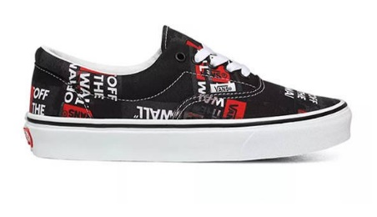 | VN0A4U39WZ41 | UA Era (PACKING TAPE)BLKREDTRWHT | 194116288251 | 6.0 | € 75.00 | € 34.10 | € 443.30 | 13
 | VN0A4U39WZ41 | UA Era (PACKING TAPE)BLKREDTRWHT | 194116288459 | 7.0 | € 75.00 | € 34.10 | € 68.20 | 2
 | VN0A4U39WZ41 | UA Era (PACKING TAPE)BLKREDTRWHT | 194116288558 | 7.5 | € 75.00 | € 34.10 | € 272.80 | 8
 | VN0A4U39WZ41 | UA Era (PACKING TAPE)BLKREDTRWHT | 194116288657 | 8.0 | € 75.00 | € 34.10 | € 102.30 | 3
 | VN0A4U39WZ41 | UA Era (PACKING TAPE)BLKREDTRWHT | 194116288749 | 8.5 | € 75.00 | € 34.10 | € 682.00 | 20
 | VN0A4U39WZ41 | UA Era (PACKING TAPE)BLKREDTRWHT | 194116288831 | 9.0 | € 75.00 | € 34.10 | € 1,023.00 | 30
 | VN0A4U39WZ41 | UA Era (PACKING TAPE)BLKREDTRWHT | 194116288954 | 9.5 | € 75.00 | € 34.10 | € 2,046.00 | 60
 | VN0A4U39WZ41 | UA Era (PACKING TAPE)BLKREDTRWHT | 1941162895.0 | 10.0 | € 75.00 | € 34.10 | € 1,705.00 | 50
 | VN0A4U39WZ41 | UA Era (PACKING TAPE)BLKREDTRWHT | 194116289159 | 10.5 | € 75.00 | € 34.10 | € 852.50 | 25
 | VN0A4U3BWZ01 | UA Old Skool (GUM) ROSEWOOD/TRUE WHITE | 194116274438 | 7.0 | € 80.00 | € 36.40 | € 364.00 | 10
 | VN0A4U3BWZ01 | UA Old Skool (GUM) ROSEWOOD/TRUE WHITE | 194116274599 | 8.0 | € 80.00 | € 36.40 | € 364.00 | 10
 | VN0A4U3BWZ01 | UA Old Skool (GUM) ROSEWOOD/TRUE WHITE | 194116274735 | 9.0 | € 80.00 | € 36.40 | € 1,856.40 | 51
 | VN0A4U3BWZ01 | UA Old Skool (GUM) ROSEWOOD/TRUE WHITE | 194116274919 | 10.0 | € 80.00 | € 36.40 | € 3,894.80 | 107
 | VN0A4U3BWZ01 | UA Old Skool (GUM) ROSEWOOD/TRUE WHITE | 194116274988 | 10.5 | € 80.00 | € 36.40 | € 1,237.60 | 34

