polos
IMAGE | SKU | PRODUCT NAME | Wholesale Price £ | RRP £ | Total | XS / 2 | S / 3 | M / 4 | L / 5 | XL / 6 | XXL / 7
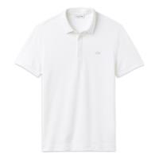 | PH552200001 | Lacoste PH5522 Colour Croc White Polo Shirt | £30.00 | £90.00 | 523 |  | 55 | 108 | 106 | 208 | 46
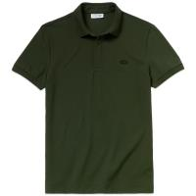 | PH552200E76 | Lacoste PH5522 Colour Croc Green Polo Shirt | £30.00 | £90.00 | 348 |  | 51 | 86 | 76 | 105 | 30
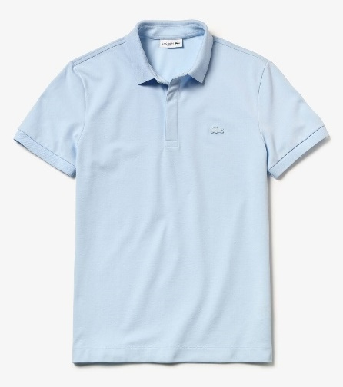 | PH552200T01 | Lacoste PH5522 Colour Croc Light Blue Polo Shirt | £30.00 | £90.00 | 34 |  |  |  | 1 | 22 | 11
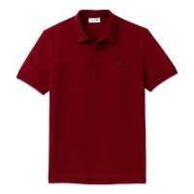 | PH552200476 | Lacoste PH5522 Colour Croc Bordeaux Polo Shirt | £30.00 | £90.00 | 73 |  | 2 | 3 | 5 | 63
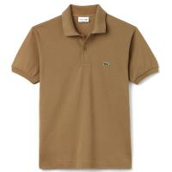 | L1212-F4Z | Lacoste L1212 Kraft Polo Shirt | £31.26 | £95.00 | 26 | 13 | 13
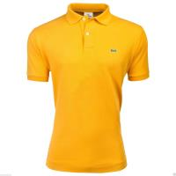 | L1212-FXS | Lacoste Men's Sunflower Polo Shirt | £31.26 | £95.00 | 19 |  |  | 1 | 18
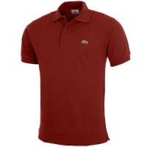 | L1212-Y5S | Lacoste L1212 Passion Polo Shirt | £31.26 | £95.00 | 12 | 9 | 3
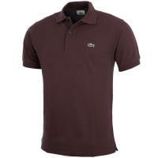 | L1212-Y29 | Lacoste L1212 Vertigo Polo Shirt | £31.26 | £95.00 | 11 | 11
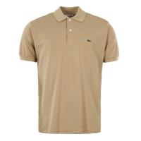 | L1212-02S | Lacoste L1212 Stone Polo Shirt | £31.26 | £95.00 | 5 | 5
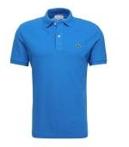 | L1212-B9U | Lacoste L1212 Blue Polo Shirt | £31.26 | £95.00 | 1 | 1
 |  |  |  |  | 1052 | 39 | 124 | 198 | 206 | 398 | 87

Jackets & Joggers
IMAGE | SKU | PRODUCT NAME | RRP £ | Total | S / 3 | M / 4 | L / 5 | XL / 6 | XXL / 7
 | XH950700001 | Men's Lacoste Sport Cotton Fleece Tennis Sweatpants White | £75.00 | 152 | 17 | 53 | 40 | 24 | 18
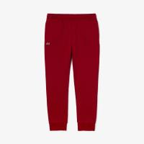 | XH950700476 | Men's Lacoste Sport Cotton Fleece Tennis Sweatpants Bordeaux | £75.00 | 110 | 16 | 25 | 39 | 15 | 15
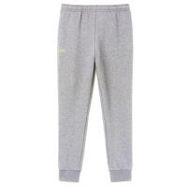 | XH9507-00-CCA | Lacoste Men's Essential Drawstring Grey Jogging Bottoms | £75.00 | 50 | 6 | 12 | 12 | 7 | 13
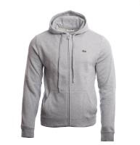 | SH2133-00-Y5J | Lacoste Men's Classic Grey Overwear Zip Hoodie | £90.00 | 116 | 10 | 38 | 5 | 44 | 19
 |  |  |  | 428 | 49 | 128 | 96 | 90 | 65

skirts & vests
IMAGE | SKU | PRODUCT NAME | RRP £ | 6 | 8 | 10 | 12 | 14 | TOTAL
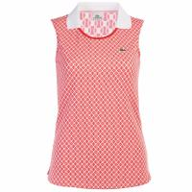 | L1-RED WHITE | Lacoste Women's Sleeveless Red & White Vest | £30.00 | 8 | 2 |  |  |  | 10
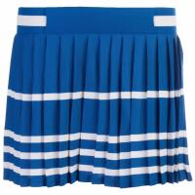 | L11-BLUE WHITE STRIP | Lacoste Women's Blue Skirt | £25.00 |  |  |  | 8 |  | 8
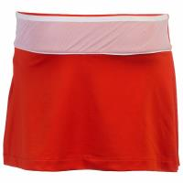 | L12-ORANGE WHITE STRIP WAIST | Lacoste Women's Orange Skirt | £25.00 | 4 |  |  |  | 3 | 7
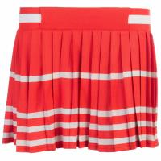 | L15-ORANGE WHITE STRIP | Lacoste Women's Orange (White Strip) Skirt | £25.00 |  | 5 |  |  |  | 5
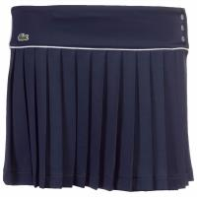 | L12-NAVY WHITE STRIP WAIST | Lacoste Women's Navy (White Strip) Skirt | £25.00 |  |  |  |  | 1 | 1
 |  |  |  | 12 | 7 | 0 | 8 | 4 | 31

