Arkusz1
Photo | Style | total | 40 | 41 | 42 | 43 | 44 | 45 | 46
 | KRIS003-BLK | 24 |  | 2 | 4 | 6 | 6 | 4 | 2
 | NOBIL003A-DBL002 | 182 |  | 15 | 30 | 46 | 46 | 30 | 15
 | BLADE001-GRY | 60 | 5 | 10 | 15 | 15 | 10 | 5
 | NOBIL005-RED001 | 47 |  | 4 | 8 | 11 | 12 | 8 | 4
 | NOBIL004-LGR-BLU01 | 36 |  | 3 | 6 | 9 | 9 | 6 | 3
 | NOBIL004-BLK-OCR01 | 156 |  | 13 | 26 | 39 | 39 | 26 | 13
 | KRIS003-WHI | 12 |  | 1 | 2 | 3 | 3 | 2 | 1
 | NOBIL004-DBL002 | 120 |  | 10 | 20 | 30 | 30 | 20 | 10
 | NOBIL004-WHI | 120 |  | 10 | 20 | 30 | 30 | 20 | 10
 | NOBIL003A-WHI | 96 |  | 8 | 16 | 24 | 24 | 16 | 8
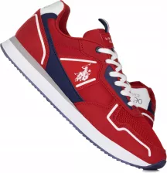 | NOBIL004-RED-DBL001 | 120 |  | 10 | 20 | 30 | 30 | 20 | 10
 | NOBIL003A-YEL001 | 120 |  | 10 | 20 | 30 | 30 | 20 | 10
 | NOBIL004-MIL-BLK01 | 60 |  | 5 | 10 | 15 | 15 | 10 | 5
 | NOBIL004-BLU006 | 60 |  | 5 | 10 | 15 | 15 | 10 | 5
Photo | Style | total | 36 | 37 | 38 | 39 | 40 | 41
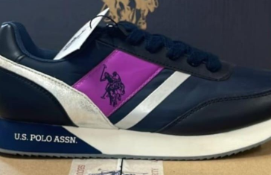 | NOBIW002-DBL | 1 |  | 1
 | BLADY001-PIN | 60 | 5 | 10 | 15 | 15 | 10 | 5

