Hoja1
PICTURE | 35 | 36 | 37 | 38 | 39 | 40 | 41 | 42 | 43 | 44 | 45 | 46 | TOTAL UNITS | RRP | REFERENCE
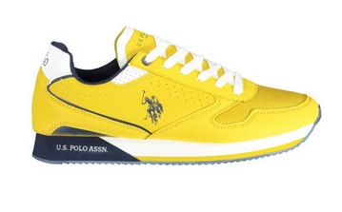 |  |  |  |  |  | 279 | 732 | 1162 | 1326 | 1045 | 585 | 138 | 5267 | 110.00 € | NOBIL003M2HY2
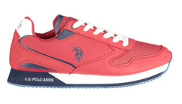 |  |  |  |  |  | 189 | 512 | 743 | 832 | 663 | 388 | 2 | 3329 | 110.00 € | NOBIL003M2HY2
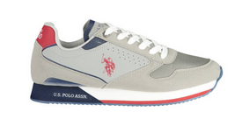 |  |  |  |  |  | 3 | 15 | 18 | 25 | 31 | 8 | 9 | 109 | 110.00 € | NOBIL003M2HY2
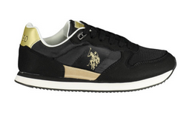 | 6 | 2 | 11 | 4 |  | 1 |  |  |  |  |  |  | 24 | 110.00 € | NOBIW005W2TH1
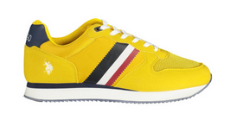 |  |  |  |  |  | 8 | 8 | 17 | 33 | 31 | 17 | 5 | 119 | 110.00 € | NOBIL005M2NH1
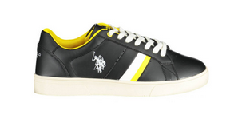 |  |  |  |  |  | 7 | 12 | 21 | 17 | 14 | 4 |  | 75 | 125.00 € | KRIS003M2Y1
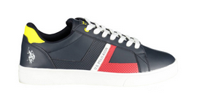 |  |  |  |  |  |  | 10 | 22 | 29 | 26 | 17 | 8 | 112 | 125.00 € | KRIS002M2Y1
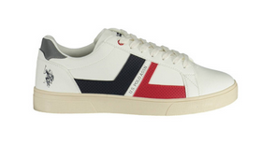 |  |  |  |  |  |  | 8 | 17 | 24 | 25 | 17 | 8 | 99 | 125.00 € | KRIS002M2Y1
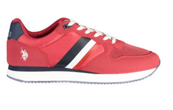 |  |  |  |  |  |  |  | 5 | 15 | 19 | 7 | 3 | 49 | 110.00 € | NOBIL005M2NH1
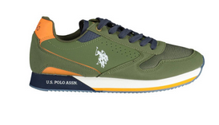 |  |  |  |  |  | 20 | 104 | 163 | 191 | 182 | 99 | 13 | 772 | 110.00 € | NOBIL003M2HY2
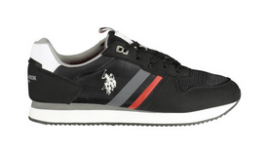 |  |  |  |  |  | 123 | 388 | 607 | 685 | 557 | 295 | 57 | 2712 | 110.00 € | NOBIL006M2TH1
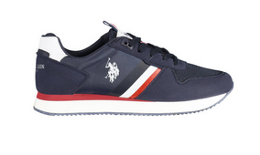 |  |  |  |  |  | 94 | 348 | 560 | 663 | 543 | 297 | 63 | 2568 | 110.00 € | NOBIL006M2TH1
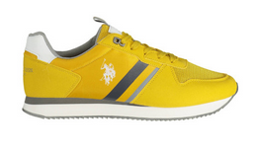 |  |  |  |  |  | 175 | 449 | 729 | 827 | 650 | 375 | 95 | 3300 | 110.00 € | NOBIL006M2TH1
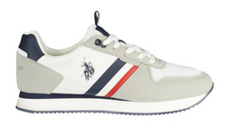 |  |  |  |  |  | 129 | 415 | 675 | 794 | 653 | 382 | 93 | 3141 | 110.00 € | NOBIL006M2TH1
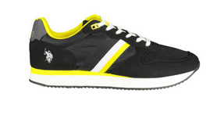 |  |  |  |  |  | 9 | 26 | 41 | 52 | 47 | 27 | 8 | 210 | 110.00 € | NOBIL005M2NH1
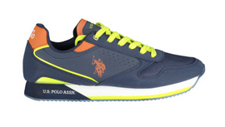 |  |  |  |  |  | 6 | 32 | 20 | 67 | 58 | 39 |  | 222 | 110.00 € | NOBIL003M2HY2
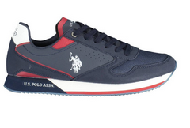 |  |  |  |  |  | 418 | 1146 | 1816 | 2084 | 1627 | 929 | 141 | 8161 | 110.00 € | NOBIL003M2HY2
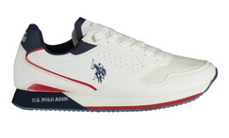 |  |  |  |  |  | 199 | 620 | 1009 | 1181 | 947 | 549 | 123 | 4628 | 110.00 € | NOBIL003M2HY2
 |  |  |  |  |  |  |  |  |  |  |  |  | 34897

