UK
No. | SKU | SKU Name | Pcs | Price | Image | Package | Link
1 | V129-UKAFF181553 | TIBEK-HB2239B-Hand-held stirring rod (UK) | 1315 | £7.33 | 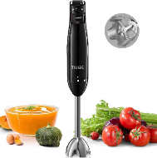 | 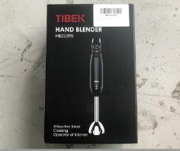 | https://www.aicookhome.com/collections/blender/products/decen-handhelf-blender-hb2239b1
9 | V004-UKAFF0000073 | KIKET-KEC8063A-GS-Electric Kettle-UK | 266 | £7.33 | 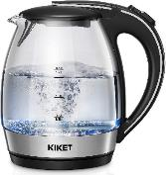 | 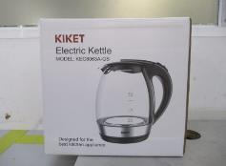 | https://www.aicookhome.com/products/kiket-kettle-glass-with-blue-led-lighting-kec8063a-gs
15 | V139-UKAFFN1016926 | Kealive-VC-1819D-Vacuum Cleaner-UK | 28 | £28.50 | 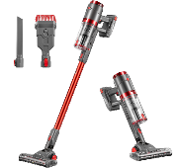 | 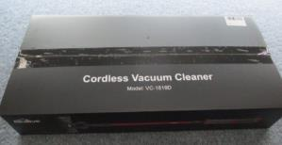 | https://www.aicookhome.com/products/auyou-5-in-1-cordless-vacuum-cleaner-vc-1819d
29 | V226-UKAFFN1025499 | Kealive-HY-4401N-Steamer-UK | 746 | £9.25 | 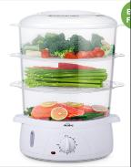 | 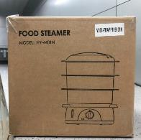 | https://www.aicookhome.com/collections/others/products/kealive-food-steamer-electric-3-tier-vegetable-steamer-with-bpa-free-baskets-steam-cooker-with-timer-function-for-rice-vegetables-chicken-and-fish-9-liters-white-800w
39 | V051-UKAFFN1018454 | Kealive-BVC-S108B-Vacuum Cleaner-UK | 723 | £28.50 | 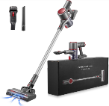 | 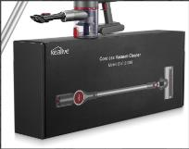 | https://www.aicookhome.com/products/kealive-battery-vacuum-cleaner-cordless-bvc-s108b
44 | V267-UKAFFN1017703 | Kealive-AJ-2071-Steam Iron (UK) | 289 | £5.13 |  |  | https://www.ebay.co.uk/itm/255157257484?hash=item3b688ec50c:g:LLcAAOSwztthVaH8&amdata=enc%3AAQAHAAAA4M%2Fm%2F2d9m2hX2FOBaLIqgVlbZQP7QIlPJ5jaGWlKTVdmPZt%2BpJz%2FDveDmg%2BYu2T%2F%2BY8pXnfH0Xas9OvcQe8h2tIu%2FYKWsVIdUiP41E%2BQvOLuKRR2576m5no6dR8%2FpU5BhM46RsgOpcyx0ej1npjQTa6TQ9FozSHeNnEUZCXYQq1ROkWxUwllk4lmQR2BrIHdWD5wD9P1eW%2FzzyUpODHZCezWir%2FOJJ2q4WCfzT6KD9aB1XAm4PUTO3JMpUerAB36RtCixh81jF081tp%2FzjbfEXONv64%2BZA1drBGg5lGXuhRw%7Ctkp%3ABFBMiLflkLlg
65 | V212-UKAFFN1015381 | DEIK-SDWD-S287-Knife set 15pcs | 136 | £14.20 | 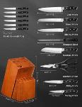 | 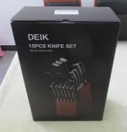 | https://www.aicookhome.com/collections/knives/products/deik-knife-set-15pcs-sdwd-s287
67 | V054-UKAFFN1012480 | DEIK-SDWD-S277-Knife set 16pcs | 1134 | £19.43 |  |  | https://www.aicookhome.com/collections/knives/products/deik-knife-set-16pcs-sdwd-s277
90 | V212-UKAFFN1024217 | DEIK-SDWD-368-8 inch chef's knife single knife | 280 | £2.98 | 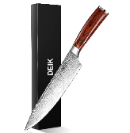 |  | https://www.aicookhome.com/collections/knives/products/deik-8-inch-chef-knife-sdwd-368
93 | V054-UKAFFN1018514 | DEIK-SD-DFPB-28-Aluminum Pan | 708 | £8.43 | 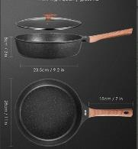 | 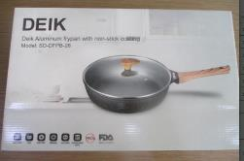 | https://www.aicookhome.com/collections/deik/products/deik-non-stick-frying-pan-28-cm-dfpb-28
122 | V054-UKAFF131072 | deik-KF-H8023-14-piece knife set | 1378 | £13.10 | 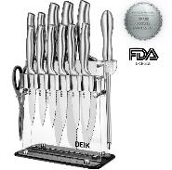 | 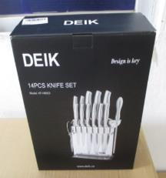 | https://www.aicookhome.com/collections/knives/products/deik-cutlery-knife-set-14pcs-h8023
157 | V054-UKAFFN1012484 | DEIK-J1-AB112-knife set 16pcs | 2996 | £10.63 |  |  | https://www.aicookhome.com/collections/knives/products/deik-knife-set-16-pcs-ab112-black
183 | V054-UKAFF186073 | DEIK-HM9105-GS-Egg Beater (UK) | 2378 | £5.68 | 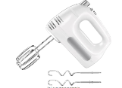 | 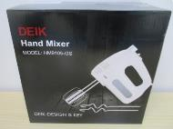 | https://www.aicookhome.com/collections/stand-mixer/products/deik-electric-hand-mixer-hm9105-ul
248 | V054-UKAFF86952 | deik- KF-H8002-knife set 16pcs | 3001 | £13.65 | 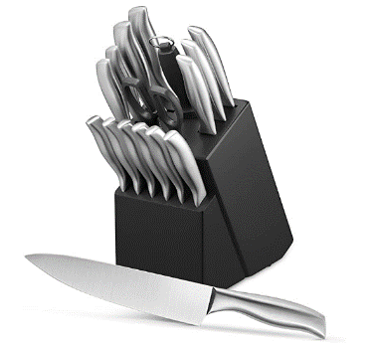 | 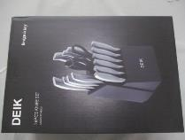 | https://www.aicookhome.com/products/deik-knife-block-professional-knife-set-16-pieces-kf-h8002
286 | V004-UKAFFN1019683 | Decen-HGM-409-Food Processor-UK | 1001 | £25.20 | 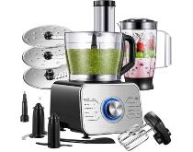 | 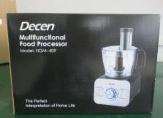 | https://www.aicookhome.com/collections/food-processor/products/decen-12-cup-food-processor-hgm-409
317 | V267-UKAFF184306 | Decen-ES-2399-Electric Iron (UK) | 86 | £5.13 | 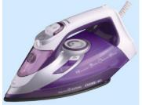 | 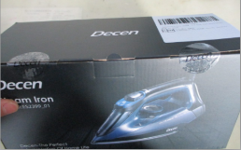 | https://www.aicookhome.com/collections/food-processor/products/aicok-food-processor-9042-gsw
329 | V339-UKAFFN1025265 | AUYOU-VC-1819D-Vacuum Cleaner-UK | 508 | £28.50 |  | 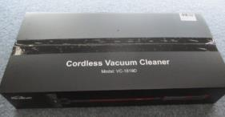 | https://www.aicookhome.com/products/auyou-5-in-1-cordless-vacuum-cleaner-vc-1819d
333 | V339-UKAFFN1022909 | AUYOU-EV-H066-W111-Handheld Vacuum Cleaner-UK | 887 | £14.20 |  |  | https://www.aicookhome.com/collections/others/products/auyou-battery-handheld-vacuum-cleaner-12kpa-handheld-vacuum-cleaner-bagless-washable-hepa-filter-20-mins-running-time-with-charging-station-lightweight-car-vacuum-cleaner-for-car-kitchen-office-home-white-28-x-7-x-7-cm
357 | V004-UKAFFN1020828 | AICOOK-JE-80T-Centrifugal Juicer (UK) | 106 | £20.53 | 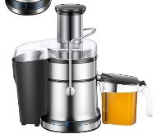 | 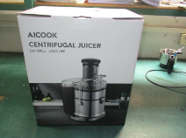 | https://www.aicookhome.com/collections/juicer/products/aicook-juicer-centrifugal-juicing-machine-je-80t
361 | V260-UKAFFN1024055 | AICOOK-GPM-860-Popcorn Machine-UK | 400 | £7.05 |  | 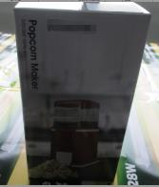 | https://www.aicookhome.com/collections/aicook/products/aicook-1200w-popcorn-maker-gpm-860
381 | V004-UKAFFN1020430 | AICOOK-GCM-530-Marshmallow Machine-Red-UK | 77 | £8.43 | 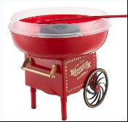 | 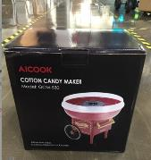 | https://www.aicookhome.com/collections/aicook/products/aicook-cotton-candy-floss-machine-gcm-530
388 | V260-UKAFFN1019017 | AICOOK-FP202AD-Food Processor-UK | 176 | £16.13 | 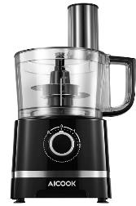 | 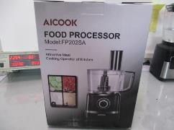 | https://www.aicookhome.com/collections/food-processor/products/aicook-food-processor-fp202ad
401 | V004-UKAFFN1018055 | AICOOK-EP2305-Yogurt Maker-UK | 206 | £9.25 | 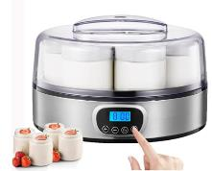 | 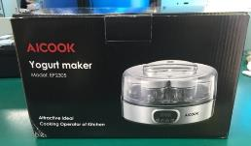 | https://www.aicookhome.com/collections/others/products/aicook-yogurt-maker-ep2305-ul
414 | V260-UKAFF0000143 | AICOOK-BMH-1202A-Popcorn Machine-UK | 1792 | £7.05 |  | 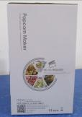 | https://www.aicookhome.com/collections/aicook/products/aicook-hot-air-popcorn-popper-bmh-1202a-red
420 | V229-UKAFFN1023595 | AICOOK-AK-C043-Waffle Maker-UK | 549 | £9.53 | 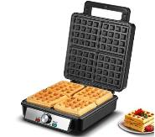 | 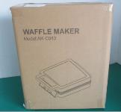 | https://www.aicookhome.com/collections/aicook/products/aicook-belgian-waffle-maker-square-ak-c043
424 | V004-UKAFFN1020509 | AICOOK-AK-A028-Sandwich Maker-UK | 716 | £9.80 | 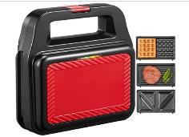 | 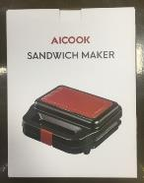 | https://www.aicookhome.com/collections/waffle-maker/products/aicook-waffle-maker-ak-a028
444 | V004-UKAFF127486 | AICOK-SNJ-159B-Yogurt maker (UK) | 649 | £8.70 | 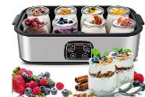 | 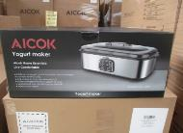 | https://www.aicookhome.com/products/aicok-electric-yogurt-maker-snj-159b
453 | V229-UKAFF116082 | AICOK-MMF-808-V2-Milk Frother (UK) | 693 | £10.63 | 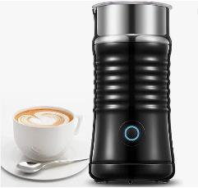 | 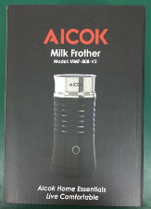 | https://www.aicookhome.com/products/aicok-240ml-electric-milk-steamer-v2
483 | V229-UKAFF109329 | AICOK-MK-37-Multifunctional kitchen machine (UK) | 2178 | £28.50 | 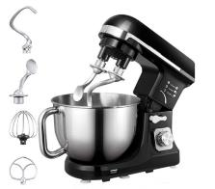 | 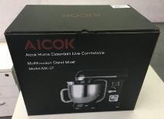 | https://www.aicookhome.com/collections/stand-mixer/products/aicok-stand-mixer-5-5-qt-dough-mixer-food-mixer-mk37
512 | V226-UKAFF115126 | AICOK-LB2101F-Hand Blender (British Standard) | 832 | £7.33 | 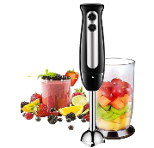 | 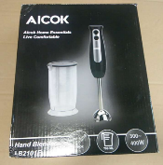 | https://www.aicookhome.com/products/aicok-hand-blender-lb2101f
569 | V004-UKAFF110995 | AICOK-HM833-Egg Beater (UK) | 1632 | £6.50 | 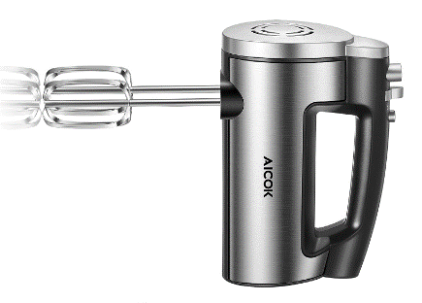 | 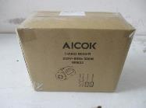 | https://www.aicookhome.com/collections/stand-mixer/products/aicok-hand-mixer-6-speed-kitchen-handheld-mixer-hm833
593 | V004-UKAFFN1011862 | Aicok-GS-332-800W Juicer (75mm caliber) British Standard | 2435 | £16.13 |  |  | https://www.aicookhome.com/collections/juicer/products/aicok-juicer-wide-mouth-centrifugal-juice-extractor-1000w-gs-332
614 | V226-UKAFF112542 | Aicok-CM4329AF-GS-Coffee Machine-UK | 1492 | £10.63 |  |  | https://www.aicookhome.com/products/aicok-filter-coffee-machine-programmable-digital-coffee-machine-cm4329af-gs
627 | V260-UKAFF112573 | AICOK-AMR521-Slow Juicer (UK) | 1672 | £20.53 |  |  | https://www.aicookhome.com/collections/juicer/products/juicer-aicok-slow-masticating-juicer-extractor-521
657 | V229-UKAFF177424 | AICOK-AMR519-Slow Press (UK) | 1940 | £19.70 |  |  | https://www.aicookhome.com/collections/juicer/products/aicok-juicer-masticating-juice-extractor-cold-press-juicer-amr519
684 | V226-UKAFFN1014672 | AICOK-AK-A014-Sandwich Maker-UK | 1067 | £9.53 |  |  | https://www.aicookhome.com/collections/waffle-maker/products/aicok-sandwich-maker-ak-a014
 |  |  | 36472

