Table 4
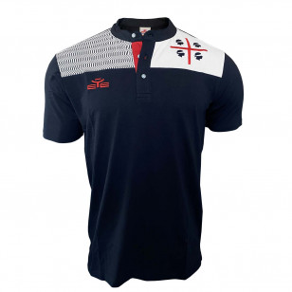
4MPLASCIO*03 | POLO 4 MORI A SCIORAI NAVY | PZ | 102 | 34.89 | 3558.98 | YS | 3XS | 2XS 15 | XS 47 | S 38 | M 1 | L 1 | XL | 2XL | 3XL | 4XL | 5XL | 6XL | 7XL | 8XL
4MTSSP*03 | T-SHIRT 4 MORI SPOSTADDA NAVY | PZ | 2 | 27.58 | 55.17 | YS | 3XS 1 | 2XS | XS 1 | S | M | L | XL | 2XL | 3XL | 4XL | 5XL | 6XL | 7XL | 8XL
4MTSBEN*01 | T-SHIRT 4 MORI BENIMINDI BIANCO | PZ | 10 | 19.50 | 194.96 | YS | 3XS | 2XS | XS | S | M | L | XL | 2XL | 3XL 3 | 4XL 4 | 5XL 3 | 6XL | 7XL | 8XL
4MTSBENK*01 | T-SHIRT 4 MORI BENIMINDI KID BIANCO | PZ | 72 | 19.50 | 1403.68 | YS | 3XS 25 | 2XS 47 | XS | S | M | L | XL | 2XL | 3XL | 4XL | 5XL | 6XL | 7XL | 8XL
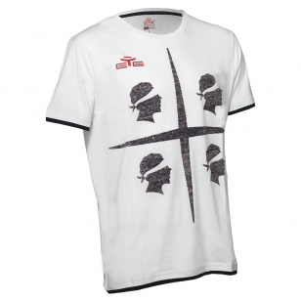
4MTSBENK*03 | T-SHIRT 4 MORI BENIMINDI KID BLU | PZ | 37 | 19.50 | 721.34 | YS | 3XS 17 | 2XS 20 | XS | S | M | L | XL | 2XL | 3XL | 4XL | 5XL | 6XL | 7XL | 8XL
4MTSBENK*04 | T-SHIRT 4 MORI BENIMINDI KID ROSSO | PZ | 11 | 19.50 | 214.45 | YS | 3XS 11 | 2XS | XS | S | M | L | XL | 2XL | 3XL | 4XL | 5XL | 6XL | 7XL | 8XL
4MTSPER*01 | T-SHIRT 4 MORI SPERDIU BIANCO | PZ | 52 | 24.96 | 1297.98 | YS | 3XS | 2XS | XS 3 | S 27 | M 6 | L 16 | XL | 2XL | 3XL | 4XL | 5XL | 6XL | 7XL | 8XL
4MTSPER*03 | T-SHIRT 4 MORI SPERDIU BLU | PZ | 5 | 24.96 | 124.81 | YS | 3XS | 2XS | XS 1 | S | M | L | XL | 2XL | 3XL | 4XL 3 | 5XL 1 | 6XL | 7XL | 8XL
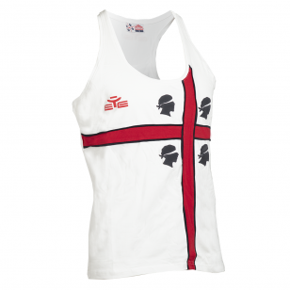
4MTSANDK*03 | T-SHIRT 4 MORI ANDENDI KID BLU | PZ | 16 | 29.78 | 476.48 | YS 1 | 3XS 15 | 2XS | XS | S | M | L | XL | 2XL | 3XL | 4XL | 5XL | 6XL | 7XL | 8XL
4MTSBRA*01 | T-SHIRT 4 MORI BRANDINCHI BIANCO | PZ | 21 | 30.89 | 648.70 | YS | 3XS 13 | 2XS 1 | XS 1 | S | M | L | XL | 2XL | 3XL 1 | 4XL 4 | 5XL 1 | 6XL | 7XL | 8XL
4MTSBRA*03 | T-SHIRT 4 MORI BRANDINCHI BLU | PZ | 1 | 30.89 | 30.89 | YS | 3XS 1 | 2XS | XS | S | M | L | XL | 2XL | 3XL | 4XL | 5XL | 6XL | 7XL | 8XL
4MTSBRAK*03 | T-SHIRT 4 MORI BRANDINCHI BLU KID | PZ | 6 | 30.89 | 185.34 | YS | 3XS 6 | 2XS | XS | S | M | L | XL | 2XL | 3XL | 4XL | 5XL | 6XL | 7XL | 8XL
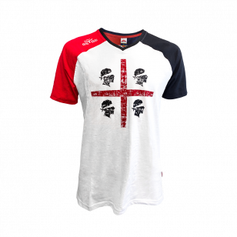
4MTSPLA*01 | T-SHIRT 4 MORI PLATAMONA BIANCO | PZ | 8 | 24.95 | 199.59 | YS | 3XS | 2XS | XS | S | M | L | XL | 2XL | 3XL | 4XL 5 | 5XL 3 | 6XL | 7XL | 8XL
4MTSPLA*13 | T-SHIRT 4 MORI BRANDINCHI BLUGRIGIO | PZ | 7 | 24.95 | 174.64 | YS | 3XS | 2XS | XS | S | M | L 1 | XL | 2XL | 3XL 2 | 4XL 4 | 5XL | 6XL | 7XL | 8XL
4MTSPLA*03 | T-SHIRT 4 MORI PLATAMONA NAVY | PZ | 30 | 24.95 | 748.47 | YS | 3XS | 2XS | XS | S | M | L | XL | 2XL | 3XL 4 | 4XL 3 | 5XL 23 | 6XL | 7XL | 8XL
4MCANMD*01 | CANOTTA 4 MORI LA MADDALENA BIANCO | PZ | 63 | 19.59 | 1234.37 | YS | 3XS | 2XS 1 | XS 34 | S | M | L | XL 5 | 2XL 23 | 3XL | 4XL | 5XL | 6XL | 7XL | 8XL
4MCANMD*03 | CANOTTA 4 MORI LA MADDALENA NAVY | PZ | 117 | 19.59 | 2292.40 | YS | 3XS | 2XS 94 | XS 16 | S | M | L | XL | 2XL 7 | 3XL | 4XL | 5XL | 6XL | 7XL | 8XL
4MTSSC*03 | T-SHIRT 4 MORI SCETTI BLU | PZ | 36 | 19.50 | 701.84 | YS | 3XS | 2XS | XS 3 | S | M | L | XL | 2XL | 3XL 1 | 4XL 14 | 5XL 18 | 6XL | 7XL | 8XL
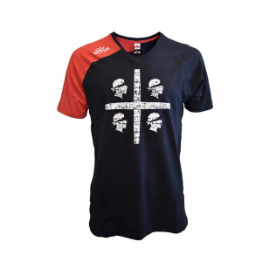
4MPBPTRK*03 | BEACH WEAR 4 MORI PORTO TRAMATZU KID NA | PZ | 106 | 29.89 | 3168.34 | YS 38 | 3XS 37 | 2XS 31 | XS | S | M | L | XL | 2XL | 3XL | 4XL | 5XL | 6XL | 7XL | 8XL
4MPGPTR*03 | BEACH WEAR 4 MORI PORTO TRAMATZU NAVY | PZ | 12 | 29.89 | 358.68 | YS 11 | 3XS | 2XS | XS 1 | S | M | L | XL | 2XL | 3XL | 4XL | 5XL | 6XL | 7XL | 8XL
4MPNSTRK*03 | SHORT 4 MORI STRINTU KID NAVY | PZ | 4 | 28.17 | 112.68 | YS 3 | 3XS | 2XS 1 | XS | S | M | L | XL | 2XL | 3XL | 4XL | 5XL | 6XL | 7XL | 8XL
4MPNSTR*03 | SHORT 4 MORI STRINTU NAVY | PZ | 32 | 28.17 | 901.43 | YS | 3XS | 2XS | XS 1 | S | M 31 | L | XL | 2XL | 3XL | 4XL | 5XL | 6XL | 7XL | 8XL
4MPNST*13 | SHORT 4 MORI STINTINO GRIGIO | PZ | 57 | 29.51 | 1682.17 | YS 1 | 3XS 8 | 2XS 14 | XS 22 | S 2 | M | L | XL | 2XL | 3XL 2 | 4XL 8 | 5XL | 6XL | 7XL | 8XL
4MPNSTK*13 | SHORT 4 MORI STINTINO GRIGIO KID | PZ | 7 | 29.51 | 206.58 | YS 1 | 3XS 1 | 2XS 5 | XS | S | M | L | XL | 2XL | 3XL | 4XL | 5XL | 6XL | 7XL | 8XL
4MPNST*03 | SHORT 4 MORI STINTINO NAVY | PZ | 8 | 29.51 | 236.09 | YS | 3XS | 2XS 1 | XS | S | M | L 2 | XL | 2XL | 3XL 1 | 4XL 4 | 5XL | 6XL | 7XL | 8XL
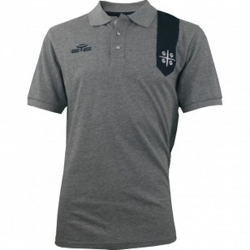
4MPLAND*03 | POLO 4 MORI ANDAUSU BLU | PZ | 84 | 29.89 | 2510.76 | YS | 3XS 40 | 2XS 23 | XS | S 16 | M | L 1 | XL 2 | 2XL | 3XL 2 | 4XL | 5XL | 6XL | 7XL | 8XL
4MPLAND*18 | POLO 4 MORI ANDAUSU GRIGIO MELANGE | PZ | 138 | 29.89 | 4124.82 | YS | 3XS | 2XS | XS 50 | S 52 | M 14 | L | XL | 2XL 1 | 3XL 21 | 4XL | 5XL | 6XL | 7XL | 8XL
4MTSPER*01 | T-SHIRT 4 MORI SPERDIU BIANCO | PZ | 52 | 24.96 | 1297.98 | YS | 3XS | 2XS | XS 3 | S 27 | M 6 | L 16 | XL | 2XL | 3XL | 4XL | 5XL | 6XL | 7XL | 8XL
4MTSANDK*03 | T-SHIRT 4 MORI ANDENDI KID BLU | PZ | 16 | 29.78 | 476.48 | YS 1 | 3XS 15 | 2XS | XS | S | M | L | XL | 2XL | 3XL | 4XL | 5XL | 6XL | 7XL | 8XL
4MTSARR*01 | T-SHIRT 4 MORI ARREIGA BIANCO | PZ | 35 | 28.19 | 986.80 | YS | 3XS | 2XS 19 | XS 10 | S 6 | M | L | XL | 2XL | 3XL | 4XL | 5XL | 6XL | 7XL | 8XL
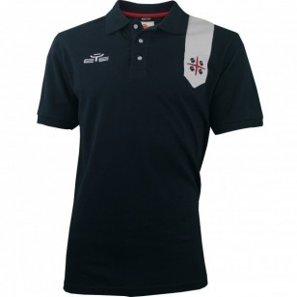
4MTSSC*03 | T-SHIRT 4 MORI SCETTI BLU | PZ | 36 | 19.50 | 701.84 | YS | 3XS | 2XS | XS 3 | S | M | L | XL | 2XL | 3XL 1 | 4XL 14 | 5XL 18 | 6XL | 7XL | 8XL
CAPWC*02 | MAGLIA POWER MC NERO | PZ | 90 | 43.40 | 3905.59 | YS | 3XS | 2XS | XS 41 | S | M | L | XL 49 | 2XL | 3XL | 4XL | 5XL | 6XL | 7XL | 8XL
PLRLLL*03 | POLO REALLY LONG SLEEVE BLU | PZ | 185 | 23.90 | 4421.46 | YS | 3XS | 2XS | XS 34 | S 90 | M 38 | L | XL | 2XL 11 | 3XL | 4XL 12 | 5XL | 6XL | 7XL | 8XL
PLRLLL*02 | POLO REALLY LONG SLEEVE NERO | PZ | 582 | 23.90 | 13909.68 | YS | 3XS | 2XS | XS 54 | S 134 | M 141 | L 89 | XL 86 | 2XL 59 | 3XL 13 | 4XL 6 | 5XL | 6XL | 7XL | 8XL
PLRLLL*04 | POLO REALLY LONG SLEEVE ROSSO | PZ | 1011 | 23.90 | 24162.70 | YS | 3XS | 2XS | XS 52 | S 176 | M 217 | L 178 | XL 142 | 2XL 129 | 3XL 49 | 4XL 39 | 5XL 29 | 6XL | 7XL | 8XL
PLRLLL*05 | POLO REALLY LONG SLEEVE ROYAL | PZ | 1011 | 23.90 | 24162.70 | YS | 3XS | 2XS | XS 87 | S 193 | M 212 | L 175 | XL 133 | 2XL 106 | 3XL 43 | 4XL 40 | 5XL 22 | 6XL | 7XL | 8XL
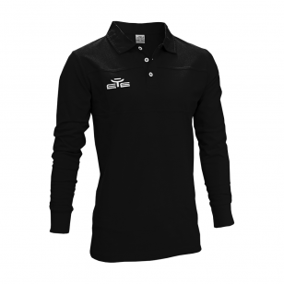
PLRLLL*07 | POLO REALLY LONG SLEEVE VERDE | PZ | 1265 | 23.90 | 30233.25 | YS | 3XS | 2XS | XS 103 | S 222 | M 265 | L 228 | XL 182 | 2XL 124 | 3XL 65 | 4XL 47 | 5XL 29 | 6XL | 7XL | 8XL
PTE*24 | EASY SHORT ARANCIO FLUO | PZ | 134 | 9.44 | 1265.34 | YS 18 | 3XS 42 | 2XS 37 | XS 18 | S 17 | M | L 2 | XL | 2XL | 3XL | 4XL | 5XL | 6XL | 7XL | 8XL
PTE*01 | EASY SHORT BIANCO | PZ | 582 | 9.44 | 5495.71 | YS 40 | 3XS 137 | 2XS 155 | XS 80 | S 45 | M 12 | L | XL 96 | 2XL | 3XL 2 | 4XL 7 | 5XL 8 | 6XL | 7XL | 8XL
PTEK*01 | EASY SHORT BIANCO KID | PZ | 5 | 9.44 | 47.21 | YS | 3XS | 2XS 5 | XS | S | M | L | XL | 2XL | 3XL | 4XL | 5XL | 6XL | 7XL | 8XL
PTE*03 | EASY SHORT BLU/B.CO | PZ | 727 | 9.44 | 6864.92 | YS 133 | 3XS 162 | 2XS 178 | XS 146 | S 79 | M 26 | L | XL | 2XL | 3XL | 4XL | 5XL 3 | 6XL | 7XL | 8XL
PTEK*03 | EASY SHORT BLU/B.CO KID | PZ | 30 | 9.44 | 283.28 | YS | 3XS | 2XS 30 | XS | S | M | L | XL | 2XL | 3XL | 4XL | 5XL | 6XL | 7XL | 8XL
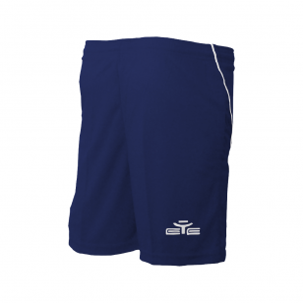
PTE*08 | EASY SHORT CELESTE | PZ | 370 | 9.44 | 3493.84 | YS 43 | 3XS 79 | 2XS 77 | XS 95 | S 32 | M 32 | L | XL 11 | 2XL 1 | 3XL | 4XL | 5XL | 6XL | 7XL | 8XL
PTEK*08 | EASY SHORT CELESTE KID | PZ | 55 | 9.44 | 519.35 | YS | 3XS | 2XS 55 | XS | S | M | L | XL | 2XL | 3XL | 4XL | 5XL | 6XL | 7XL | 8XL
PTE*06 | EASY SHORT GIALLO | PZ | 757 | 9.44 | 7148.20 | YS 91 | 3XS 116 | 2XS 158 | XS 153 | S 96 | M 106 | L | XL 15 | 2XL 12 | 3XL | 4XL 10 | 5XL | 6XL | 7XL | 8XL
PTEFS*06 | EASY SHORT GIALLO FINE SERIE | PZ | 321 | 9.44 | 3031.14 | YS 83 | 3XS 87 | 2XS 86 | XS 64 | S | M 1 | L | XL | 2XL | 3XL | 4XL | 5XL | 6XL | 7XL | 8XL
PTE*22 | EASY SHORT GIALLO FLUO | PZ | 343 | 9.44 | 3238.88 | YS 49 | 3XS 67 | 2XS 68 | XS 34 | S 75 | M 40 | L | XL 10 | 2XL | 3XL | 4XL | 5XL | 6XL | 7XL | 8XL
PTEK*06 | EASY SHORT GIALLO KID | PZ | 51 | 9.44 | 481.58 | YS | 3XS | 2XS 51 | XS | S | M | L | XL | 2XL | 3XL | 4XL | 5XL | 6XL | 7XL | 8XL
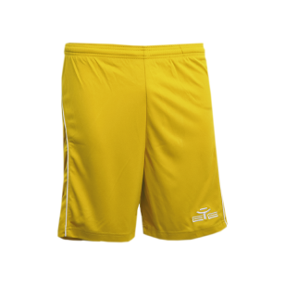
PTE*12 | EASY SHORT GRANATA | PZ | 584 | 9.44 | 5514.60 | YS 65 | 3XS 119 | 2XS 186 | XS 180 | S 24 | M 7 | L | XL 3 | 2XL | 3XL | 4XL | 5XL | 6XL | 7XL | 8XL
PTE*21 | EASY SHORT LIME FLUO | PZ | 115 | 9.44 | 1085.92 | YS 14 | 3XS 11 | 2XS 1 | XS | S | M 10 | L 3 | XL 68 | 2XL 8 | 3XL | 4XL | 5XL | 6XL | 7XL | 8XL
PTE*02 | EASY SHORT NERO/B.CO | PZ | 73 | 9.44 | 689.32 | YS 35 | 3XS 8 | 2XS | XS | S | M | L | XL | 2XL | 3XL | 4XL 30 | 5XL | 6XL | 7XL | 8XL
PTE*04 | EASY SHORT ROSSO/B.CO | PZ | 632 | 9.44 | 5967.85 | YS 86 | 3XS 170 | 2XS 129 | XS 112 | S 74 | M 2 | L | XL 42 | 2XL 13 | 3XL 4 | 4XL | 5XL | 6XL | 7XL | 8XL
PTEK*04 | EASY SHORT ROSSO/B.CO KID | PZ | 28 | 9.44 | 264.40 | YS | 3XS | 2XS 28 | XS | S | M | L | XL | 2XL | 3XL | 4XL | 5XL | 6XL | 7XL | 8XL
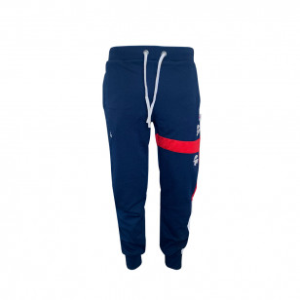
PTE*07 | EASY SHORT VERDE/B.CO | PZ | 603 | 9.44 | 5694.01 | YS 66 | 3XS 113 | 2XS 133 | XS 197 | S 89 | M 4 | L | XL 1 | 2XL | 3XL | 4XL | 5XL | 6XL | 7XL | 8XL
PTEK*07 | EASY SHORT VERDE/B.CO KID | PZ | 41 | 9.44 | 387.15 | YS | 3XS | 2XS 41 | XS | S | M | L | XL | 2XL | 3XL | 4XL | 5XL | 6XL | 7XL | 8XL
4MTSSOS*01 | T-SHIRT 4 MORI SOS ARANZOS BIANCO | PZ | 24 | 34.99 | 839.75 | YS | 3XS | 2XS | XS | S | M 1 | L 23 | XL | 2XL | 3XL | 4XL | 5XL | 6XL | 7XL | 8XL
4MPLCOM*03 | POLO 4 MORI COMPURADDA NAVY | PZ | 12 | 32.89 | 394.69 | YS | 3XS | 2XS | XS | S | M 4 | L 8 | XL | 2XL | 3XL | 4XL | 5XL | 6XL | 7XL | 8XL
4MPNIT*03 | PANTA 4 MORI ITTA BLU | PZ | 131 | 49.90 | 6536.64 | YS | 3XS | 2XS 5 | XS | S 38 | M | L | XL 1 | 2XL 12 | 3XL 31 | 4XL 28 | 5XL 16 | 6XL | 7XL | 8XL
4MPLNA*01 | PANTA 4 MORI NOA BIANCO | PZ | 71 | 55.63 | 3949.87 | YS | 3XS | 2XS | XS 16 | S | M 53 | L 2 | XL | 2XL | 3XL | 4XL | 5XL | 6XL | 7XL | 8XL
4MPLNA*03 | PANTA 4 MORI NOA BLU | PZ | 62 | 55.64 | 3449.94 | YS | 3XS | 2XS 1 | XS 4 | S | M | L | XL 1 | 2XL | 3XL 56 | 4XL | 5XL | 6XL | 7XL | 8XL
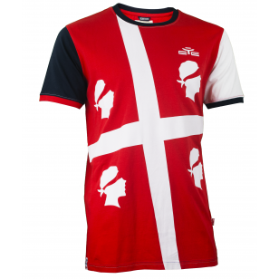
4MPNPD*0304 | PANTA 4 MORI PEDRINGIANU BLU/ROSSO | PZ | 27 | 44.90 | 1212.19 | YS | 3XS | 2XS | XS | S | M | L 3 | XL 6 | 2XL 12 | 3XL 1 | 4XL 2 | 5XL 3 | 6XL | 7XL | 8XL
4MTSTS*01 | 4 MORI T-SHIRT TOTTU SCANTU UNI B.CO | PZ | 30 | 24.95 | 748.47 | YS | 3XS 1 | 2XS 1 | XS | S | M | L | XL | 2XL 8 | 3XL 5 | 4XL 11 | 5XL 4 | 6XL | 7XL | 8XL
4MTSTS*03 | 4 MORI T-SHIRT TOTTU SCANTU UNI BLU | PZ | 33 | 24.95 | 823.32 | YS | 3XS | 2XS 3 | XS | S | M | L | XL | 2XL | 3XL 2 | 4XL 3 | 5XL 25 | 6XL | 7XL | 8XL
4MTSARE*03 | T-SHIRT 4 MORI ARENA BLU | PZ | 173 | 29.89 | 5170.97 | YS 54 | 3XS 37 | 2XS 24 | XS 37 | S 7 | M 3 | L 2 | XL | 2XL 7 | 3XL | 4XL 2 | 5XL | 6XL | 7XL | 8XL
4MTSHOM*03 | T-SHIRT 4 MORI HOMMINI BLU/BIANCO/ROSSO | PZ | 106 | 24.89 | 2638.13 | YS 4 | 3XS 5 | 2XS 54 | XS 13 | S 2 | M 3 | L 3 | XL 1 | 2XL 21 | 3XL | 4XL | 5XL | 6XL | 7XL | 8XL
TSDRA*02 | T-SHIRT DRAKE NERO | PZ | 55 | 14.64 | 805.20 | YS 3 | 3XS 1 | 2XS | XS | S 7 | M 22 | L 13 | XL 5 | 2XL 2 | 3XL 2 | 4XL | 5XL | 6XL | 7XL | 8XL
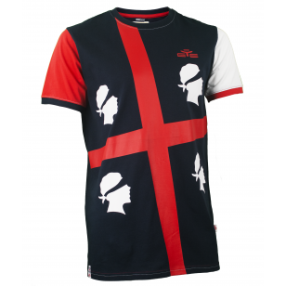
TSDRA*06 | T-SHIRT DRAKE GIALLO | PZ | 28 | 14.64 | 409.92 | YS 3 | 3XS 1 | 2XS | XS | S 2 | M 1 | L 6 | XL 3 | 2XL 1 | 3XL 5 | 4XL 3 | 5XL 3 | 6XL | 7XL | 8XL
TSDRA*13 | T-SHIRT DRAKE GRIGIO | PZ | 4 | 14.64 | 58.56 | YS | 3XS | 2XS | XS | S | M | L | XL | 2XL | 3XL | 4XL 3 | 5XL 1 | 6XL | 7XL | 8XL
TSDRAN*13 | T-SHIRT NEW DRAKE GRIGIO | PZ | 44 | 14.95 | 657.58 | YS | 3XS | 2XS | XS 3 | S 11 | M 5 | L 1 | XL 7 | 2XL 17 | 3XL | 4XL | 5XL | 6XL | 7XL | 8XL
TSELJK*01 | T-SHIRT ELASTIC JOKE BIANCO | PZ | 57 | 20.00 | 1139.76 | YS | 3XS | 2XS | XS 33 | S 24 | M | L | XL | 2XL | 3XL | 4XL | 5XL | 6XL | 7XL | 8XL
TSELJK*13 | T-SHIRT ELASTIC JOKE GRIGIO | PZ | 32 | 20.00 | 639.87 | YS | 3XS | 2XS | XS 9 | S 18 | M 1 | L | XL | 2XL 4 | 3XL | 4XL | 5XL | 6XL | 7XL | 8XL
TSELJK*28 | T-SHIRT ELASTIC JOKE VERDE BOTT. | PZ | 29 | 20.00 | 579.88 | YS | 3XS | 2XS | XS 1 | S 1 | M | L 24 | XL | 2XL 3 | 3XL | 4XL | 5XL | 6XL | 7XL | 8XL
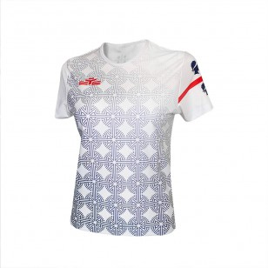
4MSHARR*03 | SHORT 4 MORI ARREGORDU BLU | PZ | 59 | 34.99 | 2064.39 | YS | 3XS | 2XS | XS 5 | S 17 | M | L | XL 14 | 2XL 9 | 3XL 13 | 4XL | 5XL 1 | 6XL | 7XL | 8XL
4MSHWBE*01 | SHORT 4 MORI BESSI BIANCO DONNA | PZ | 20 | 34.89 | 697.84 | YS | 3XS | 2XS | XS 2 | S 5 | M 3 | L 4 | XL 6 | 2XL | 3XL | 4XL | 5XL | 6XL | 7XL | 8XL
4MSHWBE*03 | SHORT 4 MORI BESSI BLU DONNA | PZ | 12 | 34.89 | 418.70 | YS | 3XS | 2XS | XS 2 | S | M 5 | L | XL 2 | 2XL 3 | 3XL | 4XL | 5XL | 6XL | 7XL | 8XL
4MSHLACAL*03 | SHORT 4 MORI LA CALETTA BLU | PZ | 39 | 22.90 | 893.08 | YS | 3XS | 2XS 15 | XS 9 | S 4 | M | L 3 | XL 8 | 2XL | 3XL | 4XL | 5XL | 6XL | 7XL | 8XL
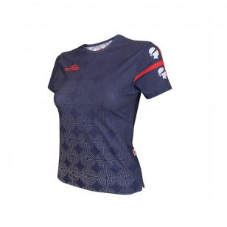
BALUX*0201 | LUX SPORT BAG NERO-BIANCO | PZ | 334 | 64.99 | 21706.46 | K | M 334 | B
BALUX*1303 | LUX SPORT BAG GRIGIO-NAVY | PZ | 215 | 64.99 | 13972.72 | K | M 215 | B
BALUX*0304 | LUX SPORT BAG NAVY-ROSSO | PZ | 447 | 64.99 | 29050.26 | K | M 447 | B
BALUX*0305 | LUX SPORT BAG NAVY-ROYAL | PZ | 157 | 64.99 | 10203.34 | K | M 157 | B
CHVSH21AK*03 | CHIEVO VERONA SHORT ALLEN. STAFF KID NA | PZ | 15 | 14.49 | 217.40 | YS 5 | 3XS 5 | 2XS 5 | XS | S | M | L | XL | 2XL | 3XL | 4XL | 5XL | 6XL | 7XL | 8XL
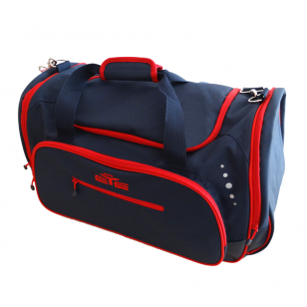
CHVSH21A*03 | CHIEVO VERONA SHORT ALLEN. STAFF NAVY 2 | PZ | 98 | 14.49 | 1420.37 | YS | 3XS | 2XS | XS 5 | S 10 | M 20 | L 25 | XL 14 | 2XL 9 | 3XL 5 | 4XL 5 | 5XL 5 | 6XL | 7XL | 8XL
CHVSH21AK*05 | CHIEVO VERONA SHORT ALLEN. TEAM KID ROY | PZ | 24 | 14.49 | 347.85 | YS 8 | 3XS 8 | 2XS 8 | XS | S | M | L | XL | 2XL | 3XL | 4XL | 5XL | 6XL | 7XL | 8XL
CHVSH21A*05 | CHIEVO VERONA SHORT ALLEN. TEAM ROYAL 2 | PZ | 62 | 14.49 | 898.60 | YS 3 | 3XS 3 | 2XS 5 | XS 5 | S 5 | M 10 | L 10 | XL 2 | 2XL 4 | 3XL 5 | 4XL 5 | 5XL 5 | 6XL | 7XL | 8XL
CHVSH21*0103 | CHIEVO VERONA SHORT GARA AWAY BIANCO/BL | PZ | 1400 | 42.70 | 59780.00 | YS 10 | 3XS 10 | 2XS 63 | XS 68 | S 151 | M 164 | L 506 | XL 417 | 2XL 11 | 3XL | 4XL | 5XL | 6XL | 7XL | 8XL
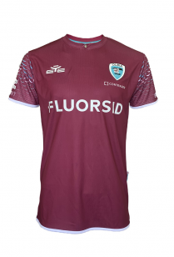
CHVSH21K*010 | CHIEVO VERONA SHORT GARA AWAY KID BIANC | PZ | 32 | 42.70 | 1366.40 | YS 10 | 3XS 11 | 2XS 11 | XS | S | M | L | XL | 2XL | 3XL | 4XL | 5XL | 6XL | 7XL | 8XL
CHVSH21*06 | CHIEVO VERONA SHORT GARA HOME GIALLO 21 | PZ | 1773 | 42.70 | 75707.10 | YS 10 | 3XS 35 | 2XS 92 | XS 91 | S 168 | M 185 | L 581 | XL 601 | 2XL 10 | 3XL | 4XL | 5XL | 6XL | 7XL | 8XL
CHVSH21K*06 | CHIEVO VERONA SHORT GARA HOME KID GIALL | PZ | 28 | 42.70 | 1195.60 | YS 6 | 3XS 10 | 2XS 12 | XS | S | M | L | XL | 2XL | 3XL | 4XL | 5XL | 6XL | 7XL | 8XL
CHVSH21*01 | CHIEVO VERONA SHORT GARA THIRD BIANCO 2 | PZ | 637 | 42.70 | 27199.90 | YS 11 | 3XS 12 | 2XS 23 | XS 22 | S 44 | M 64 | L 234 | XL 220 | 2XL 7 | 3XL | 4XL | 5XL | 6XL | 7XL | 8XL
CHVSH21K*01 | CHIEVO VERONA SHORT GARA THIRD KID BIAN | PZ | 31 | 42.70 | 1323.70 | YS 10 | 3XS 11 | 2XS 10 | XS | S | M | L | XL | 2XL | 3XL | 4XL | 5XL | 6XL | 7XL | 8XL
CHVSH21G*02 | CHIEVO VERONA SHORT GK NERO 21/22 | PZ | 46 | 42.70 | 1964.20 | YS | 3XS | 2XS | XS | S | M | L | XL 46 | 2XL | 3XL | 4XL | 5XL | 6XL | 7XL | 8XL
CHVTS21AK*03 | CHIEVO VERONA T-SHIRT ALLEN. STAFF KID | PZ | 15 | 30.50 | 457.50 | YS 5 | 3XS 5 | 2XS 5 | XS | S | M | L | XL | 2XL | 3XL | 4XL | 5XL | 6XL | 7XL | 8XL
CHVTS21A*03 | CHIEVO VERONA T-SHIRT ALLEN. STAFF NAVY | PZ | 100 | 30.50 | 3050.00 | YS | 3XS | 2XS | XS 5 | S 10 | M 20 | L 25 | XL 15 | 2XL 10 | 3XL 5 | 4XL 5 | 5XL 5 | 6XL | 7XL | 8XL
CHVTS21*03 | CHIEVO VERONA T-SHIRT GARA AWAY BLU/BIA | PZ | 107 | 79.30 | 8485.10 | YS | 3XS | 2XS 47 | XS 54 | S | M 3 | L 3 | XL | 2XL | 3XL | 4XL | 5XL | 6XL | 7XL | 8XL
CHVTS21A*05 | CHIEVO VERONA T-SHIRT ALLEN. TEAM ROYAL | PZ | 88 | 30.50 | 2684.00 | YS 3 | 3XS 3 | 2XS 5 | XS 5 | S 27 | M 10 | L 10 | XL 5 | 2XL 5 | 3XL 5 | 4XL 5 | 5XL 5 | 6XL | 7XL | 8XL
CHVTS21K*03 | CHIEVO VERONA T-SHIRT GARA AWAY KID BLU | PZ | 29 | 79.30 | 2299.70 | YS 10 | 3XS 9 | 2XS 10 | XS | S | M | L | XL | 2XL | 3XL | 4XL | 5XL | 6XL | 7XL | 8XL
CHVTS21*06 | CHIEVO VERONA T-SHIRT GARA HOME GIALLO | PZ | 175 | 79.30 | 13877.50 | YS | 3XS 3 | 2XS 74 | XS 79 | S 4 | M 5 | L 6 | XL 4 | 2XL | 3XL | 4XL | 5XL | 6XL | 7XL | 8XL
CHVFL21K*03 | CHIEVO VERONA FELPA RAPP.ZA KID NAVY 21 | PZ | 27 | 61.00 | 1647.00 | YS 11 | 3XS 9 | 2XS 7 | XS | S | M | L | XL | 2XL | 3XL | 4XL | 5XL | 6XL | 7XL | 8XL
CHVFL21*03 | CHIEVO VERONA FELPA RAPP.ZA NAVY 21/22 | PZ | 746 | 61.00 | 45506.00 | YS 9 | 3XS 9 | 2XS 58 | XS 86 | S 102 | M 197 | L 175 | XL 87 | 2XL 20 | 3XL 1 | 4XL 2 | 5XL | 6XL | 7XL | 8XL
CHVPN21K*03 | CHIEVO VERONA PANTA RAPP.ZA KID NAVY 21 | PZ | 29 | 36.60 | 1061.40 | YS 11 | 3XS 9 | 2XS 9 | XS | S | M | L | XL | 2XL | 3XL | 4XL | 5XL | 6XL | 7XL | 8XL
CHVPN21*03 | CHIEVO VERONA PANTA RAPP.ZA NAVY 21/22 | PZ | 656 | 36.60 | 24009.60 | YS 9 | 3XS | 2XS 61 | XS 86 | S 72 | M 168 | L 158 | XL 73 | 2XL 24 | 3XL 3 | 4XL 2 | 5XL | 6XL | 7XL | 8XL
 |  |  | 19097 |  | 566857.30

