Foglio1
IMAGE | MODEL | PART | COLOUR | SKU | SIZE | COLLECTION | ARTICLE NAME | CATEGORY 1 | CATEGORY2 | LOC | HS CODE | COLOUR NAME | GENDER | COMPOSITION | QT | RRP | WHS | T_WHS
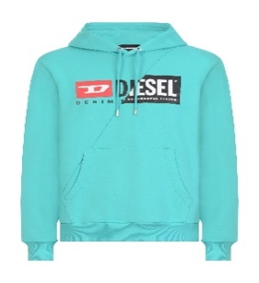 | A00339 | 0IAJH | 5II | A003390IAJH-5II-S | S | RTW DSL MEN | S-GIRK-HOOD-CUTY FELPA | Sweaters | Sweaters | 450 | 6110209100 | CERAMIC | M | 100%COTTON+RIB 95%COTTON 5%ELASTANE-SPANDEX | 11 | 140 | 56 | 616
 | A00339 | 0IAJH | 5II | A003390IAJH-5II-M | M | RTW DSL MEN | S-GIRK-HOOD-CUTY FELPA | Sweaters | Sweaters | 450 | 6110209100 | CERAMIC | M | 100%COTTON+RIB 95%COTTON 5%ELASTANE-SPANDEX | 7 | 140 | 56 | 392
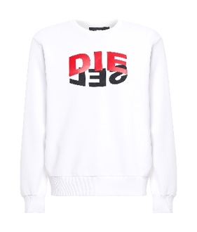 | A00809 | 0IAJH | 100 | A008090IAJH-100-XXS | XXS | RTW DSL MEN | S-GIRK-N80 FELPA | Sweaters | Sweaters | 450 | 6110209100 | BRIGHT WHITE | M | 100%COTTON+RIB 96%COTTON 4%ELASTANE | 1 | 130 | 52 | 52
 | A00809 | 0IAJH | 100 | A008090IAJH-100-S | S | RTW DSL MEN | S-GIRK-N80 FELPA | Sweaters | Sweaters | 450 | 6110209100 | BRIGHT WHITE | M | 100%COTTON+RIB 96%COTTON 4%ELASTANE | 34 | 130 | 52 | 1768
 | A00809 | 0IAJH | 100 | A008090IAJH-100-M | M | RTW DSL MEN | S-GIRK-N80 FELPA | Sweaters | Sweaters | 450 | 6110209100 | BRIGHT WHITE | M | 100%COTTON+RIB 96%COTTON 4%ELASTANE | 49 | 130 | 52 | 2548
 | A00809 | 0IAJH | 100 | A008090IAJH-100-L | L | RTW DSL MEN | S-GIRK-N80 FELPA | Sweaters | Sweaters | 450 | 6110209100 | BRIGHT WHITE | M | 100%COTTON+RIB 96%COTTON 4%ELASTANE | 53 | 130 | 52 | 2756
 | A00809 | 0IAJH | 100 | A008090IAJH-100-XL | XL | RTW DSL MEN | S-GIRK-N80 FELPA | Sweaters | Sweaters | 450 | 6110209100 | BRIGHT WHITE | M | 100%COTTON+RIB 96%COTTON 4%ELASTANE | 39 | 130 | 52 | 2028
 | A00809 | 0IAJH | 100 | A008090IAJH-100-XXL | XXL | RTW DSL MEN | S-GIRK-N80 FELPA | Sweaters | Sweaters | 450 | 6110209100 | BRIGHT WHITE | M | 100%COTTON+RIB 96%COTTON 4%ELASTANE | 8 | 130 | 52 | 416
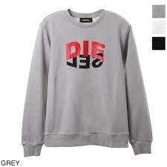 | A00809 | 0IAJH | 9CB | A008090IAJH-9CB-XXS | XXS | RTW DSL MEN | S-GIRK-N80 FELPA | Sweaters | Sweaters | 450 | 6110209100 | BRIGHT WHITE | M | 100%COTTON+RIB 96%COTTON 4%ELASTANE | 1 | 130 | 52 | 52
 | A00809 | 0IAJH | 9CB | A008090IAJH-9CB-S | S | RTW DSL MEN | S-GIRK-N80 FELPA | Sweaters | Sweaters | 450 | 6110209100 | BRIGHT WHITE | M | 100%COTTON+RIB 96%COTTON 4%ELASTANE | 33 | 130 | 52 | 1716
 | A00809 | 0IAJH | 9CB | A008090IAJH-9CB-M | M | RTW DSL MEN | S-GIRK-N80 FELPA | Sweaters | Sweaters | 450 | 6110209100 | BRIGHT WHITE | M | 100%COTTON+RIB 96%COTTON 4%ELASTANE | 34 | 130 | 52 | 1768
 | A00809 | 0IAJH | 9CB | A008090IAJH-9CB-L | L | RTW DSL MEN | S-GIRK-N80 FELPA | Sweaters | Sweaters | 450 | 6110209100 | BRIGHT WHITE | M | 100%COTTON+RIB 96%COTTON 4%ELASTANE | 34 | 130 | 52 | 1768
 | A00809 | 0IAJH | 9CB | A008090IAJH-9CB-XL | XL | RTW DSL MEN | S-GIRK-N80 FELPA | Sweaters | Sweaters | 450 | 6110209100 | BRIGHT WHITE | M | 100%COTTON+RIB 96%COTTON 4%ELASTANE | 21 | 130 | 52 | 1092
 | A00809 | 0IAJH | 9CB | A008090IAJH-9CB-XXL | XXL | RTW DSL MEN | S-GIRK-N80 FELPA | Sweaters | Sweaters | 450 | 6110209100 | BRIGHT WHITE | M | 100%COTTON+RIB 96%COTTON 4%ELASTANE | 3 | 130 | 52 | 156
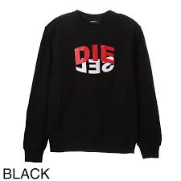 | A00809 | 0IAJH | 9XX | A008090IAJH-9XX-XS | XS | RTW DSL MEN | S-GIRK-N80 FELPA | Sweaters | Sweaters | 450 | 6110209100 | BRIGHT WHITE | M | 100%COTTON+RIB 96%COTTON 4%ELASTANE | 1 | 130 | 52 | 52
 | A00809 | 0IAJH | 9XX | A008090IAJH-9XX-S | S | RTW DSL MEN | S-GIRK-N80 FELPA | Sweaters | Sweaters | 450 | 6110209100 | BRIGHT WHITE | M | 100%COTTON+RIB 96%COTTON 4%ELASTANE | 40 | 130 | 52 | 2080
 | A00809 | 0IAJH | 9XX | A008090IAJH-9XX-M | M | RTW DSL MEN | S-GIRK-N80 FELPA | Sweaters | Sweaters | 450 | 6110209100 | BRIGHT WHITE | M | 100%COTTON+RIB 96%COTTON 4%ELASTANE | 46 | 130 | 52 | 2392
 | A00809 | 0IAJH | 9XX | A008090IAJH-9XX-L | L | RTW DSL MEN | S-GIRK-N80 FELPA | Sweaters | Sweaters | 450 | 6110209100 | BRIGHT WHITE | M | 100%COTTON+RIB 96%COTTON 4%ELASTANE | 44 | 130 | 52 | 2288
 | A00809 | 0IAJH | 9XX | A008090IAJH-9XX-XL | XL | RTW DSL MEN | S-GIRK-N80 FELPA | Sweaters | Sweaters | 450 | 6110209100 | BRIGHT WHITE | M | 100%COTTON+RIB 96%COTTON 4%ELASTANE | 25 | 130 | 52 | 1300
 | A00809 | 0IAJH | 9XX | A008090IAJH-9XX-XXL | XXL | RTW DSL MEN | S-GIRK-N80 FELPA | Sweaters | Sweaters | 450 | 6110209100 | BRIGHT WHITE | M | 100%COTTON+RIB 96%COTTON 4%ELASTANE | 5 | 130 | 52 | 260
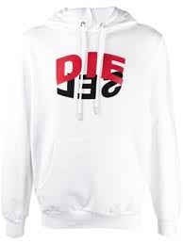 | A00810 | 0IAJH | 100 | A008100IAJH-100-XXS | XXS | RTW DSL MEN | S-GIRK-HOOD-N1 FELPA | Sweaters | Sweaters | 450 | 6110209100 | BRIGHT WHITE | M | 100%COTTON+RIB 96%COTTON 4%ELASTANE | 1 | 150 | 60 | 60
 | A00810 | 0IAJH | 100 | A008100IAJH-100-S | S | RTW DSL MEN | S-GIRK-HOOD-N1 FELPA | Sweaters | Sweaters | 450 | 6110209100 | BRIGHT WHITE | M | 100%COTTON+RIB 96%COTTON 4%ELASTANE | 39 | 150 | 60 | 2340
 | A00810 | 0IAJH | 100 | A008100IAJH-100-M | M | RTW DSL MEN | S-GIRK-HOOD-N1 FELPA | Sweaters | Sweaters | 450 | 6110209100 | BRIGHT WHITE | M | 100%COTTON+RIB 96%COTTON 4%ELASTANE | 54 | 150 | 60 | 3240
 | A00810 | 0IAJH | 100 | A008100IAJH-100-L | L | RTW DSL MEN | S-GIRK-HOOD-N1 FELPA | Sweaters | Sweaters | 450 | 6110209100 | BRIGHT WHITE | M | 100%COTTON+RIB 96%COTTON 4%ELASTANE | 49 | 150 | 60 | 2940
 | A00810 | 0IAJH | 100 | A008100IAJH-100-XL | XL | RTW DSL MEN | S-GIRK-HOOD-N1 FELPA | Sweaters | Sweaters | 450 | 6110209100 | BRIGHT WHITE | M | 100%COTTON+RIB 96%COTTON 4%ELASTANE | 33 | 150 | 60 | 1980
 | A00810 | 0IAJH | 100 | A008100IAJH-100-XXL | XXL | RTW DSL MEN | S-GIRK-HOOD-N1 FELPA | Sweaters | Sweaters | 450 | 6110209100 | BRIGHT WHITE | M | 100%COTTON+RIB 96%COTTON 4%ELASTANE | 5 | 150 | 60 | 300
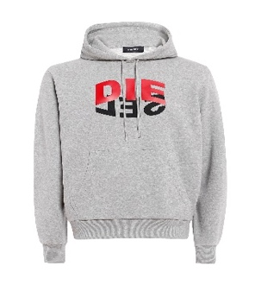 | A00810 | 0IAJH | 9CB | A008100IAJH-9CB-S | S | RTW DSL MEN | S-GIRK-HOOD-N1 FELPA | Sweaters | Sweaters | 450 | 6110209100 | BRIGHT WHITE | M | 100%COTTON+RIB 96%COTTON 4%ELASTANE | 27 | 150 | 60 | 1620
 | A00810 | 0IAJH | 9CB | A008100IAJH-9CB-M | M | RTW DSL MEN | S-GIRK-HOOD-N1 FELPA | Sweaters | Sweaters | 450 | 6110209100 | BRIGHT WHITE | M | 100%COTTON+RIB 96%COTTON 4%ELASTANE | 29 | 150 | 60 | 1740
 | A00810 | 0IAJH | 9CB | A008100IAJH-9CB-L | L | RTW DSL MEN | S-GIRK-HOOD-N1 FELPA | Sweaters | Sweaters | 450 | 6110209100 | BRIGHT WHITE | M | 100%COTTON+RIB 96%COTTON 4%ELASTANE | 25 | 150 | 60 | 1500
 | A00810 | 0IAJH | 9CB | A008100IAJH-9CB-XL | XL | RTW DSL MEN | S-GIRK-HOOD-N1 FELPA | Sweaters | Sweaters | 450 | 6110209100 | BRIGHT WHITE | M | 100%COTTON+RIB 96%COTTON 4%ELASTANE | 17 | 150 | 60 | 1020
 | A00810 | 0IAJH | 9CB | A008100IAJH-9CB-XXL | XXL | RTW DSL MEN | S-GIRK-HOOD-N1 FELPA | Sweaters | Sweaters | 450 | 6110209100 | BRIGHT WHITE | M | 100%COTTON+RIB 96%COTTON 4%ELASTANE | 1 | 150 | 60 | 60
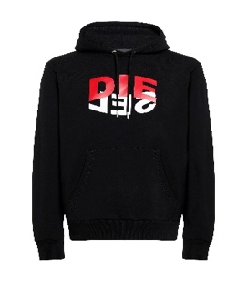 | A00810 | 0IAJH | 9XX | A008100IAJH-9XX-S | S | RTW DSL MEN | S-GIRK-HOOD-N1 FELPA | Sweaters | Sweaters | 450 | 6110209100 | BRIGHT WHITE | M | 100%COTTON+RIB 96%COTTON 4%ELASTANE | 57 | 150 | 60 | 3420
 | A00810 | 0IAJH | 9XX | A008100IAJH-9XX-M | M | RTW DSL MEN | S-GIRK-HOOD-N1 FELPA | Sweaters | Sweaters | 450 | 6110209100 | BRIGHT WHITE | M | 100%COTTON+RIB 96%COTTON 4%ELASTANE | 48 | 150 | 60 | 2880
 | A00810 | 0IAJH | 9XX | A008100IAJH-9XX-L | L | RTW DSL MEN | S-GIRK-HOOD-N1 FELPA | Sweaters | Sweaters | 450 | 6110209100 | BRIGHT WHITE | M | 100%COTTON+RIB 96%COTTON 4%ELASTANE | 40 | 150 | 60 | 2400
 | A00810 | 0IAJH | 9XX | A008100IAJH-9XX-XL | XL | RTW DSL MEN | S-GIRK-HOOD-N1 FELPA | Sweaters | Sweaters | 450 | 6110209100 | BRIGHT WHITE | M | 100%COTTON+RIB 96%COTTON 4%ELASTANE | 24 | 150 | 60 | 1440
 | A00810 | 0IAJH | 9XX | A008100IAJH-9XX-XXL | XXL | RTW DSL MEN | S-GIRK-HOOD-N1 FELPA | Sweaters | Sweaters | 450 | 6110209100 | BRIGHT WHITE | M | 100%COTTON+RIB 96%COTTON 4%ELASTANE | 2 | 150 | 60 | 120
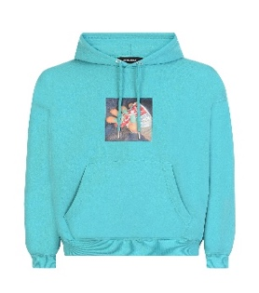 | A01864 | 0BAZC | 5II | A018640BAZC-5II-M | M | RTW DSL MEN | S-UMMER-A84 FELPA | Sweaters | Sweaters | 450 | 6110209100 | CERAMIC | M | 100% COTTON + RIB 98%COTTON 2%ELASTANE | 13 | 160 | 64 | 832
 | A01864 | 0BAZC | 5II | A018640BAZC-5II-L | L | RTW DSL MEN | S-UMMER-A84 FELPA | Sweaters | Sweaters | 450 | 6110209100 | CERAMIC | M | 100% COTTON + RIB 98%COTTON 2%ELASTANE | 15 | 160 | 64 | 960
 | A01864 | 0BAZC | 5II | A018640BAZC-5II-XL | XL | RTW DSL MEN | S-UMMER-A84 FELPA | Sweaters | Sweaters | 450 | 6110209100 | CERAMIC | M | 100% COTTON + RIB 98%COTTON 2%ELASTANE | 3 | 160 | 64 | 192
 | A01864 | 0BAZC | 5II | A018640BAZC-5II-XXL | XXL | RTW DSL MEN | S-UMMER-A84 FELPA | Sweaters | Sweaters | 450 | 6110209100 | CERAMIC | M | 100% COTTON + RIB 98%COTTON 2%ELASTANE | 5 | 160 | 64 | 320
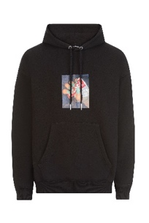 | A01864 | 0BAZC | 9XX | A018640BAZC-9XX-S | S | RTW DSL MEN | S-UMMER-A84 FELPA | Sweaters | Sweaters | 450 | 6110209100 | CERAMIC | M | 100% COTTON + RIB 98%COTTON 2%ELASTANE | 20 | 160 | 64 | 1280
 | A01864 | 0BAZC | 9XX | A018640BAZC-9XX-M | M | RTW DSL MEN | S-UMMER-A84 FELPA | Sweaters | Sweaters | 450 | 6110209100 | CERAMIC | M | 100% COTTON + RIB 98%COTTON 2%ELASTANE | 43 | 160 | 64 | 2752
 | A01864 | 0BAZC | 9XX | A018640BAZC-9XX-L | L | RTW DSL MEN | S-UMMER-A84 FELPA | Sweaters | Sweaters | 450 | 6110209100 | CERAMIC | M | 100% COTTON + RIB 98%COTTON 2%ELASTANE | 39 | 160 | 64 | 2496
 | A01864 | 0BAZC | 9XX | A018640BAZC-9XX-XL | XL | RTW DSL MEN | S-UMMER-A84 FELPA | Sweaters | Sweaters | 450 | 6110209100 | CERAMIC | M | 100% COTTON + RIB 98%COTTON 2%ELASTANE | 24 | 160 | 64 | 1536
 | A01864 | 0BAZC | 9XX | A018640BAZC-9XX-XXL | XXL | RTW DSL MEN | S-UMMER-A84 FELPA | Sweaters | Sweaters | 450 | 6110209100 | CERAMIC | M | 100% COTTON + RIB 98%COTTON 2%ELASTANE | 12 | 160 | 64 | 768
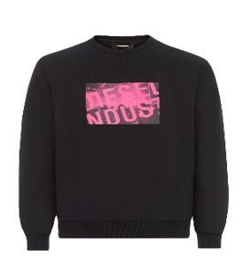 | A02073 | 0HAYT | 9XX | A020730HAYT-9XX-XXS | XXS | RTW DSL MEN | S-GIRK-K31 FELPA | Sweaters | Sweaters | 450 | 6110209100 | BLACK BLACK BLACK | M | 60%COTTON 40%POLYESTER+RIB 95%COTTON 5%ELASTANE-SPANDEX | 1 | 90 | 36 | 36
 | A02073 | 0HAYT | 9XX | A020730HAYT-9XX-S | S | RTW DSL MEN | S-GIRK-K31 FELPA | Sweaters | Sweaters | 450 | 6110209100 | BLACK BLACK BLACK | M | 60%COTTON 40%POLYESTER+RIB 95%COTTON 5%ELASTANE-SPANDEX | 7 | 90 | 36 | 252
 | A02073 | 0HAYT | 9XX | A020730HAYT-9XX-M | M | RTW DSL MEN | S-GIRK-K31 FELPA | Sweaters | Sweaters | 450 | 6110209100 | BLACK BLACK BLACK | M | 60%COTTON 40%POLYESTER+RIB 95%COTTON 5%ELASTANE-SPANDEX | 9 | 90 | 36 | 324
 | A02073 | 0HAYT | 9XX | A020730HAYT-9XX-XL | XL | RTW DSL MEN | S-GIRK-K31 FELPA | Sweaters | Sweaters | 450 | 6110209100 | BLACK BLACK BLACK | M | 60%COTTON 40%POLYESTER+RIB 95%COTTON 5%ELASTANE-SPANDEX | 5 | 90 | 36 | 180
 | 00SW7Q | 0091A | 900 | 00SW7Q0091A-900-S | S | RTW DSL MEN | T-CHERUBIK-NEW MAGLIETTA | T-shirts | T-shirts | 450 | 6109100010 | CAVIAR | M | 100%COTTON | 47 | 35 | 14 | 658
 | 00SW7Q | 0091A | 900 | 00SW7Q0091A-900-M | M | RTW DSL MEN | T-CHERUBIK-NEW MAGLIETTA | T-shirts | T-shirts | 450 | 6109100010 | CAVIAR | M | 100%COTTON | 6 | 35 | 14 | 84
 | 00SW7Q | 0091A | 912 | 00SW7Q0091A-912-S | S | RTW DSL MEN | T-CHERUBIK-NEW MAGLIETTA | T-shirts | T-shirts | 450 | 6109100010 | CAVIAR | M | 100%COTTON | 56 | 35 | 14 | 784
 | 00SW7Q | 0091A | 912 | 00SW7Q0091A-912-M | M | RTW DSL MEN | T-CHERUBIK-NEW MAGLIETTA | T-shirts | T-shirts | 450 | 6109100010 | CAVIAR | M | 100%COTTON | 66 | 35 | 14 | 924
 | 00SW7Q | 0091A | 912 | 00SW7Q0091A-912-L | L | RTW DSL MEN | T-CHERUBIK-NEW MAGLIETTA | T-shirts | T-shirts | 450 | 6109100010 | CAVIAR | M | 100%COTTON | 39 | 35 | 14 | 546
 | 00SW7Q | 0091A | 912 | 00SW7Q0091A-912-XL | XL | RTW DSL MEN | T-CHERUBIK-NEW MAGLIETTA | T-shirts | T-shirts | 450 | 6109100010 | CAVIAR | M | 100%COTTON | 11 | 35 | 14 | 154
 | 00SW7Q | 0091A | 62E | 00SW7Q0091A-62E-S | S | RTW DSL MEN | T-CHERUBIK-NEW MAGLIETTA | T-shirts | T-shirts | 450 | 6109100010 | CAVIAR | M | 100%COTTON | 7 | 35 | 14 | 98
 | 00SW7Q | 0091A | 62E | 00SW7Q0091A-62E-M | M | RTW DSL MEN | T-CHERUBIK-NEW MAGLIETTA | T-shirts | T-shirts | 450 | 6109100010 | CAVIAR | M | 100%COTTON | 9 | 35 | 14 | 126
 | 00SW7Q | 0091A | 62E | 00SW7Q0091A-62E-L | L | RTW DSL MEN | T-CHERUBIK-NEW MAGLIETTA | T-shirts | T-shirts | 450 | 6109100010 | CAVIAR | M | 100%COTTON | 9 | 35 | 14 | 126
 | 00SW7Q | 0091A | 62E | 00SW7Q0091A-62E-XL | XL | RTW DSL MEN | T-CHERUBIK-NEW MAGLIETTA | T-shirts | T-shirts | 450 | 6109100010 | CAVIAR | M | 100%COTTON | 13 | 35 | 14 | 182
 | 00SW7Q | 0091A | 62E | 00SW7Q0091A-62E-XXL | XXL | RTW DSL MEN | T-CHERUBIK-NEW MAGLIETTA | T-shirts | T-shirts | 450 | 6109100010 | CAVIAR | M | 100%COTTON | 6 | 35 | 14 | 84
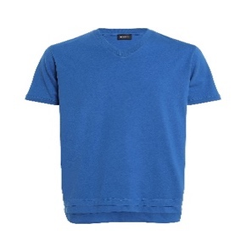 | 00SW7Q | 0091A | 8II | 00SW7Q0091A-8II-XXS | XXS | RTW DSL MEN | T-CHERUBIK-NEW MAGLIETTA | T-shirts | T-shirts | 450 | 6109100010 | CAVIAR | M | 100%COTTON | 1 | 35 | 14 | 14
 | 00SW7Q | 0091A | 8II | 00SW7Q0091A-8II-S | S | RTW DSL MEN | T-CHERUBIK-NEW MAGLIETTA | T-shirts | T-shirts | 450 | 6109100010 | CAVIAR | M | 100%COTTON | 17 | 35 | 14 | 238
 | 00SW7Q | 0091A | 8II | 00SW7Q0091A-8II-M | M | RTW DSL MEN | T-CHERUBIK-NEW MAGLIETTA | T-shirts | T-shirts | 450 | 6109100010 | CAVIAR | M | 100%COTTON | 24 | 35 | 14 | 336
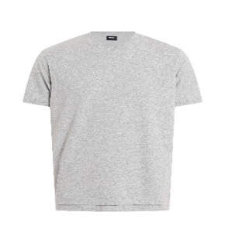 | 00SW7W | 0091A | 912 | 00SW7W0091A-912-S | S | RTW DSL MEN | T-DIAMANTIK-NEW MAGLIETTA | T-shirts | T-shirts | 450 | 6109100010 | LIGHT GREY MELANGE | M | 100%COTTON | 34 | 35 | 14 | 476
 | 00SW7W | 0091A | 912 | 00SW7W0091A-912-M | M | RTW DSL MEN | T-DIAMANTIK-NEW MAGLIETTA | T-shirts | T-shirts | 450 | 6109100010 | LIGHT GREY MELANGE | M | 100%COTTON | 26 | 35 | 14 | 364
 | 00SW7W | 0091A | 912 | 00SW7W0091A-912-L | L | RTW DSL MEN | T-DIAMANTIK-NEW MAGLIETTA | T-shirts | T-shirts | 450 | 6109100010 | LIGHT GREY MELANGE | M | 100%COTTON | 4 | 35 | 14 | 56
 | 00SW7W | 0091A | 912 | 00SW7W0091A-912-XL | XL | RTW DSL MEN | T-DIAMANTIK-NEW MAGLIETTA | T-shirts | T-shirts | 450 | 6109100010 | LIGHT GREY MELANGE | M | 100%COTTON | 1 | 35 | 14 | 14
 | 00SW7W | 0091A | 62E | 00SW7W0091A-62E-S | S | RTW DSL MEN | T-DIAMANTIK-NEW MAGLIETTA | T-shirts | T-shirts | 450 | 6109100010 | LIGHT GREY MELANGE | M | 100%COTTON | 3 | 35 | 14 | 42
 | 00SW7W | 0091A | 62E | 00SW7W0091A-62E-M | M | RTW DSL MEN | T-DIAMANTIK-NEW MAGLIETTA | T-shirts | T-shirts | 450 | 6109100010 | LIGHT GREY MELANGE | M | 100%COTTON | 6 | 35 | 14 | 84
 | 00SW7W | 0091A | 62E | 00SW7W0091A-62E-L | L | RTW DSL MEN | T-DIAMANTIK-NEW MAGLIETTA | T-shirts | T-shirts | 450 | 6109100010 | LIGHT GREY MELANGE | M | 100%COTTON | 6 | 35 | 14 | 84
 | 00SW7W | 0091A | 62E | 00SW7W0091A-62E-XL | XL | RTW DSL MEN | T-DIAMANTIK-NEW MAGLIETTA | T-shirts | T-shirts | 450 | 6109100010 | LIGHT GREY MELANGE | M | 100%COTTON | 4 | 35 | 14 | 56
 | 00SW7W | 0091A | 8II | 00SW7W0091A-8II-XXS | XXS | RTW DSL MEN | T-DIAMANTIK-NEW MAGLIETTA | T-shirts | T-shirts | 450 | 6109100010 | LIGHT GREY MELANGE | M | 100%COTTON | 1 | 35 | 14 | 14
 | 00SW7W | 0091A | 8II | 00SW7W0091A-8II-S | S | RTW DSL MEN | T-DIAMANTIK-NEW MAGLIETTA | T-shirts | T-shirts | 450 | 6109100010 | LIGHT GREY MELANGE | M | 100%COTTON | 12 | 35 | 14 | 168
 | 00SW7W | 0091A | 8II | 00SW7W0091A-8II-M | M | RTW DSL MEN | T-DIAMANTIK-NEW MAGLIETTA | T-shirts | T-shirts | 450 | 6109100010 | LIGHT GREY MELANGE | M | 100%COTTON | 9 | 35 | 14 | 126
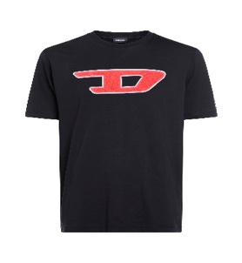 | 00SY7A | 0CATJ | 900 | 00SY7A0CATJ-900-S | S | RTW DSL MEN | T-JUST-DIVISION-D MAGLIETTA | T-shirts | T-shirts | 450 | 6109100010 | CAVIAR | M | 100%COTTON | 6 | 60 | 24 | 144
 | 00SY7A | 0CATJ | 900 | 00SY7A0CATJ-900-M | M | RTW DSL MEN | T-JUST-DIVISION-D MAGLIETTA | T-shirts | T-shirts | 450 | 6109100010 | CAVIAR | M | 100%COTTON | 9 | 60 | 24 | 216
 | 00SY7A | 0CATJ | 900 | 00SY7A0CATJ-900-L | L | RTW DSL MEN | T-JUST-DIVISION-D MAGLIETTA | T-shirts | T-shirts | 450 | 6109100010 | CAVIAR | M | 100%COTTON | 2 | 60 | 24 | 48
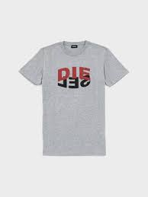 | A00828 | 0HAYU | 9CB | A008280HAYU-9CB-S | S | RTW DSL MEN | T-DIEGOS-N22 MAGLIETTA | T-shirts | T-shirts | 450 | 6109100010 | GREY MELANGE (NO BROS) | M | 100%COTTON | 16 | 50 | 20 | 320
 | A00828 | 0HAYU | 9CB | A008280HAYU-9CB-M | M | RTW DSL MEN | T-DIEGOS-N22 MAGLIETTA | T-shirts | T-shirts | 450 | 6109100010 | GREY MELANGE (NO BROS) | M | 100%COTTON | 18 | 50 | 20 | 360
 | A00828 | 0HAYU | 9CB | A008280HAYU-9CB-L | L | RTW DSL MEN | T-DIEGOS-N22 MAGLIETTA | T-shirts | T-shirts | 450 | 6109100010 | GREY MELANGE (NO BROS) | M | 100%COTTON | 22 | 50 | 20 | 440
 | A00828 | 0HAYU | 9CB | A008280HAYU-9CB-XL | XL | RTW DSL MEN | T-DIEGOS-N22 MAGLIETTA | T-shirts | T-shirts | 450 | 6109100010 | GREY MELANGE (NO BROS) | M | 100%COTTON | 1 | 50 | 20 | 20
 | A01849 | 0GRAM | 129 | A018490GRAM-129-XXS | XXS | RTW DSL MEN | T-DIEGOS-A5 MAGLIETTA | T-shirts | T-shirts | 450 | 6109100010 | VAPOUROUS GRAY | M | 60%COTTON 40%POLYESTER | 1 | 60 | 24 | 24
 | A01849 | 0GRAM | 129 | A018490GRAM-129-S | S | RTW DSL MEN | T-DIEGOS-A5 MAGLIETTA | T-shirts | T-shirts | 450 | 6109100010 | VAPOUROUS GRAY | M | 60%COTTON 40%POLYESTER | 22 | 60 | 24 | 528
 | A01849 | 0GRAM | 129 | A018490GRAM-129-M | M | RTW DSL MEN | T-DIEGOS-A5 MAGLIETTA | T-shirts | T-shirts | 450 | 6109100010 | VAPOUROUS GRAY | M | 60%COTTON 40%POLYESTER | 51 | 60 | 24 | 1224
 | A01849 | 0GRAM | 129 | A018490GRAM-129-L | L | RTW DSL MEN | T-DIEGOS-A5 MAGLIETTA | T-shirts | T-shirts | 450 | 6109100010 | VAPOUROUS GRAY | M | 60%COTTON 40%POLYESTER | 47 | 60 | 24 | 1128
 | A01849 | 0GRAM | 129 | A018490GRAM-129-XL | XL | RTW DSL MEN | T-DIEGOS-A5 MAGLIETTA | T-shirts | T-shirts | 450 | 6109100010 | VAPOUROUS GRAY | M | 60%COTTON 40%POLYESTER | 30 | 60 | 24 | 720
 | A01849 | 0GRAM | 129 | A018490GRAM-129-XXL | XXL | RTW DSL MEN | T-DIEGOS-A5 MAGLIETTA | T-shirts | T-shirts | 450 | 6109100010 | VAPOUROUS GRAY | M | 60%COTTON 40%POLYESTER | 20 | 60 | 24 | 480
 | A01849 | 0GRAM | 3BI | A018490GRAM-3BI-S | S | RTW DSL MEN | T-DIEGOS-A5 MAGLIETTA | T-shirts | T-shirts | 450 | 6109100010 | VAPOUROUS GRAY | M | 60%COTTON 40%POLYESTER | 18 | 60 | 24 | 432
 | A01849 | 0GRAM | 3BI | A018490GRAM-3BI-M | M | RTW DSL MEN | T-DIEGOS-A5 MAGLIETTA | T-shirts | T-shirts | 450 | 6109100010 | VAPOUROUS GRAY | M | 60%COTTON 40%POLYESTER | 36 | 60 | 24 | 864
 | A01849 | 0GRAM | 3BI | A018490GRAM-3BI-L | L | RTW DSL MEN | T-DIEGOS-A5 MAGLIETTA | T-shirts | T-shirts | 450 | 6109100010 | VAPOUROUS GRAY | M | 60%COTTON 40%POLYESTER | 34 | 60 | 24 | 816
 | A01849 | 0GRAM | 3BI | A018490GRAM-3BI-XL | XL | RTW DSL MEN | T-DIEGOS-A5 MAGLIETTA | T-shirts | T-shirts | 450 | 6109100010 | VAPOUROUS GRAY | M | 60%COTTON 40%POLYESTER | 17 | 60 | 24 | 408
 | A01849 | 0GRAM | 3BI | A018490GRAM-3BI-XXL | XXL | RTW DSL MEN | T-DIEGOS-A5 MAGLIETTA | T-shirts | T-shirts | 450 | 6109100010 | VAPOUROUS GRAY | M | 60%COTTON 40%POLYESTER | 3 | 60 | 24 | 72
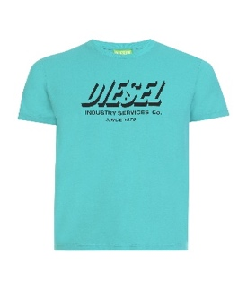 | A01849 | 0GRAM | 5II | A018490GRAM-5II-S | S | RTW DSL MEN | T-DIEGOS-A5 MAGLIETTA | T-shirts | T-shirts | 450 | 6109100010 | VAPOUROUS GRAY | M | 60%COTTON 40%POLYESTER | 27 | 60 | 24 | 648
 | A01849 | 0GRAM | 5II | A018490GRAM-5II-M | M | RTW DSL MEN | T-DIEGOS-A5 MAGLIETTA | T-shirts | T-shirts | 450 | 6109100010 | VAPOUROUS GRAY | M | 60%COTTON 40%POLYESTER | 48 | 60 | 24 | 1152
 | A01849 | 0GRAM | 5II | A018490GRAM-5II-L | L | RTW DSL MEN | T-DIEGOS-A5 MAGLIETTA | T-shirts | T-shirts | 450 | 6109100010 | VAPOUROUS GRAY | M | 60%COTTON 40%POLYESTER | 47 | 60 | 24 | 1128
 | A01849 | 0GRAM | 5II | A018490GRAM-5II-XL | XL | RTW DSL MEN | T-DIEGOS-A5 MAGLIETTA | T-shirts | T-shirts | 450 | 6109100010 | VAPOUROUS GRAY | M | 60%COTTON 40%POLYESTER | 27 | 60 | 24 | 648
 | A01849 | 0GRAM | 5II | A018490GRAM-5II-XXL | XXL | RTW DSL MEN | T-DIEGOS-A5 MAGLIETTA | T-shirts | T-shirts | 450 | 6109100010 | VAPOUROUS GRAY | M | 60%COTTON 40%POLYESTER | 8 | 60 | 24 | 192
 | A01849 | 0GRAM | 9XX | A018490GRAM-9XX-S | S | RTW DSL MEN | T-DIEGOS-A5 MAGLIETTA | T-shirts | T-shirts | 450 | 6109100010 | VAPOUROUS GRAY | M | 60%COTTON 40%POLYESTER | 47 | 60 | 24 | 1128
 | A01849 | 0GRAM | 9XX | A018490GRAM-9XX-M | M | RTW DSL MEN | T-DIEGOS-A5 MAGLIETTA | T-shirts | T-shirts | 450 | 6109100010 | VAPOUROUS GRAY | M | 60%COTTON 40%POLYESTER | 85 | 60 | 24 | 2040
 | A01849 | 0GRAM | 9XX | A018490GRAM-9XX-L | L | RTW DSL MEN | T-DIEGOS-A5 MAGLIETTA | T-shirts | T-shirts | 450 | 6109100010 | VAPOUROUS GRAY | M | 60%COTTON 40%POLYESTER | 84 | 60 | 24 | 2016
 | A01849 | 0GRAM | 9XX | A018490GRAM-9XX-XL | XL | RTW DSL MEN | T-DIEGOS-A5 MAGLIETTA | T-shirts | T-shirts | 450 | 6109100010 | VAPOUROUS GRAY | M | 60%COTTON 40%POLYESTER | 48 | 60 | 24 | 1152
 | A01849 | 0GRAM | 9XX | A018490GRAM-9XX-XXL | XXL | RTW DSL MEN | T-DIEGOS-A5 MAGLIETTA | T-shirts | T-shirts | 450 | 6109100010 | VAPOUROUS GRAY | M | 60%COTTON 40%POLYESTER | 17 | 60 | 24 | 408
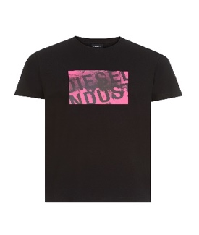 | A02070 | 0AAXJ | 9XX | A020700AAXJ-9XX-S | S | RTW DSL MEN | T-DIEGOS-K16 MAGLIETTA | T-shirts | T-shirts | 450 | 6109100010 | BLACK BLACK BLACK | M | 100%COTTON | 11 | 40 | 16 | 176
 | A02070 | 0AAXJ | 9XX | A020700AAXJ-9XX-M | M | RTW DSL MEN | T-DIEGOS-K16 MAGLIETTA | T-shirts | T-shirts | 450 | 6109100010 | BLACK BLACK BLACK | M | 100%COTTON | 23 | 40 | 16 | 368
 | A02070 | 0AAXJ | 9XX | A020700AAXJ-9XX-L | L | RTW DSL MEN | T-DIEGOS-K16 MAGLIETTA | T-shirts | T-shirts | 450 | 6109100010 | BLACK BLACK BLACK | M | 100%COTTON | 22 | 40 | 16 | 352
 | A02070 | 0AAXJ | 9XX | A020700AAXJ-9XX-XL | XL | RTW DSL MEN | T-DIEGOS-K16 MAGLIETTA | T-shirts | T-shirts | 450 | 6109100010 | BLACK BLACK BLACK | M | 100%COTTON | 16 | 40 | 16 | 256
 | A02070 | 0AAXJ | 9XX | A020700AAXJ-9XX-XXL | XXL | RTW DSL MEN | T-DIEGOS-K16 MAGLIETTA | T-shirts | T-shirts | 450 | 6109100010 | BLACK BLACK BLACK | M | 100%COTTON | 14 | 40 | 16 | 224
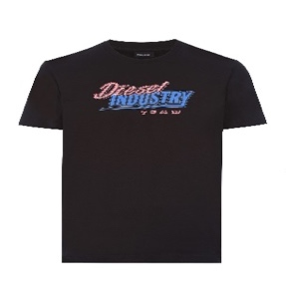 | A02375 | 0AAXJ | 9XX | A023750AAXJ-9XX-S | S | RTW DSL MEN | T-DIEGOS-K37 MAGLIETTA | T-shirts | T-shirts | 450 | 6109100010 | BLACK BLACK BLACK | M | 100%COTTON | 33 | 40 | 16 | 528
 | A02375 | 0AAXJ | 9XX | A023750AAXJ-9XX-M | M | RTW DSL MEN | T-DIEGOS-K37 MAGLIETTA | T-shirts | T-shirts | 450 | 6109100010 | BLACK BLACK BLACK | M | 100%COTTON | 42 | 40 | 16 | 672
 | A02375 | 0AAXJ | 9XX | A023750AAXJ-9XX-L | L | RTW DSL MEN | T-DIEGOS-K37 MAGLIETTA | T-shirts | T-shirts | 450 | 6109100010 | BLACK BLACK BLACK | M | 100%COTTON | 36 | 40 | 16 | 576
 | A02375 | 0AAXJ | 9XX | A023750AAXJ-9XX-XL | XL | RTW DSL MEN | T-DIEGOS-K37 MAGLIETTA | T-shirts | T-shirts | 450 | 6109100010 | BLACK BLACK BLACK | M | 100%COTTON | 13 | 40 | 16 | 208
 | A02375 | 0AAXJ | 9XX | A023750AAXJ-9XX-XXL | XXL | RTW DSL MEN | T-DIEGOS-K37 MAGLIETTA | T-shirts | T-shirts | 450 | 6109100010 | BLACK BLACK BLACK | M | 100%COTTON | 1 | 40 | 16 | 16
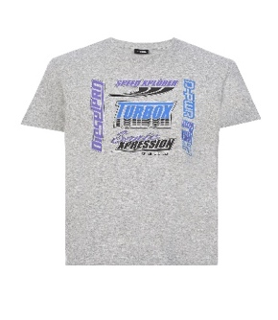 | A02377 | 0AAXJ | 9CB | A023770AAXJ-9CB-S | S | RTW DSL MEN | T-DIEGOS-K38 MAGLIETTA | T-shirts | T-shirts | 450 | 6109100010 | GREY MELANGE (NO BROS) | M | 100%COTTON | 14 | 40 | 16 | 224
 | A02377 | 0AAXJ | 9CB | A023770AAXJ-9CB-M | M | RTW DSL MEN | T-DIEGOS-K38 MAGLIETTA | T-shirts | T-shirts | 450 | 6109100010 | GREY MELANGE (NO BROS) | M | 100%COTTON | 37 | 40 | 16 | 592
 | A02377 | 0AAXJ | 9CB | A023770AAXJ-9CB-L | L | RTW DSL MEN | T-DIEGOS-K38 MAGLIETTA | T-shirts | T-shirts | 450 | 6109100010 | GREY MELANGE (NO BROS) | M | 100%COTTON | 40 | 40 | 16 | 640
 | A02377 | 0AAXJ | 9CB | A023770AAXJ-9CB-XL | XL | RTW DSL MEN | T-DIEGOS-K38 MAGLIETTA | T-shirts | T-shirts | 450 | 6109100010 | GREY MELANGE (NO BROS) | M | 100%COTTON | 16 | 40 | 16 | 256
 | A02377 | 0AAXJ | 9CB | A023770AAXJ-9CB-XXL | XXL | RTW DSL MEN | T-DIEGOS-K38 MAGLIETTA | T-shirts | T-shirts | 450 | 6109100010 | GREY MELANGE (NO BROS) | M | 100%COTTON | 5 | 40 | 16 | 80
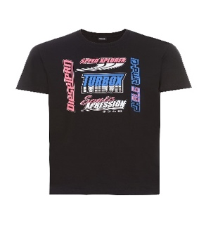 | A02377 | 0AAXJ | 9XX | A023770AAXJ-9XX-S | S | RTW DSL MEN | T-DIEGOS-K38 MAGLIETTA | T-shirts | T-shirts | 450 | 6109100010 | GREY MELANGE (NO BROS) | M | 100%COTTON | 2 | 40 | 16 | 32
 | A02377 | 0AAXJ | 9XX | A023770AAXJ-9XX-M | M | RTW DSL MEN | T-DIEGOS-K38 MAGLIETTA | T-shirts | T-shirts | 450 | 6109100010 | GREY MELANGE (NO BROS) | M | 100%COTTON | 30 | 40 | 16 | 480
 | A02377 | 0AAXJ | 9XX | A023770AAXJ-9XX-L | L | RTW DSL MEN | T-DIEGOS-K38 MAGLIETTA | T-shirts | T-shirts | 450 | 6109100010 | GREY MELANGE (NO BROS) | M | 100%COTTON | 29 | 40 | 16 | 464
 | A02377 | 0AAXJ | 9XX | A023770AAXJ-9XX-XL | XL | RTW DSL MEN | T-DIEGOS-K38 MAGLIETTA | T-shirts | T-shirts | 450 | 6109100010 | GREY MELANGE (NO BROS) | M | 100%COTTON | 18 | 40 | 16 | 288
 | A02377 | 0AAXJ | 9XX | A023770AAXJ-9XX-XXL | XXL | RTW DSL MEN | T-DIEGOS-K38 MAGLIETTA | T-shirts | T-shirts | 450 | 6109100010 | GREY MELANGE (NO BROS) | M | 100%COTTON | 9 | 40 | 16 | 144
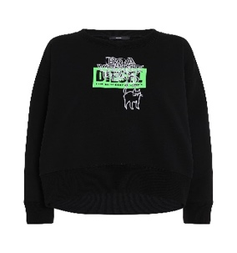 | A00264 | 0IAJH | 9XX | A002640IAJH-9XX-XS | XS | RTW DSL WOMEN | F-MAGDA-E40 FELPA | Sweaters | Sweaters | 450 | 6110209900 | BLACK BLACK BLACK | M | 100%COTTON+RIB 96%COTTON 4%ELASTANE | 16 | 140 | 56 | 896
 | A00264 | 0IAJH | 9XX | A002640IAJH-9XX-S | S | RTW DSL WOMEN | F-MAGDA-E40 FELPA | Sweaters | Sweaters | 450 | 6110209900 | BLACK BLACK BLACK | M | 100%COTTON+RIB 96%COTTON 4%ELASTANE | 15 | 140 | 56 | 840
 | A00264 | 0IAJH | 9XX | A002640IAJH-9XX-M | M | RTW DSL WOMEN | F-MAGDA-E40 FELPA | Sweaters | Sweaters | 450 | 6110209900 | BLACK BLACK BLACK | M | 100%COTTON+RIB 96%COTTON 4%ELASTANE | 7 | 140 | 56 | 392
 | A00264 | 0IAJH | 9XX | A002640IAJH-9XX-L | L | RTW DSL WOMEN | F-MAGDA-E40 FELPA | Sweaters | Sweaters | 450 | 6110209900 | BLACK BLACK BLACK | M | 100%COTTON+RIB 96%COTTON 4%ELASTANE | 2 | 140 | 56 | 112
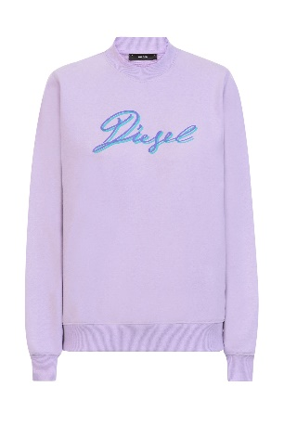 | A04173 | 0HAYT | 63X | A041730HAYT-63X-XS | XS | RTW DSL WOMEN | F-ANG-K15 FELPA | Sweaters | Sweaters | 450 | 6110209900 | LAVENDULA | M | 60%COTTON 40%POLYESTER+RIB 95%COTTON 5%ELASTANE-SPANDEX | 14 | 90 | 36 | 504
 | A04173 | 0HAYT | 63X | A041730HAYT-63X-S | S | RTW DSL WOMEN | F-ANG-K15 FELPA | Sweaters | Sweaters | 450 | 6110209900 | LAVENDULA | M | 60%COTTON 40%POLYESTER+RIB 95%COTTON 5%ELASTANE-SPANDEX | 20 | 90 | 36 | 720
 | A04173 | 0HAYT | 63X | A041730HAYT-63X-M | M | RTW DSL WOMEN | F-ANG-K15 FELPA | Sweaters | Sweaters | 450 | 6110209900 | LAVENDULA | M | 60%COTTON 40%POLYESTER+RIB 95%COTTON 5%ELASTANE-SPANDEX | 13 | 90 | 36 | 468
 | A04173 | 0HAYT | 63X | A041730HAYT-63X-L | L | RTW DSL WOMEN | F-ANG-K15 FELPA | Sweaters | Sweaters | 450 | 6110209900 | LAVENDULA | M | 60%COTTON 40%POLYESTER+RIB 95%COTTON 5%ELASTANE-SPANDEX | 7 | 90 | 36 | 252
 | A04173 | 0HAYT | 63X | A041730HAYT-63X-XL | XL | RTW DSL WOMEN | F-ANG-K15 FELPA | Sweaters | Sweaters | 450 | 6110209900 | LAVENDULA | M | 60%COTTON 40%POLYESTER+RIB 95%COTTON 5%ELASTANE-SPANDEX | 2 | 90 | 36 | 72

