LAMBORGHINI
 |  | 4115 | € 180.25 | € 741,720.56
IMAGE | TIPOLOGIA | QTY | RETAIL PRICE | TOTAL RETAIL PRICE
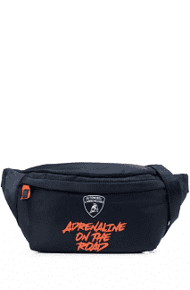 | Marsupio / pouch | 157 | € 133.00 | € 20,881.00
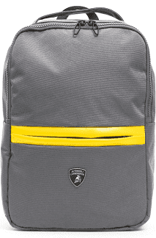 | Zaino / backpack | 70 | € 90.00 | € 6,300.00
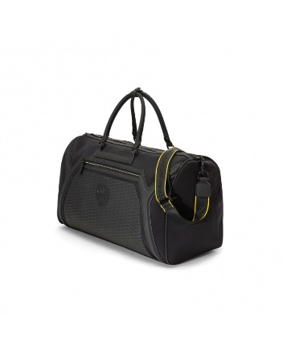 | Borse / bag neoprene travel | 50 | € 238.00 | € 11,900.00
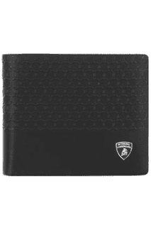 | Portafogli / wallet | 41 | € 129.00 | € 5,289.00
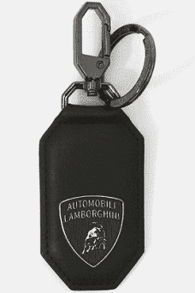 | Portachiavi / key holder | 48 | € 59.99 | € 2,879.52
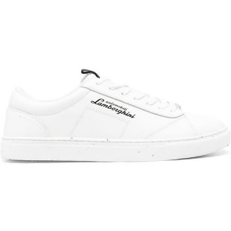 | Sneakers | 600 | € 215.00 | € 129,000.00
 | Camicie / Shirt | 158 | € 155.00 | € 24,490.00
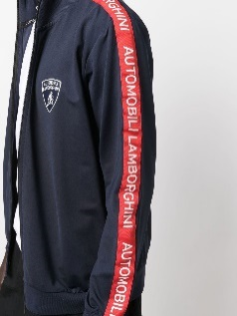 | Felpe / sweetshirt | 800 | € 268.00 | € 214,400.00
 | Pantaloni felpa /sweat pant | 312 | € 179.00 | € 55,848.00
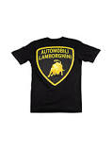 | T-shirt | 400 | € 101.00 | € 40,400.00
 | Polo | 300 | € 157.00 | € 47,100.00
 | Pantaloni / pant chino | 321 | € 185.00 | € 59,385.00
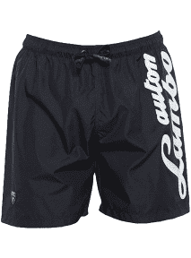 | Costumi mare / swimwear | 362 | € 119.00 | € 43,078.00
 | Bermuda | 125 | € 201.00 | € 25,125.00
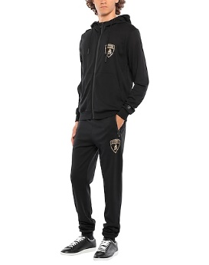 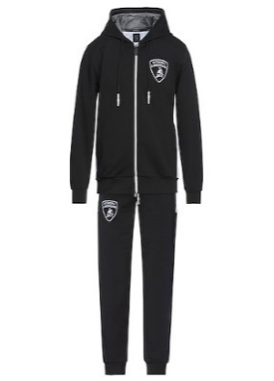 | Tuta completa / tracksuit | 92 | € 322.00 | € 29,624.00
 | Cappellini / cap | 96 | € 45.99 | € 4,415.04
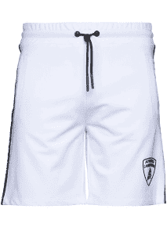 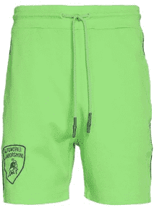 | Pantaloni corti / short pant | 171 | € 114.00 | € 19,494.00

