PICTURES
PICTURE | REF | GENDER | CATEGORY | QTY | WHS | RRP
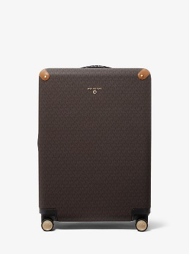 | 30F0GTFT7B | WOMEN | HANDBAGS & SMALL LEATHER GOODS | 72 | 228.75 € | 595.00 €
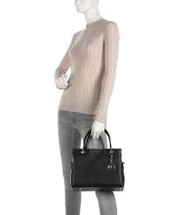 | 30F1G2KS2L | WOMEN | HANDBAGS & SMALL LEATHER GOODS | 14 | 152.00 € | 395.00 €
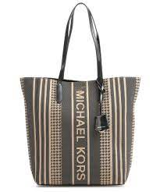 | 30F1G5ST9J | WOMEN | HANDBAGS & SMALL LEATHER GOODS | 10 | 113.50 € | 295.00 €
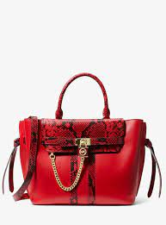 | 30H1G9HS7O | WOMEN | HANDBAGS & SMALL LEATHER GOODS | 131 | 211.50 € | 550.00 €
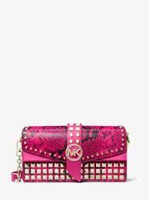 | 30H1LGRL6E | WOMEN | HANDBAGS & SMALL LEATHER GOODS | 7 | 152.00 € | 395.00 €
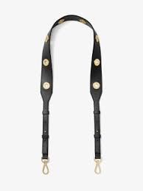 | 30H7GG9N1I | WOMEN | HANDBAGS & SMALL LEATHER GOODS | 9 | 37.00 € | 95.00 €
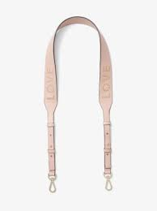 | 30H7GG9N1O | WOMEN | HANDBAGS & SMALL LEATHER GOODS | 1 | 37.00 € | 95.00 €
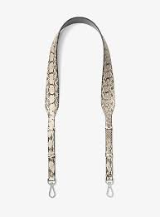 | 30H7SG9N1L | WOMEN | HANDBAGS & SMALL LEATHER GOODS | 8 | 62.00 € | 160.00 €
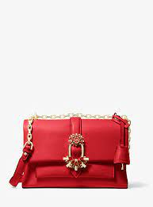 | 30H9G0EL6U | WOMEN | HANDBAGS & SMALL LEATHER GOODS | 3 | 178.75 € | 465.00 €
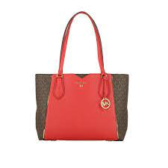 | 30H9GM5T2B | WOMEN | HANDBAGS & SMALL LEATHER GOODS | 2 | 113.50 € | 295.00 €
 | 30S0GV6T2B | WOMEN | HANDBAGS & SMALL LEATHER GOODS | 76 | 113.50 € | 295.00 €
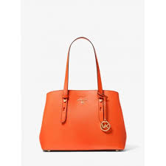 | 30S1G3MT2L | WOMEN | HANDBAGS & SMALL LEATHER GOODS | 606 | 134.50 € | 350.00 €
 | 30S5GEZB1L | WOMEN | HANDBAGS & SMALL LEATHER GOODS | 2 | 122.50 € | 318.33 €
 | 30S7GBNS3L | WOMEN | HANDBAGS & SMALL LEATHER GOODS | 3 | 190.50 € | 495.00 €
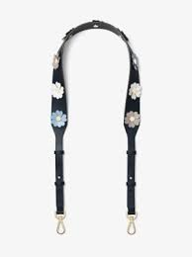 | 30S7GG9N2L | WOMEN | HANDBAGS & SMALL LEATHER GOODS | 3 | 48.00 € | 125.00 €
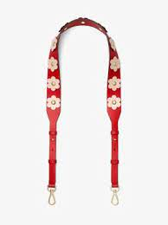 | 30S8GG9N7L | WOMEN | HANDBAGS & SMALL LEATHER GOODS | 4 | 62.00 € | 160.00 €
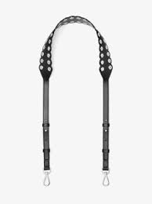 | 30S8SG9N1I | WOMEN | HANDBAGS & SMALL LEATHER GOODS | 5 | 37.00 € | 95.00 €
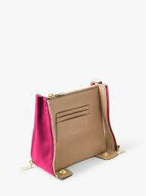 | 30S8TZMN2L | WOMEN | HANDBAGS & SMALL LEATHER GOODS | 12 | 19.00 € | 50.00 €
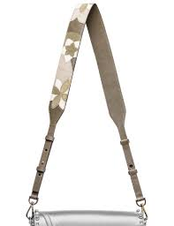 | 30T7GG9N4T | WOMEN | HANDBAGS & SMALL LEATHER GOODS | 2 | 48.00 € | 125.00 €
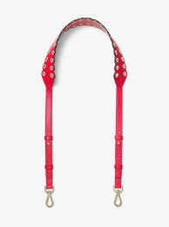 | 30T8GG9N1I | WOMEN | HANDBAGS & SMALL LEATHER GOODS | 1 | 42.00 € | 110.00 €
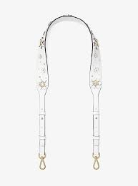 | 30T8GG9N1Y | WOMEN | HANDBAGS & SMALL LEATHER GOODS | 9 | 48.00 € | 125.00 €
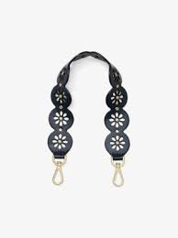 | 30T8GXGN5I | WOMEN | HANDBAGS & SMALL LEATHER GOODS | 10 | 29.00 € | 75.00 €
 | 30T8TG9N1I | WOMEN | HANDBAGS & SMALL LEATHER GOODS | 65 | 42.00 € | 110.00 €
4 | 30T8TX5T3L | WOMEN | HANDBAGS & SMALL LEATHER GOODS | 3 | 106.00 € | 275.00 €
 | 30T9G0EL8L | WOMEN | HANDBAGS & SMALL LEATHER GOODS | 2 | 152.00 € | 395.00 €
4 | 30T9G0LE3L | WOMEN | HANDBAGS & SMALL LEATHER GOODS | 2 | 152.00 € | 395.00 €
 | 30T9GNCM1B | WOMEN | HANDBAGS & SMALL LEATHER GOODS | 84 | 128.75 € | 335.00 €
 | 30T9GNCS6L | WOMEN | HANDBAGS & SMALL LEATHER GOODS | 1 | 148.00 € | 385.00 €
4 | 30T9GWHL3L | WOMEN | HANDBAGS & SMALL LEATHER GOODS | 4 | 125.00 € | 325.00 €
 | 30T9S0EL8L | WOMEN | HANDBAGS & SMALL LEATHER GOODS | 5 | 152.00 € | 395.00 €
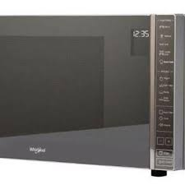 | 30T9SGIS1L | WOMEN | HANDBAGS & SMALL LEATHER GOODS | 5 | 106.00 € | 275.00 €
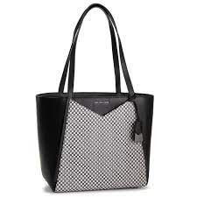 | 30T9UWHT3R | WOMEN | HANDBAGS & SMALL LEATHER GOODS | 4 | 125.00 € | 325.00 €
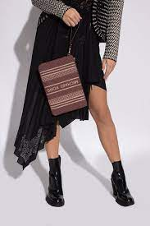 | 32F1GJ6M3J | WOMEN | HANDBAGS & SMALL LEATHER GOODS | 57 | 48.00 € | 125.00 €
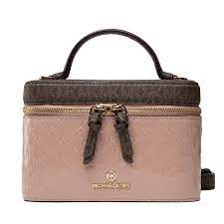 | 32F1GT9C6A | WOMEN | HANDBAGS & SMALL LEATHER GOODS | 4 | 113.50 € | 295.00 €
 | 32F1GT9C6I | WOMEN | HANDBAGS & SMALL LEATHER GOODS | 1 | 125.00 € | 325.00 €
 | 32F1L9NC0U | WOMEN | HANDBAGS & SMALL LEATHER GOODS | 5 | 113.50 € | 295.00 €
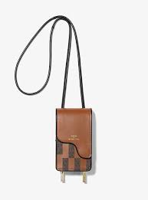 | 32H1G9AC0B | WOMEN | HANDBAGS & SMALL LEATHER GOODS | 1 | 113.50 € | 295.00 €
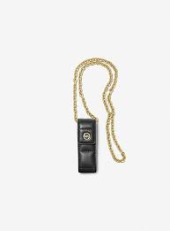 | 32H1GTMN0L | WOMEN | HANDBAGS & SMALL LEATHER GOODS | 1 | 28.75 € | 75.00 €
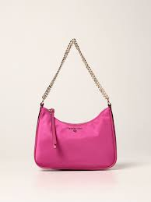 | 32H1LT9C6C | WOMEN | HANDBAGS & SMALL LEATHER GOODS | 4 | 75.00 € | 195.00 €
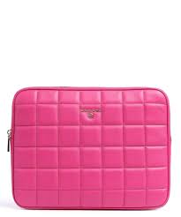 | 32H1LT9E1L | WOMEN | HANDBAGS & SMALL LEATHER GOODS | 2 | 57.75 € | 150.00 €
 | 32H7SF3K4L | WOMEN | HANDBAGS & SMALL LEATHER GOODS | 51 | 10.00 € | 26.00 €
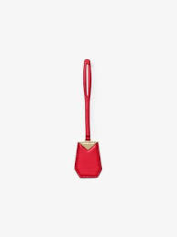 | 32H9GF3N0L | WOMEN | HANDBAGS & SMALL LEATHER GOODS | 120 | 3.75 € | 10.00 €
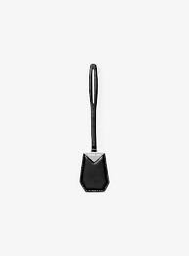 | 32H9SF3N0L | WOMEN | HANDBAGS & SMALL LEATHER GOODS | 6 | 3.75 € | 10.00 €
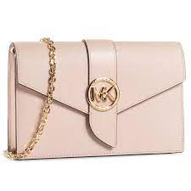 | 32S0G00C6L | WOMEN | HANDBAGS & SMALL LEATHER GOODS | 944 | 90.50 € | 235.00 €
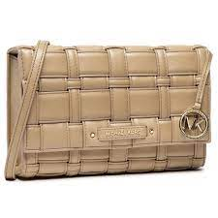 | 32S1L2IC7U | WOMEN | HANDBAGS & SMALL LEATHER GOODS | 8 | 102.00 € | 265.00 €
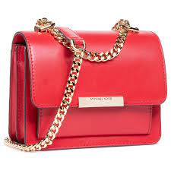 | 32S9GJ4C0L | WOMEN | HANDBAGS & SMALL LEATHER GOODS | 190 | 96.25 € | 250.00 €
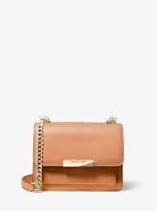 | 32T0LJ4C0L | WOMEN | HANDBAGS & SMALL LEATHER GOODS | 80 | 96.25 € | 250.00 €
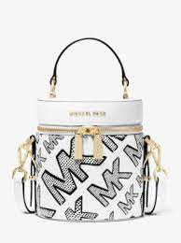 | 32T1G07C6B | WOMEN | HANDBAGS & SMALL LEATHER GOODS | 3 | 96.25 € | 250.00 €
 | 32T1GT9N0O | WOMEN | HANDBAGS & SMALL LEATHER GOODS | 7 | 25.00 € | 65.00 €
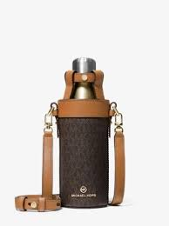 | 32T1GTMN9B | WOMEN | HANDBAGS & SMALL LEATHER GOODS | 75 | 57.75 € | 150.00 €
4 | 32T1LGRC5L | WOMEN | HANDBAGS & SMALL LEATHER GOODS | 6 | 113.50 € | 295.00 €
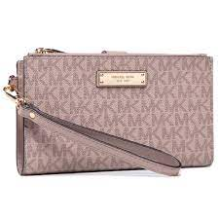 | 34F9GAFW4B | WOMEN | HANDBAGS & SMALL LEATHER GOODS | 5 | 48.00 € | 125.00 €
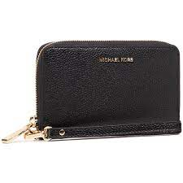 | 34F9GM9E3L | WOMEN | HANDBAGS & SMALL LEATHER GOODS | 73 | 48.00 € | 125.00 €
 | 34H1GJ6D0V | WOMEN | HANDBAGS & SMALL LEATHER GOODS | 1520 | 36.50 € | 95.00 €
 | 34H1GT9D2I | WOMEN | HANDBAGS & SMALL LEATHER GOODS | 174 | 36.50 € | 95.00 €
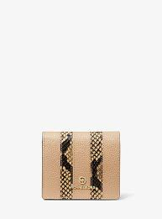 | 34H1LT9F1O | WOMEN | HANDBAGS & SMALL LEATHER GOODS | 130 | 36.50 € | 95.00 €
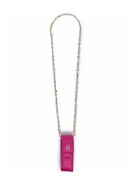 | 34H1LTMN1L | WOMEN | HANDBAGS & SMALL LEATHER GOODS | 3 | 28.75 € | 75.00 €
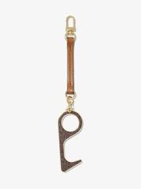 | 34T1GTMN1U | WOMEN | HANDBAGS & SMALL LEATHER GOODS | 3 | 21.25 € | 55.00 €
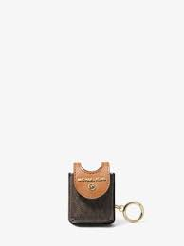 | 34T1GTMN5B | WOMEN | HANDBAGS & SMALL LEATHER GOODS | 32 | 25.00 € | 65.00 €
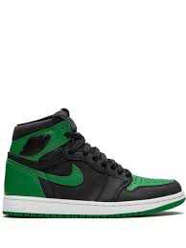 | 34T1SJ6D0U | WOMEN | HANDBAGS & SMALL LEATHER GOODS | 5 | 36.50 € | 95.00 €
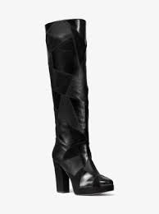 | 40F0HNHB5L | WOMEN | FOOTWEAR | 2 | 152.00 € | 395.00 €
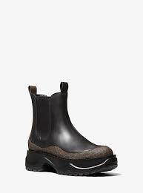 | 40F1DUFE6L | WOMEN | FOOTWEAR | 2 | 102.00 € | 265.00 €
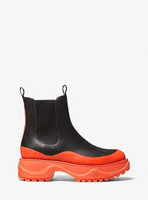 | 40F1DUFE7L | WOMEN | FOOTWEAR | 234 | 102.00 € | 265.00 €
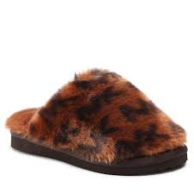 | 40F1JAFA2Y | WOMEN | FOOTWEAR | 505 | 36.50 € | 95.00 €
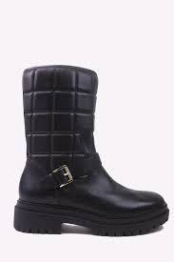 | 40F1LTFE6L | WOMEN | FOOTWEAR | 159 | 113.50 € | 295.00 €
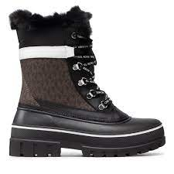 | 40F1OZFB5B | WOMEN | FOOTWEAR | 1 | 105.75 € | 275.00 €
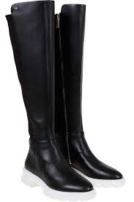 | 40F1RIFB6L | WOMEN | FOOTWEAR | 1 | 113.50 € | 295.00 €
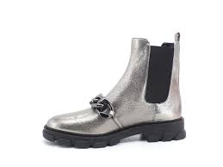 | 40F1SCFE5M | WOMEN | FOOTWEAR | 2 | 94.25 € | 245.00 €
 | 40F1TUFE5S | WOMEN | FOOTWEAR | 1 | 105.75 € | 275.00 €
 | 40F9LTME5S | WOMEN | FOOTWEAR | 1 | 83.00 € | 215.00 €
 | 40R1LAFP1D | WOMEN | FOOTWEAR | 3191 | 25.55 € | 66.38 €
 | 40R2APMP1L | WOMEN | FOOTWEAR | 130 | 71.25 € | 185.00 €
 | 40R2CYFS1B | WOMEN | FOOTWEAR | 24 | 75.00 € | 195.00 €
 | 40R2CYFS1S | WOMEN | FOOTWEAR | 49 | 75.00 € | 195.00 €
 | 40R2ELFP1D | WOMEN | FOOTWEAR | 599 | 36.50 € | 95.00 €
 | 40R2GSFA1B | WOMEN | FOOTWEAR | 214 | 75.00 € | 195.00 €
 | 40R2GSHE5S | WOMEN | FOOTWEAR | 1 | 113.50 € | 295.00 €
 | 40R2GSHP1L | WOMEN | FOOTWEAR | 156 | 86.50 € | 225.00 €
 | 40R2HLFP1A | WOMEN | FOOTWEAR | 5 | 71.25 € | 185.00 €
 | 40R2JAFP1Y | WOMEN | FOOTWEAR | 1479 | 36.50 € | 95.00 €
 | 40R2KEHP1L | WOMEN | FOOTWEAR | 1 | 71.25 € | 185.00 €
 | 40R2LAHA2D | WOMEN | FOOTWEAR | 21 | 27.00 € | 70.00 €
 | 40R2LAHS2D | WOMEN | FOOTWEAR | 3 | 86.50 € | 225.00 €
 | 40R2SCFP2L | WOMEN | FOOTWEAR | 1 | 71.25 € | 185.00 €
 | 40R2SCFP4D | WOMEN | FOOTWEAR | 80 | 36.50 € | 95.00 €
 | 40R2SCMP1L | WOMEN | FOOTWEAR | 1 | 86.50 € | 225.00 €
 | 40R2SDFE5Z | WOMEN | FOOTWEAR | 455 | 46.25 € | 120.00 €
 | 40R2SRFB5L | WOMEN | FOOTWEAR | 30 | 96.25 € | 250.00 €
 | 40R2TIFS1L | WOMEN | FOOTWEAR | 181 | 53.75 € | 140.00 €
 | 40R6DBFABL | WOMEN | FOOTWEAR | 52 | 57.75 € | 150.00 €
 | 40S0FLHS1L | WOMEN | FOOTWEAR | 11 | 75.00 € | 195.00 €
 | 40S1DOMP1D | WOMEN | FOOTWEAR | 7 | 46.25 € | 120.00 €
 | 40S1VSMG2L | WOMEN | FOOTWEAR | 13 | 50.00 € | 130.00 €
 | 40T0GRFS2L | WOMEN | FOOTWEAR | 11 | 82.75 € | 215.00 €
 | 40T0LIFP1A | WOMEN | FOOTWEAR | 1 | 46.25 € | 120.00 €
 | 40T0NOMG2L | WOMEN | FOOTWEAR | 24 | 50.00 € | 130.00 €
 | 40T1MRHE5E | WOMEN | FOOTWEAR | 1 | 96.25 € | 250.00 €
 | 40T1PHFA1B | WOMEN | FOOTWEAR | 18 | 57.75 € | 150.00 €
 | 40T8ABMP1L | WOMEN | FOOTWEAR | 143 | 50.00 € | 130.00 €
 | 40U2MKFA2L | WOMEN | FOOTWEAR | 373 | 42.25 € | 110.00 €
 | 42F1WYFB7Q | MEN | FOOTWEAR | 62 | 102.00 € | 265.00 €
 | 43R2BDFE1D | WOMEN | SNEAKERS | 164 | 71.25 € | 185.00 €
 | 43R2DAFS1D | WOMEN | SNEAKERS | 263 | 67.25 € | 175.00 €
 | 43R2NIFS1E | WOMEN | SNEAKERS | 2 | 96.25 € | 250.00 €
 | 43S7IRFS3L | WOMEN | SNEAKERS | 192 | 57.75 € | 150.00 €
 | 77B4924M81 | WOMEN | OUTERWEAR | 146 | 115.00 € | 299.00 €
 | 77C3044M82 | WOMEN | OUTERWEAR | 138 | 72.69 € | 188.88 €
 | 77F4918M82 | WOMEN | OUTERWEAR | 2 | 96.25 € | 250.00 €
 | 77F5546M81 | WOMEN | OUTERWEAR | 1 | 190.50 € | 495.00 €
 | 77T1626M22 | WOMEN | OUTERWEAR | 12 | 173.00 € | 450.00 €
 | 77T4155M82 | WOMEN | OUTERWEAR | 2 | 135.00 € | 350.00 €
 | 77T4192M82 | WOMEN | OUTERWEAR | 1 | 173.00 € | 450.00 €
 | 9F05P10691 | MEN | PANTS | 6 | 11.50 € | 29.00 €
 | CF02EB492T | MEN | JACKETS | 4 | 230.50 € | 599.00 €
 | CF02EFN915 | MEN | OUTERWEAR | 3 | 230.50 € | 599.00 €
 | CF02EFZ90S | MEN | OUTERWEAR | 1 | 230.50 € | 599.00 €
 | CF02EG192T | MEN | JACKETS | 3 | 134.25 € | 349.00 €
 | CF05E90C93 | MEN | KNITS | 6 | 38.00 € | 99.00 €
 | CF05JNR4NF | MEN | KNITS | 2 | 38.00 € | 99.00 €
 | CF05JP28XB | MEN | KNITS | 3 | 61.25 € | 159.00 €
 | CF10034027 | MEN | ACCESSORIES | 6 | 26.50 € | 69.00 €
 | CF10034028 | MEN | ACCESSORIES | 4 | 15.00 € | 39.00 €
 | CF150CR2ZN | MEN | KNITS | 11 | 57.25 € | 149.00 €
 | CF150DW31F | MEN | KNITS | 1 | 68.75 € | 179.00 €
 | CF150ED4GE | MEN | KNITS | 1 | 53.50 € | 139.00 €
 | CF150G31V2 | MEN | KNITS | 26 | 26.50 € | 69.00 €
 | CF150G41V2 | MEN | KNITS | 2 | 22.75 € | 59.00 €
 | CF150HW4C0 | MEN | KNITS | 333 | 68.75 € | 179.00 €
 | CF150HY4BY | MEN | KNITS | 19 | 68.75 € | 179.00 €
 | CF150HZ4BY | MEN | KNITS | 2 | 53.50 € | 139.00 €
 | CF1600Y324 | MEN | SWEATERS | 85 | 153.50 € | 399.00 €
 | CF180091UN | MEN | LEATHER | 27 | 230.50 € | 599.00 €
 | CF75E90C93 | MEN | KNITS | 1 | 38.10 € | 99.00 €
 | CF91BEA7NE | MEN | OUTERWEAR | 6 | 496.15 € | 1,290.00 €
 | CF95HUW7XS | MEN | KNITS | 1 | 76.55 € | 199.00 €
 | CR1202F4CT | MEN | OUTERWEAR | 74 | 268.75 € | 699.00 €
 | CR1202M48H | MEN | OUTERWEAR | 1 | 153.50 € | 399.00 €
 | CR150HX4CU | MEN | KNITS | 4 | 38.00 € | 99.00 €
 | CR150JC4BV | MEN | KNITS | 1 | 34.25 € | 89.00 €
 | CR150JR1X4 | MEN | KNITS | 1 | 53.50 € | 139.00 €
 | CR150JX4NF | MEN | KNITS | 50 | 53.50 € | 139.00 €
 | CR150KR4NF | MEN | KNITS | 13 | 38.00 € | 99.00 €
4 | CR150KW1V2 | MEN | KNITS | 94 | 26.50 € | 69.00 €
 | CR150KXFV4 | MEN | KNITS | 5 | 22.75 € | 59.00 €
4 | CR150L0FV4 | MEN | KNITS | 14 | 22.75 € | 59.00 €
 | CR150L11V2 | MEN | KNITS | 51 | 26.50 € | 69.00 €
 | CR150U4FV4 | MEN | KNITS | 2 | 22.75 € | 59.00 €
 | CR92EC67WE | MEN | PANTS | 3 | 153.45 € | 399.00 €
 | CR95HZ5754 | MEN | KNITS | 1 | 45.75 € | 119.00 €
 | CS02EDB81G | MEN | OUTERWEAR | 1 | 115.00 € | 299.00 €
 | CS1200Y2MY | MEN | OUTERWEAR | 3 | 95.75 € | 249.00 €
 | CS1506K21N | MEN | KNITS | 1 | 30.50 € | 79.00 €
 | CS15073C93 | MEN | KNITS | 14 | 34.25 € | 89.00 €
 | CS1507EFV4 | MEN | KNITS | 7 | 22.75 € | 59.00 €
 | CS150BRFV4 | MEN | KNITS | 2 | 18.75 € | 49.00 €
 | CS1600J2LY | MEN | SWEATERS | 1 | 115.00 € | 299.00 €
 | CS78CB238R | MEN | LEATHER | 1 | 230.40 € | 599.00 €
 | CS93CSK4JJ | MEN | PANTS | 2 | 30.50 € | 79.00 €
 | CS95FXZ20B | MEN | KNITS | 2 | 22.70 € | 59.00 €
 | CU05JF4745 | MEN | KNITS | 1 | 38.00 € | 99.00 €
 | CU05JJXFV4 | MEN | KNITS | 1 | 18.75 € | 49.00 €
 | CU150865MF | MEN | KNITS | 4 | 53.50 € | 139.00 €
 | CU150875MF | MEN | KNITS | 3 | 45.75 € | 119.00 €
 | CU1508B2CW | MEN | KNITS | 2 | 76.50 € | 199.00 €
 | CU1508C19P | MEN | KNITS | 5 | 22.75 € | 59.00 €
 | CU1509PFV4 | MEN | KNITS | 18 | 22.75 € | 59.00 €
 | CU1509Q1V2 | MEN | KNITS | 2 | 22.75 € | 59.00 €
 | CU1509TFV4 | MEN | KNITS | 1 | 22.75 € | 59.00 €
 | CU150F85MF | MEN | KNITS | 48 | 45.75 € | 119.00 €
 | CU150FC21N | MEN | KNITS | 1 | 30.50 € | 79.00 €
 | CU150FF5MF | MEN | KNITS | 2 | 38.00 € | 99.00 €
 | CU150FI3EJ | MEN | KNITS | 2 | 53.50 € | 139.00 €
 | CU150FK3EJ | MEN | KNITS | 7 | 38.00 € | 99.00 €
 | FA421648 | WOMEN | OUTERWEAR | 2 | 173.00 € | 450.00 €
 | MF02J1VF5N | WOMEN | OUTERWEAR | 2 | 134.50 € | 349.70 €
 | MF02J3HCHE | WOMEN | OUTERWEAR | 2 | 228.75 € | 595.00 €
 | MF06PDWBVC | WOMEN | SWEATERS | 1 | 67.25 € | 175.00 €
 | MF1000930U | WOMEN | ACCESSORIES | 41 | 9.50 € | 25.00 €
 | MF1100K45F | WOMEN | JACKETS | 2 | 113.50 € | 295.00 €
 | MF1101L30U | WOMEN | JACKETS | 6 | 67.25 € | 175.00 €
 | MF1202M305 | WOMEN | OUTERWEAR | 19 | 152.00 € | 395.00 €
 | MF120393GE | WOMEN | OUTERWEAR | 1 | 163.50 € | 425.00 €
 | MF1203Y3SB | WOMEN | OUTERWEAR | 26 | 134.50 € | 350.00 €
 | MF1204H489 | WOMEN | OUTERWEAR | 4 | 134.50 € | 350.00 €
 | MF1204L47X | WOMEN | OUTERWEAR | 7 | 96.25 € | 250.00 €
 | MF120503SB | WOMEN | OUTERWEAR | 17 | 113.50 € | 295.00 €
 | MF12HK63SB | WOMEN | OUTERWEAR | 2 | 113.50 € | 295.00 €
...

