SS23
 |  | Qty available |  | 58,790 | pcs

Image | Key | No style | Style description | Colour code | Color description | Catalogue | Category | Thème | Gender | Groupe Produit | PVC Adult € | W/SAdult € | Pack description | Unit Code | Available stock PCS | Available stock UNIT | 22 | 23 | 24 | 25 | 26 | 27 | 28 | 29 | 30 | 31 | 32 | 33 | 34 | 35 | 36 | 37 | 38 | 39 | 40 | 41 | 42 | 43 | 44 | 45 | 46 | 47 | T05 | T08 | T10 | T.U | T57 | T59 | 00 | 3Y | 4Y | 6Y | 8Y | 10Y | 12Y | 14Y | XS | S | M | L | XL | 2XL | 3XL | 4XL | Prepack (UNITE)
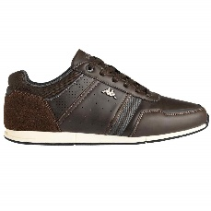 | 3112XBW-A1I-PAI | 3112XBW | TYLER | A1I | BROWN DK/GREY DK | ETE 2023 | SHOES | URBAN CASU | MAN | LOW CUT | 65.00 € | 32.50 € | 0 | PAI | 98 | 98 | 0 | 0 | 0 | 0 | 0 | 0 | 0 | 0 | 0 | 0 | 0 | 0 | 0 | 0 | 0 | 0 | 0 | 0 | 8 | 8 | 25 | 24 | 17 | 8 | 8 | 0 | 0 | 0 | 0 | 0 | 0 | 0 | 0 | 0 | 0 | 0 | 0 | 0 | 0 | 0 | 0 | 0 | 0 | 0 | 0 | 0 | 0 | 0 | 0
 | 3112XBW-A1I-C12MA | 3112XBW | TYLER | A1I | BROWN DK/GREY DK | ETE 2023 | SHOES | URBAN CASU | MAN | LOW CUT | 65.00 € | 32.50 € | 40-1|41-1|42-3|43-3|44-2|45-1|46-1 | C12MA | 612 | 51 | 0 | 0 | 0 | 0 | 0 | 0 | 0 | 0 | 0 | 0 | 0 | 0 | 0 | 0 | 0 | 0 | 0 | 0 | 0 | 0 | 0 | 0 | 0 | 0 | 0 | 0 | 0 | 0 | 0 | 0 | 0 | 0 | 0 | 0 | 0 | 0 | 0 | 0 | 0 | 0 | 0 | 0 | 0 | 0 | 0 | 0 | 0 | 0 | 51
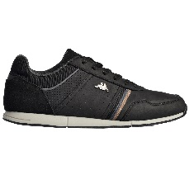 | 3112XBW-C01-PAI | 3112XBW | TYLER | C01 | BLACK | HIVER 2021 | SHOES | URBAN CASU | MAN | LOW CUT | 65.00 € | 32.50 € | 0 | PAI | 1 | 1 | 0 | 0 | 0 | 0 | 0 | 0 | 0 | 0 | 0 | 0 | 0 | 0 | 0 | 0 | 0 | 0 | 0 | 0 | 0 | 0 | 0 | 0 | 0 | 1 | 0 | 0 | 0 | 0 | 0 | 0 | 0 | 0 | 0 | 0 | 0 | 0 | 0 | 0 | 0 | 0 | 0 | 0 | 0 | 0 | 0 | 0 | 0 | 0 | 0
 | 311992W-A0E-PAI | 311992W | KOMBAT PERFORMANCE 1 PRO | A0E | BLACK GREY | ETE 2023 | SHOES | TRAINING | MAN |  | 120.00 € | 60.00 € | 0 | PAI | 116 | 116 | 0 | 0 | 0 | 0 | 0 | 0 | 0 | 0 | 0 | 0 | 0 | 0 | 0 | 0 | 0 | 0 | 0 | 0 | 0 | 32 | 84 | 0 | 0 | 0 | 0 | 0 | 0 | 0 | 0 | 0 | 0 | 0 | 0 | 0 | 0 | 0 | 0 | 0 | 0 | 0 | 0 | 0 | 0 | 0 | 0 | 0 | 0 | 0 | 0
 | 311992W-A0E-PAI | 311992W | KOMBAT PERFORMANCE 1 PRO | A0E | BLACK GREY | ETE 2023 | SHOES | TRAINING | MAN |  | 120.00 € | 60.00 € | 0 | PAI | 116 | 116 | 0 | 0 | 0 | 0 | 0 | 0 | 0 | 0 | 0 | 0 | 0 | 0 | 0 | 0 | 0 | 0 | 0 | 0 | 0 | 32 | 84 | 0 | 0 | 0 | 0 | 0 | 0 | 0 | 0 | 0 | 0 | 0 | 0 | 0 | 0 | 0 | 0 | 0 | 0 | 0 | 0 | 0 | 0 | 0 | 0 | 0 | 0 | 0 | 0
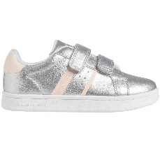 | 311CFQW-A0Q-PAI | 311CFQW | ALPHA 2V KID | A0Q | GREY SILVER/PINK LT | ETE 2022 | SHOES | CASUAL | KID | LOW CUT | 35.00 € | 17.50 € | 0 | PAI | 31 | 31 | 0 | 0 | 0 | 0 | 0 | 0 | 0 | 0 | 0 | 0 | 0 | 23 | 8 | 0 | 0 | 0 | 0 | 0 | 0 | 0 | 0 | 0 | 0 | 0 | 0 | 0 | 0 | 0 | 0 | 0 | 0 | 0 | 0 | 0 | 0 | 0 | 0 | 0 | 0 | 0 | 0 | 0 | 0 | 0 | 0 | 0 | 0 | 0 | 0
 | 311D2CW-A1N-PAI | 311D2CW | SPLINTER MAN | A1N | DK DENIM BLACK GRAY GREEN | HIVER 2022 | SHOES | SNEAKERS | MAN | LOW CUT | 65.00 € | 32.50 € | 0 | PAI | 32 | 32 | 0 | 0 | 0 | 0 | 0 | 0 | 0 | 0 | 0 | 0 | 0 | 0 | 0 | 0 | 0 | 0 | 0 | 0 | 1 | 6 | 2 | 5 | 10 | 2 | 6 | 0 | 0 | 0 | 0 | 0 | 0 | 0 | 0 | 0 | 0 | 0 | 0 | 0 | 0 | 0 | 0 | 0 | 0 | 0 | 0 | 0 | 0 | 0 | 0
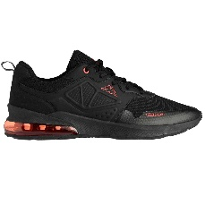 | 311D2CW-A60-PAI | 311D2CW | SPLINTER MAN | A60 | BLACK/RED | HIVER 2022 | SHOES | SNEAKERS | MAN | LOW CUT | 65.00 € | 32.50 € | 0 | PAI | 2 | 2 | 0 | 0 | 0 | 0 | 0 | 0 | 0 | 0 | 0 | 0 | 0 | 0 | 0 | 0 | 0 | 0 | 0 | 0 | 0 | 0 | 0 | 0 | 0 | 0 | 2 | 0 | 0 | 0 | 0 | 0 | 0 | 0 | 0 | 0 | 0 | 0 | 0 | 0 | 0 | 0 | 0 | 0 | 0 | 0 | 0 | 0 | 0 | 0 | 0
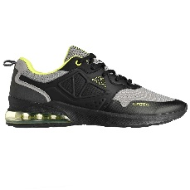 | 311D2CW-A61-PAI | 311D2CW | SPLINTER MAN | A61 | BLACK/GREY MD/YELLOW FLUO | HIVER 2022 | SHOES | SNEAKERS | MAN | LOW CUT | 65.00 € | 32.50 € | 0 | PAI | 25 | 25 | 0 | 0 | 0 | 0 | 0 | 0 | 0 | 0 | 0 | 0 | 0 | 0 | 0 | 0 | 0 | 0 | 0 | 0 | 0 | 1 | 0 | 19 | 1 | 0 | 4 | 0 | 0 | 0 | 0 | 0 | 0 | 0 | 0 | 0 | 0 | 0 | 0 | 0 | 0 | 0 | 0 | 0 | 0 | 0 | 0 | 0 | 0 | 0 | 0
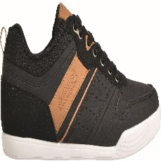 | 32146LW-A30-PAI | 32146LW | LODAM | A30 | BLACK/BROWN LT | HIVER 2022 | SHOES | CASUAL | MAN | LOW CUT | 55.00 € | 27.50 € | 0 | PAI | 3 | 3 | 0 | 0 | 0 | 0 | 0 | 0 | 0 | 0 | 0 | 0 | 0 | 0 | 0 | 0 | 0 | 0 | 0 | 0 | 0 | 0 | 0 | 1 | 0 | 0 | 2 | 0 | 0 | 0 | 0 | 0 | 0 | 0 | 0 | 0 | 0 | 0 | 0 | 0 | 0 | 0 | 0 | 0 | 0 | 0 | 0 | 0 | 0 | 0 | 0
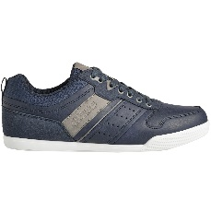 | 32146LW-A3C-PAI | 32146LW | LODAM | A3C | BLUE DK/GREY | HIVER 2022 | SHOES | CASUAL | MAN | LOW CUT | 55.00 € | 27.50 € | 0 | PAI | 78 | 78 | 0 | 0 | 0 | 0 | 0 | 0 | 0 | 0 | 0 | 0 | 0 | 0 | 0 | 0 | 0 | 0 | 0 | 0 | 0 | 0 | 53 | 12 | 7 | 0 | 6 | 0 | 0 | 0 | 0 | 0 | 0 | 0 | 0 | 0 | 0 | 0 | 0 | 0 | 0 | 0 | 0 | 0 | 0 | 0 | 0 | 0 | 0 | 0 | 0
 | 32146LW-A3C-C12MA | 32146LW | LODAM | A3C | BLUE DK/GREY | HIVER 2022 | SHOES | CASUAL | MAN | LOW CUT | 55.00 € | 27.50 € | 40-1|41-1|42-3|43-3|44-2|45-1|46-1 | C12MA | 324 | 27 | 0 | 0 | 0 | 0 | 0 | 0 | 0 | 0 | 0 | 0 | 0 | 0 | 0 | 0 | 0 | 0 | 0 | 0 | 0 | 0 | 0 | 0 | 0 | 0 | 0 | 0 | 0 | 0 | 0 | 0 | 0 | 0 | 0 | 0 | 0 | 0 | 0 | 0 | 0 | 0 | 0 | 0 | 0 | 0 | 0 | 0 | 0 | 0 | 27
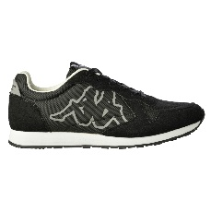 | 32154UW-A11-PAI | 32154UW | KOMAYA | A11 | BLACK GREY | HIVER 2022 | SHOES | SNEAKERS | MAN | LOW CUT | 55.00 € | 27.50 € | 0 | PAI | 21 | 21 | 0 | 0 | 0 | 0 | 0 | 0 | 0 | 0 | 0 | 0 | 0 | 0 | 0 | 0 | 0 | 0 | 0 | 0 | 1 | 4 | 0 | 3 | 4 | 4 | 5 | 0 | 0 | 0 | 0 | 0 | 0 | 0 | 0 | 0 | 0 | 0 | 0 | 0 | 0 | 0 | 0 | 0 | 0 | 0 | 0 | 0 | 0 | 0 | 0
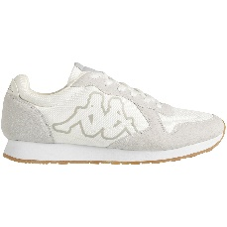 | 32154UW-A20-PAI | 32154UW | KOMAYA | A20 | WHITE/GREY VAPOR | HIVER 2022 | SHOES | SNEAKERS | MAN | LOW CUT | 55.00 € | 27.50 € | 0 | PAI | 32 | 32 | 0 | 0 | 0 | 0 | 0 | 0 | 0 | 0 | 0 | 0 | 0 | 0 | 0 | 0 | 0 | 0 | 0 | 0 | 0 | 0 | 0 | 8 | 2 | 0 | 22 | 0 | 0 | 0 | 0 | 0 | 0 | 0 | 0 | 0 | 0 | 0 | 0 | 0 | 0 | 0 | 0 | 0 | 0 | 0 | 0 | 0 | 0 | 0 | 0
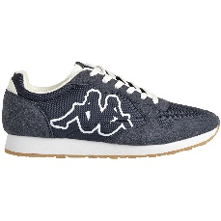 | 32154UW-A21-PAI | 32154UW | KOMAYA | A21 | BLUE MARINE/WHITE | HIVER 2022 | SHOES | SNEAKERS | MAN | LOW CUT | 55.00 € | 27.50 € | 0 | PAI | 40 | 40 | 0 | 0 | 0 | 0 | 0 | 0 | 0 | 0 | 0 | 0 | 0 | 0 | 0 | 0 | 0 | 0 | 0 | 0 | 1 | 0 | 0 | 11 | 5 | 0 | 23 | 0 | 0 | 0 | 0 | 0 | 0 | 0 | 0 | 0 | 0 | 0 | 0 | 0 | 0 | 0 | 0 | 0 | 0 | 0 | 0 | 0 | 0 | 0 | 0
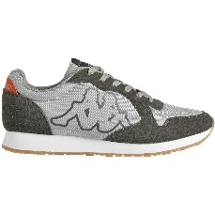 | 32154UW-A2W-PAI | 32154UW | KOMAYA | A2W | GREY DK/RED DK | HIVER 2022 | SHOES | SNEAKERS | MAN | LOW CUT | 55.00 € | 27.50 € | 0 | PAI | 24 | 24 | 0 | 0 | 0 | 0 | 0 | 0 | 0 | 0 | 0 | 0 | 0 | 0 | 0 | 0 | 0 | 0 | 0 | 0 | 2 | 2 | 9 | 4 | 5 | 1 | 1 | 0 | 0 | 0 | 0 | 0 | 0 | 0 | 0 | 0 | 0 | 0 | 0 | 0 | 0 | 0 | 0 | 0 | 0 | 0 | 0 | 0 | 0 | 0 | 0
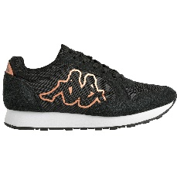 | 321619W-A15-PAI | 321619W | KOMAYA WO | A15 | BLACK/BROWN BRONZE | HIVER 2022 | SHOES | SNEAKERS | WOMAN | LOW CUT | 55.00 € | 27.50 € | 0 | PAI | 11 | 11 | 0 | 0 | 0 | 0 | 0 | 0 | 0 | 0 | 0 | 0 | 0 | 0 | 0 | 0 | 0 | 0 | 0 | 3 | 5 | 3 | 0 | 0 | 0 | 0 | 0 | 0 | 0 | 0 | 0 | 0 | 0 | 0 | 0 | 0 | 0 | 0 | 0 | 0 | 0 | 0 | 0 | 0 | 0 | 0 | 0 | 0 | 0 | 0 | 0
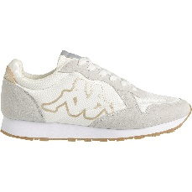 | 321619W-A2D-PAI | 321619W | KOMAYA WO | A2D | WHITE/YELLOW GOLD | HIVER 2022 | SHOES | SNEAKERS | WOMAN | LOW CUT | 55.00 € | 27.50 € | 0 | PAI | 20 | 20 | 0 | 0 | 0 | 0 | 0 | 0 | 0 | 0 | 0 | 0 | 0 | 0 | 0 | 0 | 0 | 0 | 2 | 5 | 8 | 5 | 0 | 0 | 0 | 0 | 0 | 0 | 0 | 0 | 0 | 0 | 0 | 0 | 0 | 0 | 0 | 0 | 0 | 0 | 0 | 0 | 0 | 0 | 0 | 0 | 0 | 0 | 0 | 0 | 0
 | 321619W-A2D-C12W | 321619W | KOMAYA WO | A2D | WHITE/YELLOW GOLD | HIVER 2022 | SHOES | SNEAKERS | WOMAN | LOW CUT | 55.00 € | 27.50 € | 36-1|37-2|38-3|39-3|40-2|41-1 | C12W | 120 | 10 | 0 | 0 | 0 | 0 | 0 | 0 | 0 | 0 | 0 | 0 | 0 | 0 | 0 | 0 | 0 | 0 | 0 | 0 | 0 | 0 | 0 | 0 | 0 | 0 | 0 | 0 | 0 | 0 | 0 | 0 | 0 | 0 | 0 | 0 | 0 | 0 | 0 | 0 | 0 | 0 | 0 | 0 | 0 | 0 | 0 | 0 | 0 | 0 | 10
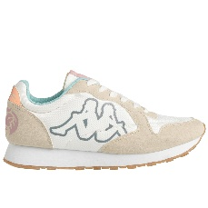 | 321619W-A3B-PAI | 321619W | KOMAYA WO | A3B | WHITE/BEIGE LT/BLUE LT | HIVER 2022 | SHOES | SNEAKERS | WOMAN | LOW CUT | 55.00 € | 27.50 € | 0 | PAI | 15 | 15 | 0 | 0 | 0 | 0 | 0 | 0 | 0 | 0 | 0 | 0 | 0 | 0 | 0 | 0 | 2 | 2 | 0 | 6 | 5 | 0 | 0 | 0 | 0 | 0 | 0 | 0 | 0 | 0 | 0 | 0 | 0 | 0 | 0 | 0 | 0 | 0 | 0 | 0 | 0 | 0 | 0 | 0 | 0 | 0 | 0 | 0 | 0 | 0 | 0
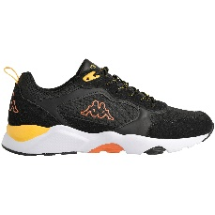 | 32163VW-A39-PAI | 32163VW | BRADY NY | A39 | BLACK/ORANGE DK/YELLOW | HIVER 2022 | SHOES | SNEAKERS | MAN | LOW CUT | 60.00 € | 30.00 € | 0 | PAI | 66 | 66 | 0 | 0 | 0 | 0 | 0 | 0 | 0 | 0 | 0 | 0 | 0 | 0 | 0 | 0 | 0 | 0 | 0 | 0 | 0 | 0 | 18 | 17 | 21 | 0 | 10 | 0 | 0 | 0 | 0 | 0 | 0 | 0 | 0 | 0 | 0 | 0 | 0 | 0 | 0 | 0 | 0 | 0 | 0 | 0 | 0 | 0 | 0 | 0 | 0
 | 32163VW-A39-C12MA | 32163VW | BRADY NY | A39 | BLACK/ORANGE DK/YELLOW | HIVER 2022 | SHOES | SNEAKERS | MAN | LOW CUT | 60.00 € | 30.00 € | 40-1|41-1|42-3|43-3|44-2|45-1|46-1 | C12MA | 684 | 57 | 0 | 0 | 0 | 0 | 0 | 0 | 0 | 0 | 0 | 0 | 0 | 0 | 0 | 0 | 0 | 0 | 0 | 0 | 0 | 0 | 0 | 0 | 0 | 0 | 0 | 0 | 0 | 0 | 0 | 0 | 0 | 0 | 0 | 0 | 0 | 0 | 0 | 0 | 0 | 0 | 0 | 0 | 0 | 0 | 0 | 0 | 0 | 0 | 57
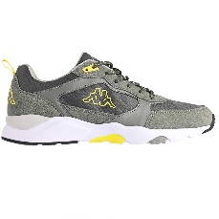 | 32163VW-A5I-PAI | 32163VW | BRADY NY | A5I | GREY DK/GREY/GREEN | HIVER 2022 | SHOES | SNEAKERS | MAN | LOW CUT | 60.00 € | 30.00 € | 0 | PAI | 195 | 195 | 0 | 0 | 0 | 0 | 0 | 0 | 0 | 0 | 0 | 0 | 0 | 0 | 0 | 0 | 0 | 0 | 0 | 0 | 0 | 1 | 49 | 57 | 63 | 16 | 9 | 0 | 0 | 0 | 0 | 0 | 0 | 0 | 0 | 0 | 0 | 0 | 0 | 0 | 0 | 0 | 0 | 0 | 0 | 0 | 0 | 0 | 0 | 0 | 0
 | 32163VW-A5I-C12MA | 32163VW | BRADY NY | A5I | GREY DK/GREY/GREEN | HIVER 2022 | SHOES | SNEAKERS | MAN | LOW CUT | 60.00 € | 30.00 € | 40-1|41-1|42-3|43-3|44-2|45-1|46-1 | C12MA | 372 | 31 | 0 | 0 | 0 | 0 | 0 | 0 | 0 | 0 | 0 | 0 | 0 | 0 | 0 | 0 | 0 | 0 | 0 | 0 | 0 | 0 | 0 | 0 | 0 | 0 | 0 | 0 | 0 | 0 | 0 | 0 | 0 | 0 | 0 | 0 | 0 | 0 | 0 | 0 | 0 | 0 | 0 | 0 | 0 | 0 | 0 | 0 | 0 | 0 | 31
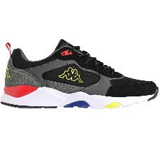 | 32163VW-A5O-PAI | 32163VW | BRADY NY | A5O | BLACK/RED/GREEN LIME | HIVER 2022 | SHOES | SNEAKERS | MAN | LOW CUT | 60.00 € | 30.00 € | 0 | PAI | 5 | 5 | 0 | 0 | 0 | 0 | 0 | 0 | 0 | 0 | 0 | 0 | 0 | 0 | 0 | 0 | 0 | 0 | 0 | 0 | 0 | 0 | 0 | 0 | 5 | 0 | 0 | 0 | 0 | 0 | 0 | 0 | 0 | 0 | 0 | 0 | 0 | 0 | 0 | 0 | 0 | 0 | 0 | 0 | 0 | 0 | 0 | 0 | 0 | 0 | 0
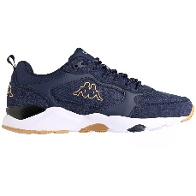 | 32163VW-A63-PAI | 32163VW | BRADY NY | A63 | BLUE MARINE/GREY DK/BROWN LT | HIVER 2022 | SHOES | SNEAKERS | MAN | LOW CUT | 60.00 € | 30.00 € | 0 | PAI | 26 | 26 | 0 | 0 | 0 | 0 | 0 | 0 | 0 | 0 | 0 | 0 | 0 | 0 | 0 | 0 | 0 | 0 | 0 | 0 | 0 | 0 | 0 | 1 | 23 | 2 | 0 | 0 | 0 | 0 | 0 | 0 | 0 | 0 | 0 | 0 | 0 | 0 | 0 | 0 | 0 | 0 | 0 | 0 | 0 | 0 | 0 | 0 | 0 | 0 | 0
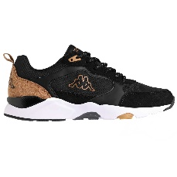 | 32163VW-A6U-PAI | 32163VW | BRADY NY | A6U | BLACK/BROWN LT | HIVER 2022 | SHOES | SNEAKERS | MAN | LOW CUT | 60.00 € | 30.00 € | 0 | PAI | 2 | 2 | 0 | 0 | 0 | 0 | 0 | 0 | 0 | 0 | 0 | 0 | 0 | 0 | 0 | 0 | 0 | 0 | 0 | 0 | 0 | 0 | 0 | 0 | 0 | 0 | 2 | 0 | 0 | 0 | 0 | 0 | 0 | 0 | 0 | 0 | 0 | 0 | 0 | 0 | 0 | 0 | 0 | 0 | 0 | 0 | 0 | 0 | 0 | 0 | 0
 | 32192YW-A15-PAI | 32192YW | MIDIANO MAN | A15 | BLUE NAVY/BROWN LT | ETE 2023 | SHOES | URBAN CASU | MAN | LOW CUT | 70.00 € | 35.00 € | 0 | PAI | 105 | 105 | 0 | 0 | 0 | 0 | 0 | 0 | 0 | 0 | 0 | 0 | 0 | 0 | 0 | 0 | 0 | 0 | 0 | 0 | 8 | 8 | 24 | 24 | 24 | 9 | 8 | 0 | 0 | 0 | 0 | 0 | 0 | 0 | 0 | 0 | 0 | 0 | 0 | 0 | 0 | 0 | 0 | 0 | 0 | 0 | 0 | 0 | 0 | 0 | 0
 | 32192YW-A15-C12MA | 32192YW | MIDIANO MAN | A15 | BLUE NAVY/BROWN LT | ETE 2023 | SHOES | URBAN CASU | MAN | LOW CUT | 70.00 € | 35.00 € | 40-1|41-1|42-3|43-3|44-2|45-1|46-1 | C12MA | 372 | 31 | 0 | 0 | 0 | 0 | 0 | 0 | 0 | 0 | 0 | 0 | 0 | 0 | 0 | 0 | 0 | 0 | 0 | 0 | 0 | 0 | 0 | 0 | 0 | 0 | 0 | 0 | 0 | 0 | 0 | 0 | 0 | 0 | 0 | 0 | 0 | 0 | 0 | 0 | 0 | 0 | 0 | 0 | 0 | 0 | 0 | 0 | 0 | 0 | 31
 | 32192YW-A16-PAI | 32192YW | MIDIANO MAN | A16 | BLACK/BROWN | HIVER 2022 | SHOES | URBAN CASU | MAN | LOW CUT | 70.00 € | 35.00 € | 0 | PAI | 10 | 10 | 0 | 0 | 0 | 0 | 0 | 0 | 0 | 0 | 0 | 0 | 0 | 0 | 0 | 0 | 0 | 0 | 0 | 0 | 0 | 0 | 2 | 0 | 3 | 0 | 5 | 0 | 0 | 0 | 0 | 0 | 0 | 0 | 0 | 0 | 0 | 0 | 0 | 0 | 0 | 0 | 0 | 0 | 0 | 0 | 0 | 0 | 0 | 0 | 0
 | 32192YW-A16-C12MA | 32192YW | MIDIANO MAN | A16 | BLACK/BROWN | HIVER 2022 | SHOES | URBAN CASU | MAN | LOW CUT | 70.00 € | 35.00 € | 40-1|41-1|42-3|43-3|44-2|45-1|46-1 | C12MA | 384 | 32 | 0 | 0 | 0 | 0 | 0 | 0 | 0 | 0 | 0 | 0 | 0 | 0 | 0 | 0 | 0 | 0 | 0 | 0 | 0 | 0 | 0 | 0 | 0 | 0 | 0 | 0 | 0 | 0 | 0 | 0 | 0 | 0 | 0 | 0 | 0 | 0 | 0 | 0 | 0 | 0 | 0 | 0 | 0 | 0 | 0 | 0 | 0 | 0 | 32
 | 32192YW-A17-PAI | 32192YW | MIDIANO MAN | A17 | BROWN DK/BLACK | ETE 2023 | SHOES | URBAN CASU | MAN | LOW CUT | 70.00 € | 35.00 € | 0 | PAI | 96 | 96 | 0 | 0 | 0 | 0 | 0 | 0 | 0 | 0 | 0 | 0 | 0 | 0 | 0 | 0 | 0 | 0 | 0 | 0 | 8 | 8 | 24 | 24 | 16 | 8 | 8 | 0 | 0 | 0 | 0 | 0 | 0 | 0 | 0 | 0 | 0 | 0 | 0 | 0 | 0 | 0 | 0 | 0 | 0 | 0 | 0 | 0 | 0 | 0 | 0
 | 32192YW-A17-C12MA | 32192YW | MIDIANO MAN | A17 | BROWN DK/BLACK | ETE 2023 | SHOES | URBAN CASU | MAN | LOW CUT | 70.00 € | 35.00 € | 40-1|41-1|42-3|43-3|44-2|45-1|46-1 | C12MA | 264 | 22 | 0 | 0 | 0 | 0 | 0 | 0 | 0 | 0 | 0 | 0 | 0 | 0 | 0 | 0 | 0 | 0 | 0 | 0 | 0 | 0 | 0 | 0 | 0 | 0 | 0 | 0 | 0 | 0 | 0 | 0 | 0 | 0 | 0 | 0 | 0 | 0 | 0 | 0 | 0 | 0 | 0 | 0 | 0 | 0 | 0 | 0 | 0 | 0 | 22
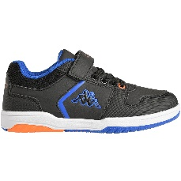 | 321961W-A0T-PAI | 321961W | KARY EV KID | A0T | BLACK/BLUE COLD | HIVER 2022 | SHOES | CASUAL | KID | LOW CUT | 40.00 € | 20.00 € | 0 | PAI | 9 | 9 | 0 | 0 | 0 | 0 | 0 | 0 | 0 | 0 | 3 | 3 | 2 | 1 | 0 | 0 | 0 | 0 | 0 | 0 | 0 | 0 | 0 | 0 | 0 | 0 | 0 | 0 | 0 | 0 | 0 | 0 | 0 | 0 | 0 | 0 | 0 | 0 | 0 | 0 | 0 | 0 | 0 | 0 | 0 | 0 | 0 | 0 | 0 | 0 | 0
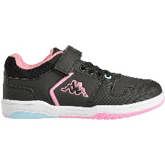 | 321961W-A1S-PAI | 321961W | KARY EV KID | A1S | BLACK/PINK | HIVER 2022 | SHOES | CASUAL | KID | LOW CUT | 40.00 € | 20.00 € | 0 | PAI | 53 | 53 | 0 | 0 | 0 | 0 | 0 | 0 | 2 | 2 | 8 | 7 | 7 | 19 | 3 | 3 | 2 | 0 | 0 | 0 | 0 | 0 | 0 | 0 | 0 | 0 | 0 | 0 | 0 | 0 | 0 | 0 | 0 | 0 | 0 | 0 | 0 | 0 | 0 | 0 | 0 | 0 | 0 | 0 | 0 | 0 | 0 | 0 | 0 | 0 | 0
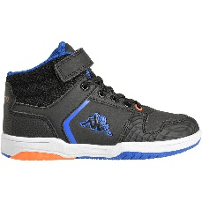 | 321962W-A0T-PAI | 321962W | KARY MD EV KID | A0T | BLACK/BLUE COLD | HIVER 2022 | SHOES | CASUAL | KID | MID CUT | 45.00 € | 22.50 € | 0 | PAI | 15 | 15 | 0 | 0 | 0 | 0 | 0 | 0 | 0 | 1 | 6 | 2 | 3 | 1 | 1 | 1 | 0 | 0 | 0 | 0 | 0 | 0 | 0 | 0 | 0 | 0 | 0 | 0 | 0 | 0 | 0 | 0 | 0 | 0 | 0 | 0 | 0 | 0 | 0 | 0 | 0 | 0 | 0 | 0 | 0 | 0 | 0 | 0 | 0 | 0 | 0
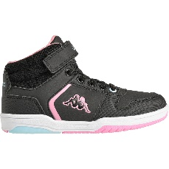 | 321962W-A1S-PAI | 321962W | KARY MD EV KID | A1S | BLACK/PINK | HIVER 2022 | SHOES | CASUAL | KID | MID CUT | 45.00 € | 22.50 € | 0 | PAI | 42 | 42 | 0 | 0 | 0 | 0 | 0 | 0 | 0 | 0 | 5 | 5 | 12 | 14 | 6 | 0 | 0 | 0 | 0 | 0 | 0 | 0 | 0 | 0 | 0 | 0 | 0 | 0 | 0 | 0 | 0 | 0 | 0 | 0 | 0 | 0 | 0 | 0 | 0 | 0 | 0 | 0 | 0 | 0 | 0 | 0 | 0 | 0 | 0 | 0 | 0
 | 321B4GW-A2Y-PAI | 321B4GW | TUDY LACE CANVAS JR | A2Y | PINK LT/WHITE | ETE 2023 | SHOES | SNEAKERS | KID | LOW CUT | 45.00 € | 22.50 € | 0 | PAI | 265 | 265 | 0 | 0 | 0 | 0 | 0 | 0 | 0 | 0 | 0 | 0 | 11 | 12 | 35 | 61 | 53 | 56 | 29 | 8 | 0 | 0 | 0 | 0 | 0 | 0 | 0 | 0 | 0 | 0 | 0 | 0 | 0 | 0 | 0 | 0 | 0 | 0 | 0 | 0 | 0 | 0 | 0 | 0 | 0 | 0 | 0 | 0 | 0 | 0 | 0
 | 321B4GW-A3E-PAI | 321B4GW | TUDY LACE CANVAS JR | A3E | AZURE LT/WHITE | ETE 2023 | SHOES | SNEAKERS | KID | LOW CUT | 45.00 € | 22.50 € | 0 | PAI | 67 | 67 | 0 | 0 | 0 | 0 | 0 | 0 | 0 | 0 | 0 | 0 | 0 | 0 | 6 | 15 | 17 | 22 | 7 | 0 | 0 | 0 | 0 | 0 | 0 | 0 | 0 | 0 | 0 | 0 | 0 | 0 | 0 | 0 | 0 | 0 | 0 | 0 | 0 | 0 | 0 | 0 | 0 | 0 | 0 | 0 | 0 | 0 | 0 | 0 | 0
 | 321B4RW-A1T-PAI | 321B4RW | LENA WO | A1T | BLUE DK/PINK METALLIC | ETE 2023 | SHOES | SNEAKERS | WOMAN | LOW CUT | 55.00 € | 27.50 € | 0 | PAI | 180 | 180 | 0 | 0 | 0 | 0 | 0 | 0 | 0 | 0 | 0 | 0 | 0 | 0 | 0 | 0 | 14 | 32 | 49 | 42 | 31 | 12 | 0 | 0 | 0 | 0 | 0 | 0 | 0 | 0 | 0 | 0 | 0 | 0 | 0 | 0 | 0 | 0 | 0 | 0 | 0 | 0 | 0 | 0 | 0 | 0 | 0 | 0 | 0 | 0 | 0
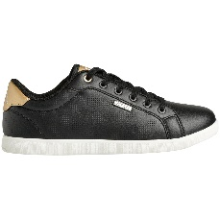 | 321B4RW-A1U-PAI | 321B4RW | LENA WO | A1U | BLACK/YELLOW GOLD | ETE 2023 | SHOES | SNEAKERS | WOMAN | LOW CUT | 55.00 € | 27.50 € | 0 | PAI | 38 | 38 | 0 | 0 | 0 | 0 | 0 | 0 | 0 | 0 | 0 | 0 | 0 | 0 | 0 | 0 | 3 | 7 | 9 | 10 | 6 | 3 | 0 | 0 | 0 | 0 | 0 | 0 | 0 | 0 | 0 | 0 | 0 | 0 | 0 | 0 | 0 | 0 | 0 | 0 | 0 | 0 | 0 | 0 | 0 | 0 | 0 | 0 | 0 | 0 | 0
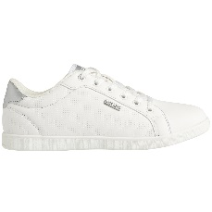 | 321B4RW-C29-PAI | 321B4RW | LENA WO | C29 | WHITE/GREY SILVER | ETE 2023 | SHOES | SNEAKERS | WOMAN | LOW CUT | 55.00 € | 27.50 € | 0 | PAI | 37 | 37 | 0 | 0 | 0 | 0 | 0 | 0 | 0 | 0 | 0 | 0 | 0 | 0 | 0 | 0 | 3 | 6 | 9 | 10 | 6 | 3 | 0 | 0 | 0 | 0 | 0 | 0 | 0 | 0 | 0 | 0 | 0 | 0 | 0 | 0 | 0 | 0 | 0 | 0 | 0 | 0 | 0 | 0 | 0 | 0 | 0 | 0 | 0 | 0 | 0
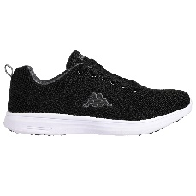 | 321C8FW-A0A-PAI | 321C8FW | ASIVAT 2 MAN | A0A | BLACK/GREY DK | HIVER 2022 | SHOES | CONFORT | MAN | LOW CUT | 50.00 € | 25.00 € | 0 | PAI | 7 | 7 | 0 | 0 | 0 | 0 | 0 | 0 | 0 | 0 | 0 | 0 | 0 | 0 | 0 | 0 | 0 | 0 | 0 | 0 | 0 | 0 | 0 | 0 | 0 | 0 | 7 | 0 | 0 | 0 | 0 | 0 | 0 | 0 | 0 | 0 | 0 | 0 | 0 | 0 | 0 | 0 | 0 | 0 | 0 | 0 | 0 | 0 | 0 | 0 | 0
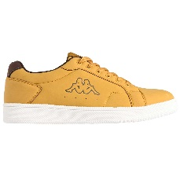 | 321D7UW-A27-PAI | 321D7UW | ADENIS | A27 | YELLOW TAN/BROWN DK/WHITE OFF | ETE 2023 | SHOES | URBAN CASU | MAN | LOW CUT | 55.00 € | 27.50 € | 0 | PAI | 570 | 570 | 0 | 0 | 0 | 0 | 0 | 0 | 0 | 0 | 0 | 0 | 0 | 0 | 0 | 0 | 0 | 0 | 0 | 0 | 61 | 71 | 126 | 128 | 99 | 49 | 36 | 0 | 0 | 0 | 0 | 0 | 0 | 0 | 0 | 0 | 0 | 0 | 0 | 0 | 0 | 0 | 0 | 0 | 0 | 0 | 0 | 0 | 0 | 0 | 0
 | 321D7UW-A27-C12MA | 321D7UW | ADENIS | A27 | YELLOW TAN/BROWN DK/WHITE OFF | ETE 2023 | SHOES | URBAN CASU | MAN | LOW CUT | 55.00 € | 27.50 € | 40-1|41-1|42-3|43-3|44-2|45-1|46-1 | C12MA | 324 | 27 | 0 | 0 | 0 | 0 | 0 | 0 | 0 | 0 | 0 | 0 | 0 | 0 | 0 | 0 | 0 | 0 | 0 | 0 | 0 | 0 | 0 | 0 | 0 | 0 | 0 | 0 | 0 | 0 | 0 | 0 | 0 | 0 | 0 | 0 | 0 | 0 | 0 | 0 | 0 | 0 | 0 | 0 | 0 | 0 | 0 | 0 | 0 | 0 | 27
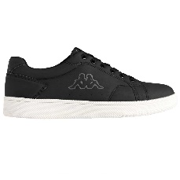 | 321D7UW-A28-PAI | 321D7UW | ADENIS | A28 | BLACK/GREY DK/GREY LT | ETE 2023 | SHOES | URBAN CASU | MAN | LOW CUT | 55.00 € | 27.50 € | 0 | PAI | 192 | 192 | 0 | 0 | 0 | 0 | 0 | 0 | 0 | 0 | 0 | 0 | 0 | 0 | 0 | 0 | 0 | 0 | 0 | 0 | 15 | 16 | 53 | 49 | 36 | 9 | 14 | 0 | 0 | 0 | 0 | 0 | 0 | 0 | 0 | 0 | 0 | 0 | 0 | 0 | 0 | 0 | 0 | 0 | 0 | 0 | 0 | 0 | 0 | 0 | 0
 | 321D7UW-A28-C12MA | 321D7UW | ADENIS | A28 | BLACK/GREY DK/GREY LT | ETE 2023 | SHOES | URBAN CASU | MAN | LOW CUT | 55.00 € | 27.50 € | 40-1|41-1|42-3|43-3|44-2|45-1|46-1 | C12MA | 36 | 3 | 0 | 0 | 0 | 0 | 0 | 0 | 0 | 0 | 0 | 0 | 0 | 0 | 0 | 0 | 0 | 0 | 0 | 0 | 0 | 0 | 0 | 0 | 0 | 0 | 0 | 0 | 0 | 0 | 0 | 0 | 0 | 0 | 0 | 0 | 0 | 0 | 0 | 0 | 0 | 0 | 0 | 0 | 0 | 0 | 0 | 0 | 0 | 0 | 3
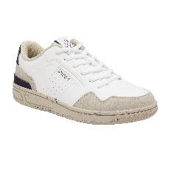 | 321D8IW-A0A-PAI | 321D8IW | NUNBA GREEN LACE | A0A | WHITE/BLUE INSIGNIA | ETE 2022 | SHOES | SNEAKERS | KID | LOW CUT | 45.00 € | 22.50 € | 0 | PAI | 198 | 198 | 0 | 0 | 0 | 0 | 0 | 0 | 0 | 0 | 0 | 0 | 0 | 0 | 0 | 34 | 43 | 37 | 47 | 37 | 0 | 0 | 0 | 0 | 0 | 0 | 0 | 0 | 0 | 0 | 0 | 0 | 0 | 0 | 0 | 0 | 0 | 0 | 0 | 0 | 0 | 0 | 0 | 0 | 0 | 0 | 0 | 0 | 0 | 0 | 0
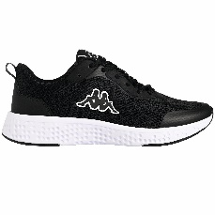 | 321H1FW-A1S-PAI | 321H1FW | BERKAT 2 | A1S | BLACK/WHITE | ETE 2023 | SHOES | SNEAKERS | UNISEX | LOW CUT | 60.00 € | 30.00 € | 0 | PAI | 349 | 349 | 0 | 0 | 0 | 0 | 0 | 0 | 0 | 0 | 0 | 0 | 0 | 0 | 0 | 0 | 0 | 0 | 0 | 0 | 35 | 34 | 90 | 92 | 50 | 22 | 26 | 0 | 0 | 0 | 0 | 0 | 0 | 0 | 0 | 0 | 0 | 0 | 0 | 0 | 0 | 0 | 0 | 0 | 0 | 0 | 0 | 0 | 0 | 0 | 0
 | 321H1FW-A1S-C12MA | 321H1FW | BERKAT 2 | A1S | BLACK/WHITE | ETE 2023 | SHOES | SNEAKERS | UNISEX | LOW CUT | 60.00 € | 30.00 € | 40-1|41-1|42-3|43-3|44-2|45-1|46-1 | C12MA | 432 | 36 | 0 | 0 | 0 | 0 | 0 | 0 | 0 | 0 | 0 | 0 | 0 | 0 | 0 | 0 | 0 | 0 | 0 | 0 | 0 | 0 | 0 | 0 | 0 | 0 | 0 | 0 | 0 | 0 | 0 | 0 | 0 | 0 | 0 | 0 | 0 | 0 | 0 | 0 | 0 | 0 | 0 | 0 | 0 | 0 | 0 | 0 | 0 | 0 | 36
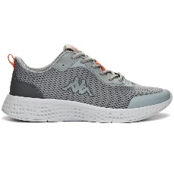 | 321H1FW-A3C-PAI | 321H1FW | BERKAT 2 | A3C | GREY/ORANGE/BLACK | HIVER 2022 | SHOES | SNEAKERS | UNISEX | LOW CUT | 60.00 € | 30.00 € | 0 | PAI | 257 | 257 | 0 | 0 | 0 | 0 | 0 | 0 | 0 | 0 | 0 | 0 | 0 | 0 | 0 | 0 | 0 | 0 | 0 | 0 | 19 | 3 | 70 | 80 | 46 | 16 | 23 | 0 | 0 | 0 | 0 | 0 | 0 | 0 | 0 | 0 | 0 | 0 | 0 | 0 | 0 | 0 | 0 | 0 | 0 | 0 | 0 | 0 | 0 | 0 | 0
 | 321H1FW-A3C-C12MA | 321H1FW | BERKAT 2 | A3C | GREY/ORANGE/BLACK | HIVER 2022 | SHOES | SNEAKERS | UNISEX | LOW CUT | 60.00 € | 30.00 € | 40-1|41-1|42-3|43-3|44-2|45-1|46-1 | C12MA | 564 | 47 | 0 | 0 | 0 | 0 | 0 | 0 | 0 | 0 | 0 | 0 | 0 | 0 | 0 | 0 | 0 | 0 | 0 | 0 | 0 | 0 | 0 | 0 | 0 | 0 | 0 | 0 | 0 | 0 | 0 | 0 | 0 | 0 | 0 | 0 | 0 | 0 | 0 | 0 | 0 | 0 | 0 | 0 | 0 | 0 | 0 | 0 | 0 | 0 | 47
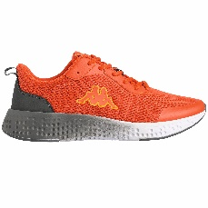 | 321H1FW-A46-PAI | 321H1FW | BERKAT 2 | A46 | ORANGE DK/YELLOW/GREY DK | ETE 2023 | SHOES | SNEAKERS | UNISEX | LOW CUT | 60.00 € | 30.00 € | 0 | PAI | 175 | 175 | 0 | 0 | 0 | 0 | 0 | 0 | 0 | 0 | 0 | 0 | 0 | 0 | 0 | 0 | 0 | 0 | 0 | 0 | 8 | 6 | 54 | 51 | 28 | 11 | 17 | 0 | 0 | 0 | 0 | 0 | 0 | 0 | 0 | 0 | 0 | 0 | 0 | 0 | 0 | 0 | 0 | 0 | 0 | 0 | 0 | 0 | 0 | 0 | 0
 | 321H1FW-A46-C12MA | 321H1FW | BERKAT 2 | A46 | ORANGE DK/YELLOW/GREY DK | ETE 2023 | SHOES | SNEAKERS | UNISEX | LOW CUT | 60.00 € | 30.00 € | 40-1|41-1|42-3|43-3|44-2|45-1|46-1 | C12MA | 192 | 16 | 0 | 0 | 0 | 0 | 0 | 0 | 0 | 0 | 0 | 0 | 0 | 0 | 0 | 0 | 0 | 0 | 0 | 0 | 0 | 0 | 0 | 0 | 0 | 0 | 0 | 0 | 0 | 0 | 0 | 0 | 0 | 0 | 0 | 0 | 0 | 0 | 0 | 0 | 0 | 0 | 0 | 0 | 0 | 0 | 0 | 0 | 0 | 0 | 16
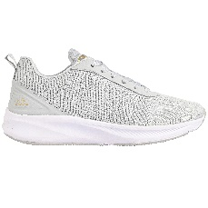 | 321J1KW-A19-PAI | 321J1KW | LYAL WO | A19 | GREY LT/GOLD/GLITTER | ETE 2023 | SHOES | ACTIVE | WOMAN |  | 60.00 € | 30.00 € | 0 | PAI | 220 | 220 | 0 | 0 | 0 | 0 | 0 | 0 | 0 | 0 | 0 | 0 | 0 | 0 | 0 | 0 | 30 | 33 | 47 | 44 | 36 | 30 | 0 | 0 | 0 | 0 | 0 | 0 | 0 | 0 | 0 | 0 | 0 | 0 | 0 | 0 | 0 | 0 | 0 | 0 | 0 | 0 | 0 | 0 | 0 | 0 | 0 | 0 | 0 | 0 | 0
 | 321J1KW-A19-C12W | 321J1KW | LYAL WO | A19 | GREY LT/GOLD/GLITTER | ETE 2023 | SHOES | ACTIVE | WOMAN |  | 60.00 € | 30.00 € | 36-1|37-2|38-3|39-3|40-2|41-1 | C12W | 456 | 38 | 0 | 0 | 0 | 0 | 0 | 0 | 0 | 0 | 0 | 0 | 0 | 0 | 0 | 0 | 0 | 0 | 0 | 0 | 0 | 0 | 0 | 0 | 0 | 0 | 0 | 0 | 0 | 0 | 0 | 0 | 0 | 0 | 0 | 0 | 0 | 0 | 0 | 0 | 0 | 0 | 0 | 0 | 0 | 0 | 0 | 0 | 0 | 0 | 38
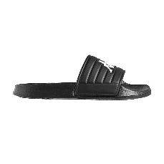 | 321K7DW-920-PAI | 321K7DW | NOLESIT | 920 | BLACK/WHITE | ETE 2023 | SHOES | BEACH | MAN | FLIPFLOP | 25.00 € | 12.50 € | 0 | PAI | 16 | 16 | 0 | 0 | 0 | 0 | 0 | 0 | 0 | 0 | 0 | 0 | 0 | 0 | 0 | 0 | 0 | 0 | 0 | 0 | 1 | 2 | 3 | 4 | 3 | 2 | 1 | 0 | 0 | 0 | 0 | 0 | 0 | 0 | 0 | 0 | 0 | 0 | 0 | 0 | 0 | 0 | 0 | 0 | 0 | 0 | 0 | 0 | 0 | 0 | 0
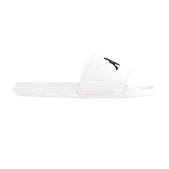 | 321K7DW-921-PAI | 321K7DW | NOLESIT | 921 | WHITE/BLACK | ETE 2023 | SHOES | BEACH | MAN | FLIPFLOP | 25.00 € | 12.50 € | 0 | PAI | 91 | 91 | 0 | 0 | 0 | 0 | 0 | 0 | 0 | 0 | 0 | 0 | 0 | 0 | 0 | 0 | 0 | 0 | 0 | 0 | 8 | 10 | 15 | 20 | 21 | 10 | 7 | 0 | 0 | 0 | 0 | 0 | 0 | 0 | 0 | 0 | 0 | 0 | 0 | 0 | 0 | 0 | 0 | 0 | 0 | 0 | 0 | 0 | 0 | 0 | 0
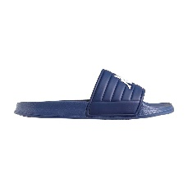 | 321K7DW-922-PAI | 321K7DW | NOLESIT | 922 | BLUE/WHITE | ETE 2023 | SHOES | BEACH | MAN | FLIPFLOP | 25.00 € | 12.50 € | 0 | PAI | 15 | 15 | 0 | 0 | 0 | 0 | 0 | 0 | 0 | 0 | 0 | 0 | 0 | 0 | 0 | 0 | 0 | 0 | 0 | 0 | 1 | 2 | 3 | 4 | 3 | 1 | 1 | 0 | 0 | 0 | 0 | 0 | 0 | 0 | 0 | 0 | 0 | 0 | 0 | 0 | 0 | 0 | 0 | 0 | 0 | 0 | 0 | 0 | 0 | 0 | 0
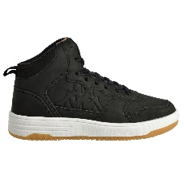 | 33142JW-A0L-PAI | 33142JW | SEATTLE MID | A0L | BLACK/BROWN | HIVER 2022 | SHOES | BOOTS | KID | MIDCUT | 50.00 € | 25.00 € | 0 | PAI | 120 | 120 | 0 | 0 | 0 | 0 | 0 | 0 | 0 | 0 | 0 | 0 | 0 | 0 | 0 | 18 | 17 | 33 | 33 | 19 | 0 | 0 | 0 | 0 | 0 | 0 | 0 | 0 | 0 | 0 | 0 | 0 | 0 | 0 | 0 | 0 | 0 | 0 | 0 | 0 | 0 | 0 | 0 | 0 | 0 | 0 | 0 | 0 | 0 | 0 | 0
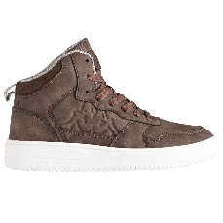 | 33142JW-A1F-PAI | 33142JW | SEATTLE MID | A1F | BROWN/GREY MD | HIVER 2022 | SHOES | BOOTS | KID | MIDCUT | 50.00 € | 25.00 € | 0 | PAI | 312 | 312 | 0 | 0 | 0 | 0 | 0 | 0 | 0 | 0 | 0 | 0 | 0 | 0 | 0 | 60 | 72 | 75 | 51 | 54 | 0 | 0 | 0 | 0 | 0 | 0 | 0 | 0 | 0 | 0 | 0 | 0 | 0 | 0 | 0 | 0 | 0 | 0 | 0 | 0 | 0 | 0 | 0 | 0 | 0 | 0 | 0 | 0 | 0 | 0 | 0
 | 33142JW-A1F-C12JR | 33142JW | SEATTLE MID | A1F | BROWN/GREY MD | HIVER 2022 | SHOES | BOOTS | KID | MIDCUT | 50.00 € | 25.00 € | 35-2|36-3|37-3|38-2|39-2 | C12JR | 120 | 10 | 0 | 0 | 0 | 0 | 0 | 0 | 0 | 0 | 0 | 0 | 0 | 0 | 0 | 0 | 0 | 0 | 0 | 0 | 0 | 0 | 0 | 0 | 0 | 0 | 0 | 0 | 0 | 0 | 0 | 0 | 0 | 0 | 0 | 0 | 0 | 0 | 0 | 0 | 0 | 0 | 0 | 0 | 0 | 0 | 0 | 0 | 0 | 0 | 10
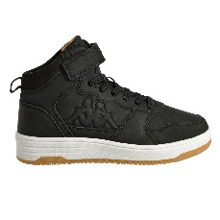 | 33142KW-A0L-PAI | 33142KW | SEATTLE MID EV | A0L | BLACK/BROWN | HIVER 2022 | SHOES | BOOTS | KID | MIDCUT | 45.00 € | 22.50 € | 0 | PAI | 102 | 102 | 0 | 0 | 0 | 0 | 0 | 0 | 8 | 14 | 13 | 11 | 29 | 19 | 8 | 0 | 0 | 0 | 0 | 0 | 0 | 0 | 0 | 0 | 0 | 0 | 0 | 0 | 0 | 0 | 0 | 0 | 0 | 0 | 0 | 0 | 0 | 0 | 0 | 0 | 0 | 0 | 0 | 0 | 0 | 0 | 0 | 0 | 0 | 0 | 0
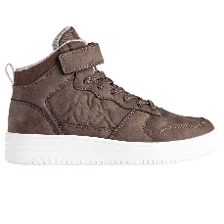 | 33142KW-A1F-PAI | 33142KW | SEATTLE MID EV | A1F | BROWN/GREY MD | HIVER 2022 | SHOES | BOOTS | KID | MIDCUT | 45.00 € | 22.50 € | 0 | PAI | 230 | 230 | 0 | 0 | 0 | 0 | 0 | 0 | 18 | 17 | 28 | 40 | 48 | 49 | 30 | 0 | 0 | 0 | 0 | 0 | 0 | 0 | 0 | 0 | 0 | 0 | 0 | 0 | 0 | 0 | 0 | 0 | 0 | 0 | 0 | 0 | 0 | 0 | 0 | 0 | 0 | 0 | 0 | 0 | 0 | 0 | 0 | 0 | 0 | 0 | 0
 | 33142KW-A1F-C14KD | 33142KW | SEATTLE MID EV | A1F | BROWN/GREY MD | HIVER 2022 | SHOES | BOOTS | KID | MIDCUT | 45.00 € | 22.50 € | 28-1|29-1|30-2|31-2|32-3|33-3|34-2 | C14KD | 140 | 10 | 0 | 0 | 0 | 0 | 0 | 0 | 0 | 0 | 0 | 0 | 0 | 0 | 0 | 0 | 0 | 0 | 0 | 0 | 0 | 0 | 0 | 0 | 0 | 0 | 0 | 0 | 0 | 0 | 0 | 0 | 0 | 0 | 0 | 0 | 0 | 0 | 0 | 0 | 0 | 0 | 0 | 0 | 0 | 0 | 0 | 0 | 0 | 0 | 10
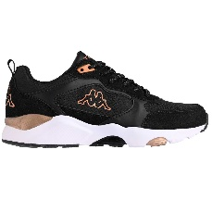 | 33147XW-A67-PAI | 33147XW | BRADY NY WO | A67 | BLACK/BROWN BRONZE/WHITE | HIVER 2022 | SHOES | SNEAKERS | WOMAN | LOW CUT | 60.00 € | 30.00 € | 0 | PAI | 209 | 209 | 0 | 0 | 0 | 0 | 0 | 0 | 0 | 0 | 0 | 0 | 0 | 0 | 0 | 0 | 8 | 36 | 62 | 92 | 6 | 5 | 0 | 0 | 0 | 0 | 0 | 0 | 0 | 0 | 0 | 0 | 0 | 0 | 0 | 0 | 0 | 0 | 0 | 0 | 0 | 0 | 0 | 0 | 0 | 0 | 0 | 0 | 0 | 0 | 0
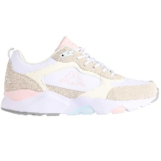 | 33147XW-A68-PAI | 33147XW | BRADY NY WO | A68 | WHITE/BEIGE LT/AZURE LT | HIVER 2022 | SHOES | SNEAKERS | WOMAN | LOW CUT | 60.00 € | 30.00 € | 0 | PAI | 57 | 57 | 0 | 0 | 0 | 0 | 0 | 0 | 0 | 0 | 0 | 0 | 0 | 0 | 0 | 0 | 0 | 6 | 12 | 35 | 0 | 4 | 0 | 0 | 0 | 0 | 0 | 0 | 0 | 0 | 0 | 0 | 0 | 0 | 0 | 0 | 0 | 0 | 0 | 0 | 0 | 0 | 0 | 0 | 0 | 0 | 0 | 0 | 0 | 0 | 0
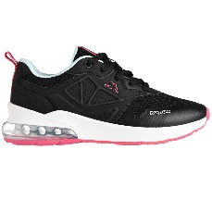 | 33152YW-A6T-PAI | 33152YW | SPLINTER LACE KID | A6T | BLACK/PINK DK/AZURE | HIVER 2022 | SHOES | SNEAKERS | KID | LOW CUT | 55.00 € | 27.50 € | 0 | PAI | 38 | 38 | 0 | 0 | 0 | 0 | 0 | 0 | 0 | 0 | 0 | 0 | 0 | 0 | 0 | 2 | 9 | 16 | 3 | 8 | 0 | 0 | 0 | 0 | 0 | 0 | 0 | 0 | 0 | 0 | 0 | 0 | 0 | 0 | 0 | 0 | 0 | 0 | 0 | 0 | 0 | 0 | 0 | 0 | 0 | 0 | 0 | 0 | 0 | 0 | 0
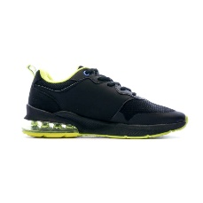 | 33152YW-A76-PAI | 33152YW | SPLINTER LACE KID | A76 | BLACK/YELOWFLUO/AZURE | HIVER 2022 | SHOES | SNEAKERS | KID | LOW CUT | 55.00 € | 27.50 € | 0 | PAI | 1 | 1 | 0 | 0 | 0 | 0 | 0 | 0 | 0 | 0 | 0 | 0 | 0 | 0 | 0 | 0 | 0 | 1 | 0 | 0 | 0 | 0 | 0 | 0 | 0 | 0 | 0 | 0 | 0 | 0 | 0 | 0 | 0 | 0 | 0 | 0 | 0 | 0 | 0 | 0 | 0 | 0 | 0 | 0 | 0 | 0 | 0 | 0 | 0 | 0 | 0
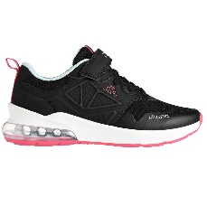 | 33152ZW-A6T-PAI | 33152ZW | SPLINTER EV KID | A6T | BLACK/PINK DK/AZURE | HIVER 2022 | SHOES | SNEAKERS | KID | LOW CUT | 50.00 € | 25.00 € | 0 | PAI | 2 | 2 | 0 | 0 | 0 | 0 | 0 | 0 | 0 | 0 | 0 | 1 | 0 | 0 | 1 | 0 | 0 | 0 | 0 | 0 | 0 | 0 | 0 | 0 | 0 | 0 | 0 | 0 | 0 | 0 | 0 | 0 | 0 | 0 | 0 | 0 | 0 | 0 | 0 | 0 | 0 | 0 | 0 | 0 | 0 | 0 | 0 | 0 | 0 | 0 | 0
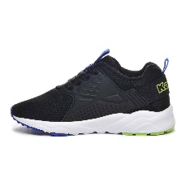 | 33157XW-A6R-PAI | 33157XW | SAN PUERTO EL INF BB | A6R | BLACK/GREEN/BLUE | ETE 2023 | SHOES | HERO BB SH | BABY | LOW CUT | 40.00 € | 20.00 € | 0 | PAI | 112 | 112 | 16 | 16 | 16 | 16 | 24 | 24 | 0 | 0 | 0 | 0 | 0 | 0 | 0 | 0 | 0 | 0 | 0 | 0 | 0 | 0 | 0 | 0 | 0 | 0 | 0 | 0 | 0 | 0 | 0 | 0 | 0 | 0 | 0 | 0 | 0 | 0 | 0 | 0 | 0 | 0 | 0 | 0 | 0 | 0 | 0 | 0 | 0 | 0 | 0
 | 33157XW-A6R-C14BB | 33157XW | SAN PUERTO EL INF BB | A6R | BLACK/GREEN/BLUE | ETE 2023 | SHOES | HERO BB SH | BABY | LOW CUT | 40.00 € | 20.00 € | 22-2|23-2|24-2|25-2|26-3|27-3 | C14BB | 14 | 1 | 0 | 0 | 0 | 0 | 0 | 0 | 0 | 0 | 0 | 0 | 0 | 0 | 0 | 0 | 0 | 0 | 0 | 0 | 0 | 0 | 0 | 0 | 0 | 0 | 0 | 0 | 0 | 0 | 0 | 0 | 0 | 0 | 0 | 0 | 0 | 0 | 0 | 0 | 0 | 0 | 0 | 0 | 0 | 0 | 0 | 0 | 0 | 0 | 1
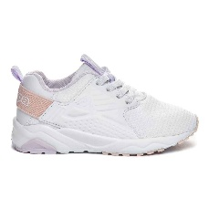 | 33157XW-A6T-PAI | 33157XW | SAN PUERTO EL INF BB | A6T | WHITE/VIOLET MT/PINK LT | ETE 2023 | SHOES | HERO BB SH | BABY | LOW CUT | 40.00 € | 20.00 € | 0 | PAI | 147 | 147 | 17 | 18 | 21 | 23 | 33 | 35 | 0 | 0 | 0 | 0 | 0 | 0 | 0 | 0 | 0 | 0 | 0 | 0 | 0 | 0 | 0 | 0 | 0 | 0 | 0 | 0 | 0 | 0 | 0 | 0 | 0 | 0 | 0 | 0 | 0 | 0 | 0 | 0 | 0 | 0 | 0 | 0 | 0 | 0 | 0 | 0 | 0 | 0 | 0
 | 33157XW-A6T-C14BB | 33157XW | SAN PUERTO EL INF BB | A6T | WHITE/VIOLET MT/PINK LT | ETE 2023 | SHOES | HERO BB SH | BABY | LOW CUT | 40.00 € | 20.00 € | 22-2|23-2|24-2|25-2|26-3|27-3 | C14BB | 28 | 2 | 0 | 0 | 0 | 0 | 0 | 0 | 0 | 0 | 0 | 0 | 0 | 0 | 0 | 0 | 0 | 0 | 0 | 0 | 0 | 0 | 0 | 0 | 0 | 0 | 0 | 0 | 0 | 0 | 0 | 0 | 0 | 0 | 0 | 0 | 0 | 0 | 0 | 0 | 0 | 0 | 0 | 0 | 0 | 0 | 0 | 0 | 0 | 0 | 2
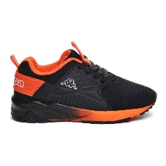 | 33157XW-A6U-PAI | 33157XW | SAN PUERTO EL INF BB | A6U | BLACK/ORANGE | ETE 2023 | SHOES | HERO BB SH | BABY | LOW CUT | 40.00 € | 20.00 € | 0 | PAI | 143 | 143 | 21 | 21 | 21 | 21 | 29 | 30 | 0 | 0 | 0 | 0 | 0 | 0 | 0 | 0 | 0 | 0 | 0 | 0 | 0 | 0 | 0 | 0 | 0 | 0 | 0 | 0 | 0 | 0 | 0 | 0 | 0 | 0 | 0 | 0 | 0 | 0 | 0 | 0 | 0 | 0 | 0 | 0 | 0 | 0 | 0 | 0 | 0 | 0 | 0
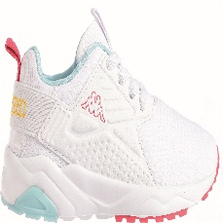 | 33157XW-G01-PAI | 33157XW | SAN PUERTO EL INF BB | G01 | WHITE/BLUE LT/YELLOW/FUCHSIA | ETE 2022 | SHOES | HERO BB SH | BABY | LOW CUT | 40.00 € | 20.00 € | 0 | PAI | 8 | 8 | 3 | 1 | 2 | 0 | 1 | 1 | 0 | 0 | 0 | 0 | 0 | 0 | 0 | 0 | 0 | 0 | 0 | 0 | 0 | 0 | 0 | 0 | 0 | 0 | 0 | 0 | 0 | 0 | 0 | 0 | 0 | 0 | 0 | 0 | 0 | 0 | 0 | 0 | 0 | 0 | 0 | 0 | 0 | 0 | 0 | 0 | 0 | 0 | 0
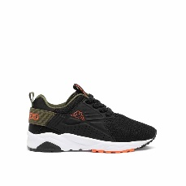 | 33157XW_VET-A51-PAI | 33157XW_VET | SAN PUERTO EL INF BB | A51 | BLACK/GREEN CYPRESS/ORANGE | HIVER 2022 | SHOES | SNEAKERS | BABY | LOW CUT | 40.00 € | 20.00 € | 0 | PAI | 54 | 54 | 0 | 0 | 27 | 12 | 9 | 6 | 0 | 0 | 0 | 0 | 0 | 0 | 0 | 0 | 0 | 0 | 0 | 0 | 0 | 0 | 0 | 0 | 0 | 0 | 0 | 0 | 0 | 0 | 0 | 0 | 0 | 0 | 0 | 0 | 0 | 0 | 0 | 0 | 0 | 0 | 0 | 0 | 0 | 0 | 0 | 0 | 0 | 0 | 0
 | 33157XW_VET-A52-PAI | 33157XW_VET | SAN PUERTO EL INF BB | A52 | PINK/RED CERISE/GREY VAPOR | HIVER 2022 | SHOES | SNEAKERS | BABY | LOW CUT | 40.00 € | 20.00 € | 0 | PAI | 14 | 14 | 0 | 0 | 1 | 8 | 1 | 4 | 0 | 0 | 0 | 0 | 0 | 0 | 0 | 0 | 0 | 0 | 0 | 0 | 0 | 0 | 0 | 0 | 0 | 0 | 0 | 0 | 0 | 0 | 0 | 0 | 0 | 0 | 0 | 0 | 0 | 0 | 0 | 0 | 0 | 0 | 0 | 0 | 0 | 0 | 0 | 0 | 0 | 0 | 0
 | 33166YW-A2U-C14MA | 33166YW | MATESE LOGO TAPE | A2U | RED/BLUE | ETE 2022 | SHOES | BEACH | UNISEX | FLIPFLOP | 20.00 € | 10.00 € | 40-1|41-1|42-3|43-3|44-3|45-2|46-1 | C14MA | 84 | 6 | 0 | 0 | 0 | 0 | 0 | 0 | 0 | 0 | 0 | 0 | 0 | 0 | 0 | 0 | 0 | 0 | 0 | 0 | 0 | 0 | 0 | 0 | 0 | 0 | 0 | 0 | 0 | 0 | 0 | 0 | 0 | 0 | 0 | 0 | 0 | 0 | 0 | 0 | 0 | 0 | 0 | 0 | 0 | 0 | 0 | 0 | 0 | 0 | 6
 | 33177QW-A2U-PAI | 33177QW | MATESE LOGO TAPE KID | A2U | RED/BLUE | ETE 2022 | SHOES | BEACH SH | KID | FLIPFLOP | 18.00 € | 9.00 € | 0 | PAI | 10 | 10 | 0 | 0 | 0 | 0 | 0 | 0 | 0 | 0 | 6 | 4 | 0 | 0 | 0 | 0 | 0 | 0 | 0 | 0 | 0 | 0 | 0 | 0 | 0 | 0 | 0 | 0 | 0 | 0 | 0 | 0 | 0 | 0 | 0 | 0 | 0 | 0 | 0 | 0 | 0 | 0 | 0 | 0 | 0 | 0 | 0 | 0 | 0 | 0 | 0
 | 33177QW-A2U-C14KD | 33177QW | MATESE LOGO TAPE KID | A2U | RED/BLUE | ETE 2022 | SHOES | BEACH SH | KID | FLIPFLOP | 18.00 € | 9.00 € | 28-1|29-1|30-2|31-2|32-3|33-3|34-2 | C14KD | 112 | 8 | 0 | 0 | 0 | 0 | 0 | 0 | 0 | 0 | 0 | 0 | 0 | 0 | 0 | 0 | 0 | 0 | 0 | 0 | 0 | 0 | 0 | 0 | 0 | 0 | 0 | 0 | 0 | 0 | 0 | 0 | 0 | 0 | 0 | 0 | 0 | 0 | 0 | 0 | 0 | 0 | 0 | 0 | 0 | 0 | 0 | 0 | 0 | 0 | 8
 | 33192BW-A2N-PAI | 33192BW | AMELIA WO | A2N | WHITE/IRIDESCENT | ETE 2023 | SHOES | SNEAKERS | WOMAN | LOW CUT | 60.00 € | 30.00 € | 0 | PAI | 258 | 258 | 0 | 0 | 0 | 0 | 0 | 0 | 0 | 0 | 0 | 0 | 0 | 0 | 0 | 0 | 25 | 57 | 77 | 58 | 29 | 12 | 0 | 0 | 0 | 0 | 0 | 0 | 0 | 0 | 0 | 0 | 0 | 0 | 0 | 0 | 0 | 0 | 0 | 0 | 0 | 0 | 0 | 0 | 0 | 0 | 0 | 0 | 0 | 0 | 0
 | 33192BW-A2N-C12W | 33192BW | AMELIA WO | A2N | WHITE/IRIDESCENT | ETE 2023 | SHOES | SNEAKERS | WOMAN | LOW CUT | 60.00 € | 30.00 € | 36-1|37-2|38-3|39-3|40-2|41-1 | C12W | 1200 | 100 | 0 | 0 | 0 | 0 | 0 | 0 | 0 | 0 | 0 | 0 | 0 | 0 | 0 | 0 | 0 | 0 | 0 | 0 | 0 | 0 | 0 | 0 | 0 | 0 | 0 | 0 | 0 | 0 | 0 | 0 | 0 | 0 | 0 | 0 | 0 | 0 | 0 | 0 | 0 | 0 | 0 | 0 | 0 | 0 | 0 | 0 | 0 | 0 | 100
 | 331C1GW-A1P-PAI | 331C1GW | ADENIS JUNIOR LACE | A1P | WHITE/BROWN BRONZE | HIVER 2022 | SHOES | SNEAKERS | KID | LOW CUT | 45.00 € | 22.50 € | 0 | PAI | 2 | 2 | 0 | 0 | 0 | 0 | 0 | 0 | 0 | 0 | 0 | 0 | 0 | 0 | 0 | 0 | 0 | 0 | 1 | 1 | 0 | 0 | 0 | 0 | 0 | 0 | 0 | 0 | 0 | 0 | 0 | 0 | 0 | 0 | 0 | 0 | 0 | 0 | 0 | 0 | 0 | 0 | 0 | 0 | 0 | 0 | 0 | 0 | 0 | 0 | 0
 | 331C1GW-A1W-PAI | 331C1GW | ADENIS JUNIOR LACE | A1W | WHITE/BLUE/ORANGE | ETE 2023 | SHOES | SNEAKERS | KID | LOW CUT | 45.00 € | 22.50 € | 0 | PAI | 211 | 211 | 0 | 0 | 0 | 0 | 0 | 0 | 0 | 0 | 0 | 0 | 0 | 0 | 0 | 32 | 57 | 55 | 33 | 34 | 0 | 0 | 0 | 0 | 0 | 0 | 0 | 0 | 0 | 0 | 0 | 0 | 0 | 0 | 0 | 0 | 0 | 0 | 0 | 0 | 0 | 0 | 0 | 0 | 0 | 0 | 0 | 0 | 0 | 0 | 0
 | 331C1GW-A1W-C12JR | 331C1GW | ADENIS JUNIOR LACE | A1W | WHITE/BLUE/ORANGE | ETE 2023 | SHOES | SNEAKERS | KID | LOW CUT | 45.00 € | 22.50 € | 35-2|36-3|37-3|38-2|39-2 | C12JR | 168 | 14 | 0 | 0 | 0 | 0 | 0 | 0 | 0 | 0 | 0 | 0 | 0 | 0 | 0 | 0 | 0 | 0 | 0 | 0 | 0 | 0 | 0 | 0 | 0 | 0 | 0 | 0 | 0 | 0 | 0 | 0 | 0 | 0 | 0 | 0 | 0 | 0 | 0 | 0 | 0 | 0 | 0 | 0 | 0 | 0 | 0 | 0 | 0 | 0 | 14
 | 331C1GW-A66-PAI | 331C1GW | ADENIS JUNIOR LACE | A66 | WHITE/RED/WHITE OFF | ETE 2023 | SHOES | SNEAKERS | KID | LOW CUT | 45.00 € | 22.50 € | 0 | PAI | 244 | 244 | 0 | 0 | 0 | 0 | 0 | 0 | 0 | 0 | 0 | 0 | 0 | 0 | 0 | 42 | 66 | 66 | 36 | 34 | 0 | 0 | 0 | 0 | 0 | 0 | 0 | 0 | 0 | 0 | 0 | 0 | 0 | 0 | 0 | 0 | 0 | 0 | 0 | 0 | 0 | 0 | 0 | 0 | 0 | 0 | 0 | 0 | 0 | 0 | 0
 | 331C1GW-A66-C12JR | 331C1GW | ADENIS JUNIOR LACE | A66 | WHITE/RED/WHITE OFF | ETE 2023 | SHOES | SNEAKERS | KID | LOW CUT | 45.00 € | 22.50 € | 35-2|36-3|37-3|38-2|39-2 | C12JR | 792 | 66 | 0 | 0 | 0 | 0 | 0 | 0 | 0 | 0 | 0 | 0 | 0 | 0 | 0 | 0 | 0 | 0 | 0 | 0 | 0 | 0 | 0 | 0 | 0 | 0 | 0 | 0 | 0 | 0 | 0 | 0 | 0 | 0 | 0 | 0 | 0 | 0 | 0 | 0 | 0 | 0 | 0 | 0 | 0 | 0 | 0 | 0 | 0 | 0 | 66
 | 331C8FW-A6Q-PAI | 331C8FW | ANTOR | A6Q | GREY MD/BLACK/AZURE | ETE 2023 | SHOES | SNEAKERS | MAN | LOW CUT | 65.00 € | 32.50 € | 0 | PAI | 38 | 38 | 0 | 0 | 0 | 0 | 0 | 0 | 0 | 0 | 0 | 0 | 0 | 0 | 0 | 0 | 0 | 0 | 0 | 0 | 4 | 1 | 5 | 3 | 3 | 2 | 20 | 0 | 0 | 0 | 0 | 0 | 0 | 0 | 0 | 0 | 0 | 0 | 0 | 0 | 0 | 0 | 0 | 0 | 0 | 0 | 0 | 0 | 0 | 0 | 0
 | 331C8FW-A6S-PAI | 331C8FW | ANTOR | A6S | GREY DK/BROWN LT/YELLOW | HIVER 2022 | SHOES | SNEAKERS | MAN | LOW CUT | 65.00 € | 32.50 € | 0 | PAI | 1 | 1 | 0 | 0 | 0 | 0 | 0 | 0 | 0 | 0 | 0 | 0 | 0 | 0 | 0 | 0 | 0 | 0 | 0 | 0 | 0 | 0 | 0 | 0 | 0 | 0 | 1 | 0 | 0 | 0 | 0 | 0 | 0 | 0 | 0 | 0 | 0 | 0 | 0 | 0 | 0 | 0 | 0 | 0 | 0 | 0 | 0 | 0 | 0 | 0 | 0
 | 331D23W-A1F-PAI | 331D23W | ADENIS EV INF | A1F | BLUE MARINE/ORANGE | ETE 2023 | SHOES | BABY SH | BABY | LOW CUT | 35.00 € | 17.50 € | 0 | PAI | 127 | 127 | 25 | 16 | 16 | 16 | 27 | 27 | 0 | 0 | 0 | 0 | 0 | 0 | 0 | 0 | 0 | 0 | 0 | 0 | 0 | 0 | 0 | 0 | 0 | 0 | 0 | 0 | 0 | 0 | 0 | 0 | 0 | 0 | 0 | 0 | 0 | 0 | 0 | 0 | 0 | 0 | 0 | 0 | 0 | 0 | 0 | 0 | 0 | 0 | 0
 | 331D23W-A1F-C14BB | 331D23W | ADENIS EV INF | A1F | BLUE MARINE/ORANGE | ETE 2023 | SHOES | BABY SH | BABY | LOW CUT | 35.00 € | 17.50 € | 22-2|23-2|24-2|25-2|26-3|27-3 | C14BB | 364 | 26 | 0 | 0 | 0 | 0 | 0 | 0 | 0 | 0 | 0 | 0 | 0 | 0 | 0 | 0 | 0 | 0 | 0 | 0 | 0 | 0 | 0 | 0 | 0 | 0 | 0 | 0 | 0 | 0 | 0 | 0 | 0 | 0 | 0 | 0 | 0 | 0 | 0 | 0 | 0 | 0 | 0 | 0 | 0 | 0 | 0 | 0 | 0 | 0 | 26
 | 331D24W-A1P-PAI | 331D24W | ADENIS EV INF | A1P | WHITE/BROWN BRONZE | ETE 2023 | SHOES | BABY SH | BABY | LOW CUT | 35.00 € | 17.50 € | 0 | PAI | 51 | 51 | 7 | 7 | 7 | 7 | 11 | 12 | 0 | 0 | 0 | 0 | 0 | 0 | 0 | 0 | 0 | 0 | 0 | 0 | 0 | 0 | 0 | 0 | 0 | 0 | 0 | 0 | 0 | 0 | 0 | 0 | 0 | 0 | 0 | 0 | 0 | 0 | 0 | 0 | 0 | 0 | 0 | 0 | 0 | 0 | 0 | 0 | 0 | 0 | 0
 | 331D24W-A1W-PAI | 331D24W | ADENIS EV INF | A1W | WHITE/BLUE/ORANGE | ETE 2023 | SHOES | BABY SH | BABY | LOW CUT | 35.00 € | 17.50 € | 0 | PAI | 299 | 299 | 42 | 40 | 41 | 39 | 69 | 68 | 0 | 0 | 0 | 0 | 0 | 0 | 0 | 0 | 0 | 0 | 0 | 0 | 0 | 0 | 0 | 0 | 0 | 0 | 0 | 0 | 0 | 0 | 0 | 0 | 0 | 0 | 0 | 0 | 0 | 0 | 0 | 0 | 0 | 0 | 0 | 0 | 0 | 0 | 0 | 0 | 0 | 0 | 0
 | 331D24W-A1W-C14BB | 331D24W | ADENIS EV INF | A1W | WHITE/BLUE/ORANGE | ETE 2023 | SHOES | BABY SH | BABY | LOW CUT | 35.00 € | 17.50 € | 22-2|23-2|24-2|25-2|26-3|27-3 | C14BB | 14 | 1 | 0 | 0 | 0 | 0 | 0 | 0 | 0 | 0 | 0 | 0 | 0 | 0 | 0 | 0 | 0 | 0 | 0 | 0 | 0 | 0 | 0 | 0 | 0 | 0 | 0 | 0 | 0 | 0 | 0 | 0 | 0 | 0 | 0 | 0 | 0 | 0 | 0 | 0 | 0 | 0 | 0 | 0 | 0 | 0 | 0 | 0 | 0 | 0 | 1
 | 331D24W-A66-PAI | 331D24W | ADENIS EV INF | A66 | WHITE/RED/WHITE OFF | ETE 2023 | SHOES | BABY SH | BABY | LOW CUT | 35.00 € | 17.50 € | 0 | PAI | 135 | 135 | 30 | 15 | 16 | 17 | 27 | 30 | 0 | 0 | 0 | 0 | 0 | 0 | 0 | 0 | 0 | 0 | 0 | 0 | 0 | 0 | 0 | 0 | 0 | 0 | 0 | 0 | 0 | 0 | 0 | 0 | 0 | 0 | 0 | 0 | 0 | 0 | 0 | 0 | 0 | 0 | 0 | 0 | 0 | 0 | 0 | 0 | 0 | 0 | 0
 | 331D24W-A66-C14BB | 331D24W | ADENIS EV INF | A66 | WHITE/RED/WHITE OFF | ETE 2023 | SHOES | BABY SH | BABY | LOW CUT | 35.00 € | 17.50 € | 22-2|23-2|24-2|25-2|26-3|27-3 | C14BB | 504 | 36 | 0 | 0 | 0 | 0 | 0 | 0 | 0 | 0 | 0 | 0 | 0 | 0 | 0 | 0 | 0 | 0 | 0 | 0 | 0 | 0 | 0 | 0 | 0 | 0 | 0 | 0 | 0 | 0 | 0 | 0 | 0 | 0 | 0 | 0 | 0 | 0 | 0 | 0 | 0 | 0 | 0 | 0 | 0 | 0 | 0 | 0 | 0 | 0 | 36
 | 331D61W-A14-PAI | 331D61W | GLINCH 2 EV KID | A14 | BLACK/BLUE | HIVER 2022 | SHOES | SPORT | KID | LOW CUT | 42.00 € | 21.00 € | 0 | PAI | 44 | 44 | 0 | 0 | 0 | 0 | 0 | 0 | 0 | 0 | 8 | 3 | 17 | 14 | 2 | 0 | 0 | 0 | 0 | 0 | 0 | 0 | 0 | 0 | 0 | 0 | 0 | 0 | 0 | 0 | 0 | 0 | 0 | 0 | 0 | 0 | 0 | 0 | 0 | 0 | 0 | 0 | 0 | 0 | 0 | 0 | 0 | 0 | 0 | 0 | 0
 | 331D61W-A2W-PAI | 331D61W | GLINCH 2 EV KID | A2W | BLACK/FUCHSIA | HIVER 2022 | SHOES | SPORT | KID | LOW CUT | 42.00 € | 21.00 € | 0 | PAI | 55 | 55 | 0 | 0 | 0 | 0 | 0 | 0 | 2 | 2 | 10 | 6 | 14 | 11 | 10 | 0 | 0 | 0 | 0 | 0 | 0 | 0 | 0 | 0 | 0 | 0 | 0 | 0 | 0 | 0 | 0 | 0 | 0 | 0 | 0 | 0 | 0 | 0 | 0 | 0 | 0 | 0 | 0 | 0 | 0 | 0 | 0 | 0 | 0 | 0 | 0
 | 331D61W-A2W-C14KD | 331D61W | GLINCH 2 EV KID | A2W | BLACK/FUCHSIA | HIVER 2022 | SHOES | SPORT | KID | LOW CUT | 42.00 € | 21.00 € | 28-1|29-1|30-2|31-2|32-3|33-3|34-2 | C14KD | 350 | 25 | 0 | 0 | 0 | 0 | 0 | 0 | 0 | 0 | 0 | 0 | 0 | 0 | 0 | 0 | 0 | 0 | 0 | 0 | 0 | 0 | 0 | 0 | 0 | 0 | 0 | 0 | 0 | 0 | 0 | 0 | 0 | 0 | 0 | 0 | 0 | 0 | 0 | 0 | 0 | 0 | 0 | 0 | 0 | 0 | 0 | 0 | 0 | 0 | 25
 | 331D61W-A5X-PAI | 331D61W | GLINCH 2 EV KID | A5X | BLACK/YELLOW NEON/ORANGE DK | ETE 2023 | SHOES | SPORT | KID | LOW CUT | 42.00 € | 21.00 € | 0 | PAI | 39 | 39 | 0 | 0 | 0 | 0 | 0 | 0 | 2 | 2 | 4 | 4 | 10 | 13 | 4 | 0 | 0 | 0 | 0 | 0 | 0 | 0 | 0 | 0 | 0 | 0 | 0 | 0 | 0 | 0 | 0 | 0 | 0 | 0 | 0 | 0 | 0 | 0 | 0 | 0 | 0 | 0 | 0 | 0 | 0 | 0 | 0 | 0 | 0 | 0 | 0
 | 331D61W-A5Y-PAI | 331D61W | GLINCH 2 EV KID | A5Y | BLACK/PINK LT/FUCHSIA | ETE 2023 | SHOES | SPORT | KID | LOW CUT | 42.00 € | 21.00 € | 0 | PAI | 281 | 281 | 0 | 0 | 0 | 0 | 0 | 0 | 7 | 9 | 34 | 39 | 76 | 78 | 38 | 0 | 0 | 0 | 0 | 0 | 0 | 0 | 0 | 0 | 0 | 0 | 0 | 0 | 0 | 0 | 0 | 0 | 0 | 0 | 0 | 0 | 0 | 0 | 0 | 0 | 0 | 0 | 0 | 0 | 0 | 0 | 0 | 0 | 0 | 0 | 0
 | 331D67W-A1V-PAI | 331D67W | BERKAT WO | A1V | GREY/ORANGE LT CORAL | ETE 2023 | SHOES | SNEAKERS | WOMAN | LOW CUT | 60.00 € | 30.00 € | 0 | PAI | 327 | 327 | 0 | 0 | 0 | 0 | 0 | 0 | 0 | 0 | 0 | 0 | 0 | 0 | 0 | 0 | 24 | 55 | 87 | 82 | 54 | 25 | 0 | 0 | 0 | 0 | 0 | 0 | 0 | 0 | 0 | 0 | 0 | 0 | 0 | 0 | 0 | 0 | 0 | 0 | 0 | 0 | 0 | 0 | 0 | 0 | 0 | 0 | 0 | 0 | 0
 | 331D67W-A1V-C12W | 331D67W | BERKAT WO | A1V | GREY/ORANGE LT CORAL | ETE 2023 | SHOES | SNEAKERS | WOMAN | LOW CUT | 60.00 € | 30.00 € | 36-1|37-2|38-3|39-3|40-2|41-1 | C12W | 756 | 63 | 0 | 0 | 0 | 0 | 0 | 0 | 0 | 0 | 0 | 0 | 0 | 0 | 0 | 0 | 0 | 0 | 0 | 0 | 0 | 0 | 0 | 0 | 0 | 0 | 0 | 0 | 0 | 0 | 0 | 0 | 0 | 0 | 0 | 0 | 0 | 0 | 0 | 0 | 0 | 0 | 0 | 0 | 0 | 0 | 0 | 0 | 0 | 0 | 63
...

