JUSTICE HOODIE
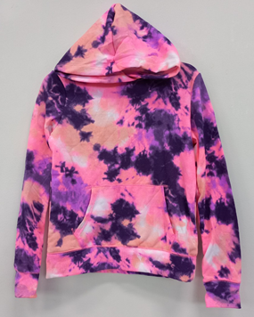
PACKING LIST STOCK S# D9766
BYR | STYLE | SKETCH | TOTAL QTY | TOTAL CTN | COLOR/SIZE | S | M | L | XL | TOTAL QTY
 | D9766 |  | 6509 | 130 | PINK | 1084 | 2170 | 2170 | 1085 | 6509
 |  |  |  |  |  |  |  |  |  | 0
 |  |  |  |  |  |  |  |  |  | 0
 |  |  |  |  |  |  |  |  |  | 0
 |  |  |  |  |  |  |  |  |  | 0
 |  |  |  |  |  |  |  |  |  | 0
 |  |  |  |  |  |  |  |  |  | 0
TOTAL |  |  | 6509 | 130 |  | 1084 | 2170 | 2170 | 1085 | 6509
BYR | STYLE | SKETCH | TOTAL QTY | TOTAL CTN | COLOR/SIZE | S | M | L | XL | TOTAL QTY
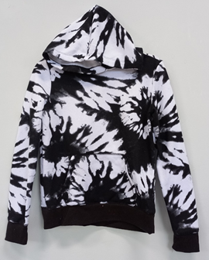
 | D9766 |  | 29604 | 592 | BLACK PRINT | 4927 | 9875 | 9875 | 4927 | 29604
 |  |  |  |  |  |  |  |  |  | 0
 |  |  |  |  |  |  |  |  |  | 0
 |  |  |  |  |  |  |  |  |  | 0
 |  |  |  |  |  |  |  |  |  | 0
 |  |  |  |  |  |  |  |  |  | 0
 |  |  |  |  |  |  |  |  |  | 0
TOTAL |  |  | 29604 | 592 |  | 4927 | 9875 | 9875 | 4927 | 29604
BYR | STYLE | SKETCH | TOTAL QTY | TOTAL CTN | COLOR/SIZE | S | M | L | XL | TOTAL QTY
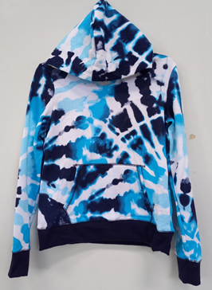
 | D9766 |  | 6090 | 122 | BLUE | 1015 | 2030 | 2030 | 1015 | 6090
 |  |  |  |  |  |  |  |  |  | 0
 |  |  |  |  |  |  |  |  |  | 0
 |  |  |  |  |  |  |  |  |  | 0
 |  |  |  |  |  |  |  |  |  | 0
 |  |  |  |  |  |  |  |  |  | 0
 |  |  |  |  |  |  |  |  |  | 0
 |  |  |  |  |  |  |  |  |  | 0
TOTAL |  |  | 6090 | 122 |  | 1015 | 2030 | 2030 | 1015 | 6090
BYR | STYLE | SKETCH | TOTAL QTY | TOTAL CTN | COLOR/SIZE | S | M | L | XL | TOTAL QTY
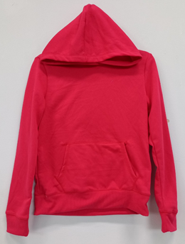
 | D9766 |  | 930 | 19 | RED LOVE | 155 | 310 | 310 | 155 | 930
 |  |  |  |  |  |  |  |  |  | 0
 |  |  |  |  |  |  |  |  |  | 0
 |  |  |  |  |  |  |  |  |  | 0
 |  |  |  |  |  |  |  |  |  | 0
 |  |  |  |  |  |  |  |  |  | 0
 |  |  |  |  |  |  |  |  |  | 0
TOTAL |  |  | 930 | 19 |  | 155 | 310 | 310 | 155 | 930
BYR | STYLE | SKETCH | TOTAL QTY | TOTAL CTN | COLOR/SIZE | S | M | L | XL | TOTAL QTY
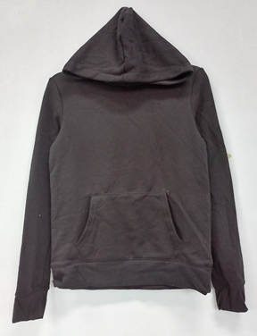
 | D9766 |  | 538 | 11 | BLACK SOLID | 89 | 180 | 180 | 89 | 538
 |  |  |  |  |  |  |  |  |  | 0
 |  |  |  |  |  |  |  |  |  | 0
 |  |  |  |  |  |  |  |  |  | 0
 |  |  |  |  |  |  |  |  |  | 0
 |  |  |  |  |  |  |  |  |  | 0
 |  |  |  |  |  |  |  |  |  | 0
TOTAL |  |  | 538 | 11 |  | 89 | 180 | 180 | 89 | 538
BYR | STYLE | SKETCH | TOTAL QTY | TOTAL CTN | COLOR/SIZE | S | M | L | XL | TOTAL QTY
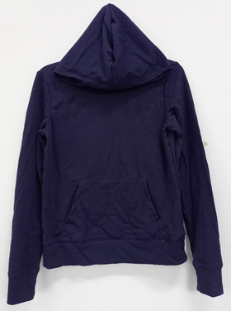
 | D9766 |  | 470 | 10 | NAVY SOLID | 78 | 157 | 157 | 78 | 470
 |  |  |  |  |  |  |  |  |  | 0
 |  |  |  |  |  |  |  |  |  | 0
 |  |  |  |  |  |  |  |  |  | 0
 |  |  |  |  |  |  |  |  |  | 0
 |  |  |  |  |  |  |  |  |  | 0
 |  |  |  |  |  |  |  |  |  | 0
TOTAL |  |  | 470 | 10 |  | 78 | 157 | 157 | 78 | 470
BYR | STYLE | SKETCH | TOTAL QTY | TOTAL CTN | COLOR/SIZE | S | M | L | XL | TOTAL QTY
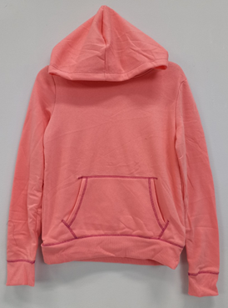
 | D9766 |  | 322 | 6 | CUPCAKE | 53 | 108 | 108 | 53 | 322
 |  |  |  |  |  |  |  |  |  | 0
 |  |  |  |  |  |  |  |  |  | 0
 |  |  |  |  |  |  |  |  |  | 0
 |  |  |  |  |  |  |  |  |  | 0
 |  |  |  |  |  |  |  |  |  | 0
 |  |  |  |  |  |  |  |  |  | 0
TOTAL |  |  | 322 | 6 |  | 53 | 108 | 108 | 53 | 322
BYR | STYLE | SKETCH | TOTAL QTY | TOTAL CTN | COLOR/SIZE | S | M | L | XL | TOTAL QTY
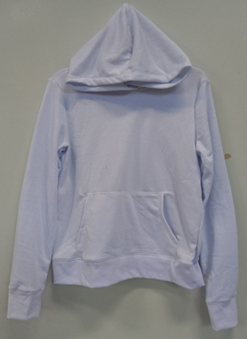
 | D9766 |  | 664 | 13 | BLEACH WHITE | 110 | 222 | 222 | 110 | 664
 |  |  |  |  |  |  |  |  |  | 0
 |  |  |  |  |  |  |  |  |  | 0
 |  |  |  |  |  |  |  |  |  | 0
 |  |  |  |  |  |  |  |  |  | 0
 |  |  |  |  |  |  |  |  |  | 0
 |  |  |  |  |  |  |  |  |  | 0
TOTAL |  |  | 664 | 13 |  | 110 | 222 | 222 | 110 | 664
BYR | STYLE | SKETCH | TOTAL QTY | TOTAL CTN | COLOR/SIZE | S | M | L | XL | TOTAL QTY
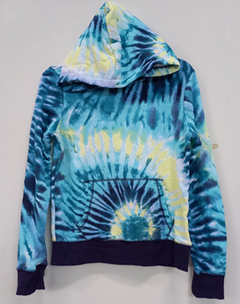
 | D9766 |  | 358 | 7 | NOAL TURQ | 59 | 120 | 120 | 59 | 358
 |  |  |  |  |  |  |  |  |  | 0
 |  |  |  |  |  |  |  |  |  | 0
 |  |  |  |  |  |  |  |  |  | 0
 |  |  |  |  |  |  |  |  |  | 0
 |  |  |  |  |  |  |  |  |  | 0
 |  |  |  |  |  |  |  |  |  | 0
TOTAL |  |  | 358 | 7 |  | 59 | 120 | 120 | 59 | 358
BYR | STYLE | SKETCH | TOTAL QTY | TOTAL CTN | COLOR/SIZE | S | M | L | XL | TOTAL QTY
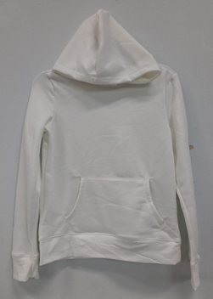
 | D9766 |  | 1574 | 31 | WHITE (PDF) | 260 | 527 | 527 | 260 | 1574
 |  |  |  |  |  |  |  |  |  | 0
 |  |  |  |  |  |  |  |  |  | 0
 |  |  |  |  |  |  |  |  |  | 0
 |  |  |  |  |  |  |  |  |  | 0
 |  |  |  |  |  |  |  |  |  | 0
 |  |  |  |  |  |  |  |  |  | 0
TOTAL |  |  | 1574 | 31 |  | 260 | 527 | 527 | 260 | 1574
 |  | Grand Total | 47059 | 941 | 58 X 41 X 41 | 92.5365285 | CBM

