order
STYLE NUMBER |  | STYLE DESCRIPTION | COLOR | - | 5 | - | 6 | - | 7 | - | 8 | - | 9 | - | 10 | - | 11 | - | 12 | - | 13 | - | 14 | 15 | m.s.r.p. | REG WHOLESALE | PCS
1FM01154-720 | 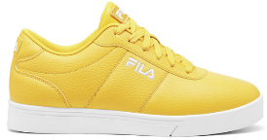 | IMPRESS LL | 720 |  |  |  |  |  |  |  |  |  | 17 | 30 |  | 42 | 16 |  |  |  |  |  |  |  | $65.00 | $35.75 | 105
1RM02056-422 | 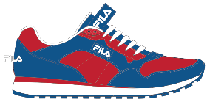 | CRESS COLOR BLOCK | 422 |  |  |  |  |  |  |  | 77 | 150 | 218 | 242 | 233 | 279 | 264 |  | 165 |  | 51 |  |  |  | $60.00 | $33.00 | 1679
1RM02056-831 | 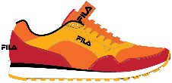 | CRESS COLOR BLOCK | 831 |  |  |  |  |  |  |  |  |  |  |  |  | 16 | 11 |  |  |  |  |  |  |  | $60.00 | $33.00 | 27
1RM02056-832 | 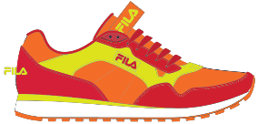 | CRESS COLOR BLOCK | 832 |  |  |  |  |  |  |  |  |  |  |  |  | 18 | 16 |  |  |  |  |  |  |  | $60.00 | $33.00 | 34
1CM00697-013 | 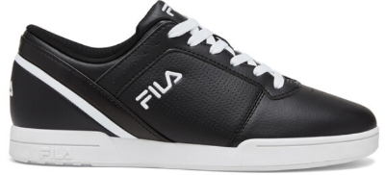 | PLACE 14 | 013 |  |  |  |  |  |  |  | 60 | 180 | 233 | 287 | 324 | 299 | 216 |  | 143 |  | 34 |  |  |  | $70.00 | $38.50 | 1776
1CM01544-001 |  | MORALES | 001 |  |  |  |  |  |  |  |  |  |  |  |  |  |  |  |  |  |  |  | 42 |  | $65.00 | $35.75 | 42
1CM01544-013 |  | MORALES | 013 |  |  |  |  |  |  |  |  |  |  |  |  |  |  |  |  |  |  |  | 57 |  | $65.00 | $35.75 | 57
1CM01756-001 | 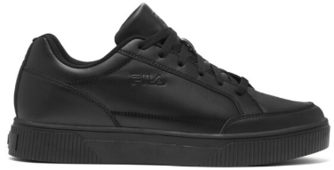 | UNLOCK COURT | 001 |  |  |  |  |  |  |  | 17 | 147 | 191 | 185 | 205 | 198 | 169 |  | 90 |  |  |  |  |  | $70.00 | $38.50 | 1202
1CM01756-100 | 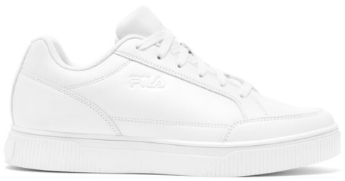 | UNLOCK COURT | 100 |  |  |  |  |  |  |  | 17 | 121 | 165 | 104 | 171 | 149 | 110 |  | 44 |  |  |  |  |  | $70.00 | $38.50 | 881
1CM01756-702 |  | UNLOCK COURT | 702 |  |  |  |  |  |  |  |  |  | 35 | 39 | 32 | 35 |  |  |  |  |  |  |  |  | $70.00 | $38.50 | 141
1CM00697-125 | 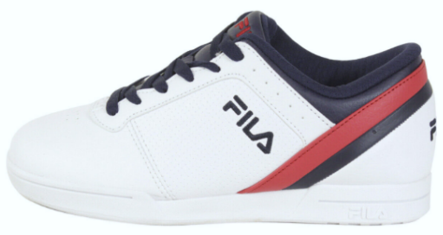 | PLACE 14 | 125 |  |  |  |  |  |  | 21 | 212 | 368 | 437 | 419 | 473 | 443 | 354 | 46 | 238 |  | 107 |  |  |  | $70.00 | $38.50 | 3118
1RM02051-731 | 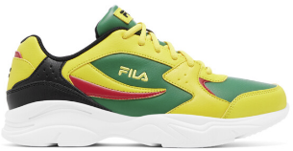 | STIRR | 731 |  |  |  |  |  |  |  |  |  |  |  | 10 |  |  |  |  |  |  |  |  |  | $75.00 | $41.25 | 10
1RM01206-422 |  | PROVINCE | 422 |  |  |  |  |  |  |  |  |  |  | 18 |  | 8 |  |  |  |  |  |  |  |  | $65.00 | $35.75 | 26
1FM01154-821 | 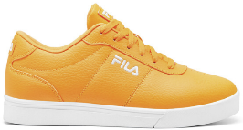 | IMPRESS LL | 821 |  |  |  |  |  |  |  |  |  | 4 | 18 |  | 29 |  |  |  |  |  |  |  |  | $65.00 | $35.75 | 51
1FM01776-013 | 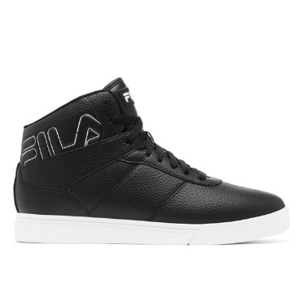 | IMPRESS LL OUTLINE | 013 |  |  |  |  |  | 0 | 0 | 40 | 70 | 146 | 144 | 112 | 120 | 125 | 0 | 23 |  | 0 |  |  |  | $70.00 | $38.50 | 780
1FM01776-100 |  | IMPRESS LL OUTLINE | 100 |  |  |  |  |  | 0 | 44 | 248 | 294 | 396 | 432 | 384 | 432 | 396 | 54 | 248 |  | 93 |  |  |  | $70.00 | $38.50 | 3021
1FM01784-016 | 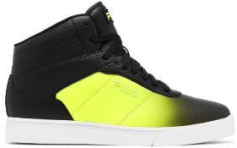 | IMPRESS LL FADE | 016 |  |  |  |  |  |  |  |  |  | 23 | 34 |  | 46 | 21 |  |  |  |  |  |  |  | $75.00 | $41.25 | 124
1FM01784-606 | 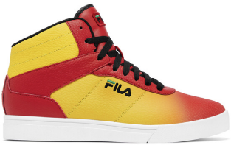 | IMPRESS LL FADE | 606 |  |  |  |  |  |  |  |  |  | 23 | 34 |  | 46 | 21 |  |  |  |  |  |  |  | $75.00 | $41.25 | 124
1RM01206-114 | 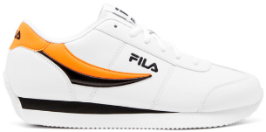 | PROVINCE | 114 |  |  |  |  |  |  |  |  | 10 | 31 | 71 | 28 | 60 | 42 |  |  |  |  |  |  |  | $65.00 | $35.75 | 242
1RM01206-115 | 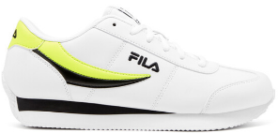 | PROVINCE | 115 |  |  |  |  |  |  |  |  | 37 | 45 | 71 | 15 | 65 | 47 |  |  |  |  |  |  |  | $65.00 | $35.75 | 280
1RM02051-422 | 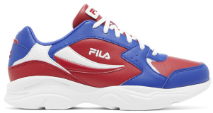 | STIRR | 422 |  |  |  |  |  |  |  |  |  |  |  | 26 | 23 | 85 |  | 12 |  |  |  |  |  | $75.00 | $41.25 | 146
1RM02051-606 | 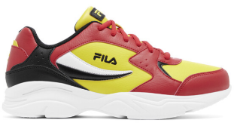 | STIRR | 606 |  |  |  |  |  |  |  |  |  | 42 | 68 | 78 | 115 | 138 |  | 56 |  |  |  |  |  | $75.00 | $41.25 | 497
 |  |  |  |  |  |  |  |  |  |  |  |  |  |  |  |  |  |  |  |  |  |  |  |  |  |  | 14363

