OFFER
PUMA WOMAN SHOES TO TAKE ALL

TOT PCS | 2,995

 |  |  |  |  |  |  | B |  | 3 | 3.5 | 4 | 4.5 | 5 | 5.5 | 6 | 6.5 | 7 | 7.5
PHOTOS | STY | GRADE | MODEL | COUNTRY OF ORIGIN | COMPOSITION | CTNS | E | SzCode | 3.5 | 4 | 4.5 | 5 | 5.5 | 6 | 6.5 | 7 | 7.5 | 8 | Qty
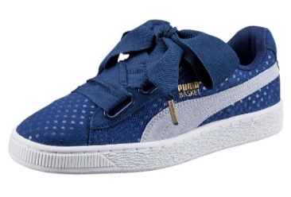 | 363371-01 | A | PUMA (12) Basket Heart Denim W | VN | UPPER TEXTILE/LEATHER, LINING TEXTILE, SOLE RUBBER |  | E | UK | 52 |  | 72 | 77 | 31 | 78 |  |  |  |  | 310
 |  |  | 1X3 1X7 1X9 23X10 1X13 3X16 |  |  | 30 |  |  | 4057826736787 |  | 4057826737111 | 4057826736589 | 4057826736381 | 4057826736312
 | 363371-01 | A | PUMA (12) Basket Heart Denim W | VN | UPPER TEXTILE/LEATHER, LINING TEXTILE, SOLE RUBBER |  | E | UK |  |  | 3 |  | 37 |  |  |  |  |  | 40
 |  |  | 1X8 2X10 1X12 |  |  | 4 |  |  |  |  | 4057826737111 |  | 4057826736381
 | 363371-01 | A | PUMA (12) Basket Heart Denim W | VN | UPPER TEXTILE/LEATHER, LINING TEXTILE, SOLE RUBBER |  | E | UK |  | 75 |  |  |  |  | 75 |  |  |  | 150
 |  |  | 15X10 |  |  | 15 |  |  |  | 4057826736862 |  |  |  |  | 4057826736428
 | 365463-01 | A | PUMA (8) Basket Heart Copper | VN | UPPER SYNTHETIC, LINING TEXTILE, SOLE RUBBER |  | B | UK |  | 53 | 53 | 53 | 78 | 53 | 61 | 78 | 18 | 53 | 500
 |  |  | 1X6 2X7 48X10 |  |  | 51 |  |  |  | 4057828961323 | 4057828961477 | 4057828961279 | 4057828961576 | 4057828961422 | 4057828961378 | 4057828961705 | 4057828961668 | 4057828961224
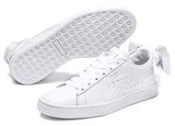 | 367319-01 | A | PUMA (8) Basket Bow Wn's Puma | ID | UPPER SYNTHETIC, LINING TEXTILE, SOLE RUBBER |  | B | UK |  | 50 | 75 | 75 | 75 | 75 | 75 | 75 |  |  | 500
 |  |  | 50X10 |  |  | 50 |  |  |  | 4059505316884 | 4059505317034 | 4059505317249 | 4059505317065 | 4059505316952 | 4059505316914 | 4059505317362
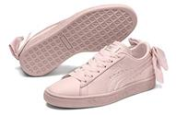 | 367319-02 | A | PUMA (8) Basket Bow Wn's Pearl | ID | UPPER LEATHER, LINING TEXTILE, SOLE RUBBER |  | B | UK |  | 75 | 75 | 100 | 100 | 75 | 57 |  |  |  | 482
 |  |  | 1X5 1X7 47X10 |  |  | 49 |  |  |  | 4059505316853 | 4059505316860 | 4059505316945 | 4059505317157 | 4059505317003 | 4059505317270
 | 367319-02 | A | PUMA (8) Basket Bow Wn's Pearl | ID | UPPER LEATHER, LINING TEXTILE, SOLE RUBBER |  | B | UK |  |  |  |  |  |  | 12 |  |  |  | 12
 |  |  | 1X12 |  |  | 1 |  |  |  |  |  |  |  |  | 4059505317270
 | 367319-02 | A | PUMA (8) Basket Bow Wn's Pearl | ID | UPPER LEATHER, LINING TEXTILE, SOLE RUBBER |  | B | UK |  |  |  |  |  |  | 6 |  |  |  | 6
 |  |  | 1X6 |  |  | 1 |  |  |  |  |  |  |  |  | 4059505317270
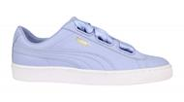 | 367578-01 | A | PUMA (5) BASKET HEART CROCHET | ID | UPPER SYNTHETIC, LINING TEXTILE, SOLE RUBBER |  | E | UK | 100 | 100 | 100 | 125 | 125 | 100 | 100 |  |  |  | 750
 |  |  | 75X10 |  |  | 75 |  |  | 4059506053146 | 4059506053153 | 4059506053160 | 4059506053177 | 4059506053184 | 4059506053191 | 4059506053207
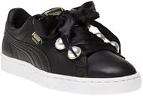 | 366732-04 | A | PUMA (12) Basket Bling Wn's Puma Black-M | VN | UPPER LEATHER, LINING TEXTILE, SOLE RUBBER |  | B | UK | 9 | 32 | 32 | 17 | 19 | 6 | 3 |  |  |  | 118
 |  |  | 1X1 3X9 9X10 |  |  | 13 |  |  | 4059506415937 | 4059506415852 | 4059506416095 | 4059506416248 | 4059506416279 | 4059506415531 | 4059506416002
 | 366732-04 | A | PUMA (12) Basket Bling Wn's Puma Black-M | VN | UPPER LEATHER, LINING TEXTILE, SOLE RUBBER |  | B | UK |  | 17 | 25 | 27 | 27 | 17 | 14 |  |  |  | 127
 |  |  | 4X14 2X15 2X13 1X11 1X4 |  |  | 10 |  |  | 4059506415937 | 4059506415852 | 4059506416095 | 4059506416248 | 4059506416279 | 4059506415531 | 4059506416002
 |  |  |  |  |  | 299

 |  |  | Grand Totals |  |  | 299 |  |  |  |  |  |  |  |  |  |  |  |  | 2,995
 | GROSS WEIGHT 3585 KG
 | NETT WEIGHT 3290 KG

