NB
Pallet no | Article | Article Name | COO | Size Desc | QTY | QTY | 3574
1 | MS327LAB | 327 | CHINA | 8.5 | 12 | CTN | 300
1 | MS327LAB | 327 | CHINA | 8.5 | 12 | Weight | 333.52kg
1 | MS327LAB | 327 | CHINA | 8.5 | 12 | CBM | 44.34
1 | MS327LAB | 327 | VIETNAM | 8 | 12 |  |  |  |  |  |  |  |  |  |  |  |  |  |  |  |  |  | MS327LAB | MR530KA
1 | MS327LAB | 327 | CHINA | 8.5 | 12
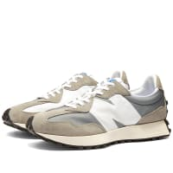
2 | MS327LAB | 327 | CHINA | 8.5 | 12
1 | MS327LAB | 327 | CHINA | 8.5 | 12
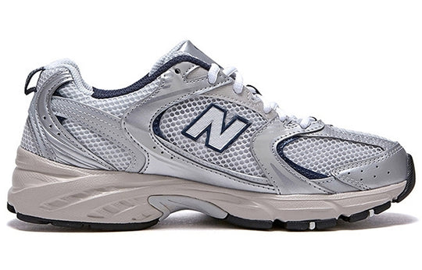
1 | MS327LAB | 327 | CHINA | 8.5 | 12 |  |  |  |  |  |  |  |  |  |  |  |  |  |  | 3574 |  | $194,747.70
1 | MS327LAB | 327 | CHINA | 8.5 | 12 | SKU | 4 | 4.5 | 5 | 5.5 | 6 | 6.5 | 7 | 7.5 | 8 | 8.5 | 9 | 9.5 | 10 | QUAN | PRICE | TOTAL
2 | MS327LAB | 327 | CHINA | 8.5 | 12 | MR530KA |  |  |  |  |  |  | 12 | 12 | 12 | 10 | 12 | 12 |  | 70 | $60.75 | $4,252.50
3 | MS327LAB | 327 | VIETNAM | 8 | 12 | MR530SG |  |  |  |  |  |  | 12 | 12 | 24 | 24 | 12 | 12 |  | 96 | $55.50 | $5,328.00
1 | MS327LAB | 327 | CHINA | 8.5 | 12 | MS327LAB | 12 | 24 | 24 | 24 | 12 | 12 | 240 | 360 | 540 | 600 | 600 | 300 | 180 | 2928 | $54.45 | $159,429.60
2 | MS327LAB | 327 | CHINA | 8.5 | 12 | WS327KA |  |  | 12 | 24 | 36 | 48 | 60 | 48 | 12 |  |  |  |  | 240 | $53.62 | $12,868.80
3 | MS327LAB | 327 | CHINA | 8.5 | 12 | WS327KB |  |  | 12 | 24 | 36 | 48 | 60 | 48 | 12 |  |  |  |  | 240 | $53.62 | $12,868.80
1 | MS327LAB | 327 | CHINA | 8.5 | 12
1 | MS327LAB | 327 | CHINA | 8.5 | 12
21 | MS327LAB | 327 | VIETNAM | 8 | 12 | Pallet no | Dimension |  |  | CBM | Weight
2 | MS327LAB | 327 | CHINA | 8.5 | 12 | 1 | 120 | 100 | 180 | 2.16 | 160.8
2 | MS327LAB | 327 | CHINA | 8.5 | 12 | 2 | 120 | 100 | 180 | 2.16 | 163.2
1 | MS327LAB | 327 | CHINA | 8.5 | 12 | 3 | 120 | 100 | 180 | 2.16 | 163.4 |  |  |  |  |  |  |  |  |  |  |  | MR530SG | WS327KA
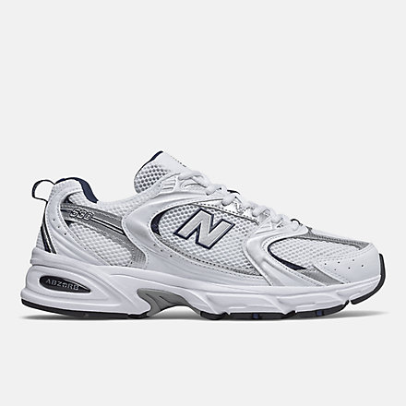
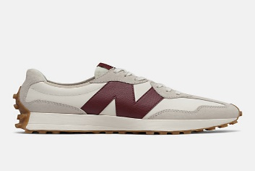
21 | MS327LAB | 327 | CHINA | 8.5 | 12 | 4 | 120 | 100 | 150 | 1.8 | 158.6
17 | MS327LAB | 327 | CHINA | 9.5 | 12 | 5 | 120 | 100 | 175 | 2.1 | 157
11 | MS327LAB | 327 | CHINA | 10 | 12 | 6 | 120 | 100 | 180 | 2.16 | 158.4
11 | MS327LAB | 327 | CHINA | 10 | 12 | 7 | 120 | 100 | 180 | 2.16 | 160.2
12 | MS327LAB | 327 | CHINA | 10 | 12 | 8 | 120 | 100 | 180 | 2.16 | 153.6
10 | MS327LAB | 327 | CHINA | 10 | 12 | 9 | 120 | 100 | 170 | 2.04 | 153.6
10 | MS327LAB | 327 | CHINA | 9.5 | 12 | 10 | 120 | 100 | 180 | 2.16 | 167.2
11 | MS327LAB | 327 | CHINA | 9.5 | 12 | 11 | 120 | 100 | 180 | 2.16 | 160.6
11 | MS327LAB | 327 | CHINA | 10 | 12 | 12 | 120 | 100 | 180 | 2.16 | 156.2
10 | MS327LAB | 327 | CHINA | 10 | 12 | 13 | 120 | 100 | 165 | 1.98 | 151
11 | MS327LAB | 327 | CHINA | 10 | 12 | 14 | 120 | 100 | 180 | 2.16 | 189.8
10 | MS327LAB | 327 | CHINA | 10 | 12 | 15 | 120 | 100 | 180 | 2.16 | 162.2
10 | MS327LAB | 327 | CHINA | 10 | 12 | 16 | 120 | 100 | 180 | 2.16 | 162.8
10 | MS327LAB | 327 | CHINA | 9.5 | 12 | 17 | 120 | 100 | 180 | 2.16 | 160.8 |  |  |  |  |  |  |  |  |  |  |  | WS327KB
14 | WS327KA | 327 | VIETNAM | 6.5 | 12 | 18 | 120 | 100 | 180 | 2.16 | 161.6
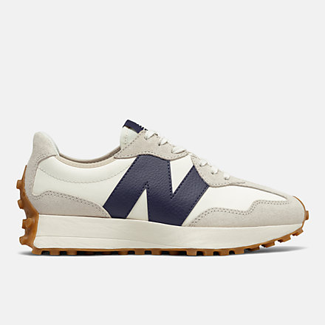
14 | WS327KA | 327 | VIETNAM | 6.5 | 12 | 19 | 120 | 100 | 175 | 2.1 | 168.2
10 | MS327LAB | 327 | CHINA | 9.5 | 12 | 20 | 120 | 100 | 175 | 2.1 | 155.4
14 | WS327KA | 327 | VIETNAM | 6.5 | 12 | 21 | 120 | 100 | 165 | 1.98 | 127.8
14 | WS327KA | 327 | VIETNAM | 6.5 | 12
10 | MS327LAB | 327 | CHINA | 9.5 | 12
10 | MS327LAB | 327 | CHINA | 9.5 | 12
17 | MS327LAB | 327 | CHINA | 9.5 | 12
1 | MS327LAB | 327 | CHINA | 9.5 | 12
3 | MS327LAB | 327 | CHINA | 9.5 | 12
3 | MS327LAB | 327 | CHINA | 9.5 | 12
2 | MS327LAB | 327 | CHINA | 9 | 12
2 | MS327LAB | 327 | CHINA | 9.5 | 12
2 | MS327LAB | 327 | CHINA | 10 | 12
2 | MS327LAB | 327 | CHINA | 10 | 12
3 | MS327LAB | 327 | CHINA | 10 | 12
3 | MS327LAB | 327 | CHINA | 10 | 12
3 | MS327LAB | 327 | CHINA | 10 | 12
3 | MS327LAB | 327 | CHINA | 9.5 | 12
3 | MS327LAB | 327 | CHINA | 9.5 | 12
5 | MS327LAB | 327 | CHINA | 9.5 | 12
3 | MS327LAB | 327 | CHINA | 9.5 | 12
3 | MS327LAB | 327 | CHINA | 10 | 12
5 | MS327LAB | 327 | CHINA | 9.5 | 12
3 | MS327LAB | 327 | CHINA | 9.5 | 12
2 | MS327LAB | 327 | CHINA | 9.5 | 12
2 | MS327LAB | 327 | CHINA | 9.5 | 12
1 | MS327LAB | 327 | CHINA | 9.5 | 12
2 | MS327LAB | 327 | CHINA | 9.5 | 12
8 | MS327LAB | 327 | CHINA | 9 | 12
20 | MS327LAB | 327 | VIETNAM | 7 | 12
8 | MS327LAB | 327 | VIETNAM | 7 | 12
8 | MS327LAB | 327 | VIETNAM | 7 | 12
9 | MS327LAB | 327 | VIETNAM | 7 | 12
8 | MS327LAB | 327 | CHINA | 9 | 12
8 | MS327LAB | 327 | VIETNAM | 7 | 12
20 | MS327LAB | 327 | CHINA | 9 | 12
8 | MS327LAB | 327 | VIETNAM | 7 | 12
9 | MS327LAB | 327 | CHINA | 9 | 12
9 | MS327LAB | 327 | VIETNAM | 7 | 12
20 | MS327LAB | 327 | VIETNAM | 7 | 12
20 | MS327LAB | 327 | VIETNAM | 7 | 12
9 | MS327LAB | 327 | VIETNAM | 7 | 12
8 | MS327LAB | 327 | VIETNAM | 7 | 12
9 | MS327LAB | 327 | VIETNAM | 7 | 12
7 | MS327LAB | 327 | VIETNAM | 7 | 12
8 | MS327LAB | 327 | VIETNAM | 7 | 12
20 | MS327LAB | 327 | VIETNAM | 7 | 12
20 | MS327LAB | 327 | VIETNAM | 7 | 12
20 | MS327LAB | 327 | VIETNAM | 7 | 12
20 | MS327LAB | 327 | VIETNAM | 7 | 12
9 | MS327LAB | 327 | VIETNAM | 7 | 12
9 | MS327LAB | 327 | VIETNAM | 7 | 12
21 | MS327LAB | 327 | CHINA | 9 | 12
15 | MS327LAB | 327 | CHINA | 9 | 12
16 | MS327LAB | 327 | CHINA | 9 | 12
16 | MS327LAB | 327 | CHINA | 9 | 12
15 | MS327LAB | 327 | CHINA | 9 | 12
15 | MS327LAB | 327 | CHINA | 9 | 12
16 | MS327LAB | 327 | CHINA | 9 | 12
16 | MS327LAB | 327 | CHINA | 9 | 12
16 | MS327LAB | 327 | CHINA | 9 | 12
15 | MS327LAB | 327 | CHINA | 9 | 12
16 | MS327LAB | 327 | CHINA | 9 | 12
15 | MS327LAB | 327 | CHINA | 9 | 12
15 | MS327LAB | 327 | CHINA | 9 | 12
15 | MS327LAB | 327 | CHINA | 9 | 12
15 | MS327LAB | 327 | CHINA | 9 | 12
15 | MS327LAB | 327 | CHINA | 9 | 12
15 | MS327LAB | 327 | CHINA | 9 | 12
16 | MS327LAB | 327 | CHINA | 9 | 12
15 | MS327LAB | 327 | CHINA | 9 | 12
15 | MS327LAB | 327 | CHINA | 9 | 12
15 | MS327LAB | 327 | CHINA | 9 | 12
4 | WS327KA | 327 | VIETNAM | 7 | 12
4 | WS327KA | 327 | VIETNAM | 7 | 12
4 | WS327KA | 327 | VIETNAM | 7 | 12
4 | WS327KA | 327 | VIETNAM | 6 | 12
20 | WS327KA | 327 | VIETNAM | 7.5 | 12
7 | MS327LAB | 327 | CHINA | 9 | 12
7 | MS327LAB | 327 | CHINA | 9 | 12
7 | MS327LAB | 327 | CHINA | 9 | 12
7 | MS327LAB | 327 | CHINA | 9 | 12
7 | MS327LAB | 327 | CHINA | 9 | 12
7 | MS327LAB | 327 | CHINA | 9 | 12
7 | MS327LAB | 327 | VIETNAM | 7.5 | 12
20 | MS327LAB | 327 | CHINA | 9 | 12
7 | MS327LAB | 327 | CHINA | 9 | 12
7 | MS327LAB | 327 | CHINA | 9 | 12
20 | MS327LAB | 327 | CHINA | 9 | 12
20 | MS327LAB | 327 | VIETNAM | 7.5 | 12
20 | MS327LAB | 327 | VIETNAM | 7.5 | 12
7 | MS327LAB | 327 | CHINA | 9 | 12
7 | MS327LAB | 327 | VIETNAM | 7.5 | 12
4 | WS327KA | 327 | VIETNAM | 6 | 12
3 | MS327LAB | 327 | CHINA | 6.5 | 12
5 | MS327LAB | 327 | CHINA | 6 | 12
2 | MS327LAB | 327 | VIETNAM | 7.5 | 12
3 | MS327LAB | 327 | VIETNAM | 7.5 | 12
5 | MS327LAB | 327 | VIETNAM | 7.5 | 12
5 | MS327LAB | 327 | VIETNAM | 7.5 | 12
4 | WS327KB | 327 | CHINA | 7 | 12
4 | WS327KA | 327 | VIETNAM | 7 | 12
4 | WS327KA | 327 | VIETNAM | 6 | 12
4 | WS327KA | 327 | VIETNAM | 5 | 12
4 | WS327KB | 327 | CHINA | 7 | 12
4 | MS327LAB | 327 | VIETNAM | 7.5 | 12
5 | MS327LAB | 327 | VIETNAM | 7.5 | 12
5 | MS327LAB | 327 | VIETNAM | 7.5 | 12
5 | MS327LAB | 327 | VIETNAM | 7.5 | 12
6 | MS327LAB | 327 | VIETNAM | 7.5 | 12
5 | MS327LAB | 327 | VIETNAM | 7.5 | 12
4 | WS327KB | 327 | CHINA | 7 | 12
4 | WS327KB | 327 | CHINA | 7 | 12
4 | WS327KA | 327 | VIETNAM | 5.5 | 12
4 | MS327LAB | 327 | CHINA | 5.5 | 12
4 | MS327LAB | 327 | CHINA | 4 | 12
4 | WS327KA | 327 | VIETNAM | 7 | 12
2 | WS327KB | 327 | CHINA | 7 | 12
12 | MS327LAB | 327 | VIETNAM | 7.5 | 12
13 | MS327LAB | 327 | VIETNAM | 7.5 | 12
12 | MS327LAB | 327 | VIETNAM | 7.5 | 12
11 | MS327LAB | 327 | VIETNAM | 7.5 | 12
11 | MS327LAB | 327 | VIETNAM | 7.5 | 12
13 | MS327LAB | 327 | VIETNAM | 7.5 | 12
13 | WS327KA | 327 | VIETNAM | 7.5 | 12
13 | WS327KA | 327 | VIETNAM | 8 | 12
13 | MS327LAB | 327 | VIETNAM | 7.5 | 12
13 | MS327LAB | 327 | VIETNAM | 7.5 | 12
13 | MS327LAB | 327 | VIETNAM | 7.5 | 12
13 | WS327KA | 327 | VIETNAM | 7.5 | 12
13 | WS327KA | 327 | VIETNAM | 7.5 | 12
12 | MS327LAB | 327 | VIETNAM | 7.5 | 10
12 | MS327LAB | 327 | VIETNAM | 7.5 | 12
11 | MS327LAB | 327 | VIETNAM | 7.5 | 12
12 | MS327LAB | 327 | VIETNAM | 7.5 | 12
12 | MS327LAB | 327 | VIETNAM | 7.5 | 12
12 | MS327LAB | 327 | VIETNAM | 7.5 | 12
11 | MS327LAB | 327 | VIETNAM | 7.5 | 12
14 | MS327LAB | 327 | CHINA | 5 | 12
11 | MS327LAB | 327 | VIETNAM | 8 | 12
10 | MS327LAB | 327 | CHINA | 9 | 12
11 | MS327LAB | 327 | CHINA | 9 | 12
10 | MS327LAB | 327 | CHINA | 9 | 12
11 | MS327LAB | 327 | CHINA | 9 | 12
11 | MS327LAB | 327 | CHINA | 9 | 12
11 | MS327LAB | 327 | CHINA | 9 | 12
12 | MS327LAB | 327 | CHINA | 9 | 12
10 | MS327LAB | 327 | CHINA | 9 | 10
12 | MS327LAB | 327 | CHINA | 9 | 12
12 | MS327LAB | 327 | CHINA | 9 | 12
12 | MS327LAB | 327 | CHINA | 9 | 12
12 | MS327LAB | 327 | CHINA | 9 | 12
13 | WS327KB | 327 | VIETNAM | 8 | 12
14 | WS327KB | 327 | CHINA | 6 | 12
14 | WS327KB | 327 | CHINA | 6 | 12
14 | WS327KB | 327 | CHINA | 6 | 12
14 | WS327KB | 327 | VIETNAM | 5 | 12
14 | MS327LAB | 327 | CHINA | 5.5 | 12
13 | WS327KB | 327 | CHINA | 7.5 | 12
13 | WS327KB | 327 | CHINA | 7.5 | 12
14 | WS327KB | 327 | VIETNAM | 5.5 | 12
14 | WS327KB | 327 | VIETNAM | 5.5 | 12
14 | MS327LAB | 327 | CHINA | 4.5 | 12
14 | WS327KA | 327 | VIETNAM | 5.5 | 12
14 | WS327KB | 327 | VIETNAM | 6.5 | 12
14 | WS327KB | 327 | VIETNAM | 6.5 | 12
12 | MS327LAB | 327 | CHINA | 9 | 12
13 | WS327KB | 327 | CHINA | 7.5 | 12
13 | WS327KB | 327 | CHINA | 7.5 | 12
14 | WS327KB | 327 | VIETNAM | 6.5 | 12
14 | WS327KB | 327 | VIETNAM | 6.5 | 12
14 | MS327LAB | 327 | CHINA | 4.5 | 12
14 | MS327LAB | 327 | CHINA | 5 | 12
...

