STYLE # 2020
2 PC ADULT TRACK SUITS/ UNISEX
FOB Montreal
MSRP $69.99
Price $18.00
CASE PACK: 15 Sets (solid size/ colour and style per casee)

PACKING LIST
TOTAL QTY : 2,463 SETS | COLOR -6: |  | BLACK / NAVY / ROYAL / ASH GREY / RED
 | TOTAL CARTON: 168 |  | 180 |  | TOTAL CBM 17.26
UNISEX TO BOTTOM HOODY SETS | CARTON MEASUREMENT : 22 X 14 X 19 INCH
FABRICS: 65 % COTTON 35% POLYSTER - 310 GDM CVC ONE SIDE BRUSHED

STYLE # 2020 | COLOR | S | M | L | XL | XXL | 3XL | 4XL | TOTAL SETS | TTL CARTON
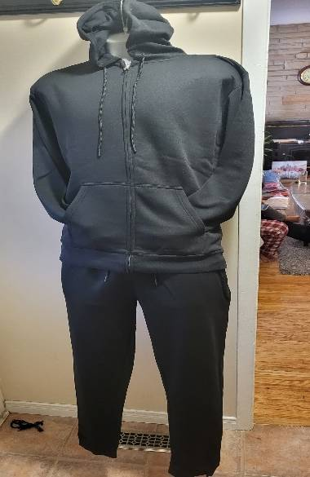 | BLACK | 30 |  |  |  |  |  |  | 30 | 2
 |  |  | 75 |  |  |  |  |  | 75 | 5
 |  |  |  | 120 |  |  |  |  | 120 | 8
 |  |  |  |  | 165 |  |  |  | 165 | 11
 |  |  |  |  |  | 132 |  |  | 132 | 11
 |  |  |  |  |  |  | 84 |  | 84 | 7
 |  |  |  |  |  |  |  | 36 | 36 | 3
 |  | TOTAL |  |  |  |  |  |  | 642 | 47

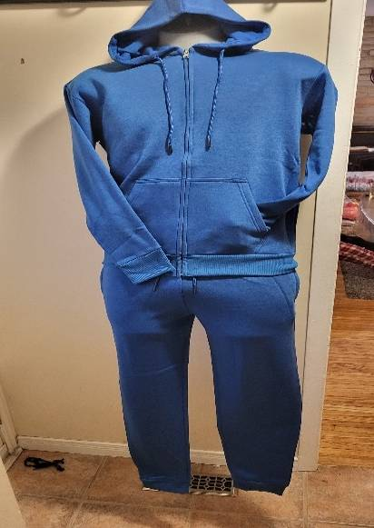 | COLOR | S | M | L | XL | 2XL | 3XL | 4XL | TOTAL SETS | TOTAL CARTON
 | NAVY | 0 | 30 |  |  |  |  |  | 30 | 2
 |  |  |  | 75 |  |  |  |  | 75 | 5
 |  |  |  |  | 60 |  |  |  | 60 | 4
 |  |  |  |  |  | 72 |  |  | 72 | 6
 |  |  |  |  |  |  | 36 |  | 36 | 3
 |  |  |  |  |  |  |  | 0

 |  | TOTAL |  |  |  |  |  |  | 273 | 20

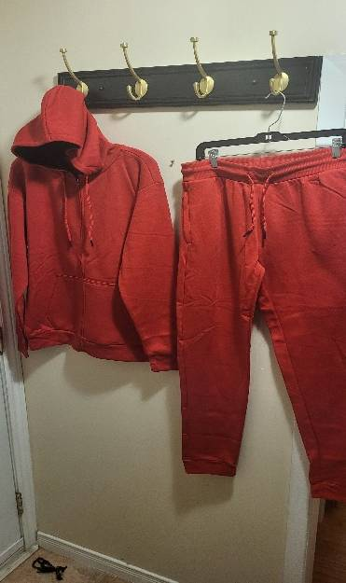 | COLOR | S | M | L | XL | 2XL | 3XL | 4XL | TOTAL SETS | TOTAL CARTON
 | RED | 30 |  |  |  |  |  |  | 30 | 2
 |  |  | 90 |  |  |  |  |  | 90 | 6
 |  |  |  | 75 |  |  |  |  | 75 | 5
 |  |  |  |  | 60 |  |  |  | 60 | 4
 |  |  |  |  |  | 120 |  |  | 120 | 10
 |  |  |  |  |  |  | 84 |  | 84 | 7
 |  |  |  |  |  |  |  | 12 | 12 | 1
 |  | TOTAL |  |  |  |  |  |  | 351 | 27

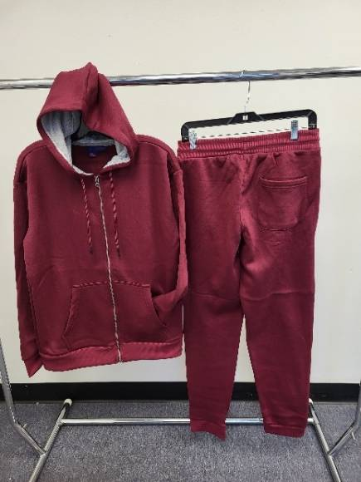 | COLOR | S | M | L | XL | 2XL | 3XL | 4XL | TOTAL SETS | TOTAL CARTON
 | ROYAL | 15 |  |  |  |  |  |  | 15 | 1
 |  |  | 30 |  |  |  |  |  | 30 | 2
 |  |  |  | 60 |  |  |  |  | 60 | 4
 |  |  |  |  | 60 |  |  |  | 60 | 4
 |  |  |  |  |  | 60 |  |  | 60 | 5
 |  |  |  |  |  |  | 24 |  | 24 | 2
 |  |  |  |  |  |  |  | 12 | 12 | 1
 |  | TOTAL |  |  |  |  |  |  | 261 | 19

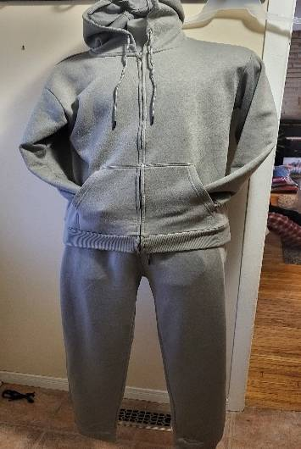 | COLOR | S | M | L | XL | 2XL | 3XL | 4XL | TOTAL SETS | TOTAL CARTON
 | ASH GREY | 15 |  |  |  |  |  |  | 15 | 1
 |  |  | 60 |  |  |  |  |  | 60 | 4
 |  |  |  | 105 |  |  |  |  | 105 | 7
 |  |  |  |  | 105 |  |  |  | 105 | 7
 |  |  |  |  |  | 96 |  |  | 96 | 8
 |  |  |  |  |  |  | 48 |  | 48 | 4
 |  |  |  |  |  |  |  | 12 | 12 | 1
 |  | TOTAL |  |  |  |  |  |  | 441 | 32

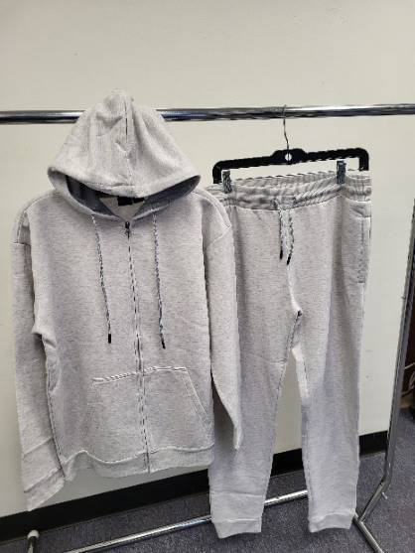 | COLOR | S | M | L | XL | 2XL | 3XL | 4XL | TOTAL SETS | TOTAL CARTON
 | GREY | 15 |  |  |  |  |  |  | 15 | 1
 |  |  | 60 |  |  |  |  |  | 60 | 4
 |  |  |  | 90 |  |  |  |  | 90 | 6
 |  |  |  |  | 90 |  |  |  | 90 | 6
 |  |  |  |  |  | 72 |  |  | 72 | 6
 |  |  |  |  |  |  | 24 |  | 24 | 2
 |  |  |  |  |  |  |  | 24 | 24 | 2
 |  | TOTAL |  |  |  |  |  |  | 375 | 27

STYLE #2025
PACKING LIST
TOTAL QTY : 3,708 SETS | COLOR -10: |  | BLACK-RED/ BLACK-YELLOW/ NAVY-RED/NAVY-YELLOW/ROYAL -NAVY/RED-BLACK/YELLOW-BLACK/ASH GREY-RED/ASH GREY-NAVY/BURGUNDY-GREY

UNISEX TO BOTTOM HOODY SETS | CARTON MEASUREMENT : 22 X 14 X 19 INCH
FABRICS: 65 % COTTON 35% POLYSTER - 310 GDM CVC ONE SIDE BRUSHED
 | TOTAL CARTON: 271 |  |  |  | TOTAL CBM 17.26

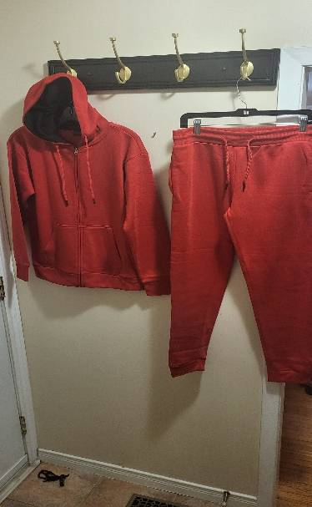
STYLE 2025 | COLOR | S | M | L | XL | XXL | 3XL | 4XL | TOTAL SETS | TOTAL CARTONS
 | BLACK-RED | 30 |  |  |  |  |  |  | 30 | 2
 |  |  | 30 |  |  |  |  |  | 30 | 2
 |  |  |  | 75 |  |  |  |  | 75 | 5
 |  |  |  |  | 60 |  |  |  | 60 | 4
 |  |  |  |  |  | 60 |  |  | 60 | 5
 |  |  |  |  |  |  | 72 |  | 72 | 6
 |  |  |  |  |  |  |  | 24 | 24 | 2
 |  | TOTAL |  |  |  |  |  |  | 351 | 26

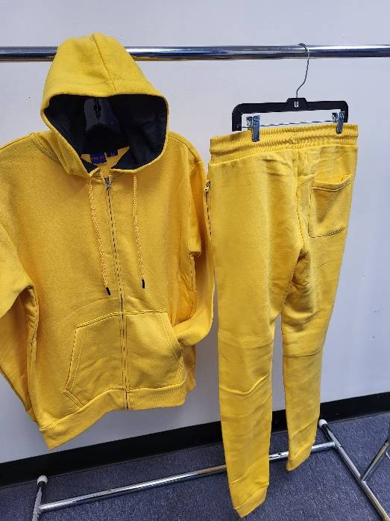 | COLOR | S | M | L | XL | XXL | 3XL | 4XL | TOTAL SETS | TOTAL CARTONS
 | BLACK- YELLOW | 30 |  |  |  |  |  |  | 30 | 2
 |  |  | 90 |  |  |  |  |  | 90 | 6
 |  |  |  | 135 |  |  |  |  | 135 | 9
 |  |  |  |  | 165 |  |  |  | 165 | 11
 |  |  |  |  |  | 132 |  |  | 132 | 11
 |  |  |  |  |  |  | 96 |  | 96 | 8
 |  |  |  |  |  |  |  | 36 | 96 | 3
 |  | TOTAL SETS |  |  |  |  |  |  | 744 | 50

 | COLOR | S | M | L | XL | XXL | 3XL | 4XL | TOTAL SETS | TOTAL CARTONS
 | NAVY - RED | 0 |  |  |  |  |  |  | 0 | 0
 |  |  | 0 |  |  |  |  |  | 0 | 0
 |  |  |  | 45 |  |  |  |  | 45 | 3
 |  |  |  |  | 75 |  |  |  | 75 | 5
 |  |  |  |  |  | 48 |  |  | 48 | 4
 |  |  |  |  |  |  | 0 |  | 0 | 0
 |  |  |  |  |  |  |  | 0 | 0 | 0
 |  | TOTAL |  |  |  |  |  |  | 168 | 12

 | COLOR | S | M | L | XL | XXL | 3XL | 4XL | TOTAL SETS | TOTAL CARTONS
 | NAVY - YELLOW | 0 |  |  |  |  |  |  | 0 | 0
 |  |  | 60 |  |  |  |  |  | 60 | 4
 |  |  |  | 45 |  |  |  |  | 45 | 3
 |  |  |  |  | 45 |  |  |  | 45 | 3
 |  |  |  |  |  | 48 |  |  | 48 | 4
 |  |  |  |  |  |  | 48 |  | 48 | 4
 |  |  |  |  |  |  |  | 0 | 0 | 0
 |  | TOTAL |  |  |  |  |  |  | 246 | 18

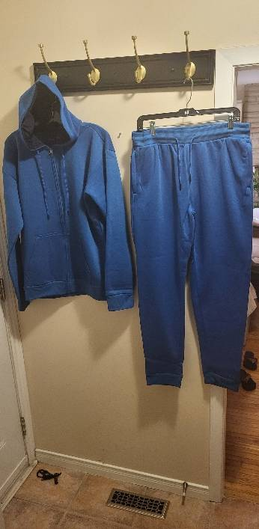 | COLOR | S | M | L | XL | XXL | 3XL | 4XL | TOTAL SETS | TOTAL CARTONS
 | ROYAL- NAVY | 30 |  |  |  |  |  |  | 30 | 2
 |  |  | 60 |  |  |  |  |  | 60 | 4
 |  |  |  | 105 |  |  |  |  | 105 | 7
 |  |  |  |  | 105 |  |  |  | 105 | 7
 |  |  |  |  |  | 108 |  |  | 108 | 9
 |  |  |  |  |  |  | 60 |  | 60 | 5
 |  |  |  |  |  |  |  | 36 | 36 | 3
 |  | TOTAL |  |  |  |  |  |  | 504 | 37

 | COLOR | S | M | L | XL | XXL | 3XL | 4XL | TOTAL SETS | TOTAL CARTONS
 | RED- BLACK | 15 |  |  |  |  |  |  | 15 | 1
 |  |  | 60 |  |  |  |  |  | 60 | 4
 |  |  |  | 120 |  |  |  |  | 120 | 8
 |  |  |  |  | 165 |  |  |  | 165 | 11
 |  |  |  |  |  | 84 |  |  | 84 | 7
 |  |  |  |  |  |  | 60 |  | 60 | 5
 |  |  |  |  |  |  |  | 36 | 36 | 3
 |  | TOTAL |  |  |  |  |  |  | 540 | 39

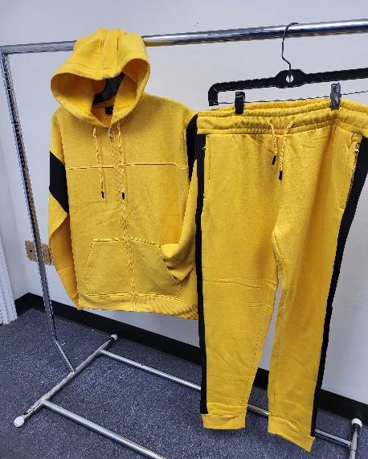 | COLOR | S | M | L | XL | XXL | 3XL | 4XL | TOTAL SETS | TOTAL CARTONS
 | YELLOW-BLACK | 15 |  |  |  |  |  |  | 15 | 1
 |  |  | 45 |  |  |  |  |  | 45 | 3
 |  |  |  | 90 |  |  |  |  | 90 | 6
 |  |  |  |  | 105 |  |  |  | 105 | 7
 |  |  |  |  |  | 96 |  |  | 96 | 8
 |  |  |  |  |  |  | 36 |  | 36 | 3
 |  |  |  |  |  |  |  | 12 | 12 | 1
 |  | TOTAL |  |  |  |  |  |  | 399 | 29

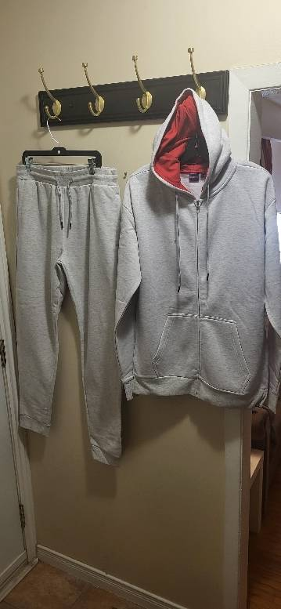 | COLOR | S | M | L | XL | XXL | 3XL | 4XL | TOTAL SETS | TOTAL CARTONS
 | ASH GEY-RED | 15 |  |  |  |  |  |  | 15 | 1
 |  |  | 45 |  |  |  |  |  | 45 | 3
 |  |  |  | 75 |  |  |  |  | 75 | 5
 |  |  |  |  | 45 |  |  |  | 45 | 3
 |  |  |  |  |  | 48 |  |  | 48 | 4
 |  |  |  |  |  |  | 48 |  | 48 | 4
 |  |  |  |  |  |  |  | 36 | 36 | 3
 |  | TOTAL |  |  |  |  |  |  | 312 | 23

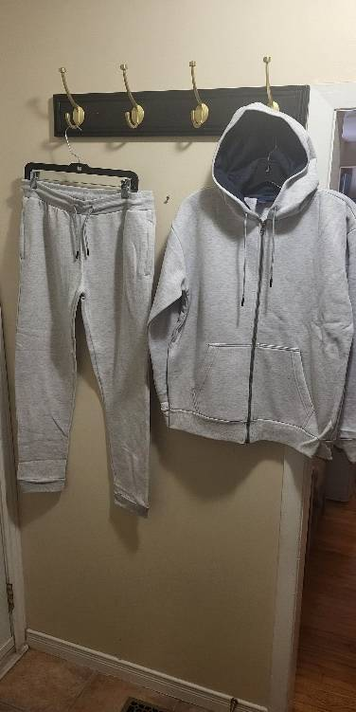 | COLOR | S | M | L | XL | XXL | 3XL | 4XL | TOTAL SETS | TOTAL CARTONS
 | ASH GREY - NAVY | 0 |  |  |  |  |  |  | 0 | 0
 |  |  | 15 |  |  |  |  |  | 15 | 1
 |  |  |  | 45 |  |  |  |  | 45 | 3
 |  |  |  |  | 45 |  |  |  | 45 | 3
 |  |  |  |  |  | 36 |  |  | 36 | 3
 |  |  |  |  |  |  | 24 |  | 24 | 2
 |  |  |  |  |  |  |  | 12 | 12 | 1
 |  | TOTAL |  |  |  |  |  |  | 177 | 13

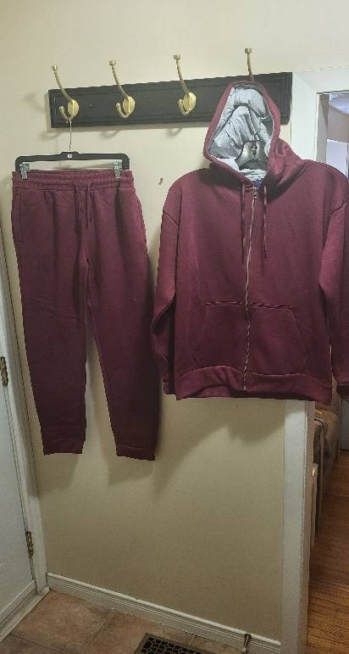 | COLOR | S | M | L | XL | XXL | 3XL | 4XL | TOTAL SETS | TOTAL CARTONS
 | BURGUNDY- GREY | 15 |  |  |  |  |  |  | 15 | 1
 |  |  | 60 |  |  |  |  |  | 60 | 5
 |  |  |  | 60 |  |  |  |  | 60 | 5
 |  |  |  |  | 60 |  |  |  | 60 | 5
 |  |  |  |  |  | 60 |  |  | 60 | 5
 |  |  |  |  |  |  | 60 |  | 60 | 5
 |  |  |  |  |  |  |  | 12 | 12 | 1
 |  | TOTAL |  |  |  |  |  |  | 327 | 27

STYLE # 2017
PACKING LIST
TOTAL QTY : 1,008 SETS | COLOR -4: |  | BLACK / OLIVE / ASH GREY / YELLOW

UNISEX TO BOTTOM HOODY SETS | CARTON MEASUREMENT : 22 X 14 X 19 INCH
FABRICS: 65 % COTTON 35% POLYSTER - 310 GDM INTERLOCK
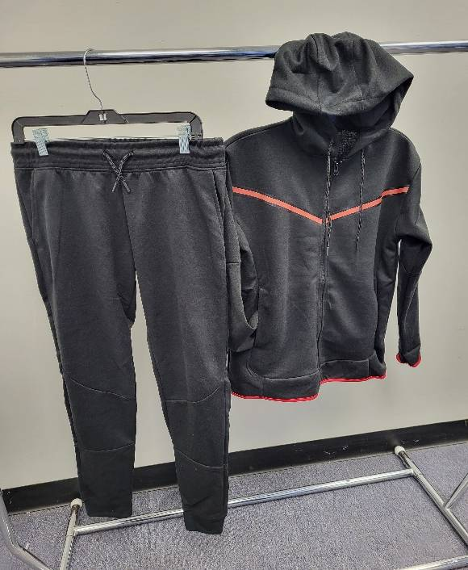 | COLOR | S | M | L | XL | XXL | 3XL | 4XL | TOTAL SETS | TOTAL CTN
 | BLACK | 18 |  |  |  |  |  |  | 18 | 1
 |  |  | 18 |  |  |  |  |  | 18 | 1
 |  |  |  | 36 |  |  |  |  | 36 | 2
 |  |  |  |  | 54 |  |  |  | 54 | 3
 |  |  |  |  |  | 36 |  |  | 36 | 2
 |  |  |  |  |  |  | 36 |  | 36 | 2
 |  |  |  |  |  |  |  | 18 | 18 | 1
 |  | TOTAL SETS |  |  |  |  |  |  | 216 | 11

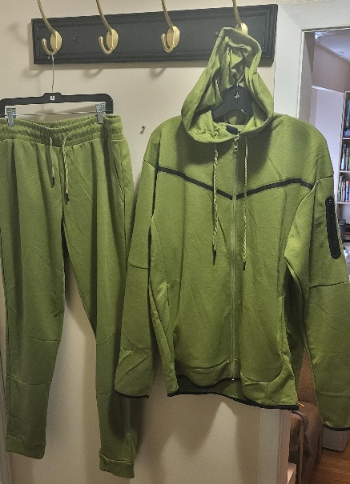 |  | S | M | L | XL | XXL | 3XL | 4XL | TOTAL SETS | TOTAL CARTON
 | OLIVE |  |  | 18 |  |  |  |  | 18 | 1
 |  |  |  |  | 18 |  |  |  | 18 | 1
 |  |  |  |  |  | 36 |  |  | 36 | 2
 |  | TOTAL SETS |  |  |  |  |  |  | 72 | 4

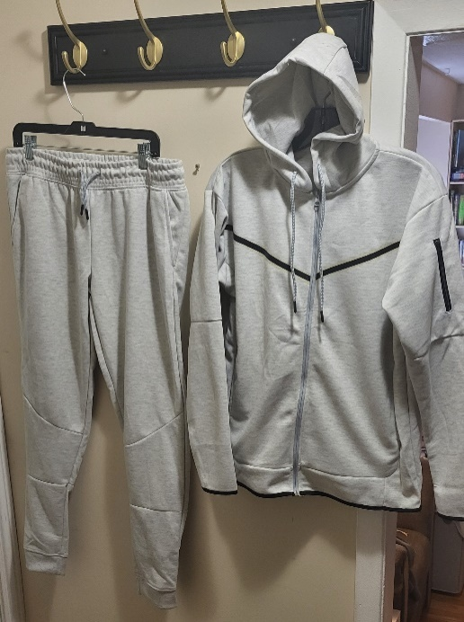 | ASH GREY | S | M | L | XL | XXL | 3XL | 4XL | TOTAL SETS | TOTAL CARTON
 |  |  | 36 |  |  |  |  |  | 36 | 2
 |  |  |  | 36 |  |  |  |  | 36 | 2
 |  |  |  |  | 54 |  |  |  | 54 | 3
 |  |  |  |  |  | 36 |  |  | 36 | 2
 |  |  |  |  |  |  | 18 |  | 18 | 1
 |  | TOTAL SETS |  |  |  |  |  |  | 180 | 10

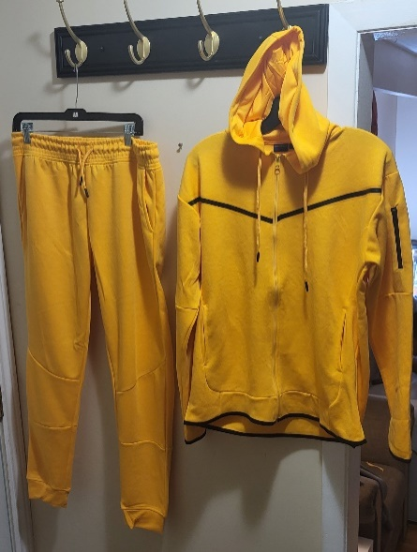
 | YELLOW | S | M | L | XL | XXL | 3XL | 4XL | TOTAL SETS | TOTAL CARTON
 |  |  | 54 |  |  |  |  |  | 54 | 3
 |  |  |  | 126 |  |  |  |  | 126 | 7
 |  |  |  |  | 126 |  |  |  | 126 | 7
 |  |  |  |  |  | 126 |  |  | 126 | 7
 |  |  |  |  |  |  | 90 |  | 90 | 5
 |  |  |  |  |  |  |  | 18 | 18 | 1
 |  | TOTAL SETS |  |  |  |  |  |  | 540 | 30

STYLE # 2013
P A C K I N G L I S T
TOTAL QTY : 2,091 SETS | COLOR 5: | GREY , BLACK , NAVY ,ROYAL ,OLIVE
 | TOTAL CARTON: 152
UNISEX TOP BOTTOM HOODY SETS | CARTON MEASUREMENT : 22 X 14 X 19 INCH
FABRICS: 65% COTTON35% POLY CVC ONE SIDE BRUSH -310 GSM |  |  |  |  | TOTAL CBM 14.58
STYLE # 2013 | COLOR | S | M | L | XL | XXL | 3XL | 4XL | TOTAL SETS | TOTAL CTN
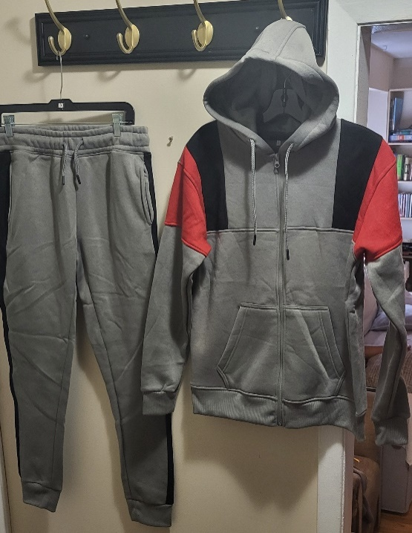 | GREY | 30 |  |  |  |  |  |  | 30 | 2
 |  |  | 60 |  |  |  |  |  | 60 | 4
 |  |  |  | 75 |  |  |  |  | 75 | 5
 |  |  |  |  | 90 |  |  |  | 90 | 6
 |  |  |  |  |  | 72 |  |  | 72 | 6
 |  |  |  |  |  |  | 72 |  | 72 | 6
 |  |  |  |  |  |  |  | 12 | 12 | 1

 |  | TOTAL SETS |  |  |  |  |  |  | 411 | 30
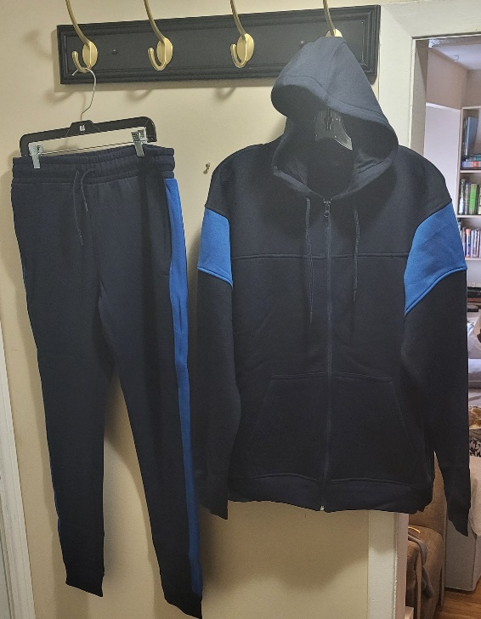
 | COLOR | S | M | L | XL | XXL | 3XL | 4XL | TOTAL SETS | TOTAL CTN
 | BLACK |  | 72 |  |  |  |  |  | 72 | 5
 |  |  |  | 120 |  |  |  |  | 120 | 8
 |  |  |  |  | 105 |  |  |  | 105 | 7
 |  |  |  |  |  | 96 |  |  | 96 | 8
 |  |  |  |  |  |  | 60 |  | 60 | 5
 |  |  |  |  |  |  |  | 12 | 12 | 1

 |  | TOTAL SETS |  |  |  |  |  |  | 465 | 34
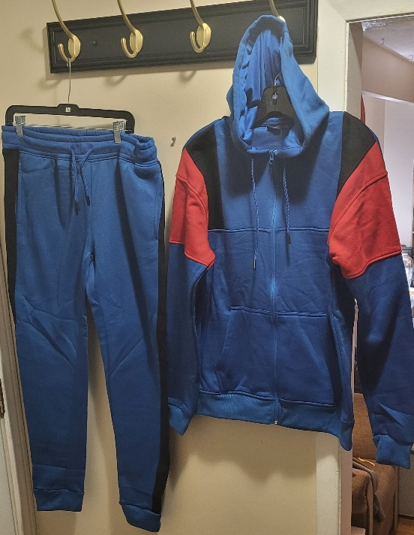
 | COLOR | S | M | L | XL | XXL | 3XL | 4XL | TOTAL SETS | TOTAL CTN
 | NAVY |  | 45 |  |  |  |  |  | 45 | 3
 |  |  |  | 75 |  |  |  |  | 75 | 5
 |  |  |  |  | 135 |  |  |  | 135 | 9
 |  |  |  |  |  | 72 |  |  | 72 | 6
 |  |  |  |  |  |  | 60 |  | 60 | 5
 |  |  |  |  |  |  |  | 12 | 12 | 1

 |  | TOTAL SETS |  |  |  |  |  |  | 399 | 29

 | COLOR | S | M | L | XL | XXL | 3XL | 4XL | TOTAL SETS | TOTAL CTN
 | ROYAL | 15 |  |  |  |  |  |  | 15 | 1
 |  |  | 75 |  |  |  |  |  | 75 | 5
 |  |  |  | 75 |  |  |  |  | 75 | 5
 |  |  |  |  | 105 |  |  |  | 105 | 7
 |  |  |  |  |  | 72 |  |  | 72 | 6
 |  |  |  |  |  |  | 36 |  | 36 | 3
 |  |  |  |  |  |  |  | 12 | 12 | 1

 |  | TOTAL SETS |  |  |  |  |  |  | 390 | 28
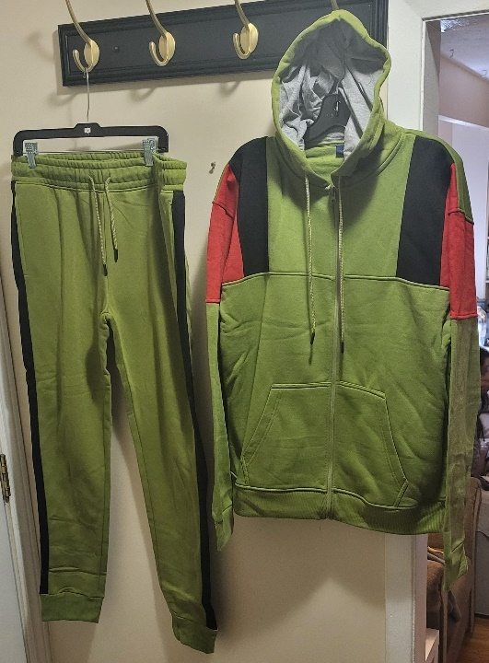
 | COLOR | S | M | L | XL | XXL | 3XL | 4XL | TOTAL SETS | TOTAL CTN
 | OLIVE |  | 45 |  |  |  |  |  | 45 | 3
 |  |  |  | 90 |  |  |  |  | 90 | 6
 |  |  |  |  | 120 |  |  |  | 120 | 8
 |  |  |  |  |  | 96 |  |  | 96 | 8
 |  |  |  |  |  |  | 60 |  | 60 | 5
 |  |  |  |  |  |  |  | 12 | 12 | 1

 |  | TOTAL SETS |  |  |  |  |  |  | 423 | 31

STYLE # 2005
P A C K I N G L I S T
TOTAL QTY : 2,301 SETS | COLOR- 3: | OLIVE -OFF WHITE / DARK GERY -OFF WHITE/ RED-OFF WHITE
 | TOTAL CARTON: 168
UNISEX TO BOTTOM HOODY SETS | CARTON MEASUREMENT : 22 X 14 X 19 INCH
FABRICS: 65 % COTTON 35% POLYSTER - 310 GDM CVC ONE SIDE BRUSHED |  |  |  |  |  | TOTAL CBM 16.11
STYLE # 2005 | COLOR | S | M | L | XL | XXL | 3XL | 4XL | TOTAL SETS | TOTAL CTN
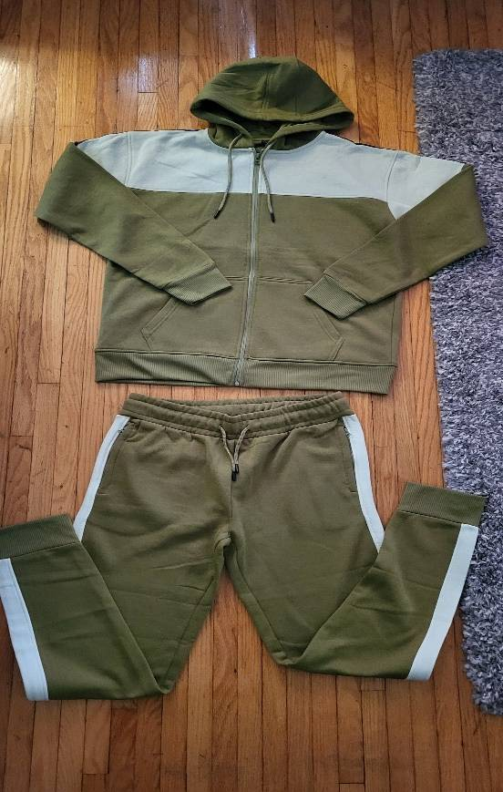 | OLIVE/ OFF- WHITE | 45 |  |  |  |  |  |  | 45 | 3
 |  |  | 135 |  |  |  |  |  | 135 | 9
 |  |  |  | 230 |  |  |  |  | 230 | 14
 |  |  |  |  | 270 |  |  |  | 270 | 18
 |  |  |  |  |  | 240 |  |  | 240 | 20
 |  |  |  |  |  |  | 132 |  | 132 | 11
 |  |  |  |  |  |  |  | 48 | 48 | 4

 |  | TOTAL |  |  |  |  |  |  | 1100 | 79

 | COLOR | S | M | L | XL | XXL | 3XL | 4XL | TOTAL SETS | TOTAL CTN
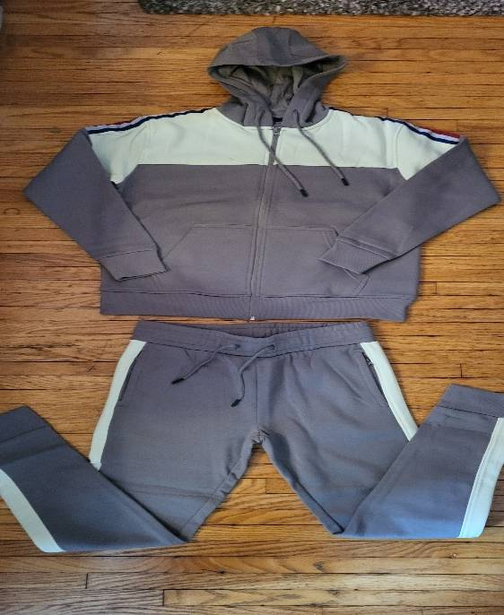 | DARK GREY /OFF- WHITE | 45 |  |  |  |  |  |  | 45 | 3
 |  |  | 150 |  |  |  |  |  | 150 | 10
 |  |  |  | 240 |  |  |  |  | 240 | 16
 |  |  |  |  | 315 |  |  |  | 315 | 21
 |  |  |  |  |  | 252 |  |  | 252 | 21
 |  |  |  |  |  |  | 144 |  | 144 | 12
 |  |  |  |  |  |  |  | 48 | 48 | 4

 |  | TOTAL |  |  |  |  |  |  | 1194 | 87

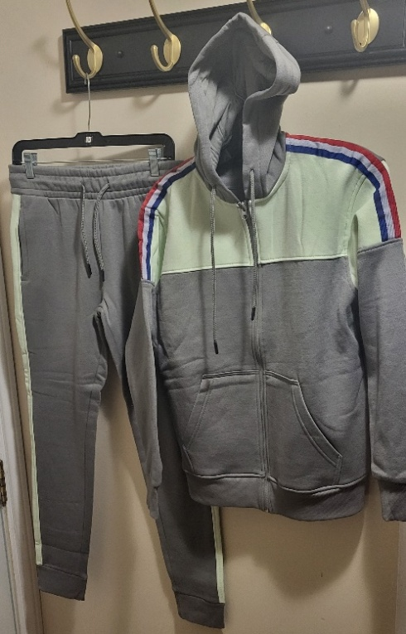

 | COLOR | S | M | L | XL | XXL | 3XL | 4XL | TOTAL SETS | TOTAL CTN

 | RED /OFF -WHITE | S | M | L | XL | XXL | 3XL | 4XL | TOTAL SETS | TOTAL CTN
 |  |  |  |  | 15 |  |  |  | 15 | 1
 |  |  |  |  |  | 12 |  |  | 12 | 1
 |  | TOTAL |  |  |  |  |  |  | 27 | 2

STYLE # 2006
P A C K I N G L I S T
TOTAL QTY: 1,968 SETS | COLOR 3: | BLACK/ ASH GREY, NAVY / ROYAL, YELLOW/-BLACK,
 | TOTAL CARTON: 143
UNISEX HOODY SETS | CARTON MEASUREMENT : 22 X 14 X 19 INCH
FABRICS: CVC ONE SIDE BRUSHED 310 GSM | TOTAL CBM 13.71
STYLE # 2006 | COLOR | S | M | L | XL | XXL | 3XL | 4XL | TOTAL SETS | TOTAL CTN
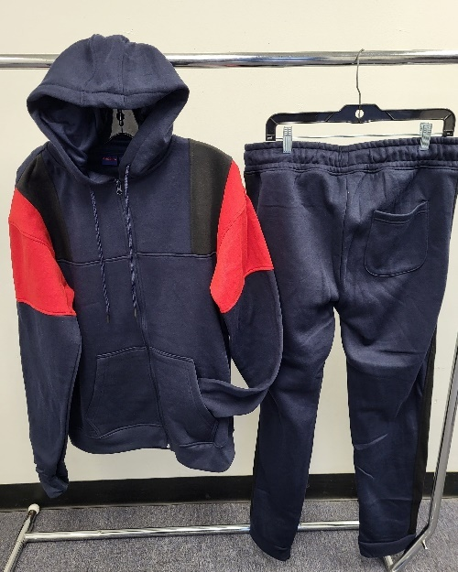 | BLACK/ RED | 30 |  |  |  |  |  |  | 30 | 2
 |  |  | 120 |  |  |  |  |  | 120 | 8
 |  |  |  | 180 |  |  |  |  | 180 | 12
 |  |  |  |  | 255 |  |  |  | 255 | 17
 |  |  |  |  |  | 168 |  |  | 168 | 14
 |  |  |  |  |  |  | 96 |  | 96 | 8
 |  |  |  |  |  |  |  | 36 | 36 | 3
 |  | 6 | 9 |  |  |  |  |  | 15 | 1
 |  |  |  | 4 | 11 |  |  |  | 15 | 1
 |  |  |  |  |  |  | 10 | 2 | 12 | 1

 |  | TOTAL |  |  |  |  |  |  | 927 | 67
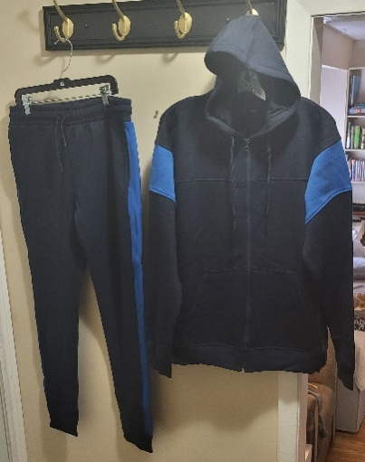
 | COLOR | S | M | L | XL | XXL | 3XL | 4XL | TOTAL SETS | TOTAL CTN
 | NAVY / ROYAL BLUE |  |  | 15 |  |  |  |  | 15 | 1
 |  |  |  |  | 30 |  |  |  | 30 | 2
 |  |  |  |  |  | 24 |  |  | 24 | 2
 |  |  |  |  |  |  | 12 |  | 12 | 1
 |  |  |  |  |  |  |  | 0 | 0
 |  | T O T A L |  |  |  |  |  |  | 81 | 6

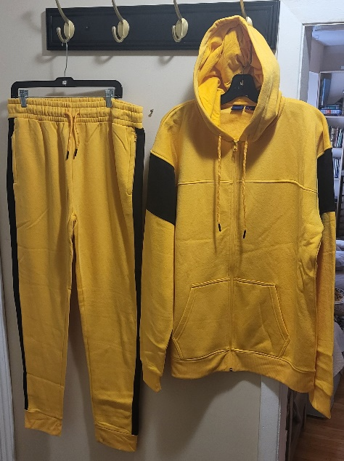 | COLOR | S | M | L | XL | XXL | 3XL | 4XL | TOTAL SETS | TOTAL CTN
 | YELLOW-/ BLACK | 30 |  |  |  |  |  |  | 30 | 2
 |  |  | 105 |  |  |  |  |  | 105 | 7
 |  |  |  | 180 |  |  |  |  | 180 | 12
 |  |  |  |  | 240 |  |  |  | 240 | 16
 |  |  |  |  |  | 204 |  |  | 204 | 17
 |  |  |  |  |  |  | 108 |  | 108 | 9
 |  |  |  |  |  |  |  | 36 | 36 | 3
 |  | 12 | 3 |  |  |  |  |  | 15 | 1
 |  |  | 1 | 14 |  |  |  |  | 15 | 1
 |  |  |  |  | 12 | 3 |  |  | 15 | 1
 |  |  |  |  |  |  | 3 | 9 | 12 | 1
 |  | TO T A L |  |  |  |  |  |  | 960 | 70

