Triumph Stock
 |  |  |  |  |  |  |  |  |  | EXW: India, Take All
 |  |  |  |  |  |  |  |  |  | 73,602 | € 51.61 | € 3,798,923.70
Image | Brand | Style | SAP No. | Style Clr | Style Description | SKU | Colour Name | Size | Product | QTY | RRP | TTL RRP
n/a | Triumph | H000084 | 10204405 | H000084 MW | Cotton Comfort HW- Trousers | H000084 MW M | Old Pink | M | HW | 20 | € 19.95 | € 399.00
 | Triumph | H000086 | 10204436 | H000086 S5 | Aqua Rosie-Set | H000086 S5 L | SKIN - LIGHT COMBINATION | L | HW | 24 | € 59.95 | € 1,438.80
 | Triumph | H000086 | 10204436 | H000086 S5 | Aqua Rosie-Set | H000086 S5 M | SKIN - LIGHT COMBINATION | M | HW | 47 | € 59.95 | € 2,817.65
 | Triumph | HS00011 | 10200284 | HS00011 UT | Just Mix SSL PW | HS00011 UT L | SEA FOG | L | HW | 51 | € 54.95 | € 2,802.45
 | Triumph | HS00011 | 10200284 | HS00011 UT | Just Mix SSL PW | HS00011 UT M | SEA FOG | M | HW | 2 | € 54.95 | € 109.90
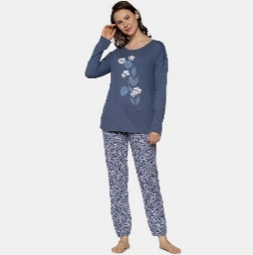 | Triumph | HS00039 | 10209578 | HS00039 96 | Sets PK LSL 10 X | HS00039 96 M | Moonlight Blue | M | HW | 75 | € 54.95 | € 4,121.25
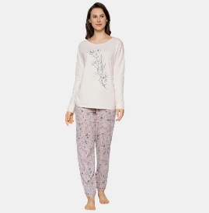 | Triumph | HS00039 | 10209578 | HS00039 J2 | Sets PK LSL 10 X | HS00039 J2 M | Pearl Beige | M | HW | 38 | € 54.95 | € 2,088.10
 | Triumph | HS00039 | 10209578 | HS00039 J2 | Sets PK LSL 10 X | HS00039 J2 XL | Pearl Beige | XL | HW | 5 | € 54.95 | € 274.75
 | Triumph | H000133 | 10207547 | H000133 4C | Nightdresses NDK 01 X | H000133 4C S | Rasberry Wine | S | HW | 4 | € 24.95 | € 99.80
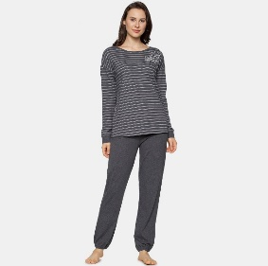 | Triumph | HS00039 | 10209578 | HS00039 S7 | Sets PK LSL 10 X | HS00039 S7 S | Dark Grey Melange | S | HW | 185 | € 54.95 | € 10,165.75
 | Triumph | HS00039 | 10209578 | HS00039 S7 | Sets PK LSL 10 X | HS00039 S7 M | Dark Grey Melange | M | HW | 125 | € 54.95 | € 6,868.75
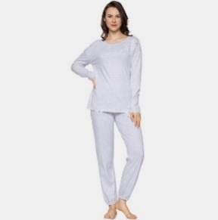 | Triumph | HS00039 | 10209578 | HS00039 C7 | Sets PK LSL 10 X | HS00039 C7 S | Medium Grey Melange | S | HW | 127 | € 54.95 | € 6,978.65
 | Triumph | HS00039 | 10209578 | HS00039 C7 | Sets PK LSL 10 X | HS00039 C7 M | Medium Grey Melange | M | HW | 53 | € 54.95 | € 2,912.35
 | Triumph | H000133 | 10207547 | H000133 J2 | Nightdresses NDK 01 X | H000133 J2 M | Pearl Beige | M | HW | 2 | € 24.95 | € 49.90
 | Triumph | H000133 | 10207547 | H000133 J2 | Nightdresses NDK 01 X | H000133 J2 XL | Pearl Beige | XL | HW | 1 | € 24.95 | € 24.95
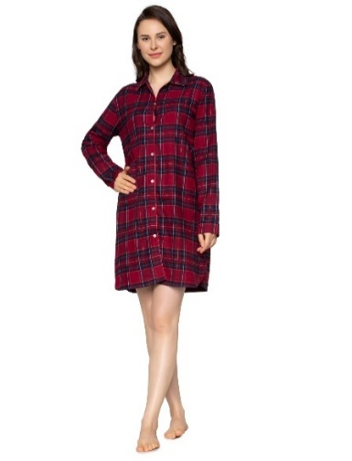 | Triumph | H000131 | 10209596 | H000131 R9 | Boyfriend NDW X BOYFRIEND | H000131 R9 L | Red / Dark Combination | L | HW | 3 | € 49.95 | € 149.85
 | Triumph | H000131 | 10209596 | H000131 R9 | Boyfriend NDW X BOYFRIEND | H000131 R9 M | Red / Dark Combination | M | HW | 3 | € 49.95 | € 149.85
 | Triumph | H000131 | 10209596 | H000131 R9 | Boyfriend NDW X BOYFRIEND | H000131 R9 S | Red / Dark Combination | S | HW | 5 | € 49.95 | € 249.75
 | Triumph | H000131 | 10209596 | H000131 R9 | Boyfriend NDW X BOYFRIEND | H000131 R9 XL | Red / Dark Combination | XL | HW | 4 | € 49.95 | € 199.80
 | Triumph | H000132 | 10209600 | H000132 K9 | Boyfriend NDW BOYFRIEND PRINT | H000132 K9 M | Black combo | M | HW | 3 | € 39.95 | € 119.85
 | Triumph | H000132 | 10209600 | H000132 K9 | Boyfriend NDW BOYFRIEND PRINT | H000132 K9 S | Black combo | S | HW | 4 | € 39.95 | € 159.80
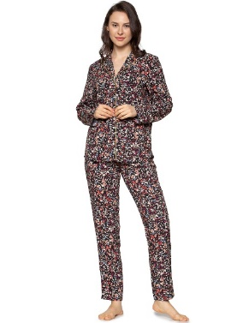 | Triumph | HS00040 | 10205634 | HS00040 K9 | Boyfriend PW BOYFRIEND | HS00040 K9 L | Black combo | L | HW | 9 | € 64.95 | € 584.55
 | Triumph | HS00040 | 10205634 | HS00040 K9 | Boyfriend PW BOYFRIEND | HS00040 K9 S | Black combo | S | HW | 117 | € 64.95 | € 7,599.15
 | Triumph | HS00040 | 10205634 | HS00040 K9 | Boyfriend PW BOYFRIEND | HS00040 K9 XL | Black combo | XL | HW | 8 | € 64.95 | € 519.60
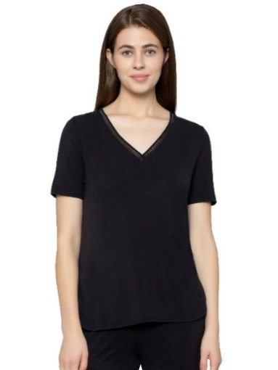 | Triumph | H000129 | 10194643 | H000129 04 | Climate Control SS19 TOP 02 SSL | H000129 04 L | BLACK | L | HW | 274 | € 39.95 | € 10,946.30
 | Triumph | H000129 | 10194643 | H000129 04 | Climate Control SS19 TOP 02 SSL | H000129 04 M | BLACK | M | HW | 543 | € 39.95 | € 21,692.85
 | Triumph | H000129 | 10194643 | H000129 04 | Climate Control SS19 TOP 02 SSL | H000129 04 S | BLACK | S | HW | 493 | € 39.95 | € 19,695.35
 | Triumph | H000129 | 10194643 | H000129 04 | Climate Control SS19 TOP 02 SSL | H000129 04 XL | BLACK | XL | HW | 248 | € 39.95 | € 9,907.60
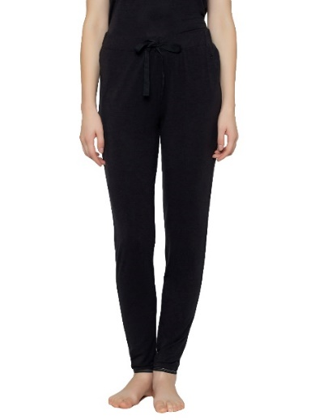 | Triumph | H000130 | 10194641 | H000130 04 | Climate Control SS19 TROUSERS 01 | H000130 04 L | BLACK | L | HW | 243 | € 49.95 | € 12,137.85
 | Triumph | H000130 | 10194641 | H000130 04 | Climate Control SS19 TROUSERS 01 | H000130 04 M | BLACK | M | HW | 458 | € 49.95 | € 22,877.10
 | Triumph | H000130 | 10194641 | H000130 04 | Climate Control SS19 TROUSERS 01 | H000130 04 S | BLACK | S | HW | 616 | € 49.95 | € 30,769.20
 | Triumph | H000130 | 10194641 | H000130 04 | Climate Control SS19 TROUSERS 01 | H000130 04 XL | BLACK | XL | HW | 227 | € 49.95 | € 11,338.65
 | Triumph | H000134 | 10209589 | H000134 K9 | Darling Spotlight NDK 03 X | H000134 K9 XL | Black combo | XL | HW | 2 | € 49.95 | € 99.90
 | Triumph | H000135 | 10209624 | H000135 4C | Amourette PK LSL 01 X | H000135 4C M | Rasberry Wine | M | HW | 107 | € 69.95 | € 7,484.65
 | Triumph | H000135 | 10209624 | H000135 4C | Amourette PK LSL 01 X | H000135 4C XL | Rasberry Wine | XL | HW | 21 | € 69.95 | € 1,468.95
 | Triumph | H000135 | 10209624 | H000135 C7 | Amourette PK LSL 01 X | H000135 C7 M | Medium Grey Melange | M | HW | 1 | € 69.95 | € 69.95
 | Triumph | H000135 | 10209624 | H000135 C7 | Amourette PK LSL 01 X | H000135 C7 XL | Medium Grey Melange | XL | HW | 5 | € 69.95 | € 349.75
 | Triumph | H000136 | 10209583 | H000136 4C | Amourette NDK LSL 01 X | H000136 4C L | Rasberry Wine | L | HW | 22 | € 54.95 | € 1,208.90
 | Triumph | H000136 | 10209583 | H000136 C7 | Amourette NDK LSL 01 X | H000136 C7 L | Medium Grey Melange | L | HW | 54 | € 54.95 | € 2,967.30
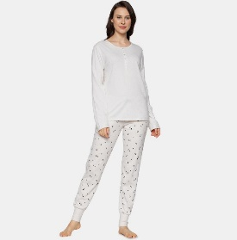 | Triumph | H000139 | 10209572 | H000139 S5 | Mix & Match LSL TOP Buttons | H000139 S5 S | SKIN - LIGHT COMBINATION | S | HW | 1 | € 29.95 | € 29.95
 | Triumph | H000139 | 10209572 | H000139 S5 | Mix & Match LSL TOP Buttons | H000139 S5 XL | SKIN - LIGHT COMBINATION | XL | HW | 1 | € 29.95 | € 29.95
 | Triumph | H000139 | 10209572 | H000139 UD | Mix & Match LSL TOP Buttons | H000139 UD M | Rose Brown | M | HW | 3 | € 29.95 | € 89.85
 | Triumph | H000139 | 10209572 | H000139 UD | Mix & Match LSL TOP Buttons | H000139 UD S | Rose Brown | S | HW | 5 | € 29.95 | € 149.75
 | Triumph | H000140 | 10209561 | H000140 P9 | Mix & Match TROUSERS JERSEY X | H000140 P9 M | Pink Combo | M | HW | 1 | € 34.95 | € 34.95
 | Triumph | HS00041 | 10209569 | HS00041 71 | Sets PK CHARACTER 02 X | HS00041 71 M | Rumba Red | M | HW | 4 | € 64.95 | € 259.80
 | Triumph | HS00042 | 10209559 | HS00042 JE | Sets PK CHARACTER 01 BUTTONS X | HS00042 JE M | Sapphire Blue | M | HW | 3 | € 64.95 | € 194.85
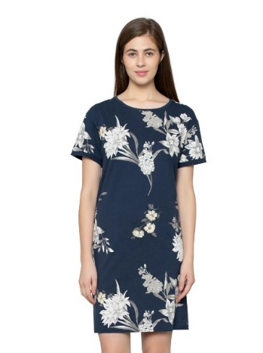 | Triumph | Z207555 | 10207555 | Z207555 32 | Nightdresses NDK 10 X | Z207555 32 L | BLUE COMBINATION | L | HW | 2 | € 29.95 | € 59.90
 | Triumph | Z207555 | 10207555 | Z207555 32 | Nightdresses NDK 10 X | Z207555 32 M | BLUE COMBINATION | M | HW | 25 | € 29.95 | € 748.75
 | Triumph | Z207555 | 10207555 | Z207555 32 | Nightdresses NDK 10 X | Z207555 32 XL | BLUE COMBINATION | XL | HW | 1 | € 29.95 | € 29.95
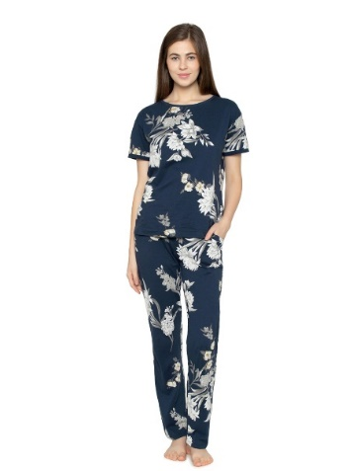 | Triumph | Z207556 | 10207556 | Z207556 32 | Sets PK 10 X | Z207556 32 L | BLUE COMBINATION | L | HW | 9 | € 44.95 | € 404.55
 | Triumph | Z207556 | 10207556 | Z207556 32 | Sets PK 10 X | Z207556 32 M | BLUE COMBINATION | M | HW | 343 | € 44.95 | € 15,417.85
 | Triumph | Z207556 | 10207556 | Z207556 32 | Sets PK 10 X | Z207556 32 S | BLUE COMBINATION | S | HW | 477 | € 44.95 | € 21,441.15
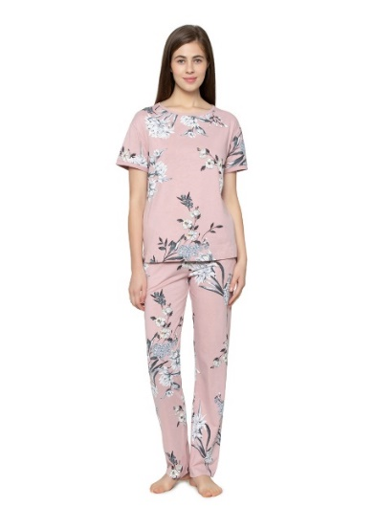 | Triumph | Z207556 | 10207556 | Z207556 P5 | Sets PK 10 X | Z207556 P5 L | Pink Combo | L | HW | 165 | € 44.95 | € 7,416.75
 | Triumph | Z207556 | 10207556 | Z207556 P5 | Sets PK 10 X | Z207556 P5 M | Pink Combo | M | HW | 524 | € 44.95 | € 23,553.80
 | Triumph | Z207556 | 10207556 | Z207556 P5 | Sets PK 10 X | Z207556 P5 S | Pink Combo | S | HW | 536 | € 44.95 | € 24,093.20
 | Triumph | Z207556 | 10207556 | Z207556 P5 | Sets PK 10 X | Z207556 P5 XL | Pink Combo | XL | HW | 213 | € 44.95 | € 9,574.35
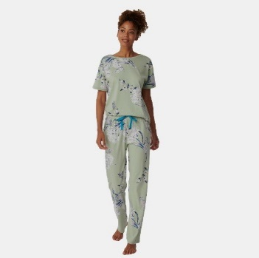 | Triumph | Z207556 | 10207556 | Z207556 T8 | Sets PK 10 X | Z207556 T8 L | Moroccan Mint | L | HW | 1 | € 44.95 | € 44.95
 | Triumph | Z207556 | 10207556 | Z207556 T8 | Sets PK 10 X | Z207556 T8 M | Moroccan Mint | M | HW | 318 | € 44.95 | € 14,294.10
 | Triumph | Z207556 | 10207556 | Z207556 T8 | Sets PK 10 X | Z207556 T8 S | Moroccan Mint | S | HW | 486 | € 44.95 | € 21,845.70
 | Triumph | Z207561 | 10207561 | Z207561 32 | Mix & Match TROUSERS JERSEY 01 X | Z207561 32 L | BLUE COMBINATION | L | HW | 1 | € 32.45 | € 32.45
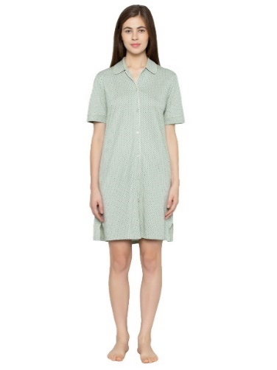 | Triumph | Z207574 | 10207574 | Z207574 G5 | Boyfriend NDK SSL BOYFRIEND | Z207574 G5 L | green | L | HW | 3 | € 39.95 | € 119.85
 | Triumph | Z207574 | 10207574 | Z207574 G5 | Boyfriend NDK SSL BOYFRIEND | Z207574 G5 M | green | M | HW | 19 | € 39.95 | € 759.05
 | Triumph | Z207574 | 10207574 | Z207574 G5 | Boyfriend NDK SSL BOYFRIEND | Z207574 G5 S | green | S | HW | 86 | € 39.95 | € 3,435.70
 | Triumph | Z207574 | 10207574 | Z207574 G5 | Boyfriend NDK SSL BOYFRIEND | Z207574 G5 XL | green | XL | HW | 7 | € 39.95 | € 279.65
 | Triumph | Z207574 | 10207574 | Z207574 S5 | Boyfriend NDK SSL BOYFRIEND | Z207574 S5 M | SKIN - LIGHT COMBINATION | M | HW | 117 | € 39.95 | € 4,674.15
 | Triumph | Z207574 | 10207574 | Z207574 S5 | Boyfriend NDK SSL BOYFRIEND | Z207574 S5 S | SKIN - LIGHT COMBINATION | S | HW | 175 | € 39.95 | € 6,991.25
 | Triumph | Z211157 | 10211157 | Z211157 32 | Boyfriend NDW SSL BOYFRIEND | Z211157 32 L | BLUE COMBINATION | L | HW | 2 | € 44.95 | € 89.90
 | Triumph | Z211157 | 10211157 | Z211157 32 | Boyfriend NDW SSL BOYFRIEND | Z211157 32 S | BLUE COMBINATION | S | HW | 3 | € 44.95 | € 134.85
 | Triumph | Z211161 | 10211161 | Z211161 32 | Boyfriend TOP WOVEN | Z211161 32 L | BLUE COMBINATION | L | HW | 3 | € 34.95 | € 104.85
 | Triumph | Z211161 | 10211161 | Z211161 S5 | Boyfriend TOP WOVEN | Z211161 S5 M | SKIN - LIGHT COMBINATION | M | HW | 1 | € 34.95 | € 34.95
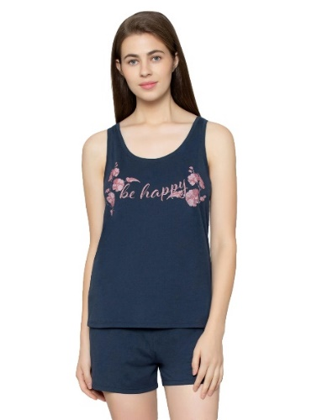 | Triumph | Z207491 | 10207491 | Z207491 RS | Sets PSK 01 X | Z207491 RS L | BLUE NIGHTS | L | HW | 44 | € 34.95 | € 1,537.80
 | Triumph | Z207491 | 10207491 | Z207491 RS | Sets PSK 01 X | Z207491 RS M | BLUE NIGHTS | M | HW | 224 | € 34.95 | € 7,828.80
 | Triumph | Z207491 | 10207491 | Z207491 RS | Sets PSK 01 X | Z207491 RS S | BLUE NIGHTS | S | HW | 284 | € 34.95 | € 9,925.80
 | Triumph | Z207491 | 10207491 | Z207491 RS | Sets PSK 01 X | Z207491 RS XL | BLUE NIGHTS | XL | HW | 46 | € 34.95 | € 1,607.70
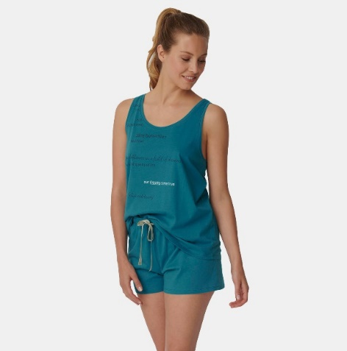 | Triumph | Z207491 | 10207491 | Z207491 WH | Sets PSK 01 X | Z207491 WH L | Ocean Depths | L | HW | 42 | € 34.95 | € 1,467.90
 | Triumph | Z207491 | 10207491 | Z207491 WH | Sets PSK 01 X | Z207491 WH M | Ocean Depths | M | HW | 216 | € 34.95 | € 7,549.20
 | Triumph | Z207491 | 10207491 | Z207491 WH | Sets PSK 01 X | Z207491 WH S | Ocean Depths | S | HW | 274 | € 34.95 | € 9,576.30
 | Triumph | Z207491 | 10207491 | Z207491 WH | Sets PSK 01 X | Z207491 WH XL | Ocean Depths | XL | HW | 71 | € 34.95 | € 2,481.45
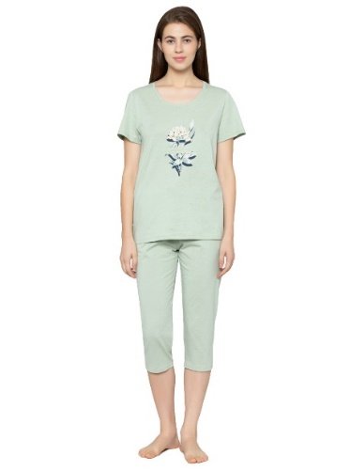 | Triumph | Z207536 | 10207536 | Z207536 T8 | Sets PK CAPRI X | Z207536 T8 L | Moroccan Mint | L | HW | 442 | € 39.95 | € 17,657.90
 | Triumph | Z207536 | 10207536 | Z207536 T8 | Sets PK CAPRI X | Z207536 T8 M | Moroccan Mint | M | HW | 825 | € 39.95 | € 32,958.75
 | Triumph | Z207536 | 10207536 | Z207536 T8 | Sets PK CAPRI X | Z207536 T8 S | Moroccan Mint | S | HW | 882 | € 39.95 | € 35,235.90
 | Triumph | Z207536 | 10207536 | Z207536 T8 | Sets PK CAPRI X | Z207536 T8 XL | Moroccan Mint | XL | HW | 419 | € 39.95 | € 16,739.05
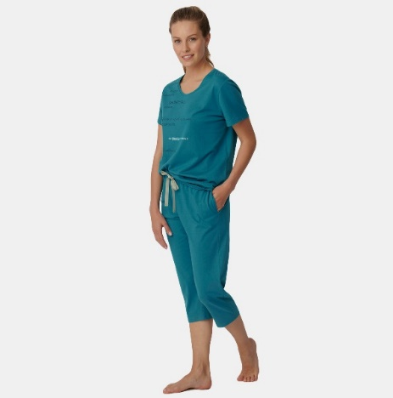 | Triumph | Z207536 | 10207536 | Z207536 WH | Sets PK CAPRI X | Z207536 WH L | Ocean Depths | L | HW | 417 | € 39.95 | € 16,659.15
 | Triumph | Z207536 | 10207536 | Z207536 WH | Sets PK CAPRI X | Z207536 WH M | Ocean Depths | M | HW | 795 | € 39.95 | € 31,760.25
 | Triumph | Z207536 | 10207536 | Z207536 WH | Sets PK CAPRI X | Z207536 WH S | Ocean Depths | S | HW | 838 | € 39.95 | € 33,478.10
 | Triumph | Z207536 | 10207536 | Z207536 WH | Sets PK CAPRI X | Z207536 WH XL | Ocean Depths | XL | HW | 455 | € 39.95 | € 18,177.25
 | Triumph | Z210659 | 10210659 | Z210659 ST | Cardio RTW 7/8 Leggings sd EX | Z210659 ST L | GREY | L | HW | 581 | € 49.95 | € 29,020.95
 | Triumph | Z210659 | 10210659 | Z210659 ST | Cardio RTW 7/8 Leggings sd EX | Z210659 ST M | GREY | M | HW | 639 | € 49.95 | € 31,918.05
 | Triumph | Z210659 | 10210659 | Z210659 ST | Cardio RTW 7/8 Leggings sd EX | Z210659 ST XL | GREY | XL | HW | 291 | € 49.95 | € 14,535.45
 | Triumph | Z211145 | 10211145 | Z211145 2Q | Mix & Match TOP SSL LINEN | Z211145 2Q M | TEA ROSE | M | HW | 27 | € 34.95 | € 943.65
 | Triumph | Z211145 | 10211145 | Z211145 2Q | Mix & Match TOP SSL LINEN | Z211145 2Q S | TEA ROSE | S | HW | 21 | € 34.95 | € 733.95
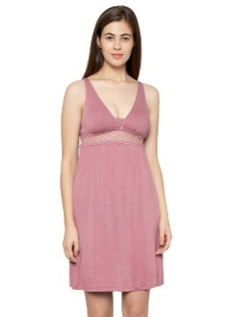 | Triumph | Z211178 | 10211178 | Z211178 ZN | Amourette NDK PADDED | Z211178 ZN C 36/80 | NAKED PINK | 36C | HW | 2 | € 44.95 | € 89.90
 | Triumph | Z211178 | 10211178 | Z211178 ZN | Amourette NDK PADDED | Z211178 ZN C 38/85 | NAKED PINK | 38C | HW | 10 | € 44.95 | € 449.50
 | Triumph | Z211178 | 10211178 | Z211178 ZN | Amourette NDK PADDED | Z211178 ZN D 36/80 | NAKED PINK | 36D | HW | 1 | € 44.95 | € 44.95
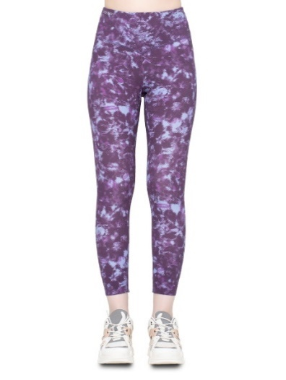 | Triumph | Z211214 | 10211214 | Z211214 V5 | Cardio RTW 7/8 Leggings sd EX | Z211214 V5 L | Violet | L | HW | 546 | € 54.95 | € 30,002.70
 | Triumph | Z211214 | 10211214 | Z211214 V5 | Cardio RTW 7/8 Leggings sd EX | Z211214 V5 M | Violet | M | HW | 798 | € 54.95 | € 43,850.10
 | Triumph | Z211214 | 10211214 | Z211214 V5 | Cardio RTW 7/8 Leggings sd EX | Z211214 V5 S | Violet | S | HW | 12 | € 54.95 | € 659.40
 | Triumph | Z211214 | 10211214 | Z211214 V5 | Cardio RTW 7/8 Leggings sd EX | Z211214 V5 XL | Violet | XL | HW | 244 | € 54.95 | € 13,407.80
 | Triumph | Z211240 | 10211240 | Z211240 B9 | Nautical P | Z211240 B9 C 36/80 | Klein Blue | 36C | HW | 78 | € 49.95 | € 3,896.10
 | Triumph | Z211240 | 10211240 | Z211240 B9 | Nautical P | Z211240 B9 C 38/85 | Klein Blue | 38C | HW | 20 | € 49.95 | € 999.00
 | Triumph | Z211240 | 10211240 | Z211240 B9 | Nautical P | Z211240 B9 D 36/80 | Klein Blue | 36D | HW | 169 | € 49.95 | € 8,441.55
n/a | Triumph | Z212762 | 10212762 | Z212762 B9 | Nautical WP 01 | Z212762 B9 C 36/80 | Klein Blue | 36C | HW | 227 | € 49.95 | € 11,338.65
n/a | Triumph | Z212762 | 10212762 | Z212762 B9 | Nautical WP 01 | Z212762 B9 C 38/85 | Klein Blue | 38C | HW | 44 | € 49.95 | € 2,197.80
n/a | Triumph | Z212762 | 10212762 | Z212762 B9 | Nautical WP 01 | Z212762 B9 D 36/80 | Klein Blue | 36D | HW | 115 | € 49.95 | € 5,744.25
n/a | Triumph | Z212762 | 10212762 | Z212762 B9 | Nautical WP 01 | Z212762 B9 D 38/85 | Klein Blue | 38D | HW | 107 | € 49.95 | € 5,344.65
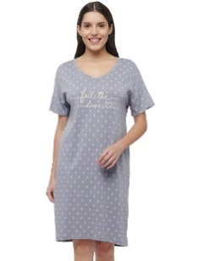 | Triumph | Z213408 | 10213408 | Z213408 Z9 | Nightdresses NDK SSL 10 CO/MD | Z213408 Z9 S | Grey Combination | S | HW | 159 | € 34.95 | € 5,557.05
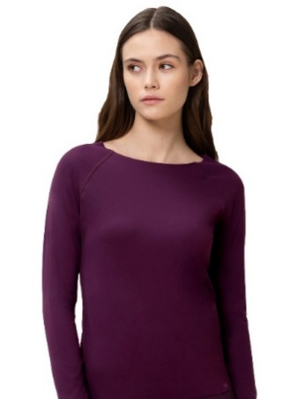 | Triumph | 300-432 | 10213433 | 300-432 F3 | Flex Smart TOP LSL EX | 300-432 F3 L | AUBERGINE | L | HW | 9 | € 39.95 | € 359.55
 | Triumph | 300-432 | 10213433 | 300-432 F3 | Flex Smart TOP LSL EX | 300-432 F3 M | AUBERGINE | M | HW | 224 | € 39.95 | € 8,948.80
 | Triumph | 300-432 | 10213433 | 300-432 F3 | Flex Smart TOP LSL EX | 300-432 F3 S | AUBERGINE | S | HW | 224 | € 39.95 | € 8,948.80
 | Triumph | 300-432 | 10213433 | 300-432 F3 | Flex Smart TOP LSL EX | 300-432 F3 XS | AUBERGINE | XS | HW | 19 | € 39.95 | € 759.05
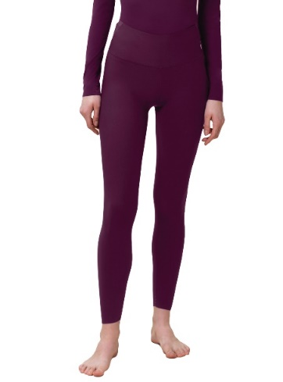 | Triumph | 790-009 | 10213428 | 790-009 F3 | Flex Smart Legging EX | 790-009 F3 L | AUBERGINE | L | HW | 34 | € 44.95 | € 1,528.30
 | Triumph | 790-009 | 10213428 | 790-009 F3 | Flex Smart Legging EX | 790-009 F3 M | AUBERGINE | M | HW | 242 | € 44.95 | € 10,877.90
 | Triumph | 790-009 | 10213428 | 790-009 F3 | Flex Smart Legging EX | 790-009 F3 S | AUBERGINE | S | HW | 253 | € 44.95 | € 11,372.35
 | Triumph | 790-009 | 10213428 | 790-009 F3 | Flex Smart Legging EX | 790-009 F3 XS | AUBERGINE | XS | HW | 90 | € 44.95 | € 4,045.50
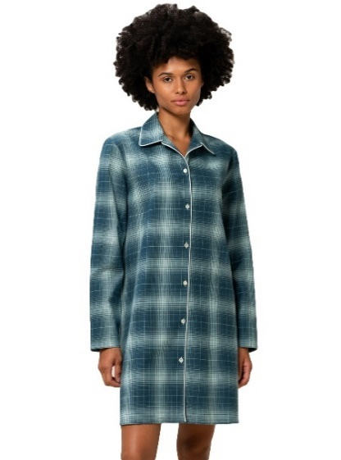 | Triumph | H000131 | 10209596 | H000131 31 | Boyfriend NDW X BOYFRIEND | H000131 31 L | GREEN COMBINATION | L | HW | 639 | € 49.95 | € 31,918.05
 | Triumph | H000131 | 10209596 | H000131 31 | Boyfriend NDW X BOYFRIEND | H000131 31 M | GREEN COMBINATION | M | HW | 1,065 | € 49.95 | € 53,196.75
 | Triumph | H000131 | 10209596 | H000131 31 | Boyfriend NDW X BOYFRIEND | H000131 31 S | GREEN COMBINATION | S | HW | 1,159 | € 49.95 | € 57,892.05
 | Triumph | H000131 | 10209596 | H000131 31 | Boyfriend NDW X BOYFRIEND | H000131 31 XL | GREEN COMBINATION | XL | HW | 750 | € 49.95 | € 37,462.50
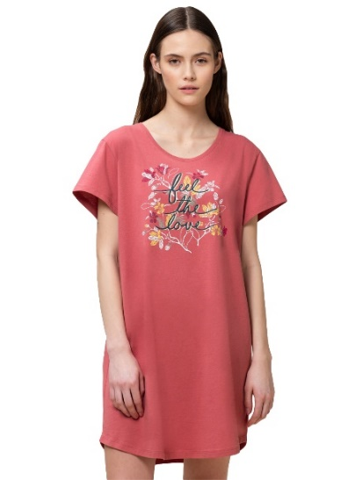 | Triumph | Z207547 | 10207547 | Z207547 P9 | Nightdresses NDK 01 X | Z207547 P9 L | Pink Combo | L | HW | 136 | € 24.95 | € 3,393.20
 | Triumph | Z207547 | 10207547 | Z207547 P9 | Nightdresses NDK 01 X | Z207547 P9 M | Pink Combo | M | HW | 460 | € 24.95 | € 11,477.00
 | Triumph | Z207547 | 10207547 | Z207547 P9 | Nightdresses NDK 01 X | Z207547 P9 S | Pink Combo | S | HW | 438 | € 24.95 | € 10,928.10
 | Triumph | Z207547 | 10207547 | Z207547 P9 | Nightdresses NDK 01 X | Z207547 P9 XL | Pink Combo | XL | HW | 190 | € 24.95 | € 4,740.50
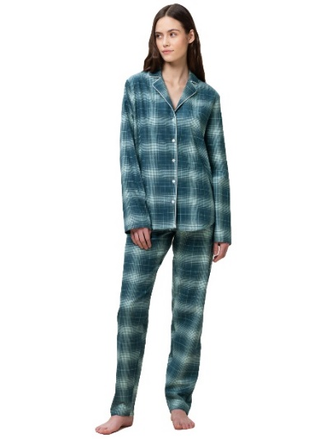 | Triumph | Z209563 | 10209563 | Z209563 31 | Boyfriend PW X BOYFRIEND | Z209563 31 L | GREEN COMBINATION | L | HW | 563 | € 69.95 | € 39,381.85
 | Triumph | Z209563 | 10209563 | Z209563 31 | Boyfriend PW X BOYFRIEND | Z209563 31 M | GREEN COMBINATION | M | HW | 1,156 | € 69.95 | € 80,862.20
 | Triumph | Z209563 | 10209563 | Z209563 31 | Boyfriend PW X BOYFRIEND | Z209563 31 S | GREEN COMBINATION | S | HW | 1,161 | € 69.95 | € 81,211.95
 | Triumph | Z209563 | 10209563 | Z209563 31 | Boyfriend PW X BOYFRIEND | Z209563 31 XL | GREEN COMBINATION | XL | HW | 705 | € 69.95 | € 49,314.75
 | Triumph | Z209589 | 10209589 | Z209589 UD | Darling Spotlight NDK 03 X | Z209589 UD M | Rose Brown | M | HW | 8 | € 49.95 | € 399.60
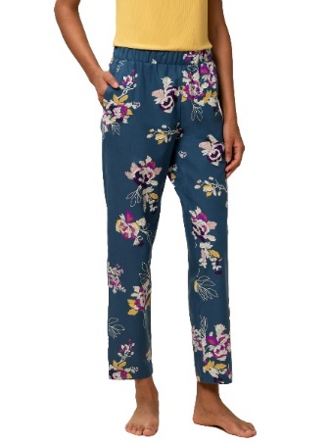 | Triumph | Z209595 | 10209595 | Z209595 32 | Mix & Match TAPERED TROUSER FLANNEL X | Z209595 32 L | BLUE COMBINATION | L | HW | 152 | € 39.95 | € 6,072.40
 | Triumph | Z209595 | 10209595 | Z209595 32 | Mix & Match TAPERED TROUSER FLANNEL X | Z209595 32 M | BLUE COMBINATION | M | HW | 333 | € 39.95 | € 13,303.35
 | Triumph | Z209595 | 10209595 | Z209595 32 | Mix & Match TAPERED TROUSER FLANNEL X | Z209595 32 S | BLUE COMBINATION | S | HW | 325 | € 39.95 | € 12,983.75
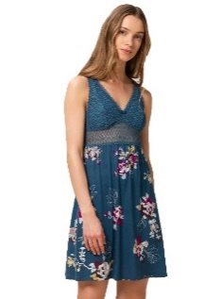
 | Triumph | Z209595 | 10209595 | Z209595 32 | Mix & Match TAPERED TROUSER FLANNEL X | Z209595 32 XL | BLUE COMBINATION | XL | HW | 89 | € 39.95 | € 3,555.55
 | Triumph | Z209602 | 10209602 | Z209602 32 | Aura Spotlight NDK X | Z209602 32 L | BLUE COMBINATION | L | HW | 143 | € 39.95 | € 5,712.85
 | Triumph | Z209602 | 10209602 | Z209602 32 | Aura Spotlight NDK X | Z209602 32 M | BLUE COMBINATION | M | HW | 195 | € 39.95 | € 7,790.25
 | Triumph | Z211173 | 10211173 | Z211173 ZN | Amourette NDK SSL 01 X | Z211173 ZN XL | NAKED PINK | XL | HW | 1 | € 49.95 | € 49.95
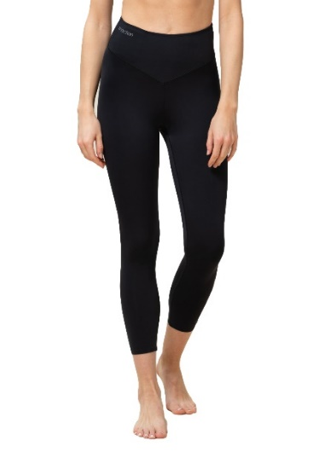 | Triumph | Z213136 | 10213136 | Z213136 04 | DL RTW AW22 7/8 High Waist Leggings | Z213136 04 L | BLACK | L | HW | 643 | € 59.95 | € 38,547.85
 | Triumph | Z213136 | 10213136 | Z213136 04 | DL RTW AW22 7/8 High Waist Leggings | Z213136 04 M | BLACK | M | HW | 1,207 | € 59.95 | € 72,359.65
 | Triumph | Z213136 | 10213136 | Z213136 04 | DL RTW AW22 7/8 High Waist Leggings | Z213136 04 S | BLACK | S | HW | 1,188 | € 59.95 | € 71,220.60
 | Triumph | Z213136 | 10213136 | Z213136 04 | DL RTW AW22 7/8 High Waist Leggings | Z213136 04 XL | BLACK | XL | HW | 662 | € 59.95 | € 39,686.90
 | Triumph | Z213389 | 10213389 | Z213389 NX | Mix & Match VELOUR BOYFRIEND TOP | Z213389 NX M | MANNISH RED | M | HW | 17 | € 54.95 | € 934.15
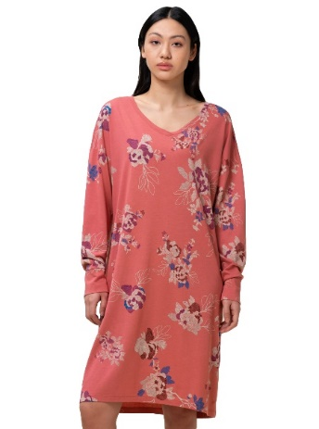 | Triumph | Z213391 | 10213391 | Z213391 P9 | Nightdresses NDK LSL 10 CO/MD | Z213391 P9 L | Pink Combo | L | HW | 165 | € 39.95 | € 6,591.75
 | Triumph | Z213391 | 10213391 | Z213391 P9 | Nightdresses NDK LSL 10 CO/MD | Z213391 P9 M | Pink Combo | M | HW | 451 | € 39.95 | € 18,017.45
 | Triumph | Z213391 | 10213391 | Z213391 P9 | Nightdresses NDK LSL 10 CO/MD | Z213391 P9 S | Pink Combo | S | HW | 434 | € 39.95 | € 17,338.30
 | Triumph | Z213391 | 10213391 | Z213391 P9 | Nightdresses NDK LSL 10 CO/MD | Z213391 P9 XL | Pink Combo | XL | HW | 230 | € 39.95 | € 9,188.50
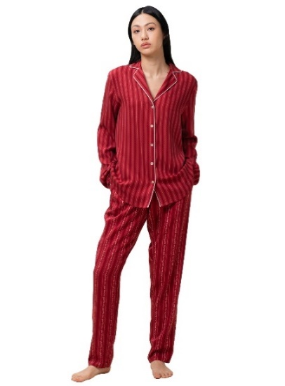 | Triumph | Z213392 | 10213392 | Z213392 35 | Boyfriend PW BOYFRIEND TWILL 01 | Z213392 35 L | RED COMBINATION | L | HW | 637 | € 69.95 | € 44,558.15
 | Triumph | Z213392 | 10213392 | Z213392 35 | Boyfriend PW BOYFRIEND TWILL 01 | Z213392 35 M | RED COMBINATION | M | HW | 1,059 | € 69.95 | € 74,077.05
 | Triumph | Z213392 | 10213392 | Z213392 35 | Boyfriend PW BOYFRIEND TWILL 01 | Z213392 35 S | RED COMBINATION | S | HW | 1,151 | € 69.95 | € 80,512.45
 | Triumph | Z213392 | 10213392 | Z213392 35 | Boyfriend PW BOYFRIEND TWILL 01 | Z213392 35 XL | RED COMBINATION | XL | HW | 689 | € 69.95 | € 48,195.55
 | Triumph | Z213393 | 10213393 | Z213393 95 | Nightdresses DRESS SATIN | Z213393 95 L | Claret | L | HW | 38 | € 49.95 | € 1,898.10
 | Triumph | Z213393 | 10213393 | Z213393 95 | Nightdresses DRESS SATIN | Z213393 95 M | Claret | M | HW | 134 | € 49.95 | € 6,693.30
 | Triumph | Z213393 | 10213393 | Z213393 95 | Nightdresses DRESS SATIN | Z213393 95 S | Claret | S | HW | 1 | € 49.95 | € 49.95
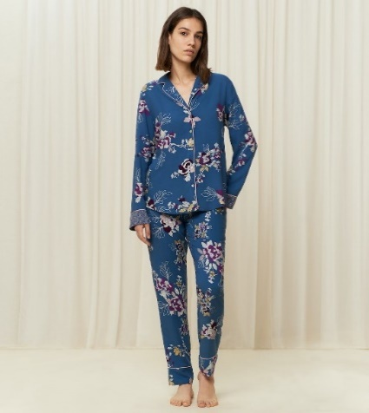 | Triumph | Z213405 | 10213405 | Z213405 32 | Boyfriend PW BOYFRIEND 02 | Z213405 32 L | BLUE COMBINATION | L | HW | 651 | € 69.95 | € 45,537.45
 | Triumph | Z213405 | 10213405 | Z213405 32 | Boyfriend PW BOYFRIEND 02 | Z213405 32 M | BLUE COMBINATION | M | HW | 1,148 | € 69.95 | € 80,302.60
 | Triumph | Z213405 | 10213405 | Z213405 32 | Boyfriend PW BOYFRIEND 02 | Z213405 32 S | BLUE COMBINATION | S | HW | 1,192 | € 69.95 | € 83,380.40
 | Triumph | Z213405 | 10213405 | Z213405 32 | Boyfriend PW BOYFRIEND 02 | Z213405 32 XL | BLUE COMBINATION | XL | HW | 701 | € 69.95 | € 49,034.95
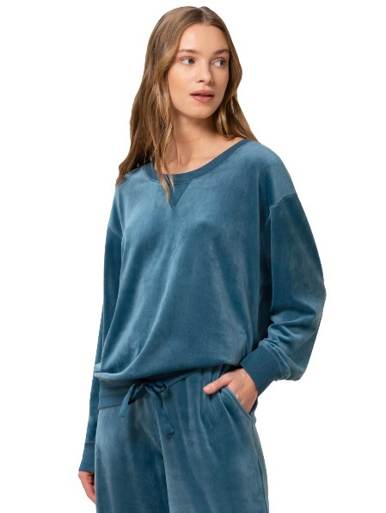 | Triumph | Z213406 | 10213406 | Z213406 MO | Mix & Match VELOUR SWEATER | Z213406 MO L | SMOKY BLUE | L | HW | 1 | € 44.95 | € 44.95
 | Triumph | Z213406 | 10213406 | Z213406 MO | Mix & Match VELOUR SWEATER | Z213406 MO M | SMOKY BLUE | M | HW | 117 | € 44.95 | € 5,259.15
 | Triumph | Z213406 | 10213406 | Z213406 MO | Mix & Match VELOUR SWEATER | Z213406 MO S | SMOKY BLUE | S | HW | 99 | € 44.95 | € 4,450.05
 | Triumph | Z213406 | 10213406 | Z213406 MO | Mix & Match VELOUR SWEATER | Z213406 MO XL | SMOKY BLUE | XL | HW | 36 | € 44.95 | € 1,618.20
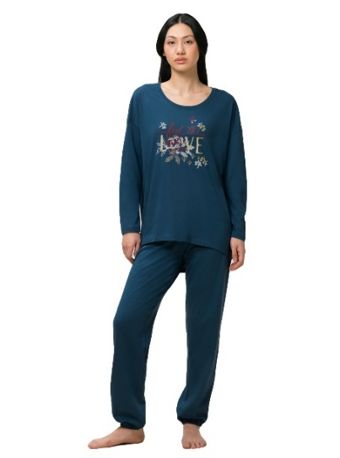 | Triumph | Z213410 | 10213410 | Z213410 B9 | Sets PK LSL 10 CO/MD | Z213410 B9 L | Klein Blue | L | HW | 484 | € 59.95 | € 29,015.80
 | Triumph | Z213410 | 10213410 | Z213410 B9 | Sets PK LSL 10 CO/MD | Z213410 B9 M | Klein Blue | M | HW | 854 | € 59.95 | € 51,197.30
 | Triumph | Z213410 | 10213410 | Z213410 B9 | Sets PK LSL 10 CO/MD | Z213410 B9 S | Klein Blue | S | HW | 874 | € 59.95 | € 52,396.30
 | Triumph | Z213410 | 10213410 | Z213410 B9 | Sets PK LSL 10 CO/MD | Z213410 B9 XL | Klein Blue | XL | HW | 504 | € 59.95 | € 30,214.80
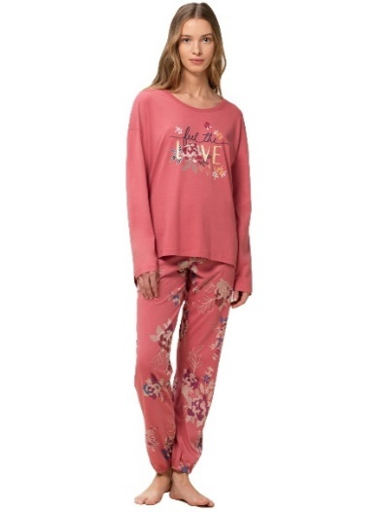 | Triumph | Z213410 | 10213410 | Z213410 P9 | Sets PK LSL 10 CO/MD | Z213410 P9 L | Pink Combo | L | HW | 468 | € 59.95 | € 28,056.60
 | Triumph | Z213410 | 10213410 | Z213410 P9 | Sets PK LSL 10 CO/MD | Z213410 P9 M | Pink Combo | M | HW | 843 | € 59.95 | € 50,537.85
 | Triumph | Z213410 | 10213410 | Z213410 P9 | Sets PK LSL 10 CO/MD | Z213410 P9 S | Pink Combo | S | HW | 872 | € 59.95 | € 52,276.40
 | Triumph | Z213410 | 10213410 | Z213410 P9 | Sets PK LSL 10 CO/MD | Z213410 P9 XL | Pink Combo | XL | HW | 503 | € 59.95 | € 30,154.85
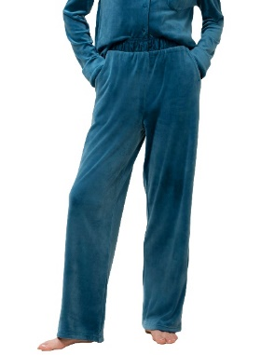 | Triumph | Z213411 | 10213411 | Z213411 MO | Mix & Match VELOUR TROUSERS | Z213411 MO L | SMOKY BLUE | L | HW | 1 | € 44.95 | € 44.95
 | Triumph | Z213411 | 10213411 | Z213411 MO | Mix & Match VELOUR TROUSERS | Z213411 MO M | SMOKY BLUE | M | HW | 1 | € 44.95 | € 44.95
 | Triumph | Z213411 | 10213411 | Z213411 MO | Mix & Match VELOUR TROUSERS | Z213411 MO XS | SMOKY BLUE | XS | HW | 32 | € 44.95 | € 1,438.40
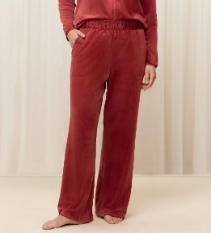 | Triumph | Z213411 | 10213411 | Z213411 NX | Mix & Match VELOUR TROUSERS | Z213411 NX S | MANNISH RED | S | HW | 123 | € 44.95 | € 5,528.85
 | Triumph | Z213411 | 10213411 | Z213411 NX | Mix & Match VELOUR TROUSERS | Z213411 NX XS | MANNISH RED | XS | HW | 201 | € 44.95 | € 9,034.95
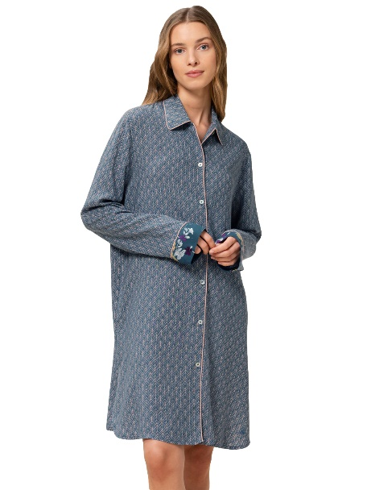 | Triumph | Z213412 | 10213412 | Z213412 32 | Boyfriend NDW BOYFRIEND PRINT 02 | Z213412 32 L | BLUE COMBINATION | L | HW | 322 | € 44.95 | € 14,473.90
 | Triumph | Z213412 | 10213412 | Z213412 32 | Boyfriend NDW BOYFRIEND PRINT 02 | Z213412 32 M | BLUE COMBINATION | M | HW | 638 | € 44.95 | € 28,678.10
 | Triumph | Z213412 | 10213412 | Z213412 32 | Boyfriend NDW BOYFRIEND PRINT 02 | Z213412 32 S | BLUE COMBINATION | S | HW | 646 | € 44.95 | € 29,037.70
 | Triumph | Z213412 | 10213412 | Z213412 32 | Boyfriend NDW BOYFRIEND PRINT 02 | Z213412 32 XL | BLUE COMBINATION | XL | HW | 384 | € 44.95 | € 17,260.80
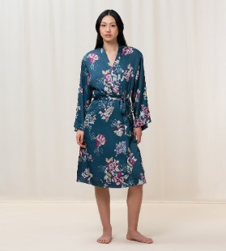 | Triumph | Z213445 | 10213445 | Z213445 32 | Robes SATIN ROBE | Z213445 32 3638 | BLUE COMBINATION | 3638 | HW | 49 | € 74.95 | € 3,672.55
 | Triumph | Z213445 | 10213445 | Z213445 32 | Robes SATIN ROBE | Z213445 32 4042 | BLUE COMBINATION | 4042 | HW | 38 | € 74.95 | € 2,848.10
 | Triumph | Z213122 | 10213122 | Z213122 50 | DL RTW AW22 7/8 High Waist Leggings Logo | Z213122 50 L | Dill | L | HW | 718 | € 59.95 | € 43,044.10
 | Triumph | Z213122 | 10213122 | Z213122 50 | DL RTW AW22 7/8 High Waist Leggings Logo | Z213122 50 M | Dill | M | HW | 1,180 | € 59.95 | € 70,741.00
 | Triumph | Z213122 | 10213122 | Z213122 50 | DL RTW AW22 7/8 High Waist Leggings Logo | Z213122 50 S | Dill | S | HW | 1,213 | € 59.95 | € 72,719.35
 | Triumph | Z213122 | 10213122 | Z213122 50 | DL RTW AW22 7/8 High Waist Leggings Logo | Z213122 50 XL | Dill | XL | HW | 753 | € 59.95 | € 45,142.35
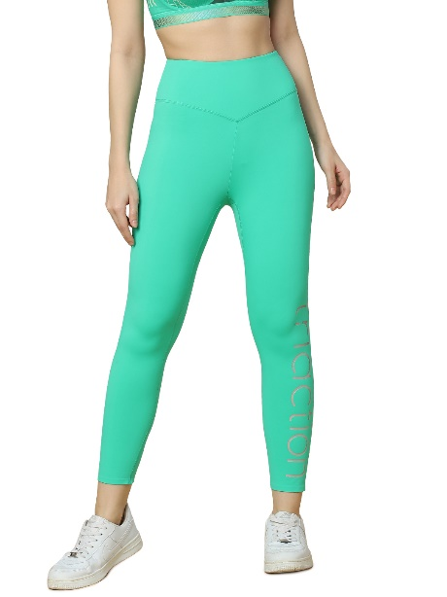 | Triumph | Z214439 | 10214439 | Z214439 VZ | DL RTW SS23 7/8 High Waist Leggings Logo | Z214439 VZ L | Mint Green | L | HW | 1,225 | € 59.95 | € 73,438.75
 | Triumph | Z214439 | 10214439 | Z214439 VZ | DL RTW SS23 7/8 High Waist Leggings Logo | Z214439 VZ M | Mint Green | M | HW | 1,170 | € 59.95 | € 70,141.50
 | Triumph | Z214439 | 10214439 | Z214439 VZ | DL RTW SS23 7/8 High Waist Leggings Logo | Z214439 VZ S | Mint Green | S | HW | 719 | € 59.95 | € 43,104.05
 | Triumph | Z214439 | 10214439 | Z214439 VZ | DL RTW SS23 7/8 High Waist Leggings Logo | Z214439 VZ XL | Mint Green | XL | HW | 729 | € 59.95 | € 43,703.55
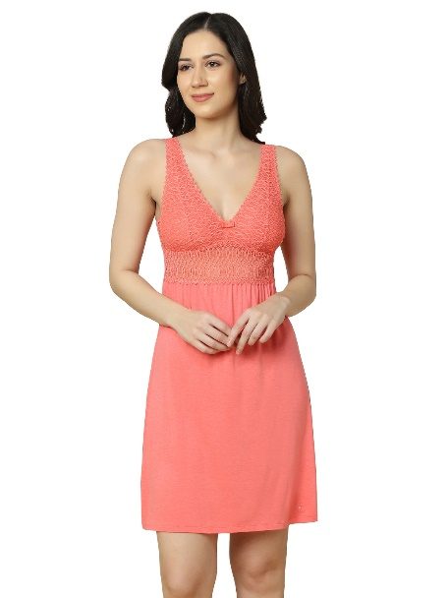 | Triumph | Z209602 | 10209602 | Z209602 EO | Aura Spotlight NDK X | Z209602 EO 36 | Sugar Coral | 36 | HW | 294 | € 39.95 | € 11,745.30
 | Triumph | Z209602 | 10209602 | Z209602 EO | Aura Spotlight NDK X | Z209602 EO 38 | Sugar Coral | 38 | HW | 235 | € 39.95 | € 9,388.25
 | Triumph | Z209602 | 10209602 | Z209602 EO | Aura Spotlight NDK X | Z209602 EO 40 | Sugar Coral | 40 | HW | 165 | € 39.95 | € 6,591.75
 | Triumph | Z209602 | 10209602 | Z209602 EO | Aura Spotlight NDK X | Z209602 EO 42 | Sugar Coral | 42 | HW | 181 | € 39.95 | € 7,230.95
 | Triumph | Z209602 | 10209602 | Z209602 EY | Aura Spotlight NDK X | Z209602 EY 36 | Topaz | 36 | HW | 346 | € 39.95 | € 13,822.70
 | Triumph | Z209602 | 10209602 | Z209602 EY | Aura Spotlight NDK X | Z209602 EY 38 | Topaz | 38 | HW | 352 | € 39.95 | € 14,062.40
 | Triumph | Z209602 | 10209602 | Z209602 EY | Aura Spotlight NDK X | Z209602 EY 40 | Topaz | 40 | HW | 177 | € 39.95 | € 7,071.15
 | Triumph | Z209602 | 10209602 | Z209602 EY | Aura Spotlight NDK X | Z209602 EY 42 | Topaz | 42 | HW | 190 | € 39.95 | € 7,590.50
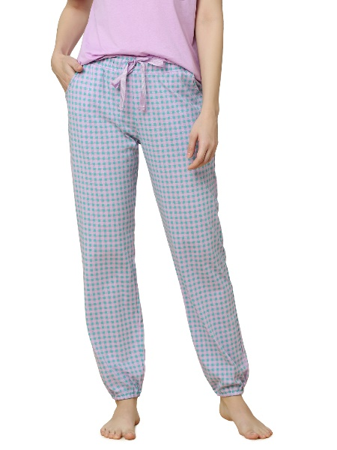 | Triumph | Z215196 | 10215196 | Z215196 31 | Mix & Match TROUSERS JERSEY X 01 | Z215196 31 36 | GREEN COMBINATION | 36 | HW | 214 | € 44.95 | € 9,619.30
 | Triumph | Z215196 | 10215196 | Z215196 31 | Mix & Match TROUSERS JERSEY X 01 | Z215196 31 38 | GREEN COMBINATION | 38 | HW | 344 | € 44.95 | € 15,462.80
 | Triumph | Z215196 | 10215196 | Z215196 31 | Mix & Match TROUSERS JERSEY X 01 | Z215196 31 40 | GREEN COMBINATION | 40 | HW | 175 | € 44.95 | € 7,866.25
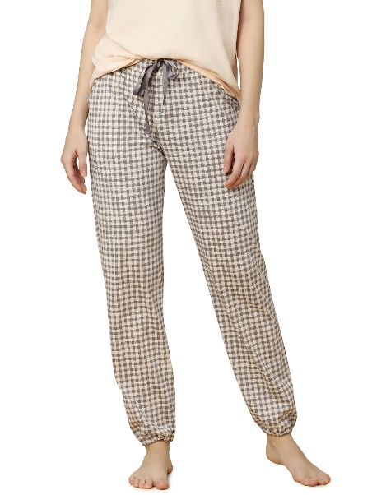
 | Triumph | Z215196 | 10215196 | Z215196 31 | Mix & Match TROUSERS JERSEY X 01 | Z215196 31 42 | GREEN COMBINATION | 42 | HW | 171 | € 44.95 | € 7,686.45
 | Triumph | Z215196 | 10215196 | Z215196 X7 | Mix & Match TROUSERS JERSEY X 01 | Z215196 X7 36 | Taupe-Light combination | 36 | HW | 359 | € 44.95 | € 16,137.05
 | Triumph | Z215196 | 10215196 | Z215196 X7 | Mix & Match TROUSERS JERSEY X 01 | Z215196 X7 38 | Taupe-Light combination | 38 | HW | 347 | € 44.95 | € 15,597.65
 | Triumph | Z215196 | 10215196 | Z215196 X7 | Mix & Match TROUSERS JERSEY X 01 | Z215196 X7 40 | Taupe-Light combination | 40 | HW | 158 | € 44.95 | € 7,102.10
 | Triumph | Z215196 | 10215196 | Z215196 X7 | Mix & Match TROUSERS JERSEY X 01 | Z215196 X7 42 | Taupe-Light combination | 42 | HW | 180 | € 44.95 | € 8,091.00
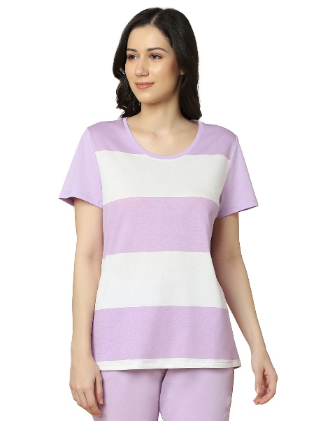 | Triumph | Z215197 | 10215197 | Z215197 V5 | Sets PK CAPRI X 01 | Z215197 V5 36 | Violet | 36 | HW | 990 | € 59.95 | € 59,350.50
 | Triumph | Z215197 | 10215197 | Z215197 V5 | Sets PK CAPRI X 01 | Z215197 V5 38 | Violet | 38 | HW | 982 | € 59.95 | € 58,870.90
 | Triumph | Z215197 | 10215197 | Z215197 V5 | Sets PK CAPRI X 01 | Z215197 V5 40 | Violet | 40 | HW | 539 | € 59.95 | € 32,313.05
 | Triumph | Z215197 | 10215197 | Z215197 V5 | Sets PK CAPRI X 01 | Z215197 V5 42 | Violet | 42 | HW | 598 | € 59.95 | € 35,850.10
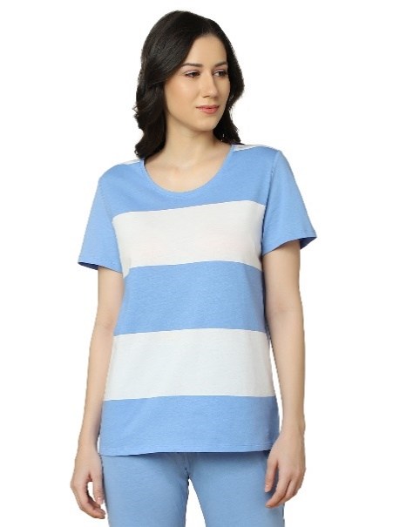 | Triumph | Z215197 | 10215197 | Z215197 W3 | Sets PK CAPRI X 01 | Z215197 W3 36 | Sea blue light Combination | 36 | HW | 974 | € 59.95 | € 58,391.30
 | Triumph | Z215197 | 10215197 | Z215197 W3 | Sets PK CAPRI X 01 | Z215197 W3 38 | Sea blue light Combination | 38 | HW | 952 | € 59.95 | € 57,072.40
 | Triumph | Z215197 | 10215197 | Z215197 W3 | Sets PK CAPRI X 01 | Z215197 W3 40 | Sea blue light Combination | 40 | HW | 570 | € 59.95 | € 34,171.50
 | Triumph | Z215197 | 10215197 | Z215197 W3 | Sets PK CAPRI X 01 | Z215197 W3 42 | Sea blue light Combination | 42 | HW | 582 | € 59.95 | € 34,890.90
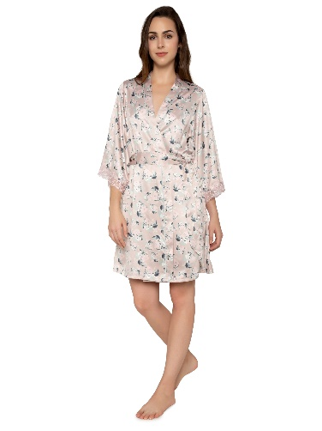 | Triumph | H000081 | 10203648.00 | H000081 S5 | Aqua Rosie -Robe | H000081 S5 ONE | SKIN - LIGHT COMBINATION | ONE | HW | 27 | € 32.57 | € 879.47
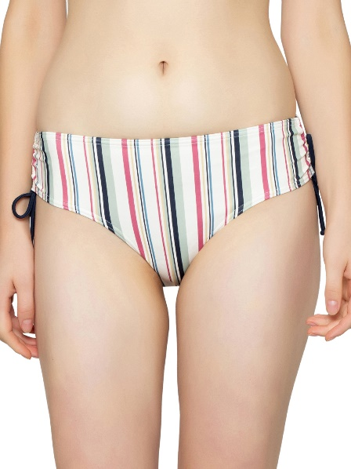 | Triumph | Z207570 | 10207570.00 | Z207570 S5 | Mix & Match 2.0 Midi pt | Z207570 S5 M | SKIN - LIGHT COMBINATION | M | HW | 90 | € 17.37 | € 1,563.05
 | Triumph | Z207570 | 10207570.00 | Z207570 S5 | Mix & Match 2.0 Midi pt | Z207570 S5 S | SKIN - LIGHT COMBINATION | S | HW | 394 | € 17.37 | € 6,842.68
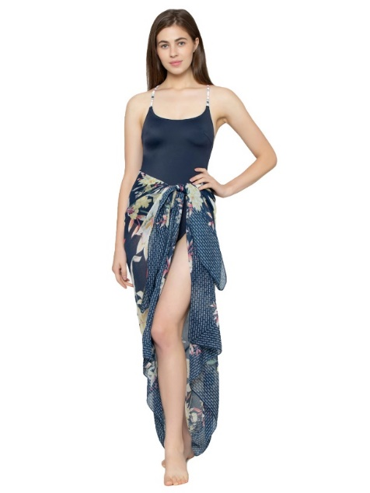 | Triumph | Z207946 | 10207946.00 | Z207946 32 | Botanical Leaf Pareo | Z207946 32 One | BLUE COMBINATION | One | HW | 401 | € 27.14 | € 10,884.10
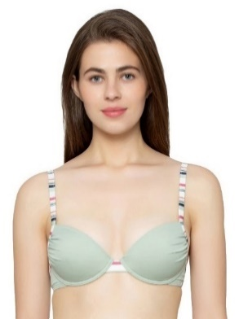 | Triumph | Z211146 | 10211146.00 | Z211146 T8 | Mix & Match 2.0 WP sd | Z211146 T8 C 36/80 | Moroccan Mint | 36/80 | HW | 251 | € 27.14 | € 6,812.74
 | Triumph | Z211146 | 10211146.00 | Z211146 T8 | Mix & Match 2.0 WP sd | Z211146 T8 D 36/80 | Moroccan Mint | 36/80 | HW | 242 | € 27.14 | € 6,568.46
 | Triumph | Z211169 | 10211169.00 | Z211169 RS | Mix & Match 2.0 OP sd | Z211169 RS B 36/80 | BLUE NIGHTS | 36/80 | HW | 139 | € 48.86 | € 6,792.23
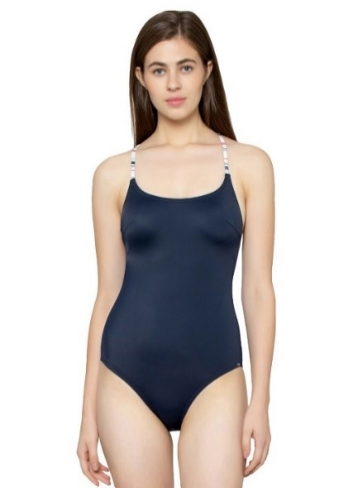 | Triumph | Z211169 | 10211169.00 | Z211169 RS | Mix & Match 2.0 OP sd | Z211169 RS C 36/80 | BLUE NIGHTS | 36/80 | HW | 125 | € 48.86 | € 6,108.12
 | Triumph | Z211169 | 10211169.00 | Z211169 RS | Mix & Match 2.0 OP sd | Z211169 RS D 38/85 | BLUE NIGHTS | 38/85 | HW | 60 | € 48.86 | € 2,931.90
 | Triumph | Z211170 | 10211170.00 | Z211170 32 | Botanical Leaf Kaftan | Z211170 32 One | BLUE COMBINATION | One | HW | 346 | € 27.14 | € 9,391.27
 | Triumph | Z207635 | 10207635.00 | Z207635 WH | Solid Splashes 2.0 OP | Z207635 WH B 36/80 | Ocean Depths | 36/80 | HW | 76 | € 48.86 | € 3,713.74
 | Triumph | Z207635 | 10207635.00 | Z207635 WH | Solid Splashes 2.0 OP | Z207635 WH C 36/80 | Ocean Depths | 36/80 | HW | 140 | € 48.86 | € 6,841.10
 | Triumph | Z207635 | 10207635.00 | Z207635 WH | Solid Splashes 2.0 OP | Z207635 WH D 36/80 | Ocean Depths | 36/80 | HW | 52 | € 48.86 | € 2,540.98
 | Triumph | Z207934 | 10207934.00 | Z207934 32 | Botanical Leaf Midi | Z207934 32 M | BLUE COMBINATION | M | HW | 91 | € 17.37 | € 1,580.42
 | Triumph | Z207934 | 10207934.00 | Z207934 32 | Botanical Leaf Midi | Z207934 32 S | BLUE COMBINATION | S | HW | 365 | € 17.37 | € 6,339.04
 | Triumph | Z211158 | 10211158.00 | Z211158 P5 | Botanical Leaf OP 03 | Z211158 P5 B 36/80 | PINK - LIGHT COMBINATION | 36/80 | HW | 87 | € 48.86 | € 4,251.25
 | Triumph | Z211158 | 10211158.00 | Z211158 P5 | Botanical Leaf OP 03 | Z211158 P5 C 36/80 | PINK - LIGHT COMBINATION | 36/80 | HW | 149 | € 48.86 | € 7,280.88
 | Triumph | Z211158 | 10211158.00 | Z211158 P5 | Botanical Leaf OP 03 | Z211158 P5 D 36/80 | PINK - LIGHT COMBINATION | 36/80 | HW | 58 | € 48.86 | € 2,834.17
 | Triumph | Z211171 | 10211171.00 | Z211171 SM | Jollity O | Z211171 SM L | ELECTRIC RASPBERRY | L | HW | 52 | € 48.86 | € 2,540.98
 | Triumph | Z211171 | 10211171.00 | Z211171 SM | Jollity O | Z211171 SM M | ELECTRIC RASPBERRY | M | HW | 79 | € 48.86 | € 3,860.33
 | Triumph | Z211171 | 10211171.00 | Z211171 SM | Jollity O | Z211171 SM S | ELECTRIC RASPBERRY | S | HW | 107 | € 48.86 | € 5,228.55
 | Triumph | Z211171 | 10211171.00 | Z211171 SM | Jollity O | Z211171 SM XL | ELECTRIC RASPBERRY | XL | HW | 27 | € 48.86 | € 1,319.35
 | Triumph | Z211179 | 10211179.00 | Z211179 SM | Jollity N | Z211179 SM L | ELECTRIC RASPBERRY | L | HW | 87 | € 27.14 | € 2,361.39
 | Triumph | Z211179 | 10211179.00 | Z211179 SM | Jollity N | Z211179 SM M | ELECTRIC RASPBERRY | M | HW | 174 | € 27.14 | € 4,722.78
 | Triumph | Z211179 | 10211179.00 | Z211179 SM | Jollity N | Z211179 SM S | ELECTRIC RASPBERRY | S | HW | 170 | € 27.14 | € 4,614.21
 | Triumph | Z211204 | 10211204.00 | Z211204 SM | Jollity Maxi | Z211204 SM L | ELECTRIC RASPBERRY | L | HW | 73 | € 18.45 | € 1,347.09
 | Triumph | Z211204 | 10211204.00 | Z211204 SM | Jollity Maxi | Z211204 SM M | ELECTRIC RASPBERRY | M | HW | 127 | € 18.45 | € 2,343.58
 | Triumph | Z211204 | 10211204.00 | Z211204 SM | Jollity Maxi | Z211204 SM S | ELECTRIC RASPBERRY | S | HW | 107 | € 18.45 | € 1,974.51
 | Triumph | Z211256 | 10211256.00 | Z211256 B9 | Nautical Midi | Z211256 B9 L | BLUE - DARK COMBINATION | L | HW | 286 | € 17.37 | € 4,967.03
 | Triumph | Z211256 | 10211256.00 | Z211256 B9 | Nautical Midi | Z211256 B9 M | BLUE - DARK COMBINATION | M | HW | 595 | € 17.37 | € 10,333.50
 | Triumph | Z211256 | 10211256.00 | Z211256 B9 | Nautical Midi | Z211256 B9 S | BLUE - DARK COMBINATION | S | HW | 579 | € 17.37 | € 10,055.62
 | Triumph | Z211266 | 10211266.00 | Z211266 B9 | Nautical OP | Z211266 B9 B 36/80 | BLUE - DARK COMBINATION | 36/80 | HW | 89 | € 48.86 | € 4,348.98
 | Triumph | Z211266 | 10211266.00 | Z211266 B9 | Nautical OP | Z211266 B9 C 36/80 | BLUE - DARK COMBINATION | 36/80 | HW | 141 | € 48.86 | € 6,889.96
 | Triumph | Z211266 | 10211266.00 | Z211266 B9 | Nautical OP | Z211266 B9 D 36/80 | BLUE - DARK COMBINATION | 36/80 | HW | 56 | € 48.86 | € 2,736.44
 | Triumph | H000080 | 10204966.00 | H000080 S5 | Aqua Rosie -Trousers | H000080 S5 M | SKIN - LIGHT COMBINATION | M | HW | 22 | € 16.28 | € 358.18
 | Triumph | Z211240 | 10211240.00 | Z211240 B9 | Nautical P | Z211240 B9 C 38 | Klein Blue | 38 | HW | 60 | € 49.95 | € 2,997.00
 | Triumph | Z211240 | 10211240.00 | Z211240 B9 | Nautical P | Z211240 B9 D 38 | Klein Blue | 38 | HW | 76 | € 49.95 | € 3,796.20
 | Triumph | Z212762 | 10212762.00 | Z212762 B9 | Nautical WP 01 | Z212762 B9 C 38 | Klein Blue | 38 | HW | 204 | € 49.95 | € 10,189.80
 | Triumph | Z212762 | 10212762.00 | Z212762 B9 | Nautical WP 01 | Z212762 B9 D 38 | Klein Blue | 38 | HW | 236 | € 49.95 | € 11,788.20

