海外仓
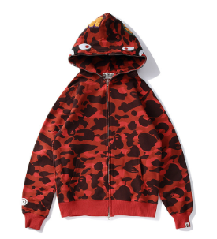
序号 | 名称 | Des | qty
1 | ALYMX-FULLZIPHD-FS-L | hoodie-pink-L | 90
2 | ALYMX-FULLZIPHD-FS-M | hoodie-pink-M | 236
3 | ALYMX-FULLZIPHD-FS-S | hoodie-pink-S | 80
4 | ALYMX-FULLZIPHD-FS-XL | hoodie-pink-XL | 50
5 | ALYMX-FULLZIPHD-GREEN-L | hoodie-army green -L | 72
6 | ALYMX-FULLZIPHD-GREEN-M | hoodie-army green -M | 6
7 | ALYMX-FULLZIPHD-GREEN-S | hoodie-army green -S | 136
8 | ALYMX-FULLZIPHD-GREEN-XL | hoodie-army green -XL | 6
9 | ALYMX-FULLZIPHD-GRY-L | hoodie-dark grey-L | 322
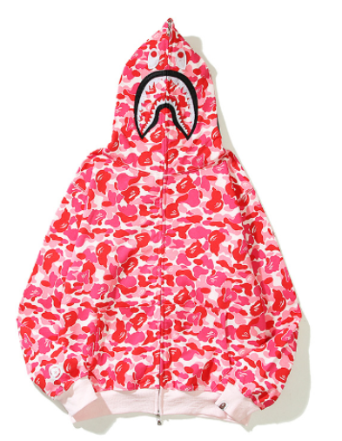
10 | ALYMX-FULLZIPHD-GRY-M | hoodie-dark grey-M | 837
11 | ALYMX-FULLZIPHD-GRY-S | hoodie-dark grey-S | 530
12 | ALYMX-FULLZIPHD-GRY-XL | hoodie-dark grey-XL | 208
13 | ALYMX-FULLZIPHD-HMC-L | hoodie-yellow camouflage-L | 26
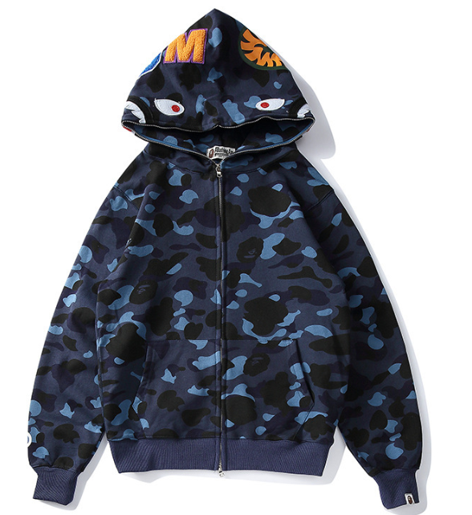
14 | ALYMX-FULLZIPHD-HMC-M | hoodie-yellow camouflage-M | 68
15 | ALYMX-FULLZIPHD-HMC-S | hoodie-yellow camouflage-S | 80
16 | ALYMX-FULLZIPHD-HMC-XL | hoodie-yellow camouflage-XL | 6
17 | ALYMX-FULLZIPHD-NAVYBLUE-L | hoodie-navy blue -L | 72
18 | ALYMX-FULLZIPHD-NAVYBLUE-M | hoodie-navy blue -M | 58
19 | ALYMX-FULLZIPHD-NAVYBLUE-S | hoodie-navy blue -S | 90
21 | ALYMX-FULLZIPHD-PURPLE-L | hoodie-purple -L | 86
22 | ALYMX-FULLZIPHD-PURPLE-M | hoodie-purple -M | 148
23 | ALYMX-FULLZIPHD-PURPLE-S | hoodie-purple -S | 242
24 | ALYMX-FULLZIPHD-PURPLE-XL | hoodie-purple -XL | 110
25 | ALYMX-FULLZIPHD-RED-L | hoodie-red-L | 250
26 | ALYMX-FULLZIPHD-RED-M | hoodie-red-M | 292
27 | ALYMX-FULLZIPHD-RED-S | hoodie-red-S | 224
28 | ALYMX-FULLZIPHD-RED-XL | hoodie-red-XL | 102
30 | 总计 |  | 4427

