OFFER
 |  |  |  |  |  |  |  |  |  | EXW: italia
 |  |  |  |  |  |  |  |  |  | TAKE ALL

 |  |  |  |  |  |  |  |  |  | 4736 | € 152.89 | € 724,107.00
PHOTO | GENDER | Category | Age | Gender2 | Brands | Model | Part | Colours | REF | QTY | RRP | TTL RRP
 | Adult Unisex | Socks | ADULTS | Adult Unisex | EMPORIO ARMANI 7 | 245022 | 0P855 | Black/BCuracau Log |  | 1 | € 30.00 | € 30.00
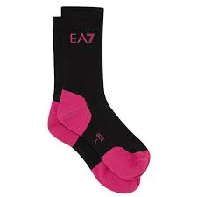 | Adult Unisex | Socks | ADULTS | Adult Unisex | EMPORIO ARMANI 7 | 245022 | 0P855 | Black/Pink Fluo Log |  | 2 | € 30.00 | € 60.00
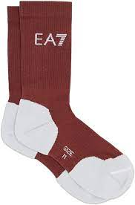 | Adult Unisex | Socks | ADULTS | Adult Unisex | EMPORIO ARMANI 7 | 245022 | 0P855 | Ebony/White Logo |  | 2 | € 30.00 | € 60.00
 | Boy | 5-Pockets | KIDS | Boys | EMPORIO ARMANI | 3H4J06 | 1N4ZZ | Blu Navy |  | 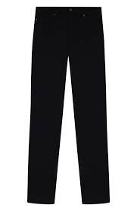 1 | € 130.00 | € 130.00
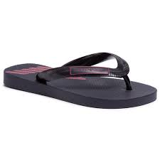 | Boy | Flip-Flops | KIDS | Boys | EMPORIO ARMANI | XYQS01 | XOZ10 | NAVY+RED |  | 6 | € 55.00 | € 330.00
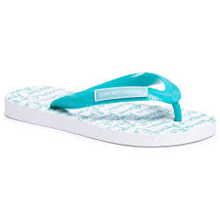 | Boy | Flip-Flops | KIDS | Boys | EMPORIO ARMANI | XYQS01 | XOZ10 | WHITE+TURQUOISE |  | 1 | € 55.00 | € 55.00
 | Boy | Hat | KIDS | Boys | EMPORIO ARMANI | 404126 | 0P422 | Bianco |  | 1 | € 80.00 | € 80.00
 | Boy | Newborn-Set | KIDS | Boys | EMPORIO ARMANI | 407132 | 0P704 | Pink |  | 2 | € 140.00 | € 280.00
 | Boy | Sneakers | KIDS | Boys | EMPORIO ARMANI | XMX006 | XOI32 | GREY+NUDE+WHT+PINK |  | 1 | € 195.00 | € 195.00
 | Boy | Sneakers | KIDS | Boys | EMPORIO ARMANI | XYX002 | XON04 | Navy+White | c | 0 | € 180.00 | € -
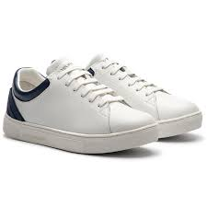 | Boy | Sneakers | KIDS | Boys | EMPORIO ARMANI | XYX006 | XOI12 | White+White | c | 0 | € 150.00 | € -
 | Boy | Sneakers | KIDS | Boys | EMPORIO ARMANI | XYX007 | XOI33 | WHITE+GREEN FLUO | c | 0 | € 210.00 | € -
 | Boy | Sneakers | KIDS | Boys | EMPORIO ARMANI 7 | XSX001 | XOT01 | Black+Pink Fluo | c | 1 | € 123.00 | € 123.00
 | Boy | Sneakers | KIDS | Boys | EMPORIO ARMANI 7 | XSX003 | XOT04 | MAZARINE BLUE+WHITE |  | 1 | € 145.00 | € 145.00
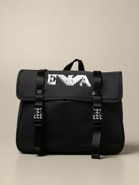 | Boy | Backpack | KIDS | Boys | EMPORIO ARMANI | 402520 | 0A550 | Blu Navy |  | 3 | € 185.00 | € 555.00
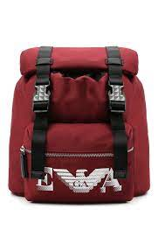 | Boy | Backpack | KIDS | Boys | EMPORIO ARMANI | 402521 | 0A551 | Ruby |  | 3 | € 195.00 | € 585.00
 | Boy | Blanket | KIDS | Boys | EMPORIO ARMANI | 409167 | 0A818 | Latte Rosa |  | 1 | € 150.00 | € 150.00
 | Boy | Blanket | KIDS | Boys | EMPORIO ARMANI | 409168 | 0A819 | Latte Rosa | c | 9 | € 150.00 | € 1,350.00
 | Boy | Blanket | KIDS | Boys | EMPORIO ARMANI | 409168 | 0A819 | Latte/Azzurro |  | 4 | € 150.00 | € 600.00
 | Boy | Gift-Set | KIDS | Boys | EMPORIO ARMANI | 6HHV12 | 4J3CZ | Cobalto |  | 1 | € 150.00 | € 150.00
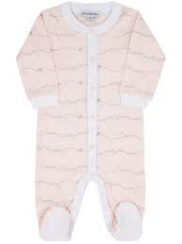 | Boy | Gift-Set | KIDS | Boys | EMPORIO ARMANI | 8NHV07 | 4JFXZ | Rosa Newborn |  | 3 | € 145.00 | € 435.00
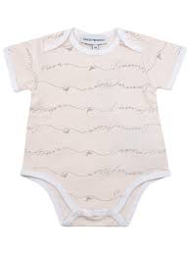 | Boy | Gift-Set | KIDS | Boys | EMPORIO ARMANI | 8NHV19 | 4JFXZ | Beige |  | 8 | € 125.00 | € 1,000.00
 | Boy | Gift-Set | KIDS | Boys | EMPORIO ARMANI | 8NHV19 | 4JFXZ | Blu Scuro |  | 2 | € 125.00 | € 250.00
 | Boy | Gift-Set | KIDS | Boys | EMPORIO ARMANI | 8NHV19 | 4JFXZ | Rosa Newborn | c | 12 | € 125.00 | € 1,500.00
 | Boy | Hat | KIDS | Boys | EMPORIO ARMANI | 404128 | 0A434 | Latte/Blu Navy |  | 1 | € 70.00 | € 70.00
 | Boy | Jacket | KIDS | Boys | EMPORIO ARMANI | 6H4BL1 | 1NLSZ | Grigio Luce | c | 0 | € 300.00 | € -
 | Boy | Newborn-Set | KIDS | Boys | EMPORIO ARMANI | 407136 | 0A743 | Latte Rosa |  | 1 | € 170.00 | € 170.00
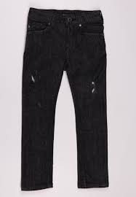 | Boy | Pants | KIDS | Boys | EMPORIO ARMANI | 6H4J06 | 4D2CZ | Denim Nero | c | 0 | € 130.00 | € -
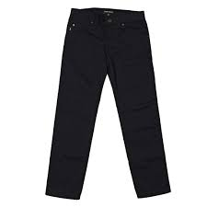 | Boy | Pants | KIDS | Boys | EMPORIO ARMANI | 6H4J45 | 4N4WZ | Navy Blue | c | 1 | € 150.00 | € 150.00
 | Boy | Polo | KIDS | Boys | EMPORIO ARMANI | 6H4FJC | 1JASZ | Bco Bretelle B | c | 0 | € 95.00 | € -
 | Boy | Scarf | KIDS | Boys | EMPORIO ARMANI | 404612 | 0A464 | Blu Navy |  | 2 | € 100.00 | € 200.00
 | Boy | Shirt | KIDS | Boys | EMPORIO ARMANI | 6H4C80 | 1NC1Z | Bianco Fant.Ea | c | 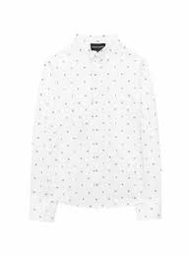 3 | € 130.00 | € 390.00
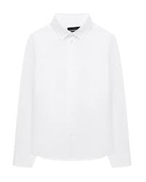 | Boy | Shirt | KIDS | Boys | EMPORIO ARMANI | 6H4CA4 | 1NXXZ | Warm White |  | 4 | € 110.00 | € 440.00
 | Boy | Shirt | KIDS | Boys | EMPORIO ARMANI | 6H4CA6 | 1NXYZ | Optical White | c | 0 | € 115.00 | € -
 | Boy | Sneakers | KIDS | Boys | EMPORIO ARMANI | XMX006 | XOI36 | Navy+Basalto+Ruby+Na |  | 1 | € 195.00 | € 195.00
 | Boy | Sneakers | KIDS | Boys | EMPORIO ARMANI | XMX006 | XOI37 | Blk+Fuxia+Blk+Wht |  | 4 | € 200.00 | € 800.00
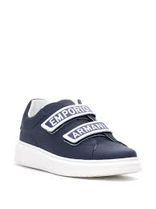 | Boy | Sneakers | KIDS | Boys | EMPORIO ARMANI | XYX007 | XCC70 | Black White | c | 2 | € 210.00 | € 420.00
 | Boy | Sneakers | KIDS | Boys | EMPORIO ARMANI | XYX008 | XOI34 | Nav+Pearl+Pnk+Bl+Wht |  | 1 | € 220.00 | € 220.00
 | Boy | Sneakers | KIDS | Boys | EMPORIO ARMANI | XYX008 | XOI38 | Blk+Fuxia+Blk+Wht | c | 0 | € 230.00 | € -
 | Boy | Sneakers | KIDS | Boys | EMPORIO ARMANI 7 | XSX013 | XOT32 | Black+Surf The Web |  | 1 | € 130.00 | € 130.00
 | Boy | Sneakers | KIDS | Boys | EMPORIO ARMANI 7 | XSZ003 | XOT34 | Camo+Lime Punch |  | 2 | € 145.00 | € 290.00
 | Boy | Suit | KIDS | Boys | EMPORIO ARMANI | 6HHB11 | 4J3CZ | Rosa |  | 1 | € 175.00 | € 175.00
 | Boy | Suit | KIDS | Boys | EMPORIO ARMANI | 8NHL82 | 4JFXZ | Beige | c | 1 | € 155.00 | € 155.00
 | Boy | Sweatshirt | KIDS | Boys | EMPORIO ARMANI | 6HHMA9 | 4JCNZ | Blu Navy | c | 1 | € 145.00 | € 145.00
 | Boy | Sweatshirt | KIDS | Boys | EMPORIO ARMANI 7 | 6HPMQ1 | PJ5ZZ | Black | c | 1 | € 143.00 | € 143.00
 | Boy | T-Shirt | KIDS | Boys | EMPORIO ARMANI | 6H4TJD | 1J00Z | Navy Blue | c | 0 | € 75.00 | € -
 | Boy | T-Shirt | KIDS | Boys | EMPORIO ARMANI | 6H4TJO | 1JDXZ | Zaffiro | c | 0 | € 75.00 | € -
 | Boy | T-Shirt | KIDS | Boys | EMPORIO ARMANI | 6H4TQ9 | 1J19Z | Piombo | c | 0 | € 85.00 | € -
 | Boy | T-Shirt | KIDS | Boys | EMPORIO ARMANI | 6HHTA9 | 1JDXZ | Navy Blue | c | 0 | € 80.00 | € -
 | Boy | T-Shirt | KIDS | Boys | EMPORIO ARMANI | 6HHTJB | 4J09Z | Blu Navy | c | 0 | € 65.00 | € -
 | Boy | T-Shirt | KIDS | Boys | EMPORIO ARMANI | 6HHTJN | 1JTUZ | Rubino | c | 0 | € 75.00 | € -
 | Boy | T-Shirt | KIDS | Boys | EMPORIO ARMANI 7 | 6HBT52 | BJ02Z | Off White | c | 0 | € 43.00 | € -
 | Boy | Trousers | KIDS | Boys | EMPORIO ARMANI | 6H4P60 | 4N4YZ | Blu Navy | c | 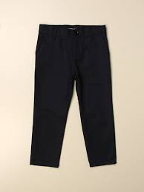 3 | € 120.00 | € 360.00
 | Boy | Trousers | KIDS | Boys | EMPORIO ARMANI | 6H4P98 | 1JSNZ | Rubino | c | 0 | € 125.00 | € -
 | Boy | Trousers | KIDS | Boys | EMPORIO ARMANI 7 | 6HPPQ1 | PJ5ZZ | Black |  | 4 | € 128.00 | € 512.00
 | Boy | Trousers | KIDS | Boys | EMPORIO ARMANI 7 | 6HPTQ1 | PJ8ZZ | Off White |  | 1 | € 92.00 | € 92.00
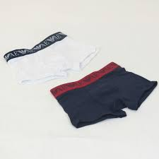 | Boy | Underwear | KIDS | Boys | EMPORIO ARMANI | 406501 | 0A650 | Bianco Blu | c | 0 | € 45.00 | € -
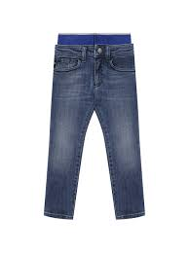 | Boy | 5-Pockets | KIDS | Boys | EMPORIO ARMANI | 3K4J17 | 4D2JZ | Denim Blu Md | c | 5 | € 175.00 | € 875.00
 | Boy | 5-Pockets | KIDS | Boys | EMPORIO ARMANI | 3K4J45 | 4N5HZ | Warm White | c | 1 | € 155.00 | € 155.00
 | Boy | Bermuda | KIDS | Boys | EMPORIO ARMANI | 3K4PS1 | 1DY7Z | Fantasia Blu/Bco | c | 2 | € 120.00 | € 240.00
 | Boy | Bermuda | KIDS | Boys | EMPORIO ARMANI | 3K4SJE | 4D2JZ | Denim Blu Md | c | 1 | € 170.00 | € 170.00
 | Boy | Bermuda | KIDS | Boys | EMPORIO ARMANI 7 | 3KBS54 | BJ05Z | Black | c | 0 | € 60.00 | € -
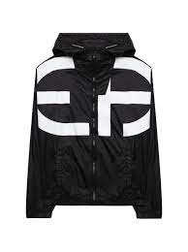 | Boy | Blouson | KIDS | Boys | EMPORIO ARMANI | 3K4BN0 | 1NLYZ | Black | c | 9 | € 210.00 | € 1,890.00
 | Boy | Blouson | KIDS | Boys | EMPORIO ARMANI | 3KHBS3 | 1NZMZ | BCo Lettering | c | 0 | € 155.00 | € -
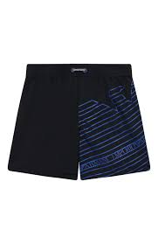 | Boy | Boxer | KIDS | Boys | EMPORIO ARMANI | 408503 | 1P209 | Blu/Oltremare | c | 2 | € 80.00 | € 160.00
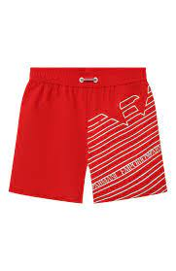 | Boy | Boxer | KIDS | Boys | EMPORIO ARMANI | 408503 | 1P209 | Rosso/Bianco | c | 7 | € 80.00 | € 560.00
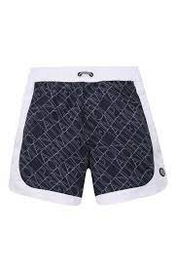 | Boy | Boxer | KIDS | Boys | EMPORIO ARMANI | 408511 | 1P218 | All-Over Blu/Bianco | c | 3 | € 85.00 | € 255.00
 | Boy | Boxer | KIDS | Boys | EMPORIO ARMANI 7 | 906005 | 1P771 | Blu Smalto |  | 5 | € 55.00 | € 275.00
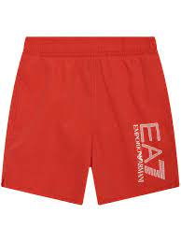 | Boy | Boxer | KIDS | Boys | EMPORIO ARMANI 7 | 906005 | 1P771 | Red | c | 2 | € 55.00 | € 110.00
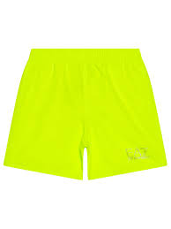 | Boy | Boxer | KIDS | Boys | EMPORIO ARMANI 7 | 906005 | 1P772 | Giallo Fluo | c | 2 | € 50.00 | € 100.00
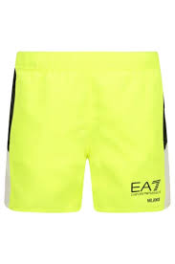 | Boy | Boxer | KIDS | Boys | EMPORIO ARMANI 7 | 906009 | 1P774 | Giallo Fluo |  | 4 | € 55.00 | € 220.00
 | Boy | Gift-Set | KIDS | Boys | EMPORIO ARMANI | 3KHV79 | 4JGCZ | Bianco/Aqui J. |  | 1 | € 155.00 | € 155.00
 | Boy | Gift-Set | KIDS | Boys | EMPORIO ARMANI | 8NHV14 | 4JFXZ | Rosa Newborn |  | 3 | € 130.00 | € 390.00
 | Boy | Hat | KIDS | Boys | EMPORIO ARMANI | 404626 | 1P485 | Nero |  | 1 | € 80.00 | € 80.00
 | Boy | Hat | KIDS | Boys | EMPORIO ARMANI | 404626 | 1P485 | Off White | c | 0 | € 80.00 | € -
 | Boy | Hat | KIDS | Boys | EMPORIO ARMANI | 404629 | 1P490 | Off White |  | 1 | € 85.00 | € 85.00
 | Boy | Hat | KIDS | Boys | EMPORIO ARMANI | 404632 | 1P487 | Blu Navy |  | 1 | € 75.00 | € 75.00
 | Boy | Infant Care Set | KIDS | Boys | EMPORIO ARMANI | 406127 | 1P603 | Azzzuro |  | 1 | € 65.00 | € 65.00
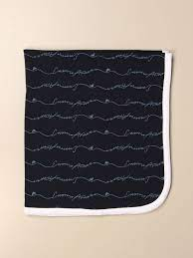 | Boy | Infant Care Set | KIDS | Boys | EMPORIO ARMANI | 407126 | CC901 | Blu Navy | c | 2 | € 110.00 | € 220.00
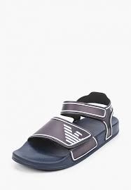 | Boy | Sandals | KIDS | Boys | EMPORIO ARMANI | XYPS06 | XOZ16 | Navy White | c | 5 | € 100.00 | € 500.00
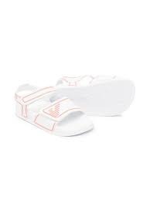 | Boy | Sandals | KIDS | Boys | EMPORIO ARMANI | XYPS06 | XOZ16 | White Coral |  | 17 | € 100.00 | € 1,700.00
 | Boy | Shirt | KIDS | Boys | EMPORIO ARMANI | 3K4CC4 | 1NXTZ | BCo Lettering |  | 2 | € 100.00 | € 200.00
 | Boy | Shirt | KIDS | Boys | EMPORIO ARMANI | 3K4CJ2 | 4N54Z | Riga Azzurro |  | 5 | € 130.00 | € 650.00
 | Boy | Shirt | KIDS | Boys | EMPORIO ARMANI | 3K4CJ2 | 4N54Z | Riga Beige | c | 9 | € 130.00 | € 1,170.00
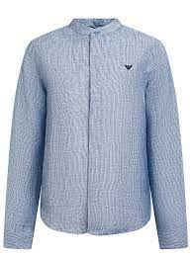 | Boy | Shirt | KIDS | Boys | EMPORIO ARMANI | 3K4CJ4 | 4N50Z | Fant. Fdo Blu | c | 1 | € 175.00 | € 175.00
 | Boy | Shirt | KIDS | Boys | EMPORIO ARMANI | 3K4CJ8 | 4N53Z | Warm White |  | 25 | € 130.00 | € 3,250.00
 | Boy | Shirt | KIDS | Boys | EMPORIO ARMANI | 3K4CP8 | 1NXRZ | Optical White |  | 2 | € 105.00 | € 210.00
 | Boy | Shirt | KIDS | Boys | EMPORIO ARMANI | 8N4C09 | 1N06Z | Optical White |  | 3 | € 100.00 | € 300.00
 | Boy | Shorts | KIDS | Boys | EMPORIO ARMANI | 3K4SJ5 | 4JJFZ | Bluette |  | 5 | € 170.00 | € 850.00
 | Boy | Shorts | KIDS | Boys | EMPORIO ARMANI | 3K4SJG | 1NWWZ | Grigio Pietra |  | 1 | € 130.00 | € 130.00
 | Boy | Shorts | KIDS | Boys | EMPORIO ARMANI | 3K4SJG | 1NWWZ | Incenso |  | 2 | € 130.00 | € 260.00
 | Boy | Shorts | KIDS | Boys | EMPORIO ARMANI | 3K4SJG | 1NWWZ | Navy Blue |  | 4 | € 130.00 | € 520.00
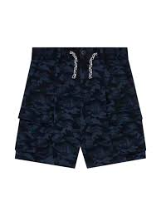 | Boy | Shorts | KIDS | Boys | EMPORIO ARMANI | 3K4SJH | 1JUTZ | Black Camoa |  | 5 | € 150.00 | € 750.00
 | Boy | Shorts | KIDS | Boys | EMPORIO ARMANI | 3K4SJH | 1JUTZ | Blunavy Camou |  | 1 | € 150.00 | € 150.00
 | Boy | Shorts | KIDS | Boys | EMPORIO ARMANI | 3K4SP5 | 1JTNZ | Grigio Pietra |  | 2 | € 125.00 | € 250.00
 | Boy | Shorts | KIDS | Boys | EMPORIO ARMANI | 3KHP92 | 1JHSZ | Black | c | 0 | € 115.00 | € -
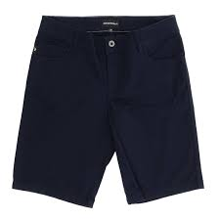 | Boy | Shorts | KIDS | Boys | EMPORIO ARMANI | 8N4S01 | 4NFUZ | Blu Navy | c | 3 | € 85.00 | € 255.00
 | Boy | Shorts | KIDS | Boys | EMPORIO ARMANI | 8N4S01 | 4NFUZ | Grigio | c | 1 | € 85.00 | € 85.00
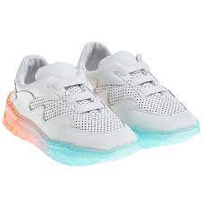 | Boy | Sneakers | KIDS | Boys | EMPORIO ARMANI | XMX006 | XOI47 | OpWht OpWht MGr/N | c | 0 | € 195.00 | € -
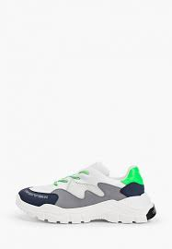 | Boy | Sneakers | KIDS | Boys | EMPORIO ARMANI | XYX008 | XOI45 | OpWht OpWht MGr/N | c | 2 | € 230.00 | € 460.00
 | Boy | Sneakers | KIDS | Boys | EMPORIO ARMANI | XYX008 | XOI46 | Coral Nude Peach Op | c | 0 | € 220.00 | € -
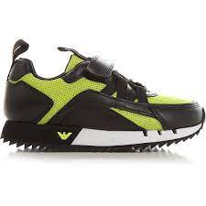 | Boy | Sneakers | KIDS | Boys | EMPORIO ARMANI 7 | XSX013 | XOT32 | Black Acid Lime | c | 0 | € 130.00 | € -
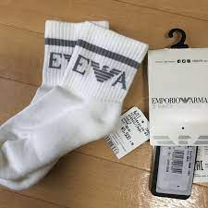 | Boy | Socks | KIDS | Boys | EMPORIO ARMANI | 406500 | 1P651 | Bianco Blu | c | 0 | € 30.00 | € -
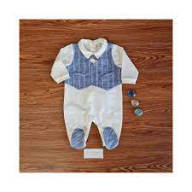 | Boy | Suit | KIDS | Boys | EMPORIO ARMANI | 3KHD75 | 4N50Z | Riga Blu/Azz |  | 6 | € 185.00 | € 1,110.00
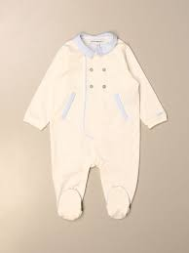 | Boy | Suit | KIDS | Boys | EMPORIO ARMANI | 3KHD79 | 4N54Z | Riga Beige |  | 5 | € 155.00 | € 775.00
 | Boy | Suit | KIDS | Boys | EMPORIO ARMANI | 3KHD91 | 4N54Z | Riga Azzurro |  | 2 | € 150.00 | € 300.00
 | Boy | Suit | KIDS | Boys | EMPORIO ARMANI | 8NHD05 | 4JFXZ | Beige |  | 3 | € 110.00 | € 330.00
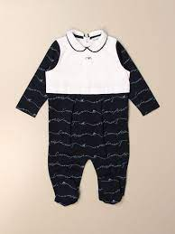 | Boy | Suit | KIDS | Boys | EMPORIO ARMANI | 8NHD05 | 4JFXZ | Rosa Newborn | c | 13 | € 110.00 | € 1,430.00
 | Boy | Sweatshirt | KIDS | Boys | EMPORIO ARMANI | 3K4BJ7 | 4J4FZ | Black | c | 0 | € 160.00 | € -
 | Boy | Sweatshirt | KIDS | Boys | EMPORIO ARMANI | 3K4MG4 | 1JHSZ | Black | c | 0 | € 180.00 | € -
 | Boy | Sweatshirt | KIDS | Boys | EMPORIO ARMANI | 3K4MH4 | 1JHSZ | Black | c | 0 | € 190.00 | € -
 | Boy | Sweatshirt | KIDS | Boys | EMPORIO ARMANI | 3K4MH4 | 1JHSZ | Rosso | c | 0 | € 190.00 | € -
 | Boy | Sweatshirt | KIDS | Boys | EMPORIO ARMANI | 3KHB03 | 1JHSZ | Black | c | 0 | € 165.00 | € -
 | Boy | Sweatshirt | KIDS | Boys | EMPORIO ARMANI 7 | 3KBM57 | BJ05Z | Material Girl | c | 0 | € 75.00 | € -
 | Boy | T-Shirt | KIDS | Boys | EMPORIO ARMANI | 3K4TAQ | 1JTUZ | Rosso | c | 0 | € 90.00 | € -
 | Boy | T-Shirt | KIDS | Boys | EMPORIO ARMANI | 3K4TJ7 | 4J4EZ | Warm White | c | 0 | € 80.00 | € -
 | Boy | T-Shirt | KIDS | Boys | EMPORIO ARMANI | 3K4TM6 | 1JDXZ | Warm White | c | 0 | € 115.00 | € -
 | Boy | T-Shirt | KIDS | Boys | EMPORIO ARMANI | 3KHTC3 | 1JUCZ | Grigio Pietra | c | 0 | € 70.00 | € -
 | Boy | T-Shirt | KIDS | Boys | EMPORIO ARMANI | 3KHTM1 | 1JDXZ | Navy Blue | c | 0 | € 75.00 | € -
 | Boy | T-Shirt | KIDS | Boys | EMPORIO ARMANI 7 | 3KBT53 | BJ02Z | Medium Grey Mel |  | 1 | € 45.00 | € 45.00
 | Boy | T-Shirt | KIDS | Boys | EMPORIO ARMANI 7 | 3KBT55 | BJ02Z | Off White |  | 1 | € 50.00 | € 50.00
 | Boy | T-Shirts Set | KIDS | Boys | EMPORIO ARMANI | 3KHD01 | 4J09Z | Navy Blue |  | 1 | € 105.00 | € 105.00
 | Boy | T-Shirts Set | KIDS | Boys | EMPORIO ARMANI | 3KHD01 | 4J09Z | Ultramarine Blue | c | 0 | € 105.00 | € -
 | Boy | T-Shirts Set | KIDS | Boys | EMPORIO ARMANI | 408508 | 1P215 | All-Over Blu/Bianco | c | 2 | € 75.00 | € 150.00
 | Boy | Tracksuit | KIDS | Boys | EMPORIO ARMANI | 3KHVJP | 1JTNZ | Navy Blue | c | 0 | € 210.00 | € -
 | Boy | Trousers | KIDS | Boys | EMPORIO ARMANI | 3K4P07 | 1NWZZ | Navy Blue | c | 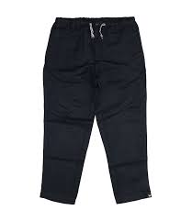 1 | € 135.00 | € 135.00
 | Boy | Trousers | KIDS | Boys | EMPORIO ARMANI | 3K4PG3 | 4N5FZ | Riga Blu | c | 0 | € 125.00 | € -
 | Boy | Trousers | KIDS | Boys | EMPORIO ARMANI | 3K4PQ8 | 1JHSZ | Black | c | 0 | € 160.00 | € -
 | Boy | Trousers | KIDS | Boys | EMPORIO ARMANI | 3KHP07 | 1NWZZ | Navy Blue |  | 1 | € 100.00 | € 100.00
 | Boy | Trousers | KIDS | Boys | EMPORIO ARMANI 7 | 3KBP54 | BJ05Z | Black | c | 0 | € 70.00 | € -
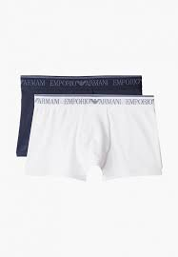 | Boy | Underwear | KIDS | Boys | EMPORIO ARMANI | 406501 | 1P650 | Bianco Blu |  | 10 | € 45.00 | € 450.00
 | Boy | Baby Set | KIDS | Boys | EMPORIO ARMANI | 407009 | CC909 | Light Blue |  | 1 | € 105.00 | € 105.00
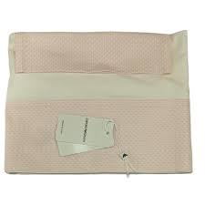 | Boy | Baby Set | KIDS | Boys | EMPORIO ARMANI | 8NN703 | NN02Z | Fantasia Rosa |  | 6 | € 180.00 | € 1,080.00
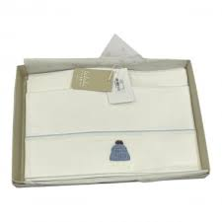 | Boy | Baby Set | KIDS | Boys | EMPORIO ARMANI | 8NN703 | NN02Z | Maxi Logo Blu |  | 7 | € 180.00 | € 1,260.00
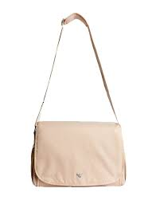 | Boy | Bag | KIDS | Kids Unisex | EMPORIO ARMANI | 402145 | CC904 | Beige | c | 2 | € 190.00 | € 380.00
 | Boy | Bermuda | KIDS | Boys | EMPORIO ARMANI 7 | 6KBS51 | BJ05Z | Iron Gate |  | 1 | € 40.00 | € 40.00
 | Boy | Blanket | KIDS | Boys | EMPORIO ARMANI | 6KN806 | NJ03Z | Navy Blue | c | 5 | € 185.00 | € 925.00
 | Boy | Blanket | KIDS | Boys | EMPORIO ARMANI | 6KN807 | NJ03Z | White |  | 17 | € 190.00 | € 3,230.00
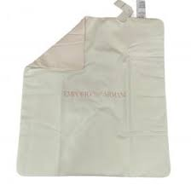 | Boy | Blanket | KIDS | Boys | EMPORIO ARMANI | 8NN810 | NJ05Z | Fantasia Rosa | c | 25 | € 135.00 | € 3,375.00
 | Boy | Blanket | KIDS | Boys | EMPORIO ARMANI | 8NN810 | NJ05Z | Maxi Logo Blu |  | 6 | € 135.00 | € 810.00
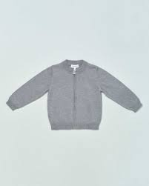 | Boy | Cardigan | KIDS | Boys | EMPORIO ARMANI | 8NHM91 | 4M16Z | Grigio Mel |  | 10 | € 130.00 | € 1,300.00
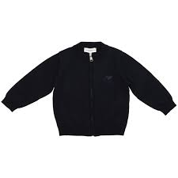 | Boy | Cardigan | KIDS | Boys | EMPORIO ARMANI | 8NHM91 | 4M16Z | Navy Blue | c | 3 | € 130.00 | € 390.00
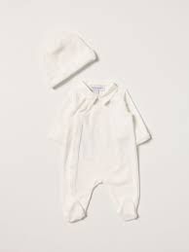 | Boy | Gift-Set | KIDS | Boys | EMPORIO ARMANI | 6KNV06 | NJ00Z | Rosa |  | 12 | € 250.00 | € 3,000.00
 | Boy | Gift-Set | KIDS | Boys | EMPORIO ARMANI | 6KNV06 | NJ00Z | White |  | 9 | € 250.00 | € 2,250.00
 | Boy | Gift-Set | KIDS | Boys | EMPORIO ARMANI | 8NNV02 | NJ05Z | Maxi Logo Blu |  | 4 | € 155.00 | € 620.00
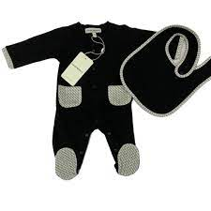 | Boy | Gift-Set | KIDS | Boys | EMPORIO ARMANI | 8NNV03 | NJ05Z | Bco/EA Milano | c | 2 | € 160.00 | € 320.00
 | Boy | Gift-Set | KIDS | Boys | EMPORIO ARMANI | 8NNV03 | NJ05Z | Fantasia Rosa |  | 4 | € 160.00 | € 640.00
 | Boy | Gift-Set | KIDS | Boys | EMPORIO ARMANI | 8NNV03 | NJ05Z | Maxi Logo Blu |  | 4 | € 160.00 | € 640.00
 | Boy | Gift-Set | KIDS | Boys | EMPORIO ARMANI | 8NNV17 | NJ05Z | Bco/EA Milano |  | 1 | € 185.00 | € 185.00
 | Boy | Gift-Set | KIDS | Boys | EMPORIO ARMANI | 8NNV17 | NJ05Z | Fantasia Rosa |  | 3 | € 185.00 | € 555.00
 | Boy | Gift-Set | KIDS | Boys | EMPORIO ARMANI | 8NNV17 | NJ05Z | Maxi Logo Blu |  | 2 | € 185.00 | € 370.00
 | Boy | Hat | KIDS | Boys | EMPORIO ARMANI | 404635 | 1A463 | Blu Navy |  | 2 | € 85.00 | € 170.00
 | Boy | Hat | KIDS | Boys | EMPORIO ARMANI | 404635 | 1A493 | Nero | c | 1 | € 75.00 | € 75.00
 | Boy | Hat | KIDS | Boys | EMPORIO ARMANI | 404635 | 1A493 | Verde Colofonia |  | 10 | € 75.00 | € 750.00
 | Boy | Hat | KIDS | Boys | EMPORIO ARMANI | 404641 | 1A452 | Grigio |  | 3 | € 80.00 | € 240.00
 | Boy | Jacket | KIDS | Boys | EMPORIO ARMANI | 6K4BJ7 | 4NIBZ | Camu Verde | c | 7 | € 300.00 | € 2,100.00
 | Boy | Jacket | KIDS | Boys | EMPORIO ARMANI | 6K4BJ9 | 1NPEZ | Ferro Aquila | c | 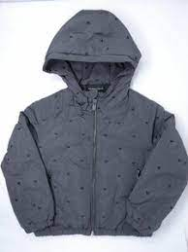 1 | € 240.00 | € 240.00
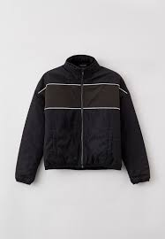 | Boy | Jacket | KIDS | Boys | EMPORIO ARMANI | 6K4BP9 | 1NWEZ | Incenso/Black | c | 5 | € 240.00 | € 1,200.00
 | Boy | Jacket | KIDS | Boys | EMPORIO ARMANI | 6KHBJ9 | 1NPEZ | Mattone Firma |  | 2 | € 200.00 | € 400.00
 | Boy | Jacket | KIDS | Boys | EMPORIO ARMANI | 6KHBP9 | 1NWEZ | Incenso/Black | c | 5 | € 200.00 | € 1,000.00
 | Boy | Jacket | KIDS | Boys | EMPORIO ARMANI | 8N4BQ2 | 1NLRZ | Black | c | 0 | € 210.00 | € -
 | Boy | Jacket | KIDS | Boys | EMPORIO ARMANI | 8NHBQ2 | 1NLRZ | Navy Blue | c | 9 | € 185.00 | € 1,665.00
 | Boy | Jacket | KIDS | Boys | EMPORIO ARMANI 7 | 8NBB34 | BN29Z | Black |  | 9 | € 120.00 | € 1,080.00
 | Boy | Jacket | KIDS | Boys | EMPORIO ARMANI 7 | 8NBB34 | BN29Z | Mazarine Blue | c | 9 | € 120.00 | € 1,080.00
 | Boy | Knitwear | KIDS | Boys | EMPORIO ARMANI | 407312 | 1A712 | Blu Navy |  | 5 | € 180.00 | € 900.00
 | Boy | Knitwear | KIDS | Boys | EMPORIO ARMANI | 407512 | 1A762 | Verde Colofonia | c | 16 | € 190.00 | € 3,040.00
 | Boy | Pants | KIDS | Boys | EMPORIO ARMANI | 6K4J17 | 4D2YZ | Denim Blu Md | c | 8 | € 165.00 | € 1,320.00
 | Boy | Pants | KIDS | Boys | EMPORIO ARMANI | 6K4J77 | 1DE9Z | Denim Nero | c | 10 | € 190.00 | € 1,900.00
 | Boy | Pants | KIDS | Boys | EMPORIO ARMANI | 6KHJ07 | 4D2YZ | Denim Blu Md | c | 0 | € 105.00 | € -
 | Boy | Pants | KIDS | Boys | EMPORIO ARMANI | 8N4J06 | 1V0MZ | Denim Blu | c | 3 | € 105.00 | € 315.00
 | Boy | Pants | KIDS | Boys | EMPORIO ARMANI | 8N4J06 | 4D2GZ | Denim Blu Md | c | 4 | € 120.00 | € 480.00
 | Boy | Pants | KIDS | Boys | EMPORIO ARMANI | 8N4J06 | 4NGGZ | Black | c | 6 | € 95.00 | € 570.00
 | Boy | Set-T-Sh-Pant | KIDS | Boys | EMPORIO ARMANI | 6HH810 | 4N3FZ | Black |  | 5 | € 320.00 | € 1,600.00
 | Boy | Set-T-Sh-Pant | KIDS | Boys | EMPORIO ARMANI | 6KHVJ1 | 3J4DZ | Black | c | 0 | € 200.00 | € -
 | Boy | Set-T-Sh-Pant | KIDS | Boys | EMPORIO ARMANI | 6KHVJ1 | 3J4DZ | Navy Blue | c | 0 | € 200.00 | € -
 | Boy | Set-T-Sh-Pant | KIDS | Boys | EMPORIO ARMANI | 6KHVJ2 | 4JKBZ | Ferro | c | 3 | € 210.00 | € 630.00
 | Boy | Shirt | KIDS | Boys | EMPORIO ARMANI | 6K4F62 | 1JGYZ | Navy Blue | c | 0 | € 115.00 | € -
 | Boy | Shirt | KIDS | Boys | EMPORIO ARMANI | 6K4F62 | 1JGYZ | Optical White | c | 0 | € 115.00 | € -
 | Boy | Shirt | KIDS | Boys | EMPORIO ARMANI | 6K4F62 | 1JGYZ | Verde Colofonia |  | 3 | € 115.00 | € 345.00
 | Boy | Shirt | KIDS | Boys | EMPORIO ARMANI | 8N4C09 | 1N06Z | Blu |  | 22 | € 100.00 | € 2,200.00
 | Boy | Shirt | KIDS | Boys | EMPORIO ARMANI | 8N4C09 | 1N06Z | GREY OXF/BLACK/WHT S | c | 17 | € 100.00 | € 1,700.00
 | Boy | Shirt | KIDS | Boys | EMPORIO ARMANI | 8N4C09 | 1N06Z | Optical White | c | 0 | € 100.00 | € -
 | Boy | Shorts | KIDS | Boys | EMPORIO ARMANI | 6K4SJ1 | 3J4BZ | Navy Blue | c | 0 | € 120.00 | € -
 | Boy | Sneakers | KIDS | Boys | EMPORIO ARMANI | XMX006 | XOI59 | BLK+BLK+BLK+BLK+BLK |  | 8 | € 195.00 | € 1,560.00
 | Boy | Sneakers | KIDS | Boys | EMPORIO ARMANI | XMX006 | XOI59 | Pink Off White Navy |  | 8 | € 195.00 | € 1,560.00
 | Boy | Sneakers | KIDS | Boys | EMPORIO ARMANI | XYX019 | XOI51 | Black+Black | c | 1 | € 210.00 | € 210.00
 | Boy | Sneakers | KIDS | Boys | EMPORIO ARMANI | XYX021 | XOI58 | Cblue Red Optwht Slv | c | 20 | € 190.00 | € 3,800.00
 | Boy | Sneakers | KIDS | Boys | EMPORIO ARMANI | XYX021 | XOI58 | Spink Optwht Cab Slv |  | 22 | € 190.00 | € 4,180.00
 | Boy | Sneakers | KIDS | Boys | EMPORIO ARMANI 7 | XSX012 | XOT31 | Navy Mazblue White | c | 3 | € 150.00 | € 450.00
 | Boy | Sneakers | KIDS | Boys | EMPORIO ARMANI 7 | XSX013 | XOT32 | Black+White | c | 0 | € 130.00 | € -
 | Boy | Socks | KIDS | Boys | EMPORIO ARMANI | 406500 | 1A651 | Blu/Grigio | c | 1 | € 30.00 | € 30.00
 | Boy | Suit | KIDS | Boys | EMPORIO ARMANI | 6KND07 | NJ02Z | Bco Ott/Toro |  | 1 | € 170.00 | € 170.00
 | Boy | Suit | KIDS | Boys | EMPORIO ARMANI | 6KND07 | NJ02Z | Rosa Fumetto |  | 1 | € 170.00 | € 170.00
 | Boy | Suit | KIDS | Boys | EMPORIO ARMANI | 6KND24 | NJ03Z | Warm White |  | 9 | € 175.00 | € 1,575.00
 | Boy | Suit | KIDS | Boys | EMPORIO ARMANI | 6KND24 | NJ03Z | White/Blue |  | 6 | € 175.00 | € 1,050.00
 | Boy | Suit | KIDS | Boys | EMPORIO ARMANI | 8NNB09 | NJ05Z | Fantasia Rosa |  | 3 | € 185.00 | € 555.00
 | Boy | Suit | KIDS | Boys | EMPORIO ARMANI | 8NNB09 | NJ05Z | Maxi Logo Blu |  | 4 | € 185.00 | € 740.00
 | Boy | Suit | KIDS | Boys | EMPORIO ARMANI | 8NND08 | NJ05Z | Fantasia Rosa |  | 4 | € 120.00 | € 480.00
 | Boy | Sweatshirt | KIDS | Boys | EMPORIO ARMANI | 3K4MH4 | 1JHSZ | Black | c | 1 | € 190.00 | € 190.00
 | Boy | Sweatshirt | KIDS | Boys | EMPORIO ARMANI | 3K4MH4 | 1JHSZ | Rosso | c | 7 | € 190.00 | € 1,330.00
 | Boy | Sweatshirt | KIDS | Boys | EMPORIO ARMANI | 6K4BJ1 | 4JKBZ | Ferro | c | 0 | € 200.00 | € -
 | Boy | Sweatshirt | KIDS | Boys | EMPORIO ARMANI | 6K4M66 | 1JHSZ | Black | c | 1 | € 220.00 | € 220.00
 | Boy | Sweatshirt | KIDS | Boys | EMPORIO ARMANI | 6K4M66 | 1JHSZ | Grigio Mel. Ch | c | 1 | € 220.00 | € 220.00
 | Boy | Sweatshirt | KIDS | Boys | EMPORIO ARMANI | 6K4M70 | 1JDSZ | Ferro Aquila | c | 18 | € 195.00 | € 3,510.00
 | Boy | Sweatshirt | KIDS | Boys | EMPORIO ARMANI | 6K4M90 | 1JUWZ | Acciaio | c | 13 | € 165.00 | € 2,145.00
 | Boy | Sweatshirt | KIDS | Boys | EMPORIO ARMANI | 6K4M90 | 1JUWZ | Navy Blue | c | 9 | € 165.00 | € 1,485.00
 | Boy | Sweatshirt | KIDS | Boys | EMPORIO ARMANI | 6K4M91 | 1JUWZ | Fant Manga | c | 11 | € 190.00 | € 2,090.00
 | Boy | Sweatshirt | KIDS | Boys | EMPORIO ARMANI | 6K4M98 | 1JUWZ | Indian Ink | c | 14 | € 180.00 | € 2,520.00
 | Boy | Sweatshirt | KIDS | Boys | EMPORIO ARMANI | 6K4MJ7 | 4J4WZ | Bordeaux |  | 2 | € 120.00 | € 240.00
 | Boy | Sweatshirt | KIDS | Boys | EMPORIO ARMANI | 6K4MJA | 2JRKZ | Black |  | 1 | € 155.00 | € 155.00
 | Boy | Sweatshirt | KIDS | Boys | EMPORIO ARMANI | 6KHM66 | 1JHSZ | Colonia Blu | c | 0 | € 180.00 | € -
 | Boy | Sweatshirt | KIDS | Boys | EMPORIO ARMANI | 6KHM66 | 1JHSZ | Grigio Mel. Ch |  | 3 | € 180.00 | € 540.00
 | Boy | Sweatshirt | KIDS | Boys | EMPORIO ARMANI | 6KHM90 | 4JKBZ | Navy Blue | c | 9 | € 115.00 | € 1,035.00
 | Boy | Sweatshirt | KIDS | Boys | EMPORIO ARMANI | 8N4MR6 | 1JRIZ | F Blue Acciaio |  | 1 | € 125.00 | € 125.00
 | Boy | Sweatshirt | KIDS | Boys | EMPORIO ARMANI | 8N4MR6 | 1JRIZ | Fant.Nera |  | 1 | € 125.00 | € 125.00
 | Boy | Sweatshirt | KIDS | Boys | EMPORIO ARMANI | 8N4MR6 | 1JRIZ | G Melangeaquil | c | 1 | € 125.00 | € 125.00
 | Boy | Sweatshirt | KIDS | Boys | EMPORIO ARMANI 7 | 6KBM52 | BJ05Z | Racing Red |  | 1 | € 55.00 | € 55.00
 | Boy | Sweatshirt | KIDS | Boys | EMPORIO ARMANI 7 | 6KBM55 | BJ05Z | Dark Grey Mel | c | 0 | € 55.00 | € -
 | Boy | T-Shirt | KIDS | Boys | EMPORIO ARMANI | 6K4T66 | 1JGYZ | Navy Blue | c | 2 | € 95.00 | € 190.00
 | Boy | T-Shirt | KIDS | Boys | EMPORIO ARMANI | 6K4T66 | 1JGYZ | Optical White | c | 0 | € 95.00 | € -
 | Boy | T-Shirt | KIDS | Boys | EMPORIO ARMANI | 6K4T66 | 1JGYZ | Verde Colofonia | c | 0 | € 95.00 | € -
 | Boy | T-Shirt | KIDS | Boys | EMPORIO ARMANI | 6K4T74 | 1JUVZ | Black | c | 0 | € 85.00 | € -
 | Boy | T-Shirt | KIDS | Boys | EMPORIO ARMANI | 6K4T74 | 1JUVZ | Colonia Blu | c | 0 | € 85.00 | € -
 | Boy | T-Shirt | KIDS | Boys | EMPORIO ARMANI | 6K4TB1 | 1JUVZ | Acciaio | c | 1 | € 110.00 | € 110.00
 | Boy | T-Shirt | KIDS | Boys | EMPORIO ARMANI | 6K4TB2 | 1JUVZ | Fant Manga | c | 4 | € 110.00 | € 440.00
...

