CeilingFans
KOF - Ceiling Fan Overstock Product to : |  |  |  | 2024-06-05
Item# | Name | WH qty | Descriptions | Image | Packaging | Pallet arrangement
00879 | LW 52" Calera - White | 43 | 52" Calera Ceiling without Lightkit (bronze)(3speed)(Light-kit adaptable)(Reverse function) | 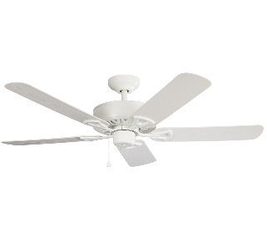 | Harbor Breeze | 1/2 full pallet
00813 | LW 52" Calera - Bronze | 60 | 52" Calera Ceiling without Lightkit (white)(3speed)(Light-kit adaptable)(Reverse function) | 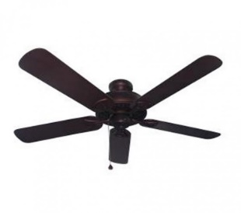 | Harbor Breeze | 43 units per pallet
00831 | Calera (BRNZ) Accesory LED Light-Kit (fluorescent) | 65 | Calera Universal Light-kit (Bronze finish) (fluorescent LK) (Opalescent Glass)(Energy Star) | 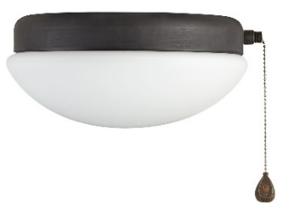 | Harbor Breeze | 1/2 full pallet
00832 | Calera (WH) 1-Light Fluorescent Light Kit 405016 | 90 | Calera (White finish) 1-Light Fluorescent Light Kit 405016 (Opalescent Glass)(Energy Star) |  | Harbor Breeze | 1/2 full pallet
250144 | 52" Builder Ceiling Fan | 180 | 52" Ceiling Fan (Oxford Silver finish) (Cherry / Med Oak blades)(Light-kit adaptable) (3speeds)(Reversible) | 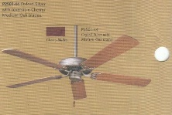 |  | 35 units per pallet
46796 | 52" Sibley Ceiling Fan | 100 | 52" Sibley (Vintage Brass finish)(3speed)(pullchain)(Light-kit included)(Reversible) | 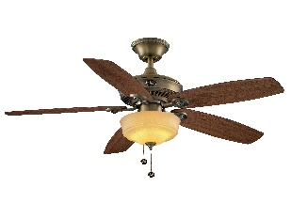 | HB | 35 units per pallet
99900 | 48" Madreno (Link) (LED) (outdoor) - ORB | 900 | 48" Madreno (Link) (LED) (outdoor) - ORB | 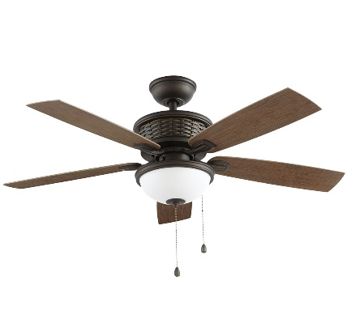 |  | 35 units per pallet

 |  | 1438

