Specification
 |  |  |  |  |  |  |  |  |  |  |  |  |  |  |  |  |  | UNISEX | 38 | 39 | 40 | 40,5 | 41 | 42 | 42,5 | 43 | 44 | 44,5 | 45 | 46 | 46,5 | 47 | 48 | 49 | 50
 |  |  |  |  |  |  |  |  |  |  |  |  |  |  |  |  |  | FEMALE | 36 | 37,5 | 38 | 38,5 | 39 | 40 | 40,5 | 41 | 42 | 42 | 43 | 44 | 44,5 | 45
 |  |  |  |  |  |  |  |  |  |  |  |  |  |  |  |  |  | MALE | 38 | 39 | 40 | 40,5 | 41 | 42 | 42,5 | 43 | 44 | 44,5 | 45 | 46 | 46,5 | 47 | 48 | 49 | 50
 |  |  |  |  |  |  |  |  |  |  |  |  |  |  |  |  |  | 564
SEASON | ARTICLE | IMAGE 1 | IMAGE 2 | IMAGE 3 | IMAGE 4 | COLOR | COLOR DESCRIPTION | PRODUCT NAME | SUPPL. DESCRIPTION | COMPOSITION 1 | PARENT GROUP | GENDER | BRAND | MADE IN | WHS | RRP | SIZE COUNT | QTY | 5.5 | 6.5 | 7 | 7.5 | 8 | 8.5 | 9 | 9.5 | 10 | 10.5 | 11 | 11.5 | 12 | 12.5 | 13 | 14 | 15
FW 2022 | S20601 | 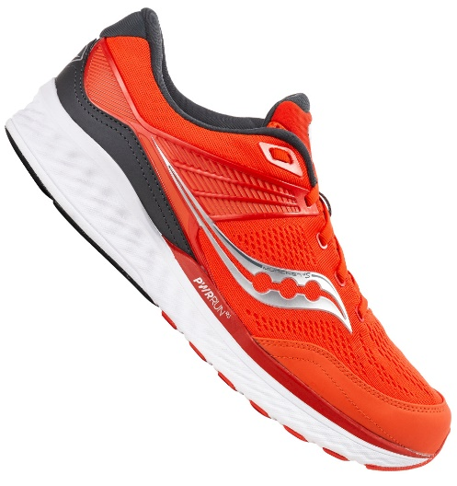 | 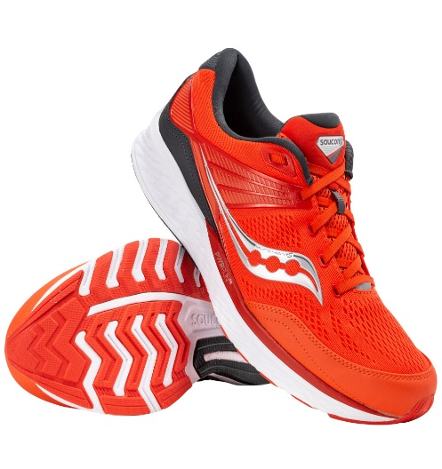 | 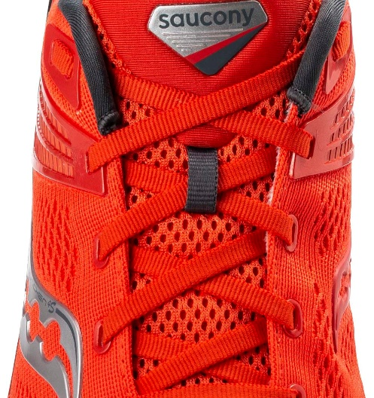 | 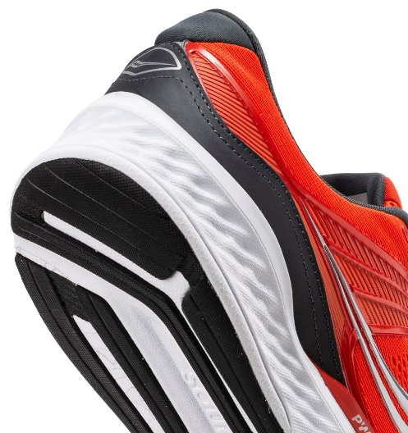 | 30 | FIRE/SCARLET | SNEAKERS | MUNCHEN 4S | UPPER: 76% TEXTILE 24% SYNTHETIC | ADULT | MALE | SAUCONY | VIETNAM | €70.45 | €150.00 | 1 | 1 |  |  |  |  |  |  |  |  |  |  |  |  | 1
FW 2022 | S20647 | 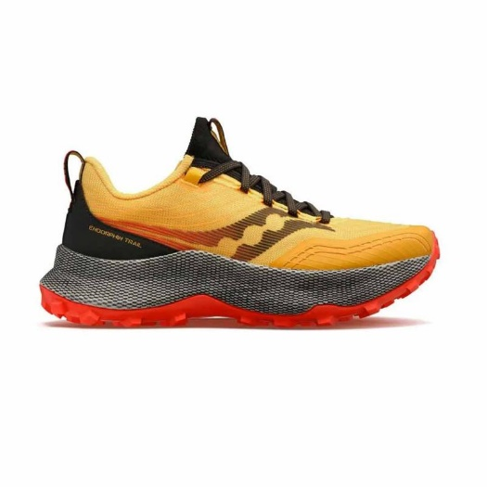 | 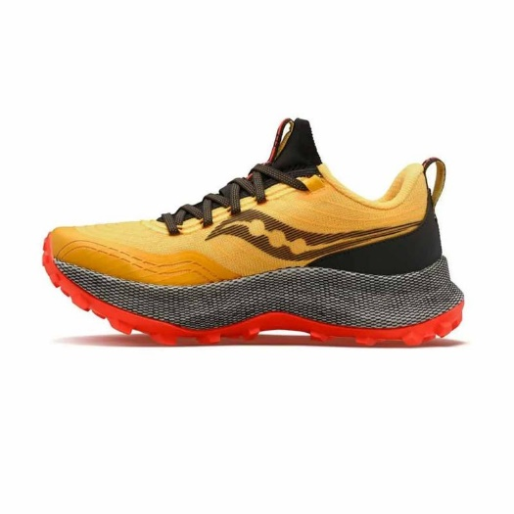 | 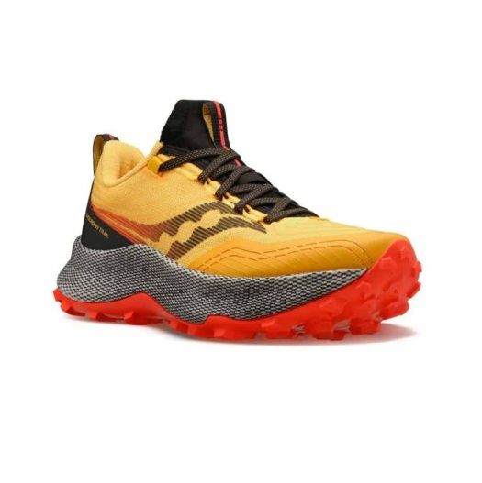 | 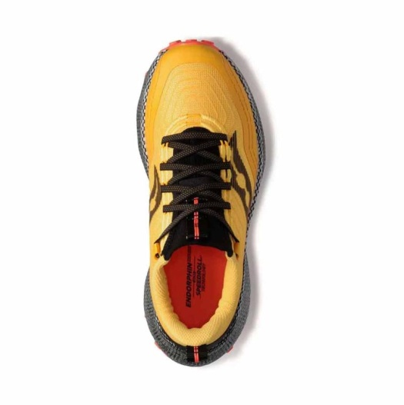 | 16 | JELLOW/RED | SNEAKERS | ENDORPHIN TRAIL | UPPER: 85.64% TEXTILE + 14.36% SYNTHETIC | ADULT | MALE | SAUCONY | VIETNAM | €90.00 | €180.00 | 4 | 98 |  |  |  |  |  |  |  |  |  |  | 44 | 22 | 30 | 2
FW 2022 | S20647 | 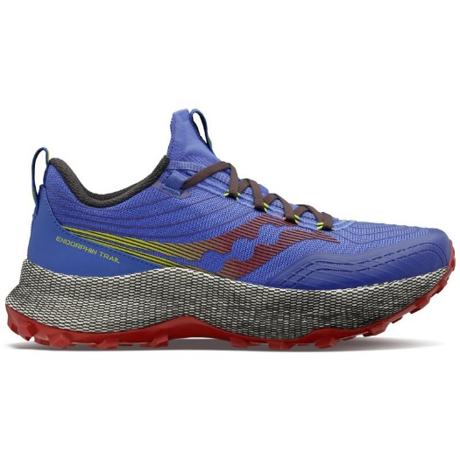 | 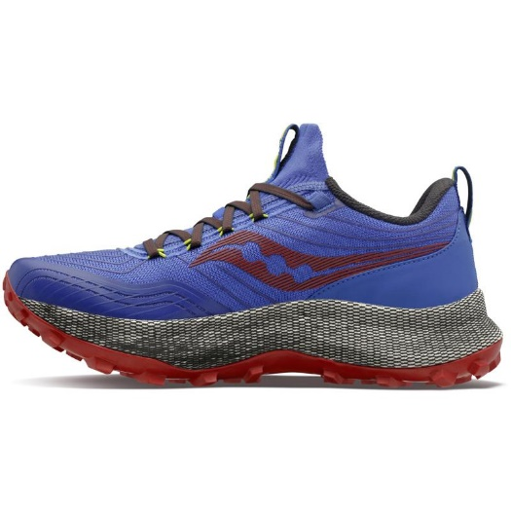 | 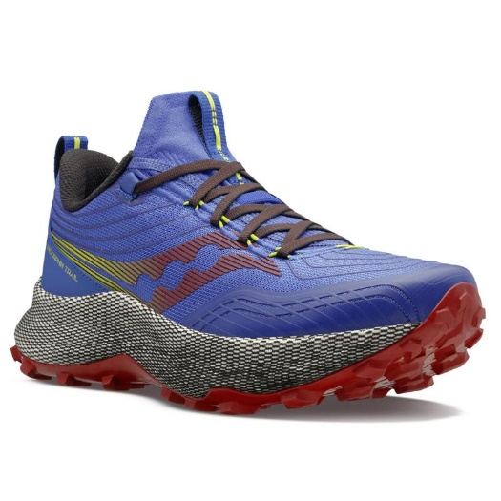 | 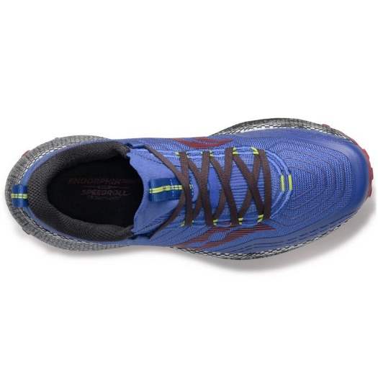 | 25 | BLUE RAZ/SPICE | SNEAKERS | ENDORPHIN TRAIL | UPPER: 85.64% TEXTILE + 14.36% SYNTHETIC | ADULT | MALE | SAUCONY | VIETNAM | €90.00 | €180.00 | 3 | 15 |  |  |  |  |  |  |  |  |  |  | 11 | 3 | 1
SS 2023 | S20759 | 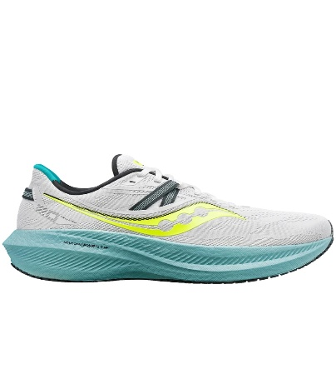 | 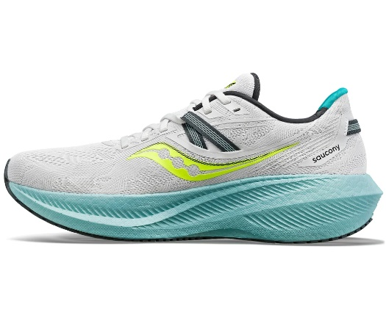 | 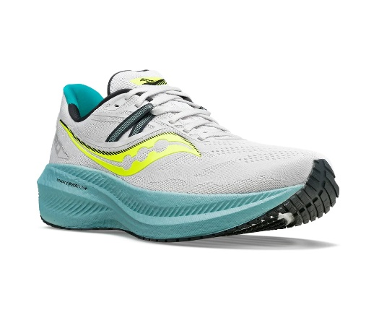 | 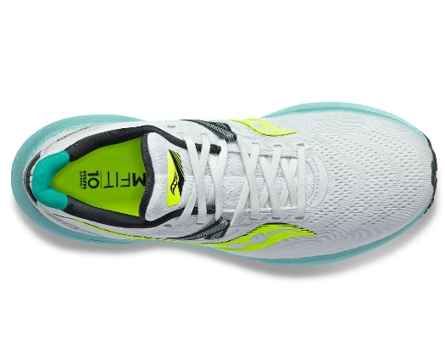 | 15 | FOG/MINERAL | SNEAKERS | TRIUMPH 20 | UPPER: 80% TEXTILE 18% THERMOPLASTIC POLYURETHANE 2% SYNTHETIC RUBBER | ADULT | MALE | SAUCONY | CHINA | €90.00 | €180.00 | 2 | 8 |  |  |  |  |  |  |  |  |  |  |  |  | 4 |  | 4
SS 2023 | S20759 | 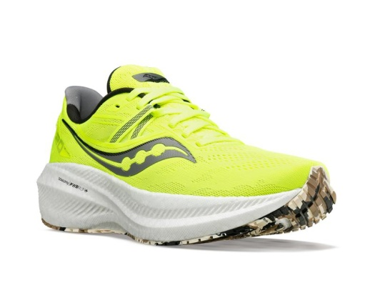 | 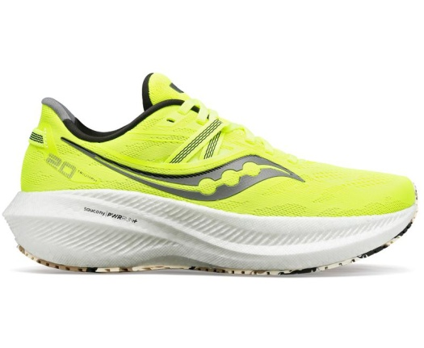 | 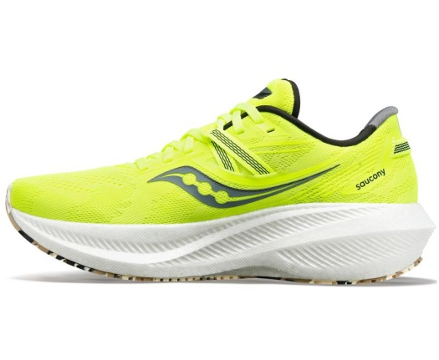 | 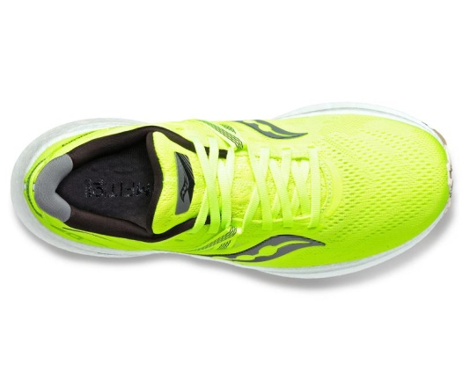 | 6 | CITRON/BLACK | SNEAKERS | TRIUMPH 20 | UPPER: 80% TEXTILE 18% THERMOPLASTIC POLYURETHANE 2% SYNTHETIC RUBBER | ADULT | MALE | SAUCONY | CHINA | €90.00 | €180.00 | 1 | 1 |  |  |  |  |  |  |  |  |  |  |  | 1
SS 2023 | S10646 | 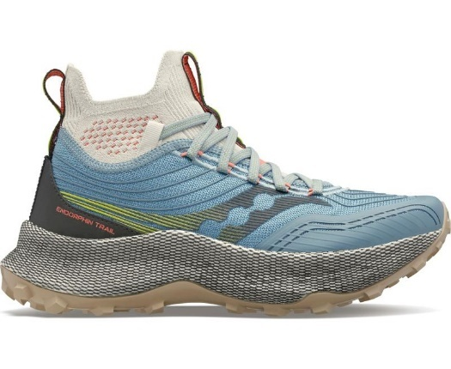 | 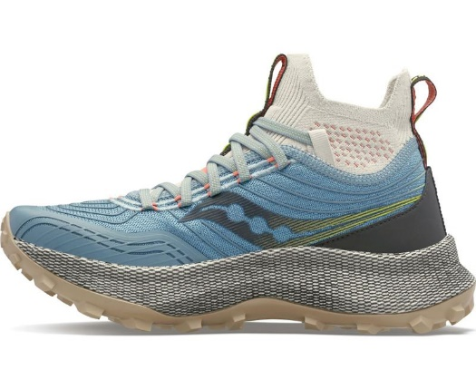 | 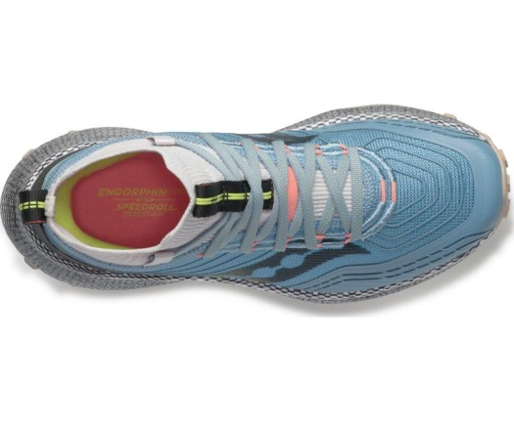 | 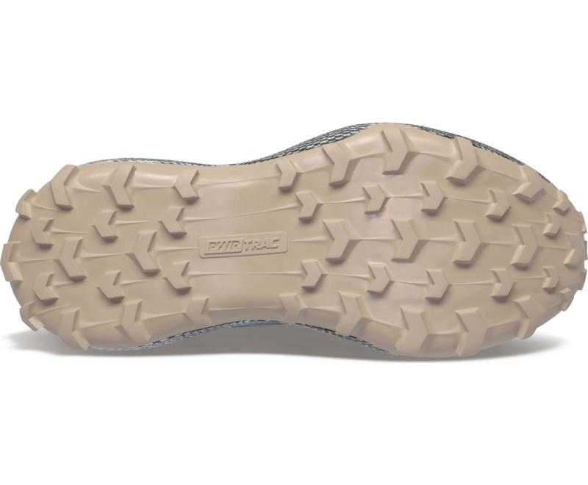 | 6 | SLATE/CORAL | SNEAKERS | ENDORPHIN TRAIL MID | UPPER: 87.85% TEXTILE 12.15% SYNTHETIC | ADULT | FEMALE | SAUCONY | VIETNAM | €95.00 | €190.00 | 7 | 345 |  |  | 31 | 58 | 78 | 76 | 69 | 31 | 2
SS 2023 | S10647 | 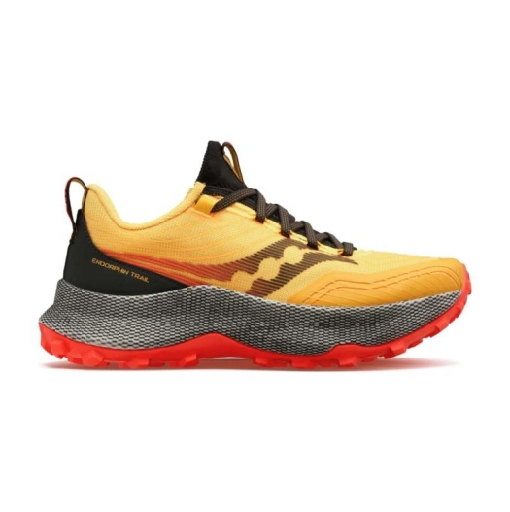 | 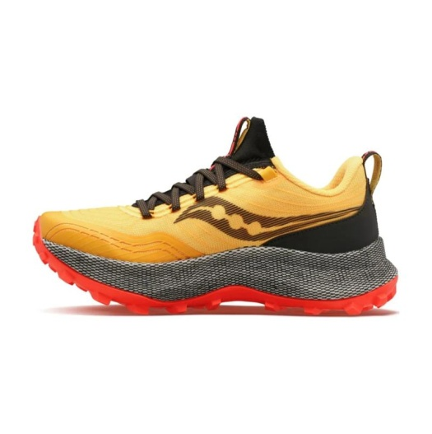 | 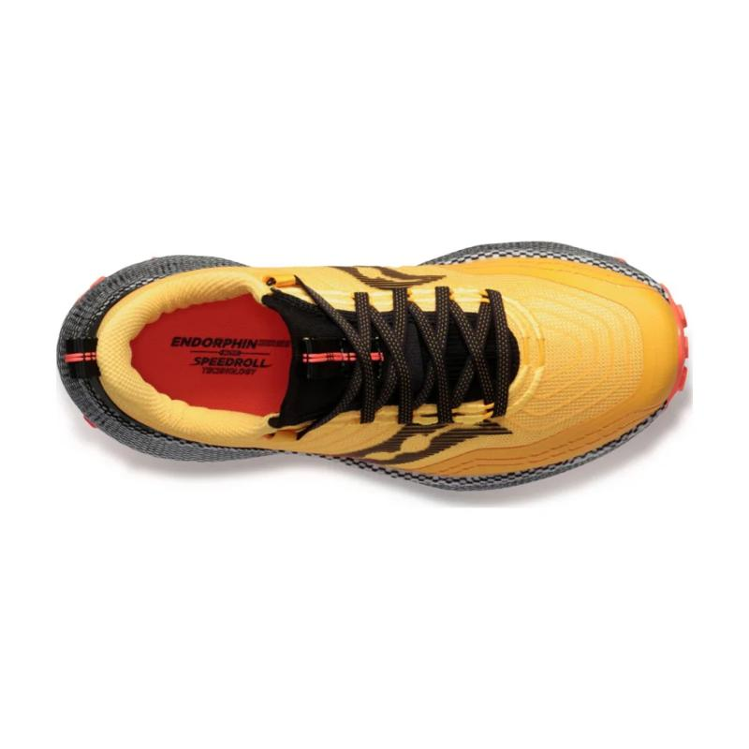 | 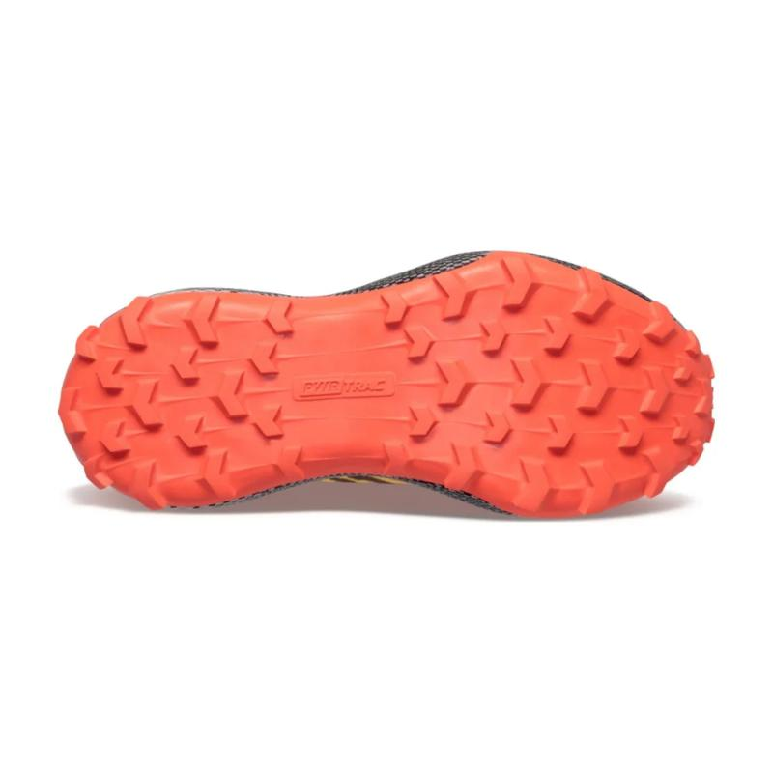 | 16 | GOLD/RED | SNEAKERS | ENDORPHIN TRAIL | UPPER: 85.64% TEXTILE + 14.36% SYNTHETIC | ADULT | FEMALE | SAUCONY | VIETNAM | €90.00 | €180.00 | 4 | 96 |  |  |  |  | 3 | 28 | 33 | 32

