Sheet1
 | Sleeping bag and pillow set for ages 5+
 | Perfect for camping in tents, cabins, RVs and more
 | THOMAS PAYNE COLLECTION~~ BY LIPPERT
 | Made from soft fabric with comfortable poly filling
 | Lightweight yet durable material
 | Zippered closure for convenience and heat retention
 | Available in three playful designs: Wilderness Animals, Road Trip, Summer Camp
 | Machine washable and dryer safe
 | FOB IN
 | COST $9.95 ~~~~~ RETAIL $44.95
 | Item dimensions: 67” x 62” / Blanket Size: 67" x 31" / Pillow 22" x 10"

LCI Part # | Description | UPC | Blow Out Price | Available Quantity | Ext Blow Out $ | Picture | Link for more information
2022107837 | KIDS SLEEPING BAG W/ PILLOW - ROAD TRIP | 848150-050359 | $6.95 | 5,299 | $36,828.05 | 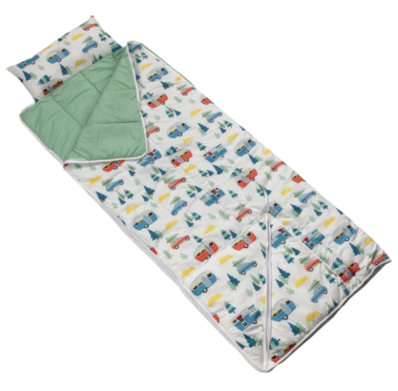 | Lippert Sleeping Bag for Children - Road Trip #2022107837 | Lippert
2022107838 | KIDS SLEEPING BAG W/ PILLOW - SUMMER CAMP | 848150-050397 | $6.95 | 5,155 | $35,827.25 | 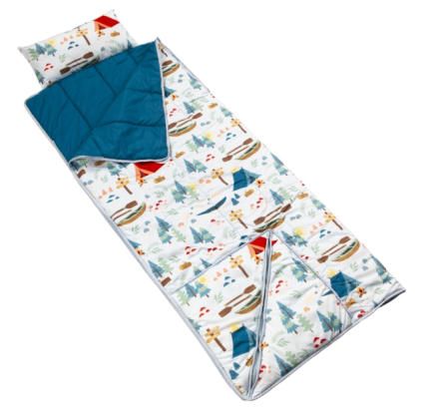 | Shop Lippert Sleeping Bags for Children | Lippert
2022107836 | KIDS SLEEPING BAG W/ PILLOW - WILDERNESS ANIMALS | 848150-050342 | $6.95 | 4,804 | $33,387.80 | 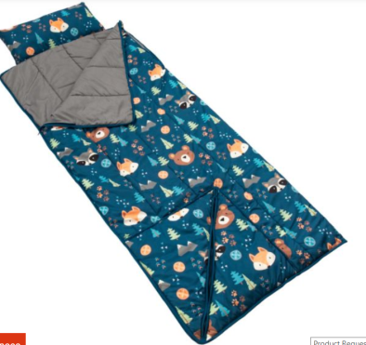 | Lippert Sleeping Bag for Children - Wilderness Animals #2022107836 | Lippert
 |  |  |  | 15,258

