Foglio1
 |  |  |  |  |  |  |  |  |  |  |  |  |  |  | 1485 |  |  |  | 98,315.20 €
Picture | Brand | Macrocategory | Category | Gender | Loc | Codice prodotto | Sku | Article name | Composition | Made In | Color code | Ean Code | Color description | SIZE | Qty | HS CODE | RRP | WHS | TOT WHS
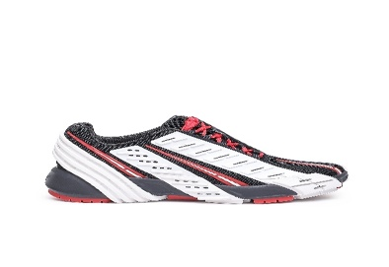 | Diesel | FOOTWEAR | Sneakers | F | 400 | Y02875P4462-H9011 | Y02875P4462-H9011-35 | PROTOTYPE S-PROTOTYPE LOW W SN | 68%PL 28%PU 4%EL | VN | Brilliant White/High Risk Red/Black Beauty | 8051385367211 | H9011 | 35 | 1 | 6404199000 | 250.00 € | 140.00 € | 140.00 €
 | Diesel | FOOTWEAR | Sneakers | F | 400 | Y02875P4802-H9307 | Y02875P4802-H9307-38 | PROTOTYPE S-PROTOTYPE LOW W SN | 68%PL 28%PU 4%EL | VN | Blanc de Blanc/Cloud Dancer/Mirage Grey/Neutral Gray | 8052105108312 | H9307 | 38 | 2 | 6404199000 | 375.00 € | 150.00 € | 300.00 €
 | Diesel | FOOTWEAR | Sneakers | F | 400 | Y02875P4802-H9307 | Y02875P4802-H9307-40 | PROTOTYPE S-PROTOTYPE LOW W SN | 68%PL 28%PU 4%EL | VN | Blanc de Blanc/Cloud Dancer/Mirage Grey/Neutral Gray | 8052105108343 | H9307 | 40 | 1 | 6404199000 | 375.00 € | 150.00 € | 150.00 €
 | Diesel | FOOTWEAR | Sneakers | F | 400 | Y02875P4802-H9308 | Y02875P4802-H9308-40 | PROTOTYPE S-PROTOTYPE LOW W SN | 68%PL 28%PU 4%EL | VN | Jet Black/Urban Chic/Antler Brown/Mauve Morn | 8052105108459 | H9308 | 40 | 1 | 6404199000 | 375.00 € | 150.00 € | 150.00 €
 | Diesel | FOOTWEAR | Sneakers | M | 400 | Y02876P4462-H9014 | Y02876P4462-H9014-41 | PROTOTYPE S-PROTOTYPE LOW SNEA | 68%PL 28%PU 4%EL | VN | Jet Black/Carrot/Silver | 8051385368232 | H9014 | 41 | 2 | 6404199000 | 250.00 € | 140.00 € | 280.00 €
 | Diesel | FOOTWEAR | Sneakers | M | 400 | Y02876P4462-H9014 | Y02876P4462-H9014-44 | PROTOTYPE S-PROTOTYPE LOW SNEA | 68%PL 28%PU 4%EL | VN | Jet Black/Carrot/Silver | 8051385368270 | H9014 | 44 | 1 | 6404199000 | 250.00 € | 140.00 € | 140.00 €
 | Diesel | FOOTWEAR | Sneakers | M | 400 | Y02876P4462-H9014 | Y02876P4462-H9014-46 | PROTOTYPE S-PROTOTYPE LOW SNEA | 68%PL 28%PU 4%EL | VN | Jet Black/Carrot/Silver | 8051385368300 | H9014 | 46 | 1 | 6404199000 | 250.00 € | 140.00 € | 140.00 €
 | Diesel | FOOTWEAR | Sneakers | M | 400 | Y02876P4462-H9303 | Y02876P4462-H9303-40 | PROTOTYPE S-PROTOTYPE LOW SNEA | 68%PL 28%PU 4%EL | VN | Limoges/Cherry Blossom/Harbor Mist/Jet Black | 8052105095148 | H9303 | 40 | 1 | 6404199000 | 250.00 € | 140.00 € | 140.00 €
 | Diesel | FOOTWEAR | Sneakers | M | 400 | Y02876P4462-H9303 | Y02876P4462-H9303-41 | PROTOTYPE S-PROTOTYPE LOW SNEA | 68%PL 28%PU 4%EL | VN | Limoges/Cherry Blossom/Harbor Mist/Jet Black | 8052105095162 | H9303 | 41 | 1 | 6404199000 | 250.00 € | 140.00 € | 140.00 €
 | Diesel | FOOTWEAR | Sneakers | M | 400 | Y02876P4462-H9303 | Y02876P4462-H9303-42 | PROTOTYPE S-PROTOTYPE LOW SNEA | 68%PL 28%PU 4%EL | VN | Limoges/Cherry Blossom/Harbor Mist/Jet Black | 8052105095179 | H9303 | 42 | 1 | 6404199000 | 250.00 € | 140.00 € | 140.00 €
 | Diesel | FOOTWEAR | Sneakers | M | 400 | Y02876P4462-H9303 | Y02876P4462-H9303-45 | PROTOTYPE S-PROTOTYPE LOW SNEA | 68%PL 28%PU 4%EL | VN | Limoges/Cherry Blossom/Harbor Mist/Jet Black | 8052105095223 | H9303 | 45 | 2 | 6404199000 | 250.00 € | 140.00 € | 280.00 €
 | Diesel | FOOTWEAR | Sneakers | M | 400 | Y02876P4462-H9304 | Y02876P4462-H9304-44 | PROTOTYPE S-PROTOTYPE LOW SNEA | 68%PL 28%PU 4%EL | VN | Rubine Red/Skyride/Jet Black | 8052105095315 | H9304 | 44 | 1 | 6404199000 | 250.00 € | 140.00 € | 140.00 €
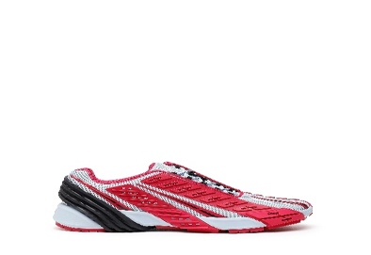 | Diesel | FOOTWEAR | Sneakers | M | 400 | Y02876P4462-H9304 | Y02876P4462-H9304-44.5 | PROTOTYPE S-PROTOTYPE LOW SNEA | 68%PL 28%PU 4%EL | VN | Rubine Red/Skyride/Jet Black | 8052105095322 | H9304 | 44.5 | 1 | 6404199000 | 250.00 € | 140.00 € | 140.00 €
 | Diesel | FOOTWEAR | Sneakers | M | 400 | Y02876P4462-H9305 | Y02876P4462-H9305-42.5 | PROTOTYPE S-PROTOTYPE LOW SNEA | 68%PL 28%PU 4%EL | VN | Red Alert/Glacier Gray/Star White | 8052105095407 | H9305 | 42.5 | 1 | 6404199000 | 250.00 € | 140.00 € | 140.00 €
 | Diesel | FOOTWEAR | Sneakers | M | 400 | Y02876P4802-H9306 | Y02876P4802-H9306-43 | PROTOTYPE S-PROTOTYPE LOW SNEA | 68%PL 28%PU 4%EL | CN | Sky Captain/Graystone/Roasted Pecan/Phantom Green | 8052105109098 | H9306 | 43 | 1 | 6404199000 | 375.00 € | 150.00 € | 150.00 €
 | Diesel | FOOTWEAR | Sneakers | M | 400 | Y02876P4802-H9306 | Y02876P4802-H9306-44.5 | PROTOTYPE S-PROTOTYPE LOW SNEA | 68%PL 28%PU 4%EL | VN | Sky Captain/Graystone/Roasted Pecan/Phantom Green | 8052105109111 | H9306 | 44.5 | 1 | 6404199000 | 375.00 € | 150.00 € | 150.00 €
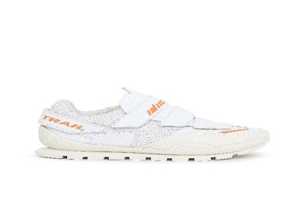 | Diesel | FOOTWEAR | Sneakers | F | 400 | Y02877P4432-H9005 | Y02877P4432-H9005-39 | PENDHIO S-PENDHIO LC W SNEAKER | 62%PU 38%PL | CN | Blanc/Flame Orange | 8051385368713 | H9005 | 39 | 1 | 6402999800 | 295.00 € | 118.00 € | 118.00 €
 | Diesel | FOOTWEAR | Sneakers | F | 400 | Y02877P4432-H9006 | Y02877P4432-H9006-39 | PENDHIO S-PENDHIO LC W SNEAKER | 62%PU 38%PL | CN | Mirage Gray/Jet Black/Diva Blue | 8051385368829 | H9006 | 39 | 1 | 6402999800 | 295.00 € | 118.00 € | 118.00 €
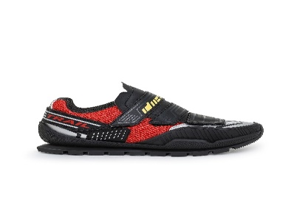 | Diesel | FOOTWEAR | Sneakers | F | 400 | Y02877P4432-H9007 | Y02877P4432-H9007-39 | PENDHIO S-PENDHIO LC W SNEAKER | 62%PU 38%PL | CN | Red Alert/Jet Black/Silver | 8051385368935 | H9007 | 39 | 2 | 6402999800 | 295.00 € | 118.00 € | 236.00 €
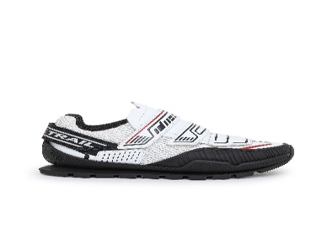 | Diesel | FOOTWEAR | Sneakers | F | 400 | Y02877P4432-H9008 | Y02877P4432-H9008-39 | PENDHIO S-PENDHIO LC W SNEAKER | 62%PU 38%PL | CN | Brilliant White/Jet Black | 8051385369048 | H9008 | 39 | 2 | 6402999800 | 295.00 € | 118.00 € | 236.00 €
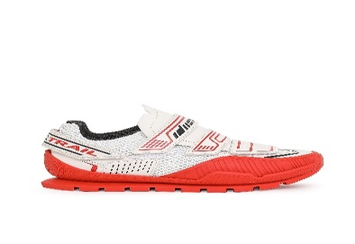 | Diesel | FOOTWEAR | Sneakers | F | 400 | Y02877P4432-H9009 | Y02877P4432-H9009-39 | PENDHIO S-PENDHIO LC W SNEAKER | 62%PU 38%PL | CN | Cherry Tomato/Eggnog | 8051385369154 | H9009 | 39 | 2 | 6402999800 | 295.00 € | 118.00 € | 236.00 €
 | Diesel | FOOTWEAR | Sneakers | F | 400 | Y02877P4432-H9294 | Y02877P4432-H9294-39 | PENDHIO S-PENDHIO LC W SNEAKER | 62%PU 38%PL | CN | Lemon Chrome/French Blue | 8052105095537 | H9294 | 39 | 1 | 6402999800 | 295.00 € | 118.00 € | 118.00 €
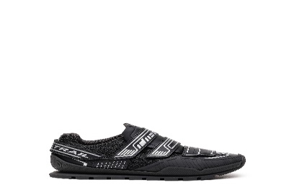 | Diesel | FOOTWEAR | Sneakers | F | 400 | Y02877P4432-H9295 | Y02877P4432-H9295-39 | PENDHIO S-PENDHIO LC W SNEAKER | 62%PU 38%PL | CN | Jet Black/Silver | 8052105095643 | H9295 | 39 | 1 | 6402999800 | 295.00 € | 118.00 € | 118.00 €
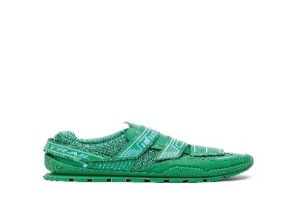 | Diesel | FOOTWEAR | Sneakers | F | 400 | Y02877P4432-H9296 | Y02877P4432-H9296-39 | PENDHIO S-PENDHIO LC W SNEAKER | 62%PU 38%PL | CN | Fern Green/Blue Radiance | 8052105095759 | H9296 | 39 | 1 | 6402999800 | 295.00 € | 118.00 € | 118.00 €
 | Diesel | FOOTWEAR | Sneakers | F | 400 | Y02877P4432-H9297 | Y02877P4432-H9297-39 | PENDHIO S-PENDHIO LC W SNEAKER | 62%PU 38%PL | CN | Star White/Cherry Tomato | 8052105095865 | H9297 | 39 | 1 | 6402999800 | 295.00 € | 118.00 € | 118.00 €
 | Diesel | FOOTWEAR | Sneakers | M | 400 | Y02878P4432-H9008 | Y02878P4432-H9008-40 | PENDHIO S-PENDHIO LC SNEAKERS | 62%PU 38%PL | VN | Brilliant White/Jet Black | 8051385369642 | H9008 | 40 | 1 | 6402999600 | 295.00 € | 118.00 € | 118.00 €
 | Diesel | FOOTWEAR | Sneakers | M | 400 | Y02878P4432-H9008 | Y02878P4432-H9008-41 | PENDHIO S-PENDHIO LC SNEAKERS | 62%PU 38%PL | VN | Brilliant White/Jet Black | 8051385369666 | H9008 | 41 | 1 | 6402999600 | 295.00 € | 118.00 € | 118.00 €
 | Diesel | FOOTWEAR | Sneakers | M | 400 | Y02878P4432-H9295 | Y02878P4432-H9295-43 | PENDHIO S-PENDHIO LC SNEAKERS | 62%PU 38%PL | VN | Jet Black/Silver | 8051385995100 | H9295 | 43 | 1 | 6402999600 | 295.00 € | 118.00 € | 118.00 €
 | Diesel | FOOTWEAR | Sneakers | M | 400 | Y02900P4624-H9299 | Y02900P4624-H9299-41 | PENDHIO PENDHIO SOCK SNEAKERS | 51%PL 49%PU | VN | Red Alert/Blazing Orange | 8052105110056 | H9299 | 41 | 1 | 6404199000 | 325.00 € | 130.00 € | 130.00 €
 | Diesel | FOOTWEAR | Sneakers | M | 400 | Y02900P4624-H9299 | Y02900P4624-H9299-42 | PENDHIO PENDHIO SOCK SNEAKERS | 51%PL 49%PU | VN | Red Alert/Blazing Orange | 8052105110063 | H9299 | 42 | 1 | 6404199000 | 325.00 € | 130.00 € | 130.00 €
 | Diesel | FOOTWEAR | Sneakers | M | 400 | Y02900P4624-H9299 | Y02900P4624-H9299-43 | PENDHIO PENDHIO SOCK SNEAKERS | 51%PL 49%PU | VN | Red Alert/Blazing Orange | 8052105110087 | H9299 | 43 | 1 | 6404199000 | 325.00 € | 130.00 € | 130.00 €
 | Diesel | FOOTWEAR | Sneakers | M | 400 | Y02900P4624-H9299 | Y02900P4624-H9299-44 | PENDHIO PENDHIO SOCK SNEAKERS | 51%PL 49%PU | VN | Red Alert/Blazing Orange | 8052105110094 | H9299 | 44 | 1 | 6404199000 | 325.00 € | 130.00 € | 130.00 €
 | Diesel | FOOTWEAR | Sneakers | M | 400 | Y02911P4910-H9816 | Y02911P4910-H9816-41 | PROTOTYPE S-PROTOTYPE-CR SNEAK | 68%PL 17%PU 12%PMU 3%THERMOPLASTIC POLYU | VN | Cloisonnè Blue/Jet Black/Midnight Sail | 8059038731419 | H9816 | 41 | 1 | 6404199000 | 425.00 € | 170.00 € | 170.00 €
 | Diesel | FOOTWEAR | Sneakers | F | 400 | Y02927P4910-H9354 | Y02927P4910-H9354-37 | PROTOTYPE S-PROTOTYPE-CR W SN | 68%PL 17%PU 12%PMU 3%THERMOPLASTIC POLYU | VN | Sunny Lime/Jet Black | 8052105230914 | H9354 | 37 | 1 | 6404199000 | 425.00 € | 170.00 € | 170.00 €
 | Diesel | FOOTWEAR | Sneakers | F | 400 | Y02927P4910-H9354 | Y02927P4910-H9354-39 | PROTOTYPE S-PROTOTYPE-CR W SN | 68%PL 17%PU 12%PMU 3%THERMOPLASTIC POLYU | CN | Sunny Lime/Jet Black | 8052105230945 | H9354 | 39 | 1 | 6404199000 | 425.00 € | 170.00 € | 170.00 €
 | Diesel | FOOTWEAR | Sneakers | F | 400 | Y02927P4910-H9354 | Y02927P4910-H9354-40 | PROTOTYPE S-PROTOTYPE-CR W SN | 68%PL 17%PU 12%PMU 3%THERMOPLASTIC POLYU | VN | Sunny Lime/Jet Black | 8052105230952 | H9354 | 40 | 1 | 6404199000 | 425.00 € | 170.00 € | 170.00 €
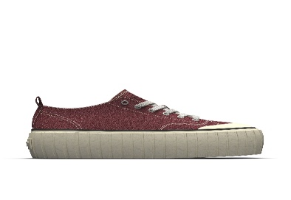 | Diesel | FOOTWEAR | Sneakers | U | 400 | Y02969PS416-T5283 | Y02969PS416-T5283-35 | HANAMI S-HANAMI LOW X SNEAKERS | 66%CO 34%PL | VN | Cabernet | 8052105159499 | T5283 | 35 | 15 | 6404199000 | 160.00 € | 64.00 € | 960.00 €
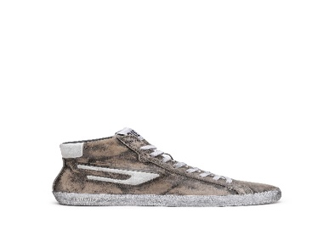 | Diesel | FOOTWEAR | Sneakers | U | 400 | Y02970P4792-H9226 | Y02970P4792-H9226-38 | LEROJI S-LEROJI MID X SNEAKERS | 100%PMU | VN | Beige/Mulch/White | 8052105160808 | H9226 | 38 | 1 | 6403911690 | 275.00 € | 110.00 € | 110.00 €
 | Diesel | FOOTWEAR | Sneakers | U | 400 | Y02970P4792-H9226 | Y02970P4792-H9226-44 | LEROJI S-LEROJI MID X SNEAKERS | 100%PMU | VN | Beige/Mulch/White | 8052105160891 | H9226 | 44 | 2 | 6403911690 | 275.00 € | 110.00 € | 220.00 €
 | Diesel | FOOTWEAR | Sneakers | U | 400 | Y02970P4792-H9226 | Y02970P4792-H9226-45 | LEROJI S-LEROJI MID X SNEAKERS | 100%PMU | VN | Beige/Mulch/White | 8052105160914 | H9226 | 45 | 3 | 6403911690 | 275.00 € | 110.00 € | 330.00 €
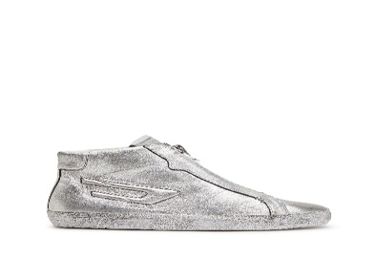 | Diesel | FOOTWEAR | Sneakers | M | 400 | Y03037PS863-H0535 | Y03037PS863-H0535-42 | LEROJI S-LEROJI ZIP MID SNEAKE | 100%PMU | VN | Silver | 8052105792115 | H0535 | 42 | 1 | 6403911690 | 275.00 € | 110.00 € | 110.00 €
 | Diesel | FOOTWEAR | Sneakers | M | 400 | Y03037PS863-H0535 | Y03037PS863-H0535-43 | LEROJI S-LEROJI ZIP MID SNEAKE | 100%PMU | VN | Silver | 8052105792139 | H0535 | 43 | 1 | 6403911690 | 275.00 € | 110.00 € | 110.00 €
 | Diesel | FOOTWEAR | Sneakers | M | 400 | Y03037PS863-H5077 | Y03037PS863-H5077-41 | LEROJI S-LEROJI ZIP MID SNEAKE | 100%PMU | VN | Metallic Black | 8052105792214 | H5077 | 41 | 3 | 6403911690 | 275.00 € | 110.00 € | 330.00 €
 | Diesel | FOOTWEAR | Sneakers | M | 400 | Y03037PS863-H5077 | Y03037PS863-H5077-44 | LEROJI S-LEROJI ZIP MID SNEAKE | 100%PMU | VN | Metallic Black | 8052105792252 | H5077 | 44 | 1 | 6403911690 | 275.00 € | 110.00 € | 110.00 €
 | Diesel | FOOTWEAR | Sneakers | U | 400 | Y03061P5137-H9438 | Y03061P5137-H9438-43 | RACER S-RACER LC X SNEAKERS | capsole (cemented) | VN | Jet Black/Sunny Lime | 8052105795857 | H9438 | 43 | 1 | 6403999690 | 185.00 € | 74.00 € | 74.00 €
 | Diesel | FOOTWEAR | Sneakers | F | 400 | Y03196PR494-H9746 | Y03196PR494-H9746-35.5 | UKIYO S-UKIYO LOW W SNEAKERS | 100%PMU | VN | White/Pink | 8059038156670 | H9746 | 35.5 | 2 | 6403999890 | 195.00 € | 78.00 € | 156.00 €
 | Diesel | FOOTWEAR | Sneakers | F | 400 | Y01752P1729-H6765 | Y01752P1729-H6765-35 | CLEVER S-CLEVER LOW W SNEAKERS | 100%PMU | VN | White/Lemon Chrome | 8053837161187 | H6765 | 35 | 2 | 6403999890 | 120.00 € | 48.00 € | 96.00 €
 | Diesel | FOOTWEAR | Boots | F | 400 | Y01854PR013-T8013 | Y01854PR013-T8013-37 | "GIUDECCA" D-GIUDECCA MA - ank | 100%PMU | PT | Black | 8053837747206 | T8013 | 37 | 1 | 6403511900 | 300.00 € | 120.00 € | 120.00 €
 | Diesel | FOOTWEAR | Boots | F | 400 | Y01854PR013-T8013 | Y01854PR013-T8013-40 | "GIUDECCA" D-GIUDECCA MA - ank | 100%PMU | PT | Black | 8053837747237 | T8013 | 40 | 1 | 6403511900 | 300.00 € | 120.00 € | 120.00 €
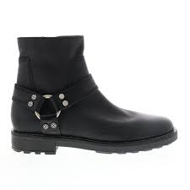 | Diesel | FOOTWEAR | Boots | M | 400 | Y02021PR030-T8013 | Y02021PR030-T8013-46 | THROUPER D-THROUPER AB | 100%PMU | BA | Black | 8055511903687 | T8013 | 46 | 1 | 6403911690 | 280.00 € | 112.00 € | 112.00 €
 | Diesel | FOOTWEAR | Boots | F | 400 | Y02524P3850-H2259 | Y02524P3850-H2259-39 | JAYNET JAYNET CH BOOTS | 81%PMU 19%PL | CN | Vaporous Grey/Black | 8059010758038 | H2259 | 39 | 1 | 6403911890 | 490.00 € | 189.00 € | 189.00 €
 | Diesel | FOOTWEAR | Boots | M | 400 | Y02571P3853-T8013 | Y02571P3853-T8013-40 | KONBA D-KONBA CB BOOTS | 100%PMU | CN | Black | 8059010762233 | T8013 | 40 | 1 | 6403911690 | 350.00 € | 140.00 € | 140.00 €
 | Diesel | FOOTWEAR | Boots | M | 400 | Y02571P3853-T8013 | Y02571P3853-T8013-43 | KONBA D-KONBA CB BOOTS | 100%PMU | CN | Black | 8059010762264 | T8013 | 43 | 1 | 6403911690 | 350.00 € | 140.00 € | 140.00 €
 | Diesel | FOOTWEAR | Boots | F | 400 | Y02696PR516-T8013 | Y02696PR516-T8013-38 | TEXANNE D-TEXANNE BT BOOTS | 100%PMU | CN | Black | 8057718757933 | T8013 | 38 | 5 | 6403919800 | 350.00 € | 140.00 € | 700.00 €
 | Diesel | FOOTWEAR | Boots | F | 400 | Y02709P3923-T2289 | Y02709P3923-T2289-37 | YUCCA D-YUCCA AB BOOTS | 100%PU | CN | Sudan Brown | 8057718502144 | T2289 | 37 | 1 | 6405901000 | 300.00 € | 120.00 € | 120.00 €
 | Diesel | FOOTWEAR | Boots | F | 400 | Y02709P3923-T2289 | Y02709P3923-T2289-38 | YUCCA D-YUCCA AB BOOTS | 100%PU | CN | Sudan Brown | 8057718502151 | T2289 | 38 | 1 | 6405901000 | 300.00 € | 120.00 € | 120.00 €
 | Diesel | FOOTWEAR | Boots | F | 400 | Y02709P3923-T5151 | Y02709P3923-T5151-40 | YUCCA D-YUCCA AB BOOTS | 100%PU | CN | Mysterioso | 8057718565972 | T5151 | 40 | 1 | 6405901000 | 300.00 € | 120.00 € | 120.00 €
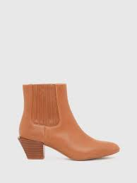 | Diesel | FOOTWEAR | Boots | F | 400 | Y02733PR516-T2289 | Y02733PR516-T2289-40 | TEXANNE D-TEXANNE CH BOOTS | 100%PMU | CN | Sudan Brown | 8057718763941 | T2289 | 40 | 2 | 6403911890 | 290.00 € | 116.00 € | 232.00 €
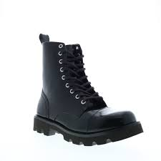 | Diesel | FOOTWEAR | Boots | M | 400 | Y02849P4471-T8013 | Y02849P4471-T8013-43 | KONBA D-KONBA MB BOOTS | 100%PMU | CN | Black | 8051385370457 | T8013 | 43 | 1 | 6403911690 | 350.00 € | 140.00 € | 140.00 €
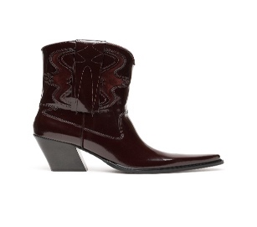 | Diesel | FOOTWEAR | Boots | F | 400 | Y02858P4470-T5081 | Y02858P4470-T5081-35 | WESTERN D-WESTERN BOOTS | 100%PMU | IT | Winetasting | 8051385356901 | T5081 | 35 | 1 | 6403519900 | 450.00 € | 180.00 € | 180.00 €
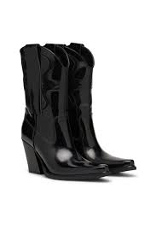 | Diesel | FOOTWEAR | Boots | F | 400 | Y02858P4470-T8013 | Y02858P4470-T8013-35 | WESTERN D-WESTERN BOOTS | 100%PMU | IT | Black | 8051385356970 | T8013 | 35 | 1 | 6403519900 | 450.00 € | 180.00 € | 180.00 €
 | Diesel | FOOTWEAR | Boots | F | 400 | Y02858P4470-T8013 | Y02858P4470-T8013-37 | WESTERN D-WESTERN BOOTS | 100%PMU | IT | Black | 8051385356994 | T8013 | 37 | 3 | 6403519900 | 450.00 € | 180.00 € | 540.00 €
 | Diesel | FOOTWEAR | Boots | F | 400 | Y02858P4470-T8013 | Y02858P4470-T8013-39 | WESTERN D-WESTERN BOOTS | 100%PMU | IT | Black | 8051385357014 | T8013 | 39 | 4 | 6403519900 | 450.00 € | 180.00 € | 720.00 €
 | Diesel | FOOTWEAR | Boots | F | 400 | Y02858P4470-T8013 | Y02858P4470-T8013-40 | WESTERN D-WESTERN BOOTS | 100%PMU | IT | Black | 8051385357021 | T8013 | 40 | 2 | 6403519900 | 450.00 € | 180.00 € | 360.00 €
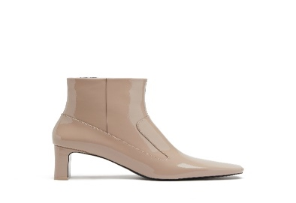 | Diesel | FOOTWEAR | Boots | F | 400 | Y02860P1966-T2192 | Y02860P1966-T2192-39 | MILLENIA D-MILLENIA BOOTS | 90%PMU 10%PL | CN | Chanterelle | 8052105774746 | T2192 | 39 | 1 | 6403911890 | 325.00 € | 130.00 € | 130.00 €
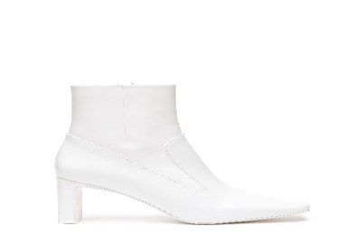 | Diesel | FOOTWEAR | Boots | F | 400 | Y02860PR035-T1038 | Y02860PR035-T1038-36 | MILLENIA D-MILLENIA BOOTS | 90%PMU 10%PL | CN | Brilliant White | 8052105084241 | T1038 | 36 | 6 | 6403911890 | 295.00 € | 118.00 € | 708.00 €
 | Diesel | FOOTWEAR | Boots | F | 400 | Y02860PR035-T1038 | Y02860PR035-T1038-37 | MILLENIA D-MILLENIA BOOTS | 90%PMU 10%PL | CN | Brilliant White | 8052105084258 | T1038 | 37 | 7 | 6403911890 | 295.00 € | 118.00 € | 826.00 €
 | Diesel | FOOTWEAR | Boots | F | 400 | Y02860PR035-T1038 | Y02860PR035-T1038-38 | MILLENIA D-MILLENIA BOOTS | 90%PMU 10%PL | CN | Brilliant White | 8052105084265 | T1038 | 38 | 9 | 6403911890 | 295.00 € | 118.00 € | 1,062.00 €
 | Diesel | FOOTWEAR | Boots | F | 400 | Y02860PR035-T1038 | Y02860PR035-T1038-39 | MILLENIA D-MILLENIA BOOTS | 90%PMU 10%PL | CN | Brilliant White | 8052105084272 | T1038 | 39 | 6 | 6403911890 | 295.00 € | 118.00 € | 708.00 €
 | Diesel | FOOTWEAR | Boots | F | 400 | Y02860PR035-T3136 | Y02860PR035-T3136-35 | MILLENIA D-MILLENIA BOOTS | 90%PMU 10%PL | CN | Celosia Orange | 8052105084302 | T3136 | 35 | 2 | 6403911890 | 295.00 € | 118.00 € | 236.00 €
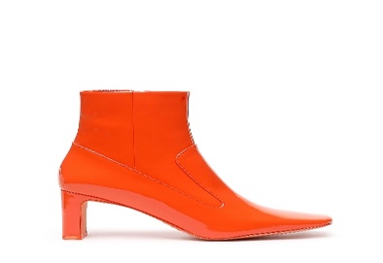 | Diesel | FOOTWEAR | Boots | F | 400 | Y02860PR035-T3136 | Y02860PR035-T3136-36 | MILLENIA D-MILLENIA BOOTS | 90%PMU 10%PL | CN | Celosia Orange | 8052105084319 | T3136 | 36 | 6 | 6403911890 | 295.00 € | 118.00 € | 708.00 €
 | Diesel | FOOTWEAR | Boots | F | 400 | Y02860PR035-T3136 | Y02860PR035-T3136-37 | MILLENIA D-MILLENIA BOOTS | 90%PMU 10%PL | CN | Celosia Orange | 8052105084326 | T3136 | 37 | 9 | 6403911890 | 295.00 € | 118.00 € | 1,062.00 €
 | Diesel | FOOTWEAR | Boots | F | 400 | Y02860PR035-T3136 | Y02860PR035-T3136-38 | MILLENIA D-MILLENIA BOOTS | 90%PMU 10%PL | CN | Celosia Orange | 8052105084333 | T3136 | 38 | 8 | 6403911890 | 295.00 € | 118.00 € | 944.00 €
 | Diesel | FOOTWEAR | Boots | F | 400 | Y02860PR035-T3136 | Y02860PR035-T3136-39 | MILLENIA D-MILLENIA BOOTS | 90%PMU 10%PL | CN | Celosia Orange | 8052105084340 | T3136 | 39 | 8 | 6403911890 | 295.00 € | 118.00 € | 944.00 €
 | Diesel | FOOTWEAR | Boots | F | 400 | Y02860PR035-T3136 | Y02860PR035-T3136-40 | MILLENIA D-MILLENIA BOOTS | 90%PMU 10%PL | CN | Celosia Orange | 8052105084357 | T3136 | 40 | 5 | 6403911890 | 295.00 € | 118.00 € | 590.00 €
 | Diesel | FOOTWEAR | Boots | F | 400 | Y02860PR035-T3136 | Y02860PR035-T3136-41 | MILLENIA D-MILLENIA BOOTS | 90%PMU 10%PL | CN | Celosia Orange | 8052105084364 | T3136 | 41 | 1 | 6403911890 | 295.00 € | 118.00 € | 118.00 €
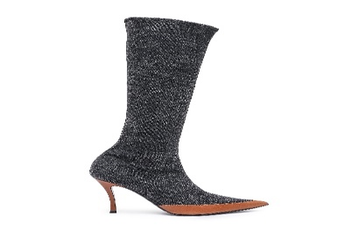 | Diesel | FOOTWEAR | Boots | F | 400 | Y02917P4734-T8013 | Y02917P4734-T8013-37 | VENUS D-VENUS KBT BOOTS | 79%CO 17%MD 3%EME 1%EA | IT | Black | 8051385640451 | T8013 | 37 | 4 | 6404199000 | 490.00 € | 196.00 € | 784.00 €
 | Diesel | FOOTWEAR | Boots | F | 400 | Y02917P4734-T8013 | Y02917P4734-T8013-40 | VENUS D-VENUS KBT BOOTS | 79%CO 17%MD 3%EME 1%EA | IT | Black | 8051385640482 | T8013 | 40 | 2 | 6404199000 | 490.00 € | 196.00 € | 392.00 €
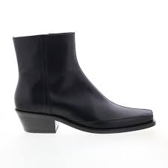 | Diesel | FOOTWEAR | Boots | M | 400 | Y02931PR030-T8013 | Y02931PR030-T8013-44 | SANTIAGO D-SANTIAGO BT BOOTS | 100%PMU | IT | Black | 8052105258574 | T8013 | 44 | 2 | 6403511500 | 650.00 € | 260.00 € | 520.00 €
 | Diesel | FOOTWEAR | Boots | M | 400 | Y02931PR030-T8013 | Y02931PR030-T8013-46 | SANTIAGO D-SANTIAGO BT BOOTS | 100%PMU | IT | Black | 8052105258598 | T8013 | 46 | 1 | 6403511500 | 650.00 € | 260.00 € | 260.00 €
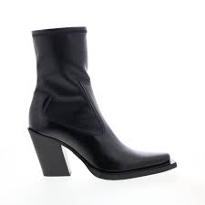 | Diesel | FOOTWEAR | Boots | F | 400 | Y02955P0220-T8013 | Y02955P0220-T8013-36 | WESTERN D-WESTERN SBT SHOES | 50%PMU 25%PU 25%PL | IT | Black | 8052105166152 | T8013 | 36 | 1 | 6403911890 | 425.00 € | 170.00 € | 170.00 €
 | Diesel | FOOTWEAR | Boots | F | 400 | Y02955P0220-T8013 | Y02955P0220-T8013-37 | WESTERN D-WESTERN SBT SHOES | 50%PMU 25%PU 25%PL | IT | Black | 8052105166169 | T8013 | 37 | 1 | 6403911890 | 425.00 € | 170.00 € | 170.00 €
 | Diesel | FOOTWEAR | Boots | F | 400 | Y02955P0220-T8013 | Y02955P0220-T8013-38 | WESTERN D-WESTERN SBT SHOES | 50%PMU 25%PU 25%PL | IT | Black | 8052105166176 | T8013 | 38 | 1 | 6403911890 | 425.00 € | 170.00 € | 170.00 €
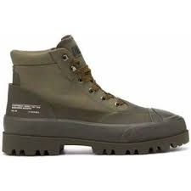 | Diesel | FOOTWEAR | Boots | U | 400 | Y02964P0187-T7429 | Y02964P0187-T7429-46 | HIKO D-HIKO BT X BOOTS | 100%PL | VN | Military Olive | 8052105153008 | T7429 | 46 | 1 | 6404199000 | 325.00 € | 130.00 € | 130.00 €
 | Diesel | FOOTWEAR | Boots | U | 400 | Y02964P0187-T8013 | Y02964P0187-T8013-39 | HIKO D-HIKO BT X BOOTS | 100%PL | VN | Black | 8052105153084 | T8013 | 39 | 1 | 6404199000 | 325.00 € | 130.00 € | 130.00 €
 | Diesel | FOOTWEAR | Boots | U | 400 | Y02964P0187-T8013 | Y02964P0187-T8013-40 | HIKO D-HIKO BT X BOOTS | 100%PL | VN | Black | 8052105153091 | T8013 | 40 | 1 | 6404199000 | 325.00 € | 130.00 € | 130.00 €
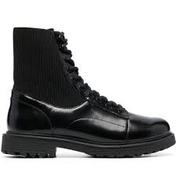 | Diesel | FOOTWEAR | Boots | M | 400 | Y02989P4471-T8013 | Y02989P4471-T8013-42 | ALABHAMA D-ALABHAMA BT BOOTS | 70%PMU 30%PL | CN | Black | 8052105085576 | T8013 | 42 | 1 | 6403911690 | 325.00 € | 130.00 € | 130.00 €
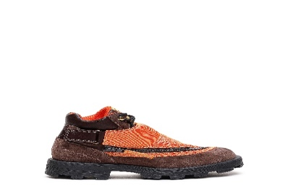 | Diesel | FOOTWEAR | Boots | M | 400 | Y03000P2590-T2345 | Y03000P2590-T2345-44 | HAMMER D-HAMMER MB BOOTS | 77%PMU 23%PL | CN | Rain Drum | 8052105167494 | T2345 | 44 | 1 | 6403911690 | 375.00 € | 150.00 € | 150.00 €
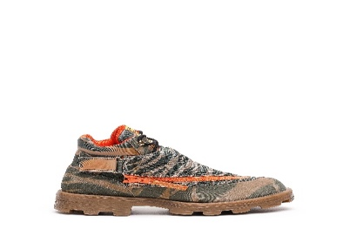 | Diesel | FOOTWEAR | Boots | M | 400 | Y03000P4819-H6376 | Y03000P4819-H6376-41 | HAMMER D-HAMMER MB BOOTS | 77%PMU 23%PL | CN | Multicolor Army | 8052105167623 | H6376 | 41 | 2 | 6403911690 | 375.00 € | 150.00 € | 300.00 €
 | Diesel | FOOTWEAR | Boots | M | 400 | Y03000P4819-H6376 | Y03000P4819-H6376-42 | HAMMER D-HAMMER MB BOOTS | 77%PMU 23%PL | CN | Multicolor Army | 8052105167630 | H6376 | 42 | 3 | 6403911690 | 375.00 € | 150.00 € | 450.00 €
 | Diesel | FOOTWEAR | Boots | M | 400 | Y03000P4819-H6376 | Y03000P4819-H6376-43 | HAMMER D-HAMMER MB BOOTS | 77%PMU 23%PL | CN | Multicolor Army | 8052105167647 | H6376 | 43 | 1 | 6403911690 | 375.00 € | 150.00 € | 150.00 €
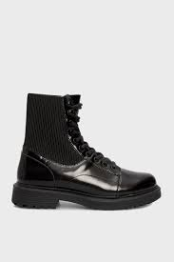 | Diesel | FOOTWEAR | Boots | F | 400 | Y03001P4471-T8013 | Y03001P4471-T8013-36 | ALABHAMA D-ALABHAMA BT W BOOTS | 70%PMU 30%PL | CN | Black | 8052105085866 | T8013 | 36 | 2 | 6403911890 | 325.00 € | 130.00 € | 260.00 €
 | Diesel | FOOTWEAR | Boots | F | 400 | Y03001P4471-T8013 | Y03001P4471-T8013-37 | ALABHAMA D-ALABHAMA BT W BOOTS | 70%PMU 30%PL | CN | Black | 8052105085873 | T8013 | 37 | 1 | 6403911890 | 325.00 € | 130.00 € | 130.00 €
 | Diesel | FOOTWEAR | Boots | F | 400 | Y03001P4471-T8013 | Y03001P4471-T8013-40 | ALABHAMA D-ALABHAMA BT W BOOTS | 70%PMU 30%PL | CN | Black | 8052105085903 | T8013 | 40 | 1 | 6403911890 | 325.00 € | 130.00 € | 130.00 €
 | Diesel | FOOTWEAR | Boots | F | 400 | Y03001P4471-T8013 | Y03001P4471-T8013-41 | ALABHAMA D-ALABHAMA BT W BOOTS | 70%PMU 30%PL | CN | Black | 8052105085910 | T8013 | 41 | 1 | 6403911890 | 325.00 € | 130.00 € | 130.00 €
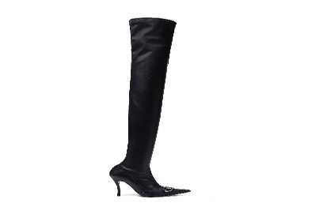 | Diesel | FOOTWEAR | Boots | F | 400 | Y03045P3923-T8013 | Y03045P3923-T8013-39 | VENUS D-VENUS TBT BOOTS | 30%PL 30%PU 30%EA 10%PMU | CN | Black | 8052105421060 | T8013 | 39 | 2 | 6404209000 | 750.00 € | 300.00 € | 600.00 €
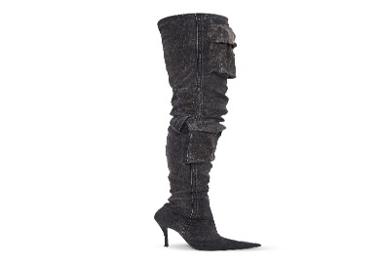 | Diesel | FOOTWEAR | Boots | F | 400 | Y03046PS315-T8153 | Y03046PS315-T8153-37 | VENUS D-VENUS TBT P BOOTS | 45%CO 45%EA 10%PMU | IT | Tornado | 8052105656851 | T8153 | 37 | 2 | 6404209000 | 795.00 € | 318.00 € | 636.00 €
 | Diesel | FOOTWEAR | Boots | F | 400 | Y03046PS315-T8153 | Y03046PS315-T8153-38 | VENUS D-VENUS TBT P BOOTS | 45%CO 45%EA 10%PMU | IT | Tornado | 8052105656868 | T8153 | 38 | 1 | 6404209000 | 795.00 € | 318.00 € | 318.00 €
 | Diesel | FOOTWEAR | Boots | F | 400 | Y03046PS315-T8153 | Y03046PS315-T8153-39 | VENUS D-VENUS TBT P BOOTS | 45%CO 45%EA 10%PMU | IT | Tornado | 8052105656875 | T8153 | 39 | 1 | 6404209000 | 795.00 € | 318.00 € | 318.00 €
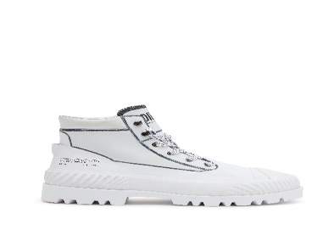 | Diesel | FOOTWEAR | Boots | U | 400 | Y03053P1856-H1527 | Y03053P1856-H1527-42 | HIKO D-HIKO BT X BOOTS | 100%PMU | VN | White/Black | 8052105795291 | H1527 | 42 | 6 | 6403911690 | 395.00 € | 158.00 € | 948.00 €
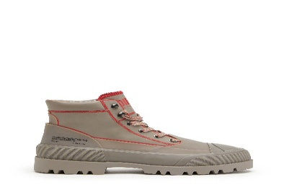 | Diesel | FOOTWEAR | Boots | U | 400 | Y03053P1856-H9504 | Y03053P1856-H9504-43 | HIKO D-HIKO BT X BOOTS | 100%PMU | VN | Moon Rock/Poinciana | 8052105795499 | H9504 | 43 | 1 | 6403911690 | 395.00 € | 158.00 € | 158.00 €
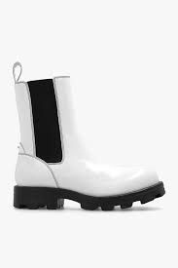 | Diesel | FOOTWEAR | Boots | F | 400 | Y03080P4471-H6115 | Y03080P4471-H6115-39 | HAMMER D-HAMMER CH W BOOTS | 80%PMU 20%PL | CN | Bright White/Jet Black | 8052105802982 | H6115 | 39 | 1 | 6403911890 | 375.00 € | 150.00 € | 150.00 €
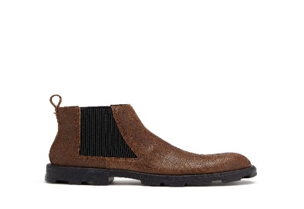 | Diesel | FOOTWEAR | Boots | M | 400 | Y03083PS919-H3803 | Y03083PS919-H3803-44 | HAMMER D-HAMMER LCH BOOTS | 80%PMU 20%PL | CN | Brown | 8052105803361 | H3803 | 44 | 2 | 6403911690 | 375.00 € | 150.00 € | 300.00 €
 | Diesel | FOOTWEAR | FW | M |  | Y02499P3859-T1015 | Y02499P3859-T1015-44 | SA-MAYEMI | 100% PMU | RO | STAR WHITE | 8059010756102 | T1015 | 44 | 6 | 6403999600 | 69.99 € | 28.00 € | 168.00 €
 | Diesel | FOOTWEAR | FW | M |  | Y02876-RED | Y02876-RED-45 | Sneakers | 68%PL 28%PU 4%EL | VN | RED | 8052105095339 | RED | 45 | 1 | 6403999600 | 350.00 € | 140.00 € | 140.00 €
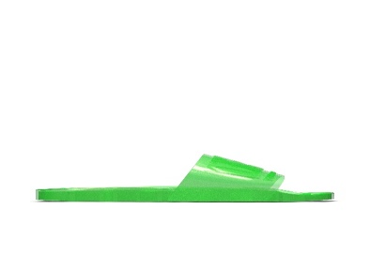 | Diesel | FOOTWEAR | FW | U |  | Y03067P5380-T7451 | Y03067P5380-T7451-37 | SA-KARAIBI GL X | 100% PMU | RO | FLUO GREEN | 8052105964574 | T7451 | 37 | 1 | 6403999600 | 75.00 € | 28.00 € | 28.00 €
 | Diesel | FOOTWEAR | Hybrids | M | 400 | Y02701PR666-T8013 | Y02701PR666-T8013-42 | SHIROKI H-SHIROKI CHE SHOES | 100%PMU | VN | Black | 8057718758305 | T8013 | 42 | 2 | 6403911690 | 330.00 € | 132.00 € | 264.00 €
 | Diesel | FOOTWEAR | Hybrids | M | 400 | Y02701PR666-T8013 | Y02701PR666-T8013-45 | SHIROKI H-SHIROKI CHE SHOES | 100%PMU | VN | Black | 8057718758336 | T8013 | 45 | 1 | 6403911690 | 330.00 € | 132.00 € | 132.00 €
 | Diesel | FOOTWEAR | Pumps | F | 400 | Y02323P3539-T8013 | Y02323P3539-T8013-39 | SLANTY D-SLANTY HHB SANDALS | 100%PCA "farmed capra hircus hircus" | CN | Black | 8059010345788 | T8013 | 39 | 1 | 6403511900 | 300.00 € | 120.00 € | 120.00 €
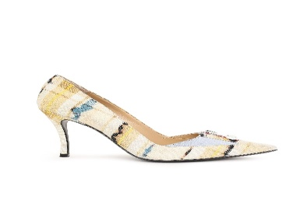 | Diesel | FOOTWEAR | Pumps | F | 400 | Y02863P4521-T2130 | Y02863P4521-T2130-39 | VENUS D-VENUS P SHOES | 100%CO | IT | Taffy | 8051385369895 | T2130 | 39 | 1 | 6404199000 | 425.00 € | 158.00 € | 158.00 €
 | Diesel | FOOTWEAR | Sandals | F | 400 | Y0151400TTT-999 | Y0151400TTT-999-39 | "-" SCARPA ELEGANTE DONNA - sh | 100% PMU | IT | Black | 8058277388750 | 999 | 39 | 2 | 6404199000 | 190.00 € | 69.00 € | 138.00 €
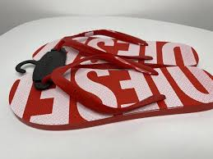 | Diesel | FOOTWEAR | Sandals | M | 400 | Y02173P2294-H8198 | Y02173P2294-H8198-40 | BRIIAN SA-BRIIAN R SANDALS | 100%PVC | IT | Flame Scarlet/White | 8056594849749 | H8198 | 40 | 1 | 6402999600 | 40.00 € | 16.00 € | 16.00 €
 | Diesel | FOOTWEAR | Sandals | M | 400 | Y02499P3859-H8730 | Y02499P3859-H8730-42 | MAYEMI SA-MAYEMI SANDALS | 100%PU | IT | Star White/Racing Red | 8057718711119 | H8730 | 42 | 12 | 6402999600 | 70.00 € | 28.00 € | 336.00 €
 | Diesel | FOOTWEAR | Sandals | M | 400 | Y02499P3859-H8730 | Y02499P3859-H8730-44 | MAYEMI SA-MAYEMI SANDALS | 100%PU | IT | Star White/Racing Red | 8057718711133 | H8730 | 44 | 204 | 6402999600 | 70.00 € | 28.00 € | 5,712.00 €
 | Diesel | FOOTWEAR | Sandals | M | 400 | Y02499P3859-H8730 | Y02499P3859-H8730-46 | MAYEMI SA-MAYEMI SANDALS | 100%PU | IT | Star White/Racing Red | 8057718711157 | H8730 | 46 | 39 | 6402999600 | 70.00 € | 28.00 € | 1,092.00 €
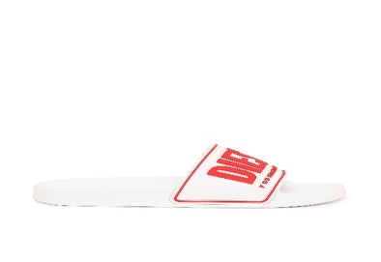 | Diesel | FOOTWEAR | Sandals | M | 400 | Y02801P4441-H8985 | Y02801P4441-H8985-41 | MAYEMI SA-MAYEMI CC SANDALS | 100%PU | IT | White/Red | 8051385285751 | H8985 | 41 | 3 | 6402999600 | 85.00 € | 32.00 € | 96.00 €
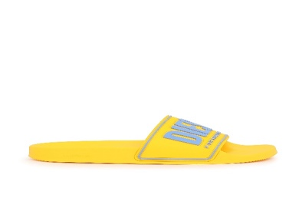 | Diesel | FOOTWEAR | Sandals | M | 400 | Y02801P4441-H8992 | Y02801P4441-H8992-40 | MAYEMI SA-MAYEMI CC SANDALS | 100%PU | IT | Lemon Chrome/Coronet Blue | 8051385285904 | H8992 | 40 | 1 | 6402999600 | 85.00 € | 32.00 € | 32.00 €
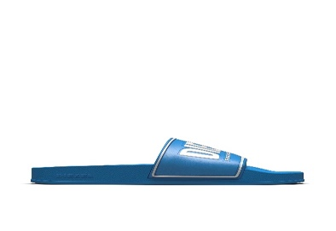 | Diesel | FOOTWEAR | Sandals | M | 400 | Y02801P4441-T6221 | Y02801P4441-T6221-40 | MAYEMI SA-MAYEMI CC SANDALS | 100%PU | IT | Blue Aster | 8052105759804 | T6221 | 40 | 1 | 6402999600 | 85.00 € | 32.00 € | 32.00 €
 | Diesel | FOOTWEAR | Sandals | M | 400 | Y02802P4442-T6020 | Y02802P4442-T6020-46 | KAUAY SA-KAUAY NL SANDALS | 100%PU | IT | Deep cobalt | 8051385286161 | T6020 | 46 | 2 | 6402200000 | 50.00 € | 20.00 € | 40.00 €
 | Diesel | FOOTWEAR | Sandals | F | 400 | Y02833P4442-T3055 | Y02833P4442-T3055-40 | KAUAY SA-KAUAY NL W SANDALS | 100%PU | IT | Marigold | 8059038004766 | T3055 | 40 | 9 | 6402200000 | 50.00 € | 20.00 € | 180.00 €
 | Diesel | FOOTWEAR | Sandals | F | 400 | Y02833P4457-T9002 | Y02833P4457-T9002-40 | KAUAY SA-KAUAY NL W SANDALS | 100%PVC | IT | Silver | 8051385286277 | T9002 | 40 | 1 | 6402200000 | 45.00 € | 18.00 € | 18.00 €
 | Diesel | FOOTWEAR | Sandals | F | 400 | Y02853P4458-H4818 | Y02853P4458-H4818-39 | MAYEMI SA-MAYEMI D W SANDALS | 84%PVC 12%PL 4%PU | IT | Fuchsia | 8051385286581 | H4818 | 39 | 3 | 6402993900 | 190.00 € | 69.00 € | 207.00 €
 | Diesel | FOOTWEAR | Sandals | F | 400 | Y02853P4458-H5451 | Y02853P4458-H5451-39 | MAYEMI SA-MAYEMI D W SANDALS | 84%PVC 12%PL 4%PU | IT | Silver/White | 8051385286659 | H5451 | 39 | 2 | 6402993900 | 190.00 € | 69.00 € | 138.00 €
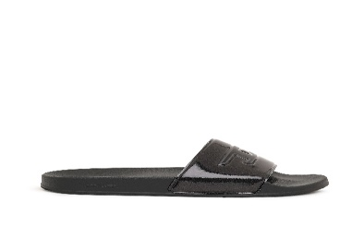 | Diesel | FOOTWEAR | Sandals | F | 400 | Y02853P4458-T8013 | Y02853P4458-T8013-39 | MAYEMI SA-MAYEMI D W SANDALS | 84%PVC 12%PL 4%PU | IT | Black | 8051385286727 | T8013 | 39 | 1 | 6402993900 | 190.00 € | 69.00 € | 69.00 €
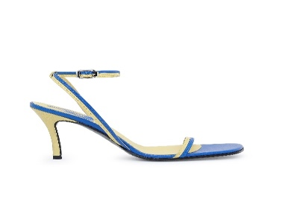 | Diesel | FOOTWEAR | Sandals | F | 400 | Y02866PR013-H9050 | Y02866PR013-H9050-36 | ALHENA SA-ALHENA SANDALS | 100%PVN | CN | Monaco Blue/Super Lemon | 8051385356765 | H9050 | 36 | 5 | 6403591100 | 250.00 € | 100.00 € | 500.00 €
 | Diesel | FOOTWEAR | Sandals | F | 400 | Y02866PR013-H9050 | Y02866PR013-H9050-37 | ALHENA SA-ALHENA SANDALS | 100%PVN | CN | Monaco Blue/Super Lemon | 8051385356772 | H9050 | 37 | 9 | 6403591100 | 250.00 € | 100.00 € | 900.00 €
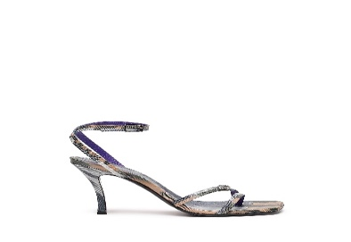 | Diesel | FOOTWEAR | Sandals | F | 400 | Y02990P4816-H9346 | Y02990P4816-H9346-38 | VENUS D-VENUS SA SANDALS | 100%PMU | CN | Multicolor Camo | 8052105166879 | H9346 | 38 | 1 | 6403591100 | 295.00 € | 118.00 € | 118.00 €
 | Diesel | FOOTWEAR | Sandals | F | 400 | Y02990P4817-H0563 | Y02990P4817-H0563-37 | VENUS D-VENUS SA SANDALS | 100%PMU | CN | Multicolor | 8052105223350 | H0563 | 37 | 1 | 6403591100 | 295.00 € | 118.00 € | 118.00 €
 | Diesel | FOOTWEAR | Sandals | F | 400 | Y02990P4817-H0563 | Y02990P4817-H0563-39 | VENUS D-VENUS SA SANDALS | 100%PMU | CN | Multicolor | 8052105223374 | H0563 | 39 | 1 | 6403591100 | 295.00 € | 118.00 € | 118.00 €
 | Diesel | FOOTWEAR | Sandals | F | 400 | Y02990PR818-H1532 | Y02990PR818-H1532-36 | VENUS D-VENUS SA SANDALS | 100%PMU | CN | Black/White | 8052105166923 | H1532 | 36 | 2 | 6403591100 | 375.00 € | 118.00 € | 236.00 €
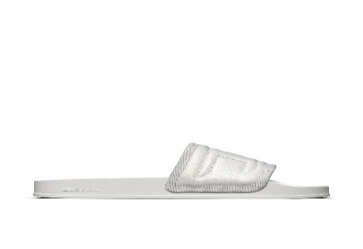 | Diesel | FOOTWEAR | Sandals | U | 400 | Y03068P5181-T1003 | Y03068P5181-T1003-36 | MAYEMI SA-MAYEMI PUF X SANDALS | 80%PU 15%PVC 5%PL | IT | White | 8052105798704 | T1003 | 36 | 7 | 6402999600 | 95.00 € | 38.00 € | 266.00 €
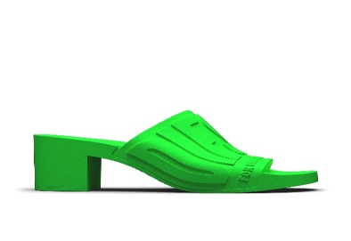 | Diesel | FOOTWEAR | Sandals | F | 400 | Y03071P5381-T7451 | Y03071P5381-T7451-40 | PAMELA SA-PAMELA H SANDALS | 100%THERMOPLASTIC POLYURETHANES | CN | Fluo Green | 8052105964864 | T7451 | 40 | 1 | 6402993900 | 175.00 € | 60.00 € | 60.00 €
 | Diesel | FOOTWEAR | Sandals | F | 400 | Y03084PR818-H9537 | Y03084PR818-H9537-39 | KITTIE D-KITTIE SD SANDALS | 100%PMU | CN | Covert Green/Raspberry | 8052105803507 | H9537 | 39 | 1 | 6403591100 | 295.00 € | 118.00 € | 118.00 €
 | Diesel | FOOTWEAR | Shoes | M | 400 | Y0151100TTT-999 | Y0151100TTT-999-43 | "-" SCARPA ELEGANTE UOMO - sho | 100% PMU | IT | Black | 8058277388972 | 999 | 43 | 1 | 6404199000 | 425.00 € | 156.00 € | 156.00 €
 | Diesel | FOOTWEAR | Shoes | F | 400 | Y02861P4471-T2017 | Y02861P4471-T2017-35 | WESTERN MULE D-WESTERN MULE SH | 100%PMU | CN | Fog | 8051385357861 | T2017 | 35 | 1 | 6403599900 | 375.00 € | 150.00 € | 150.00 €
 | Diesel | FOOTWEAR | Shoes | F | 400 | Y02861P4471-T2017 | Y02861P4471-T2017-37 | WESTERN MULE D-WESTERN MULE SH | 100%PMU | CN | Fog | 8051385357885 | T2017 | 37 | 11 | 6403599900 | 375.00 € | 150.00 € | 1,650.00 €
 | Diesel | FOOTWEAR | Shoes | F | 400 | Y02861P4471-T2017 | Y02861P4471-T2017-39 | WESTERN MULE D-WESTERN MULE SH | 100%PMU | CN | Fog | 8051385357908 | T2017 | 39 | 1 | 6403599900 | 375.00 € | 150.00 € | 150.00 €
 | Diesel | FOOTWEAR | Shoes | F | 400 | Y02861P4471-T2017 | Y02861P4471-T2017-40 | WESTERN MULE D-WESTERN MULE SH | 100%PMU | CN | Fog | 8051385357915 | T2017 | 40 | 2 | 6403599900 | 375.00 € | 150.00 € | 300.00 €
 | Diesel | FOOTWEAR | Shoes | F | 400 | Y02861P4471-T2017 | Y02861P4471-T2017-41 | WESTERN MULE D-WESTERN MULE SH | 100%PMU | CN | Fog | 8051385357922 | T2017 | 41 | 1 | 6403599900 | 375.00 € | 150.00 € | 150.00 €
 | Diesel | FOOTWEAR | Shoes | F | 400 | Y02861P4471-T2161 | Y02861P4471-T2161-35 | WESTERN MULE D-WESTERN MULE SH | 100%PMU | CN | Monk's Robe | 8051385357939 | T2161 | 35 | 4 | 6403599900 | 375.00 € | 150.00 € | 600.00 €
 | Diesel | FOOTWEAR | Shoes | F | 400 | Y02861P4471-T2161 | Y02861P4471-T2161-36 | WESTERN MULE D-WESTERN MULE SH | 100%PMU | CN | Monk's Robe | 8051385357946 | T2161 | 36 | 1 | 6403599900 | 375.00 € | 150.00 € | 150.00 €
 | Diesel | FOOTWEAR | Shoes | F | 400 | Y02861P4471-T2161 | Y02861P4471-T2161-37 | WESTERN MULE D-WESTERN MULE SH | 100%PMU | CN | Monk's Robe | 8051385357953 | T2161 | 37 | 5 | 6403599900 | 375.00 € | 150.00 € | 750.00 €
 | Diesel | FOOTWEAR | Shoes | F | 400 | Y02861P4471-T2161 | Y02861P4471-T2161-38 | WESTERN MULE D-WESTERN MULE SH | 100%PMU | CN | Monk's Robe | 8051385357960 | T2161 | 38 | 4 | 6403599900 | 375.00 € | 150.00 € | 600.00 €
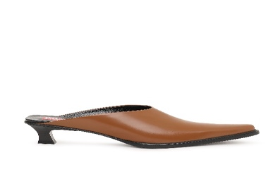 | Diesel | FOOTWEAR | Shoes | F | 400 | Y02861P4471-T2161 | Y02861P4471-T2161-39 | WESTERN MULE D-WESTERN MULE SH | 100%PMU | CN | Monk's Robe | 8051385357977 | T2161 | 39 | 5 | 6403599900 | 375.00 € | 150.00 € | 750.00 €
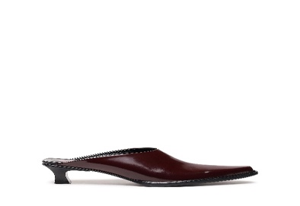 | Diesel | FOOTWEAR | Shoes | F | 400 | Y02861P4471-T5016 | Y02861P4471-T5016-39 | WESTERN MULE D-WESTERN MULE SH | 100%PMU | CN | Tawny Red | 8052105144822 | T5016 | 39 | 4 | 6403599900 | 375.00 € | 150.00 € | 600.00 €
 | Diesel | FOOTWEAR | Shoes | F | 400 | Y02861P4471-T8013 | Y02861P4471-T8013-36 | WESTERN MULE D-WESTERN MULE SH | 100%PMU | CN | Black | 8051385358011 | T8013 | 36 | 1 | 6403599900 | 375.00 € | 150.00 € | 150.00 €
 | Diesel | FOOTWEAR | Shoes | F | 400 | Y02861P4471-T8013 | Y02861P4471-T8013-37 | WESTERN MULE D-WESTERN MULE SH | 100%PMU | CN | Black | 8051385358028 | T8013 | 37 | 1 | 6403599900 | 375.00 € | 150.00 € | 150.00 €
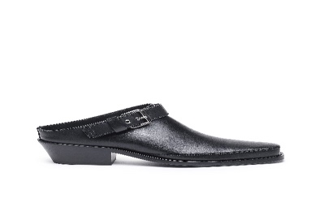 | Diesel | FOOTWEAR | Shoes | M | 400 | Y02896PR516-T8013 | Y02896PR516-T8013-46 | SANTIAGO D-SANTIAGO MULE L SHO | 100%PMU | IT | Black | 8051385630964 | T8013 | 46 | 1 | 6403599500 | 550.00 € | 220.00 € | 220.00 €
 | Diesel | FOOTWEAR | Shoes | U | 400 | Y02965P0187-T7429 | Y02965P0187-T7429-40 | HIKO D-HIKO SH X SHOES | 100%PL | VN | Military Olive | 8052105153459 | T7429 | 40 | 1 | 6404199000 | 295.00 € | 118.00 € | 118.00 €
 | Diesel | FOOTWEAR | Shoes | U | 400 | Y02965P0187-T7429 | Y02965P0187-T7429-43 | HIKO D-HIKO SH X SHOES | 100%PL | VN | Military Olive | 8052105153503 | T7429 | 43 | 1 | 6404199000 | 295.00 € | 118.00 € | 118.00 €
 | Diesel | FOOTWEAR | Shoes | U | 400 | Y02965P0187-T8013 | Y02965P0187-T8013-39 | HIKO D-HIKO SH X SHOES | 100%PL | VN | Black | 8052105153626 | T8013 | 39 | 1 | 6404199000 | 295.00 € | 118.00 € | 118.00 €
 | Diesel | FOOTWEAR | Shoes | U | 400 | Y02965P0187-T8013 | Y02965P0187-T8013-42 | HIKO D-HIKO SH X SHOES | 100%PL | VN | Black | 8052105153664 | T8013 | 42 | 1 | 6404199000 | 295.00 € | 118.00 € | 118.00 €
 | Diesel | FOOTWEAR | Shoes | M | 400 | Y02983P4471-T8013 | Y02983P4471-T8013-40 | HAMMER D-HAMMER MS BOOTS | 100%PMU | CN | Black | 8052105167371 | T8013 | 40 | 1 | 6403999600 | 325.00 € | 130.00 € | 130.00 €
 | Diesel | FOOTWEAR | Shoes | M | 400 | Y02983P4471-T8013 | Y02983P4471-T8013-41 | HAMMER D-HAMMER MS BOOTS | 100%PMU | CN | Black | 8052105167388 | T8013 | 41 | 2 | 6403999600 | 325.00 € | 130.00 € | 260.00 €
 | Diesel | FOOTWEAR | Shoes | M | 400 | Y02983P4471-T8013 | Y02983P4471-T8013-44 | HAMMER D-HAMMER MS BOOTS | 100%PMU | CN | Black | 8052105167418 | T8013 | 44 | 2 | 6403999600 | 325.00 € | 130.00 € | 260.00 €
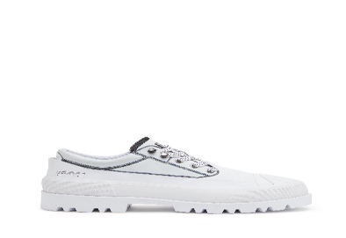 | Diesel | FOOTWEAR | Shoes | U | 400 | Y03052P1856-H1527 | Y03052P1856-H1527-44 | HIKO D-HIKO SH X SHOES | 100%PMU | VN | White/Black | 8052105793884 | H1527 | 44 | 1 | 6403911690 | 375.00 € | 150.00 € | 150.00 €
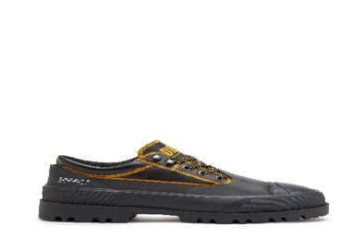 | Diesel | FOOTWEAR | Shoes | U | 400 | Y03052P1856-H9505 | Y03052P1856-H9505-44 | HIKO D-HIKO SH X SHOES | 100%PMU | VN | Black/Citrus | 8052105794249 | H9505 | 44 | 1 | 6403911690 | 375.00 € | 150.00 € | 150.00 €
 | Diesel | FOOTWEAR | Shoes | F | 400 | Y03089P5253-T3163 | Y03089P5253-T3163-35 | KITTIE D-KITTIE ML SHOES | 75%CO 25%PL | CN | Pastel Yellow | 8052105807833 | T3163 | 35 | 1 | 6404209000 | 395.00 € | 158.00 € | 158.00 €
 | Diesel | FOOTWEAR | Shoes | F | 400 | Y03089P5253-T3163 | Y03089P5253-T3163-37 | KITTIE D-KITTIE ML SHOES | 75%CO 25%PL | CN | Pastel Yellow | 8052105807857 | T3163 | 37 | 1 | 6404209000 | 395.00 € | 158.00 € | 158.00 €
 | Diesel | FOOTWEAR | Shoes | F | 400 | Y03089P5253-T3163 | Y03089P5253-T3163-38 | KITTIE D-KITTIE ML SHOES | 75%CO 25%PL | CN | Pastel Yellow | 8052105807864 | T3163 | 38 | 8 | 6404209000 | 395.00 € | 158.00 € | 1,264.00 €
 | Diesel | FOOTWEAR | Shoes | F | 400 | Y03089P5253-T3163 | Y03089P5253-T3163-39 | KITTIE D-KITTIE ML SHOES | 75%CO 25%PL | CN | Pastel Yellow | 8052105807871 | T3163 | 39 | 3 | 6404209000 | 395.00 € | 158.00 € | 474.00 €
 | Diesel | FOOTWEAR | Shoes | F | 400 | Y03089P5253-T3163 | Y03089P5253-T3163-40 | KITTIE D-KITTIE ML SHOES | 75%CO 25%PL | CN | Pastel Yellow | 8052105807888 | T3163 | 40 | 6 | 6404209000 | 395.00 € | 158.00 € | 948.00 €
 | Diesel | FOOTWEAR | Shoes | F | 400 | Y03089P5254-H4107 | Y03089P5254-H4107-36 | KITTIE D-KITTIE ML SHOES | 80%CO 20%CA | CN | Indigo Blue | 8052105807987 | H4107 | 36 | 1 | 6404209000 | 450.00 € | 180.00 € | 180.00 €
 | Diesel | FOOTWEAR | Shoes | F | 400 | Y03089P5254-H4107 | Y03089P5254-H4107-40 | KITTIE D-KITTIE ML SHOES | 80%CO 20%CA | CN | Indigo Blue | 8052105808021 | H4107 | 40 | 1 | 6404209000 | 450.00 € | 180.00 € | 180.00 €
 | Diesel | CLOTHING | Abito | F | 250 | A062530AHAG-9XX | A062530AHAG-9XX-S | D-LEILANI ABITO | 100%PL +APP.100%CO | TR | BLACK BLACK BLACK | 8052105008605 | 9XX | S | 1 | 6204430000 | 375.00 € | 150.00 € | 150.00 €
 | Diesel | CLOTHING | Denim | M | 250 | 00CYKI069NC-02 | 00CYKI069NC-02-30 | KROOLEY-NE Sweat jeans | 52%CLY 45%CO 3%EA | TN | DENIM | 8059010259429 | 02 | 30 | 4 | 6203491900 | 250.00 € | 100.00 € | 400.00 €
 | Diesel | CLOTHING | Denim | F | 250 | 00S7LY086AS-100 | 00S7LY086AS-100-26 | BABHILA L.32 PANTALONI | 98%CO 2%EA | MU | BRIGHT WHITE | 8053837953744 | 100 | 26 | 1 | 6204623990 | 150.00 € | 60.00 € | 60.00 €
 | Diesel | CLOTHING | Denim | F | 250 | 00S7LY086AS-100 | 00S7LY086AS-100-28 | BABHILA L.32 PANTALONI | 98%CO 2%EA | MU | BRIGHT WHITE | 8053837953768 | 100 | 28 | 1 | 6204623990 | 150.00 € | 60.00 € | 60.00 €
 | Diesel | CLOTHING | Denim | F | 250 | 00S7LY086AS-100 | 00S7LY086AS-100-30 | BABHILA L.32 PANTALONI | 98%CO 2%EA | MU | BRIGHT WHITE | 8053837953782 | 100 | 30 | 1 | 6204623990 | 150.00 € | 60.00 € | 60.00 €
 | Diesel | CLOTHING | Denim | M | 250 | 00SB6DRM042-01 | 00SB6DRM042-01-36 | THOMMER-X L.32 PANTALONI | 98%CO 2%EA | MU | . | 8052105968756 | 01 | 36 | 1 | 6203423100 | 160.00 € | 64.00 € | 64.00 €
 | Diesel | CLOTHING | Denim | M | 250 | 00SID90IHAQ-01 | 00SID90IHAQ-01-32 | D-LUSTER L.32 PANTALONI | 99%CO 1%EA | MU | DENIM SCURO | 8052105488186 | 01 | 32 | 1 | 6203423100 | 140.00 € | 56.00 € | 56.00 €
 | Diesel | CLOTHING | Denim | M | 250 | 00SL89BG8G4-01 | 00SL89BG8G4-01-31 | TYPE-2512 PANTALONI | 98%CO 2%EA | RO | DENIM | 8055192503114 | 01 | 31 | 1 | 6203423100 | 195.00 € | 78.00 € | 78.00 €
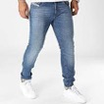 | Diesel | CLOTHING | Denim | M | 250 | 00SPW409A92-01 | 00SPW409A92-01-30 | D-STRUKT L.30 PANTALONI | 99%CO 1%EA | TN | DENIM | 8057718720531 | 01 | 30 | 1 | 6203423100 | 175.00 € | 70.00 € | 70.00 €
 | Diesel | CLOTHING | Denim | M | 250 | 00SW1QRR85A-01 | 00SW1QRR85A-01-30 | THOMMER L.32 PANTALONI | 98%CO 2%EA | TN | DENIM | 8059038049330 | 01 | 30 | 1 | 6203423100 | 150.00 € | 60.00 € | 60.00 €
 | Diesel | CLOTHING | Denim | M | 250 | 00SWID0098N-01 | 00SWID0098N-01-31 | TEPPHAR-X L.32 PANTALONI | 98%CO 2%EA | MU | DENIM | 8056594163296 | 01 | 31 | 4 | 6203423100 | 200.00 € | 80.00 € | 320.00 €
 | Diesel | CLOTHING | Denim | F | 250 | A00004009NV-01 | A00004009NV-01-25 | D-JOY L.32 PANTALONI | 74%CO 24%CLY 2%EA | RO | DENIM | 8059010632741 | 01 | 25 | 1 | 6204623190 | 150.00 € | 60.00 € | 60.00 €
 | Diesel | CLOTHING | Denim | M | 250 | A00712009PX-02 | A00712009PX-02-29 | D-AMNY-Y L.32 PANTALONI | 95%CO 3%PL 2%EA | TN | BLACK BLACK BLACK | 8059010648858 | 02 | 29 | 7 | 6203423100 | 195.00 € | 78.00 € | 546.00 €
 | Diesel | CLOTHING | Denim | M | 250 | A00712009PX-02 | A00712009PX-02-31 | D-AMNY-Y L.32 PANTALONI | 95%CO 3%PL 2%EA | TN | BLACK BLACK BLACK | 8059010648872 | 02 | 31 | 5 | 6203423100 | 195.00 € | 78.00 € | 390.00 €
 | Diesel | CLOTHING | Denim | M | 250 | A00879068CQ-02 | A00879068CQ-02-32 | Krooley-Y-Ne L.32 Sweat Jeans | 100%CO | TN | . | 8052105457564 | 02 | 32 | 1 | 6203491900 | 275.00 € | 110.00 € | 110.00 €
 | Diesel | CLOTHING | Denim | M | 250 | A035580QWTY-8LR | A035580QWTY-8LR-32 | 2019 D-STRUKT L.32 PANTALONI | 99%CO 1%EA | MU | MOOD INDIGO | 8052105441549 | 8LR | 32 | 2 | 6203423100 | 150.00 € | 60.00 € | 120.00 €
 | Diesel | CLOTHING | Denim | M | 250 | A0356209D45-01 | A0356209D45-01-32 | 2019 D-STRUKT L.30 PANTALONI | 99%CO 1%EA | TN | DENIM | 8051385704221 | 01 | 32 | 1 | 6203423100 | 150.00 € | 60.00 € | 60.00 €
 | Diesel | CLOTHING | Denim | M | 250 | A035620QWTY-73E | A035620QWTY-73E-29 | 2019 D-STRUKT L.30 PANTALONI | 100%CO | MU | BEIGE | 8052105441631 | 73E | 29 | 3 | 6203423100 | 150.00 € | 60.00 € | 180.00 €
 | Diesel | CLOTHING | Denim | M | 250 | A0356309C87-01 | A0356309C87-01-31 | 2019 D-STRUKT L.34 PANTALONI | 98%CO 2%EA | TN | DENIM | 8051385328847 | 01 | 31 | 7 | 6203423100 | 195.00 € | 78.00 € | 546.00 €
 | Diesel | CLOTHING | Denim | M | 250 | A0356309C87-01 | A0356309C87-01-32 | 2019 D-STRUKT L.34 PANTALONI | 98%CO 2%EA | TN | DENIM | 8051385328854 | 01 | 32 | 2 | 6203423100 | 195.00 € | 78.00 € | 156.00 €
 | Diesel | CLOTHING | Denim | M | 250 | A035630NFAN-01 | A035630NFAN-01-30 | 2019 D-STRUKT L.34 PANTALONI | 99%CO 1%EA | MU | DENIM | 8052105444168 | 01 | 30 | 5 | 6203423100 | 175.00 € | 70.00 € | 350.00 €
 | Diesel | CLOTHING | Denim | M | 250 | A03572007L1-01 | A03572007L1-01-30 | 2005 D-FINING L.30 PANTALONI | 79%CO 20%CA 1%EA | TN | DENIM | 8052105520008 | 01 | 30 | 2 | 6203423100 | 195.00 € | 78.00 € | 156.00 €
 | Diesel | CLOTHING | Denim | M | 250 | A03572007L1-01 | A03572007L1-01-32 | 2005 D-FINING L.30 PANTALONI | 79%CO 20%CA 1%EA | TN | DENIM | 8052105520022 | 01 | 32 | 4 | 6203423100 | 195.00 € | 78.00 € | 312.00 €
 | Diesel | CLOTHING | Denim | M | 250 | A0359409E71-02 | A0359409E71-02-28 | 1979 SLEENKER L.32 PANTALONI | 96%CO 3%EME 1%EA | TN | GREY | 8052105462582 | 02 | 28 | 1 | 6203423100 | 195.00 € | 78.00 € | 78.00 €
 | Diesel | CLOTHING | Denim | M | 250 | A0359409E71-02 | A0359409E71-02-30 | 1979 SLEENKER L.32 PANTALONI | 96%CO 3%EME 1%EA | TN | GREY | 8052105462605 | 02 | 30 | 2 | 6203423100 | 195.00 € | 78.00 € | 156.00 €
 | Diesel | CLOTHING | Denim | M | 250 | A0359409E82-01 | A0359409E82-01-33 | 1979 SLEENKER L.32 PANTALONI | 99%CO 1%EA | TN | DENIM | 8052105470846 | 01 | 33 | 4 | 6203423100 | 250.00 € | 100.00 € | 400.00 €
 | Diesel | CLOTHING | Denim | M | 250 | A0359409E88-01 | A0359409E88-01-32 | 1979 SLEENKER L.32 PANTALONI | 99%CO 1%EA | TN | DENIM | 8052105471522 | 01 | 32 | 1 | 6203423100 | 225.00 € | 90.00 € | 90.00 €
 | Diesel | CLOTHING | Denim | M | 250 | A035940QWTX-9XX | A035940QWTX-9XX-31 | 1979 SLEENKER L.32 PANTALONI | 99%CO 1%EA | MU | BLACK BLACK BLACK | 8052105442133 | 9XX | 31 | 1 | 6203423100 | 150.00 € | 60.00 € | 60.00 €
 | Diesel | CLOTHING | Denim | M | 250 | A0359509E71-02 | A0359509E71-02-29 | 1979 SLEENKER L.30 PANTALONI | 96%CO 3%EME 1%EA | TN | GREY | 8052105462711 | 02 | 29 | 1 | 6203423100 | 195.00 € | 78.00 € | 78.00 €
 | Diesel | CLOTHING | Denim | M | 250 | A0359509E71-02 | A0359509E71-02-32 | 1979 SLEENKER L.30 PANTALONI | 96%CO 3%EME 1%EA | TN | GREY | 8052105462742 | 02 | 32 | 1 | 6203423100 | 195.00 € | 78.00 € | 78.00 €
 | Diesel | CLOTHING | Denim | F | 250 | A03597069EF-02 | A03597069EF-02-31 | 1984 SLANDY-HIGH L.32 PANTALON | 90%CO 6%PL 4%EA | TN | BLACK | 8051385444622 | 02 | 31 | 1 | 6204623190 | 150.00 € | 60.00 € | 60.00 €
 | Diesel | CLOTHING | Denim | F | 250 | A03597R69EF-02 | A03597R69EF-02-29 | 1984 SLANDY-HIGH L.32 PANTALON | 90%CO 6%PL 4%EA | TN | DENIM SCURO | 8058992019076 | 02 | 29 | 1 | 6204623190 | 150.00 € | 60.00 € | 60.00 €
 | Diesel | CLOTHING | Denim | F | 250 | A03603069YX-01 | A03603069YX-01-26 | 2015 BABHILA L.32 PANTALONI | 98%CO 2%EA | TN | DENIM | 8051385090249 | 01 | 26 | 5 | 6204623190 | 195.00 € | 78.00 € | 390.00 €
 | Diesel | CLOTHING | Denim | F | 250 | A03605069YX-01 | A03605069YX-01-28 | 2015 BABHILA L.34 PANTALONI | 98%CO 2%EA | TN | DENIM | 8051385090461 | 01 | 28 | 1 | 6204623190 | 195.00 € | 78.00 € | 78.00 €
 | Diesel | CLOTHING | Denim | F | 250 | A03624E9C08-01 | A03624E9C08-01-30 | 1978 D-AKEMI L.32 PANTALONI | 55%CO 45%CLY | TN | DENIM | 8058992111862 | 01 | 30 | 1 | 6204623190 | 150.00 € | 60.00 € | 60.00 €
 | Diesel | CLOTHING | Denim | F | 250 | A04022069ZL-01 | A04022069ZL-01-S | D-Emy-Ne Felpa | 98%CO 2%EA+RIB97%CO 3%EA | IT | . | 8051385287922 | 01 | S | 1 | 6202920090 | 295.00 € | 118.00 € | 118.00 €
 | Diesel | CLOTHING | Denim | M | 250 | A05511R69ZW-01 | A05511R69ZW-01-30 | D-STRUKT-Z-T Sweat jeans | 95%CO 3%PL 2%EA | TN | DENIM | 8059038636790 | 01 | 30 | 2 | 6203423100 | 250.00 € | 100.00 € | 200.00 €
 | Diesel | CLOTHING | Denim | M | 250 | A06071007A7-01 | A06071007A7-01-43 | 1955-Fs1 L.32 Pantaloni | 80%CO 20%CA | IT | . | 8051385665294 | 01 | 43 | 2 | 6203423500 | 995.00 € | 398.00 € | 796.00 €
 | Diesel | CLOTHING | Denim | M | 250 | A12025R9E14-01 | A12025R9E14-01-32 | 2019 D-STRUKT-R L.32 PANTALONI | 99%CO 1%EA | TN | DENIM | 8058992006304 | 01 | 32 | 2 | 6203423100 | 250.00 € | 100.00 € | 200.00 €
 | Diesel | CLOTHING | Denim | M | 250 | A13189R684T-900 | A13189R684T-900-32 | NARROT-NE-R Sweat jeans | 52%CLY 45%CO 3%EA | TN | CAVIAR | 8058992454174 | 900 | 32 | 1 | 6203491900 | 275.00 € | 110.00 € | 110.00 €
 | Diesel | CLOTHING | Denim | M | 250 | X08869PR792-H0535 | X08869PR792-H0535-OS | COCOON DSL COCOON DSL SLING BA | 75%PU 25%PL | CN | Silver | 8051385910622 | H0535 | OS | 1 | 4202221000 | 225.00 € | 90.00 € | 90.00 €
 | Diesel | CLOTHING | FW | M | 250 | 00SEEB0BASU-100 | 00SEEB0BASU-100-M | T-DIEGO-S7 MAGLIETTA | 100%COTTON | VN | BRIGHT WHITE | 8056594389924 | 100 | M | 1 | 6109100010 | 50.00 € | 20.00 € | 20.00 €
 | Diesel | CLOTHING | FW | M | 250 | 00SLJY0CATJ-100 | 00SLJY0CATJ-100-XL | T-JUST-LS-DIVISION MAGLIETTA | 100%COTTON | VN | BRIGHT WHITE | 8053837520502 | 100 | XL | 1 | 6109100010 | 70.00 € | 28.00 € | 28.00 €
 | Diesel | CLOTHING | FW | M | 250 | 00SLJY0CATJ-900 | 00SLJY0CATJ-900-M | T-JUST-LS-DIVISION MAGLIETTA | 100%COTTON | VN | CAVIAR | 8053837422479 | 900 | M | 1 | 6109100010 | 70.00 € | 28.00 € | 28.00 €
 | Diesel | CLOTHING | FW | M | 250 | A0392409E29-01 | A0392409E29-01-S | D-MARTIANS-NE Sweat jeans | 98%COTTON 2%ELASTANE | VN | DENIM | 8052105074815 | 01 | S | 1 | 6204623990 | 295.00 € | 118.00 € | 118.00 €
 | Diesel | CLOTHING | FW | F | 250 | A04108R09PU-01 | A04108R09PU-01-32 | 2017 SLANDY L.32 PANTALONI | 98%CO 2%EA | TN | DENIM | 8058992023103 | 01 | 32 | 1 | 6204623190 | 195.00 € | 78.00 € | 78.00 €
 | Diesel | CLOTHING | FW | F | 250 | A046980ICAW-3BR | A046980ICAW-3BR-S | C-VALERIA CAMICIA | 100%CLY + CONT.100%CO | IN | BRICK DUST | 8057718701363 | 3BR | S | 1 | 6206400000 | 275.00 € | 110.00 € | 110.00 €
 | Diesel | CLOTHING | FW | W | 250 | A050330AAXJ-44Q | A050330AAXJ-44Q-XS | T-REG-DIV MAGLIETTA | 100%COTTON | VN | RIBBON RED | 8051385041463 | 44Q | XS | 1 | 6109100010 | 65.00 € | 26.00 € | 26.00 €
...

