Worksheet
 |  |  |  |  |  |  |  |  |  | 4,129,938.00 € | 5552
IMAGE | SKU | BRAND | PRODUCT | GROUP | SEASON | GENDER | COLOR | COMPOSITION | RETAIL PRICE | TOTAL RETAIL | TOT.QTY | 64 | 47 | 45.5 | 62 | 3XS | TU | XXS | XS | S | M | L | XL | XXL | XXXL | 4XL | 5XL | 6XL | 30 | 32 | 34 | 35 | 35.5 | 36 | 36.5 | 37 | 37.5 | 38 | 38.5 | 39 | 39.5 | 40 | 40.5 | 41 | 41.5 | 42 | 42.5 | 43 | 43.5 | 44 | 44.5 | 45 | 46 | 48 | 50 | 52 | 54 | 56 | 58 | 60
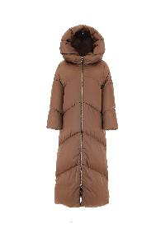 | PI001521D12170_8750 | Herno | DOWN JACKET | Clothing | FW | Woman | BEIGE | 100% PL | € 930.00 | € 9300.00 | 10 |  |  |  |  |  |  |  |  |  |  |  |  |  |  |  |  |  |  |  |  |  |  |  |  |  |  | 0 |  |  |  | 0 |  |  |  | 10 |  |  |  | 0
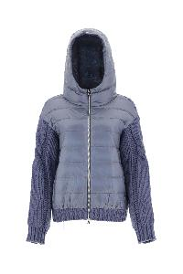 | MP00001DR70085_7090 | Herno | JACKET | Clothing | FW | Woman | MILK MINT | 100% WO | € 662.00 | € 6620.00 | 10 |  |  |  |  |  |  |  |  |  |  |  |  |  |  |  |  |  |  |  |  |  |  |  |  |  |  |  |  |  |  |  |  |  |  | 2 |  |  |  | 2 |  |  | 4 | 2
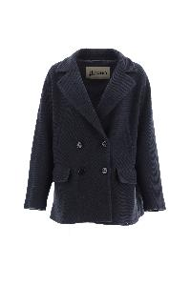 | GA000225D33359_9202 | Herno | JACKET | Clothing | FW | Woman | NEW BLUE | 80% WV 20% PA | € 768.00 | € 8448.00 | 11 |  |  |  |  |  |  |  |  |  |  |  |  |  |  |  |  |  |  |  |  |  |  |  |  |  |  |  |  |  |  |  |  |  |  | 10 |  |  |  | 1
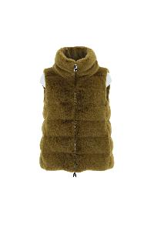 | PI001514D12354_3550 | Herno | DOWN VEST | Clothing | FW | Woman | ACID | 100% PL | € 510.00 | € 5610.00 | 11 |  |  |  |  |  |  |  |  |  |  |  |  |  |  |  |  |  |  |  |  |  |  |  |  |  |  | 1 |  |  |  |  |  |  |  | 9 |  |  |  | 1
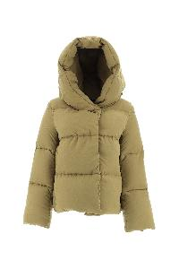 | PI001525D12409_3550 | Herno | DOWN JACKET | Clothing | FW | Woman | ACID | 100% PL | € 668.00 | € 7348.00 | 11 |  |  |  |  |  |  |  |  |  |  |  |  |  |  |  |  |  |  |  |  |  |  |  |  |  |  |  |  |  |  |  |  |  |  | 11
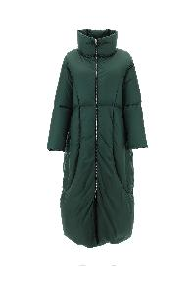 | PI001528D12204_7550 | Herno | DOWN JACKET | Clothing | FW | Woman | GREEN | 100% PA | € 790.00 | € 8690.00 | 11 |  |  |  |  |  |  |  |  |  |  |  |  |  |  |  |  |  |  |  |  |  |  |  |  |  |  |  |  |  |  | 0 |  |  |  | 11 |  |  |  | 0 |  |  | 0 | 0
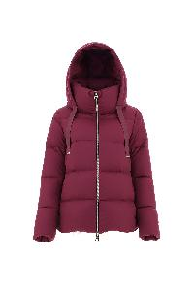 | PI001589D12414_4630 | Herno | DOWN JACKET | Clothing | FW | Woman | PURPLE | 100% PL | € 550.00 | € 6050.00 | 11 |  |  |  |  |  |  |  |  |  |  |  |  |  |  |  |  |  |  |  |  |  |  |  |  |  |  |  |  |  |  | 1 |  |  |  | 10
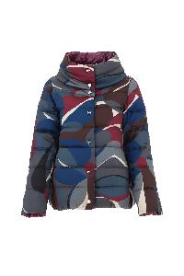 | PI001607D12477P_4946 | Herno | DOWN JACKET | Clothing | FW | Woman | FUXIA PURPLE | 100% PL | € 672.00 | € 7392.00 | 11 |  |  |  |  |  |  |  |  |  |  |  |  |  |  |  |  |  |  |  |  |  |  |  |  |  |  |  |  |  |  |  |  |  |  | 11
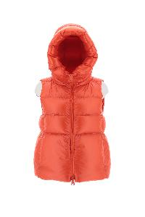 | PI1308D12370_9300 | Herno | DOWN VEST | Clothing | FW | Woman | BLACK | 100% PA | € 544.00 | € 5984.00 | 11 |  |  |  |  |  |  |  |  |  |  |  |  |  |  |  |  |  |  |  |  |  |  |  |  |  |  |  |  |  |  | 0 |  |  |  | 6 |  |  |  | 3 |  |  | 2 |  | 0
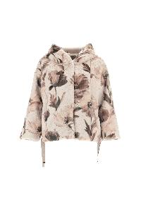 | GI0137D12419_1985 | Herno | JACKET | Clothing | FW | Woman | CHANTILLY | 100% PL | € 640.00 | € 7040.00 | 11 |  |  |  |  |  |  |  |  |  |  |  |  |  |  |  |  |  |  |  |  |  |  |  |  |  |  |  |  |  |  |  |  |  |  | 11
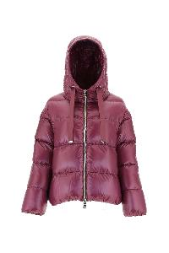 | PI1148D12017_4630 | Herno | BOMBER | Clothing | FW | Woman | PURPLE | 100% PA | € 588.00 | € 68796.00 | 40 |  |  |  |  |  |  |  |  |  |  |  |  |  |  |  |  |  |  |  |  |  |  |  |  |  |  | 5 |  |  |  | 10 |  |  |  | 10 |  |  |  | 10 |  |  | 5
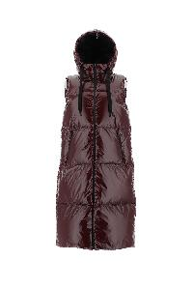 | PI00264DL12345_4770 | Herno | DOWN VEST | Clothing | FW | Woman | POMACE | 100% PA | € 718.00 | € 8616.00 | 12 |  |  |  |  |  |  |  |  |  |  |  |  |  |  |  |  |  |  |  |  |  |  |  |  |  |  |  |  |  |  | 1 |  |  |  | 11
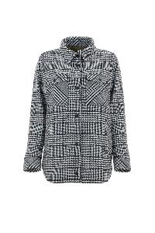 | GI000178D33356R_1093 | Herno | JACKET | Clothing | FW | Woman | WHITE BLACK | 90% WOR 10% PA | € 762.00 | € 9144.00 | 12 |  |  |  |  |  |  |  |  |  |  |  |  |  |  |  |  |  |  |  |  |  |  |  |  |  |  |  |  |  |  | 2 |  |  |  | 10
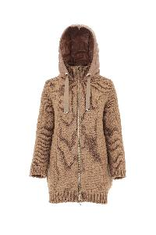 | MP00004DR76012_2450 | Herno | OUTERWEAR | Clothing | FW | Woman | CARAMELLO | 36% PA 26% WOR 26% VI 7% ME 5% WS | € 662.00 | € 82750.00 | 54 | 0 |  |  | 0 |  |  |  |  |  |  |  |  |  |  |  |  |  |  |  |  |  |  |  |  |  |  | 5 |  |  |  | 10 |  |  |  | 10 |  |  |  | 10 |  |  | 5 | 8 | 4 | 2 | 0 | 0 | 0 | 0
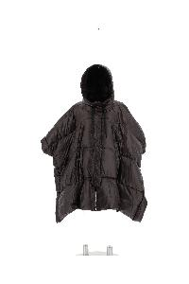 | PI001540D12017_8800 | Herno | DOWN JACKET | Clothing | FW | Woman | FONDANT | 100% PA | € 864.00 | € 11232.00 | 13 |  |  |  |  |  |  |  |  |  |  |  |  |  |  |  |  |  |  |  |  |  |  |  |  |  |  |  |  |  |  | 3 |  |  |  | 10
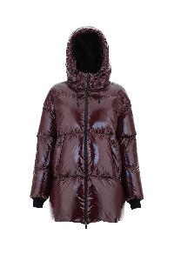 | PI00232DL12345_4770 | Herno | DOWN JACKET | Clothing | FW | Woman | POMACE | 100% PA | € 706.00 | € 9178.00 | 13 |  |  |  |  |  |  |  |  |  |  |  |  |  |  |  |  |  |  |  |  |  |  |  |  |  |  | 1 |  |  |  | 2 |  |  |  | 10 |  |  |  |  |  |  | 0 | 0
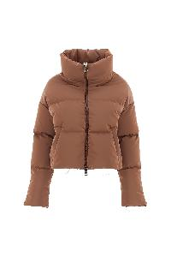 | PI001596D12472_8750 | Herno | DOWN JACKET | Clothing | FW | Woman | BEIGE | 100% PL | € 594.00 | € 7722.00 | 13 |  |  |  |  |  |  |  |  |  |  |  |  |  |  |  |  |  |  |  |  |  |  | 0 |  |  |  |  |  |  |  | 0 |  |  |  | 11 |  |  |  | 2 |  |  | 0
 | PI165DL11121_9300 | Herno | DOWN JACKET | Clothing | FW | Woman | BLACK | 100% PL | € 858.00 | € 11154.00 | 13 |  |  |  |  |  |  |  |  |  |  |  |  |  |  |  |  |  |  |  |  |  |  |  |  |  |  |  |  |  |  |  |  |  |  | 6 |  |  |  | 4 |  |  | 2 |  |  | 1
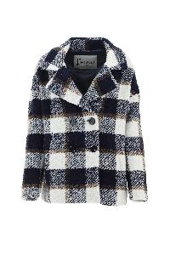 | GA000228D33352R_9210 | Herno | JACKET | Clothing | FW | Woman | BLUE WHITE | 52% PC 25% WOR 10% PA 8% VI 4% PL 1% AF | € 812.00 | € 10556.00 | 13 |  |  |  |  |  |  |  |  |  |  |  |  |  |  |  |  |  |  |  |  |  |  |  |  |  |  |  |  |  |  |  |  |  |  | 12 |  |  |  | 1
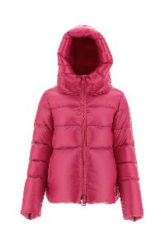 | PI001501D12370_7550 | Herno | DOWN JACKET | Clothing | FW | Woman | GREEN | 100% PA | € 662.00 | € 9268.00 | 14 |  |  |  |  |  |  |  |  |  |  |  |  |  |  |  |  |  |  |  |  |  |  |  |  |  |  | 0 |  |  |  | 6 |  |  |  | 0 |  |  |  | 7 |  |  | 1
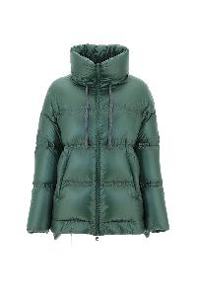 | PI001502D12370_5850 | Herno | DOWN JACKET | Clothing | FW | Woman | ORANGE | 100% PA | € 724.00 | € 10136.00 | 14 |  |  |  |  |  |  |  |  |  |  |  |  |  |  |  |  |  |  |  |  |  |  |  |  |  |  |  |  |  |  |  |  |  |  | 5 |  |  |  | 6 |  |  | 3 | 0 | 0
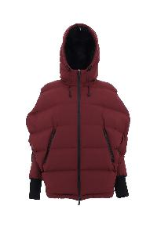 | PI00230DL11106_4770 | Herno | DOWN JACKET | Clothing | FW | Woman | POMACE | 100% PL | € 746.00 | € 10444.00 | 14 |  |  |  |  |  |  |  |  |  |  |  |  |  |  |  |  |  |  |  |  |  |  |  |  |  |  |  |  |  |  | 2 |  |  |  | 12
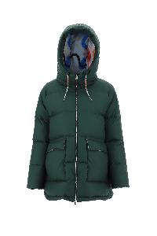 | PI001552D12471_7550 | Herno | DOWN JACKET | Clothing | FW | Woman | GREEN | 100% PL | € 846.00 | € 11844.00 | 14 |  |  |  |  |  |  |  |  |  |  |  |  |  |  |  |  |  |  |  |  |  |  |  |  |  |  |  |  |  |  | 2 |  |  |  | 12
 | GC000366D39500_4630 | Herno | JACKET | Clothing | FW | Woman | PURPLE | 100% VI | € 998.00 | € 13972.00 | 14 |  |  |  |  |  |  |  |  |  |  |  |  |  |  |  |  |  |  |  |  |  |  |  |  |  |  | 1 |  |  |  | 2 |  |  |  | 11
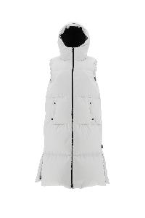 | PI00263DL11106_1250 | Herno | DOWN VEST | Clothing | FW | Woman | 1250 | 100% PL | € 718.00 | € 10052.00 | 14 |  |  |  |  |  |  |  |  |  |  |  |  |  |  |  |  |  |  |  |  |  |  |  |  |  |  |  |  |  |  |  |  |  |  | 13 |  |  |  |  |  |  | 1
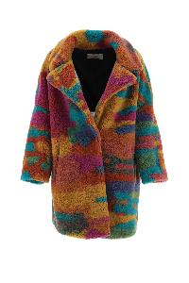 | GC000364D12480_9999 | Herno | JACKET | Clothing | FW | Woman | MULTICOLOR | 100% PL | € 566.00 | € 8490.00 | 15 |  |  |  |  |  |  |  |  |  |  |  |  |  |  |  |  |  |  |  |  |  |  |  |  |  |  | 1 |  |  |  | 1 |  |  |  | 13
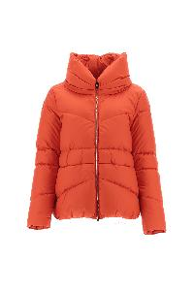 | PI001578D12204_5850 | Herno | DOWN JACKET | Clothing | FW | Woman | ORANGE | 100% PA | € 566.00 | € 8490.00 | 15 |  |  |  |  |  |  |  |  |  |  |  |  |  |  |  |  |  |  |  |  |  |  | 1 |  |  |  | 1 |  |  |  |  |  |  |  | 12 |  |  |  |  |  |  |  | 1
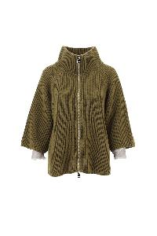 | MC000129D70116_3550 | Herno | CAPE | Clothing | FW | Woman | ACID | 71% WO 23% VI 6% ME | € 768.00 | € 12288.00 | 16 |  |  |  |  |  |  |  |  |  |  |  |  |  |  |  |  |  |  |  |  |  |  |  |  |  |  | 2 |  |  |  | 3 |  |  |  | 11
 | MP00004DR76012_9410 | Herno | JACKET | Clothing | FW | Woman | LIGHT GREY | 36% PA 26% WOR 26% VI 7% ME 5% WS | € 662.00 | € 107906.00 | 60 |  |  |  |  |  |  |  |  |  |  |  |  |  |  |  |  |  |  |  |  |  |  |  |  |  |  | 5 |  |  |  | 10 |  |  |  | 10 |  |  |  | 10 |  |  | 5 | 12 | 7 | 1
 | PI001501D12370_4250 | Herno | DOWN JACKET | Clothing | FW | Woman | PINK | 100% PA | € 662.00 | € 123794.00 | 42 |  |  |  |  |  |  |  |  |  |  |  |  |  |  |  |  |  |  |  |  |  |  |  |  |  |  | 5 |  |  |  | 10 |  |  |  | 10 |  |  |  | 10 |  |  | 5 | 2
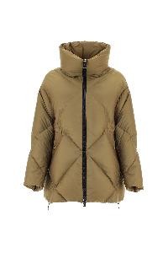 | PI001561D12420_3550 | Herno | DOWN JACKET | Clothing | FW | Woman | ACID | 55% PA 45% PL | € 504.00 | € 10080.00 | 20 |  |  |  |  |  |  |  |  |  |  |  |  |  |  |  |  |  |  |  |  |  |  |  |  |  |  |  |  |  |  | 3 |  |  |  | 14 |  |  |  | 2 |  |  | 1 | 0
 | MP00001DR70085_2450 | Herno | DOWN JACKET | Clothing | FW | Woman | HAZELNUT | 100% WO | € 662.00 | € 13902.00 | 21 |  |  |  |  |  |  |  |  |  |  |  |  |  |  |  |  |  |  |  |  |  |  |  |  |  |  |  |  |  |  | 0 |  |  |  | 3 |  |  |  | 7 |  |  | 7 | 4 | 0
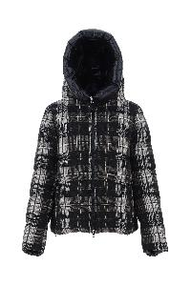 | PI001605D13154P_8993 | Herno | DOWN JACKET | Clothing | FW | Woman | DARK BROWN | 100% CO | € 840.00 | € 17640.00 | 21 |  |  |  |  |  |  |  |  |  |  |  |  |  |  |  |  |  |  |  |  |  |  |  |  |  |  |  |  |  |  | 2 |  |  |  | 12 |  |  |  | 2 |  |  | 2 | 1 | 1 | 1
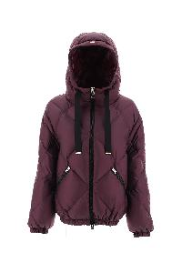 | PI001560D12420_4630 | Herno | DOWN JACKET | Clothing | FW | Woman | PURPLE | 55% PA 45% PL | € 510.00 | € 11730.00 | 23 |  |  |  |  |  |  |  |  |  |  |  |  |  |  |  |  |  |  |  |  |  |  |  |  |  |  |  |  |  |  | 3 |  |  |  | 15 |  |  |  | 3 |  |  | 2
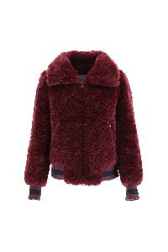 | GI000171D12421_4630 | Herno | JACKET | Clothing | FW | Woman | PURPLE | 100% PL | € 510.00 | € 11730.00 | 23 |  |  |  |  |  |  |  |  |  |  |  |  |  |  |  |  |  |  |  |  |  |  | 2 |  |  |  | 1 |  |  |  | 1 |  |  |  | 15 |  |  |  | 4
 | JP0005DM0150037_9300 | Herno | JACKET | Clothing | FW | Woman | BLACK | 80% CO 20% PL | € 544.00 | € 13056.00 | 24 |  |  |  |  |  |  |  |  |  |  |  |  |  |  |  |  |  |  |  |  |  |  |  |  |  |  | 9 |  |  |  |  |  |  |  | 7 |  |  |  | 0 |  |  | 8 | 0
 | PI1308D12370_1980 | Herno | DOWN VEST | Clothing | FW | Woman | LIGHT BEIGE | 100% PA | € 544.00 | € 13600.00 | 25 |  |  |  |  |  |  |  |  |  |  |  |  |  |  |  |  |  |  |  |  |  |  |  |  |  |  |  |  |  |  | 3 |  |  |  | 7 |  |  |  | 12 |  |  | 3 | 0 | 0
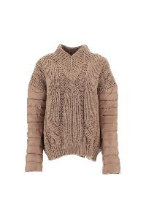 | MP00003DR70085_9300 | Herno | JACKET | Clothing | FW | Woman | BLACK | 100% WO | € 460.00 | € 12420.00 | 27 |  |  |  |  |  |  |  |  |  |  |  |  |  |  |  |  |  |  |  |  |  |  |  |  |  |  |  |  |  |  | 6 |  |  |  | 12 |  |  |  | 8 |  |  | 1
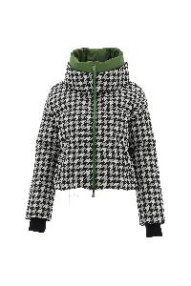 | PI00254DL12790J_9372 | Herno | DOWN JACKET | Clothing | FW | Woman | BLACK GREEN | 100% PL | € 684.00 | € 19836.00 | 29 |  |  |  |  |  |  |  |  |  |  |  |  |  |  |  |  |  |  |  |  |  |  |  |  |  |  | 1 |  |  |  | 7 |  |  |  | 17 |  |  |  | 4
 | PI1336DM0212414_9300 | Herno | DOWN JACKET | Clothing | FW | Woman | BLACK | 100% PL | € 730.00 | € 2190.00 | 3 |  |  |  |  |  |  |  |  |  |  |  |  |  |  |  |  |  |  |  |  |  |  |  |  |  |  |  |  |  |  |  |  |  |  |  |  |  |  |  |  |  | 2 |  |  | 1
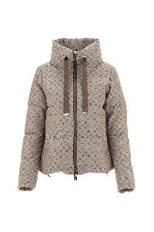 | PI001611D12600W_2150 | Herno | DOWN JACKET | Clothing | FW | Woman | BEIGE | 65% PL 35% CO | € 706.00 | € 2118.00 | 3 |  |  |  |  |  |  |  |  |  |  |  |  |  |  |  |  |  |  |  |  |  |  |  |  |  |  |  |  |  |  |  |  |  |  | 3
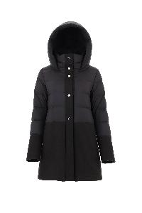 | PI001565D33344_3550 | Herno | DOWN JACKET | Clothing | FW | Woman | ACID | 75% WV 25% PA | € 840.00 | € 2520.00 | 3 |  |  |  |  |  |  |  |  |  |  |  |  |  |  |  |  |  |  |  |  |  |  |  |  |  |  |  |  |  |  |  |  |  |  | 1 |  |  |  | 1 |  |  | 1
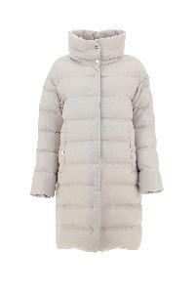 | PI001593D33278_1985 | Herno | DOWN JACKET | Clothing | FW | Woman | CHANTILLY | 70% VI 30% WV | € 768.00 | € 2304.00 | 3 |  |  |  |  |  |  |  |  |  |  |  |  |  |  |  |  |  |  |  |  |  |  |  |  |  |  |  |  |  |  |  |  |  |  | 3
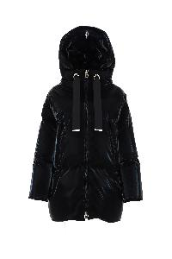 | PI001598D12472_9300 | Herno | DOWN JACKET | Clothing | FW | Woman | BLACK | 100% PL | € 852.00 | € 2556.00 | 3 |  |  |  |  |  |  |  |  |  |  |  |  |  |  |  |  |  |  |  |  |  |  |  |  |  |  |  |  |  |  |  |  |  |  | 3 |  |  |  | 0
 | PI00232DL12345_7250 | Herno | DOWN JACKET | Clothing | FW | Woman | EMERALD | 100% PA | € 706.00 | € 2118.00 | 3 |  |  |  |  |  |  |  |  |  |  |  |  |  |  |  |  |  |  |  |  |  |  |  |  |  |  |  |  |  |  |  |  |  |  |  |  |  |  | 1 |  |  |  |  | 2
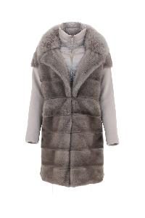 | PLC00049D18106_1985 | Herno | COAT | Clothing | FW | Woman | CHANTILLY | 100% FUR MINK | € 3472.00 | € 10416.00 | 3 |  |  |  |  |  |  |  |  |  |  |  |  |  |  |  |  |  |  |  |  |  |  |  |  |  |  |  |  |  |  |  |  |  |  | 3
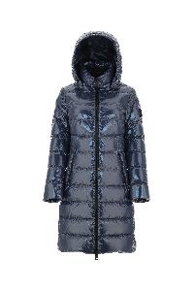 | PI001558D12220_4630 | Herno | DOWN JACKET | Clothing | FW | Woman | PURPLE | 100% PA | € 678.00 | € 2034.00 | 3 |  |  |  |  |  |  |  |  |  |  |  |  |  |  |  |  |  |  |  |  |  |  |  |  |  |  |  |  |  |  |  |  |  |  | 1 |  |  |  | 1 |  |  |  |  | 1
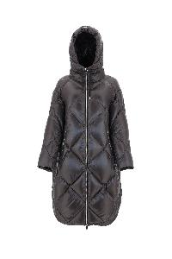 | PI001570D12017_7745 | Herno | DOWN JACKET | Clothing | FW | Woman | GREEN MILITARY | 100% PA | € 724.00 | € 2172.00 | 3 |  |  |  |  |  |  |  |  |  |  |  |  |  |  |  |  |  |  |  |  |  |  |  |  |  |  |  |  |  |  |  |  |  |  | 1 |  |  |  |  |  |  | 2
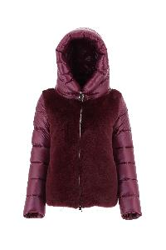 | PI001553D12017_3550 | Herno | DOWN JACKET | Clothing | FW | Woman | ACID | 100% PA | € 532.00 | € 1596.00 | 3 |  |  |  |  |  |  |  |  |  |  |  |  |  |  |  |  |  |  |  |  |  |  |  |  |  |  |  |  |  |  | 1 |  |  |  |  |  |  |  | 1 |  |  | 1
 | PI00264DL12345_7250 | Herno | DOWN VEST | Clothing | FW | Woman | EMERALD | 100% PA | € 718.00 | € 2154.00 | 3 |  |  |  |  |  |  |  |  |  |  |  |  |  |  |  |  |  |  |  |  |  |  |  |  |  |  |  |  |  |  |  |  |  |  |  |  |  |  | 2 |  |  | 1
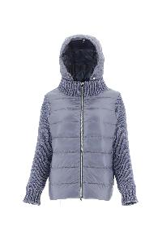 | MP00006DR76012_9410 | Herno | JACKET | Clothing | FW | Woman | LIGHT GREY | 36% PA 26% WOR 26% VI 7% ME 5% WS | € 628.00 | € 1884.00 | 3 |  |  |  |  |  |  |  |  |  |  |  |  |  |  |  |  |  |  |  |  |  |  |  |  |  |  | 2 |  |  |  | 0 |  |  |  | 0 |  |  |  |  |  |  | 0 | 1
 | CA000439D12421_3550 | Herno | JACKET | Clothing | FW | Woman | ACID | 100% PL | € 454.00 | € 1362.00 | 3 |  |  |  |  |  |  |  |  |  |  |  |  |  |  |  |  |  |  |  |  |  |  |  |  |  |  |  |  |  |  |  |  |  |  | 1 |  |  |  | 1 |  |  |  | 1
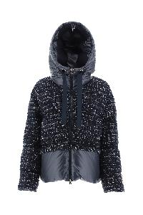 | PI001486D33319_9200 | Herno | DOWN JACKET | Clothing | FW | Woman | NAVY | 44% PC 24% PL 15% WOR 9% PA 5% CO 2% AF 1% ME | € 924.00 | € 2772.00 | 3 |  |  |  |  |  |  |  |  |  |  |  |  |  |  |  |  |  |  |  |  |  |  |  |  |  |  |  |  |  |  |  |  |  |  | 3
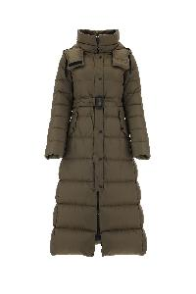 | PI001482D12004_1000 | Herno | DOWN JACKET | Clothing | FW | Woman | WHITE | 100% PA | € 868.00 | € 2604.00 | 3 |  |  |  |  |  |  |  |  |  |  |  |  |  |  |  |  |  |  |  |  |  |  |  |  |  |  |  |  |  |  |  |  |  |  |  |  |  |  |  |  |  | 2 | 1
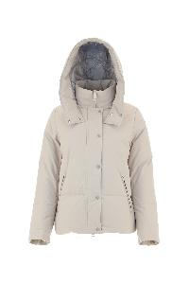 | PI001478D12343_1985 | Herno | DOWN JACKET | Clothing | FW | Woman | CHANTILLY | 100% PL | € 700.00 | € 2100.00 | 3 |  |  |  |  |  |  |  |  |  |  |  |  |  |  |  |  |  |  |  |  |  |  |  |  |  |  |  |  |  |  |  |  |  |  | 3
 | PI001498D12017_9300 | Herno | DOWN JACKET | Clothing | FW | Woman | BLACK | 100% PA | € 560.00 | € 1680.00 | 3 |  |  |  |  |  |  |  |  |  |  |  |  |  |  |  |  |  |  |  |  |  |  |  |  |  |  |  |  |  |  |  |  |  |  | 3
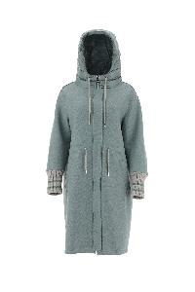 | PA00002DR33325_7090 | Herno | PARKA | Clothing | FW | Woman | MILK MINT | 100% WV | € 920.00 | € 2760.00 | 3 |  |  |  |  |  |  |  |  |  |  |  |  |  |  |  |  |  |  |  |  |  |  |  |  |  |  |  |  |  |  |  |  |  |  |  |  |  |  |  |  |  | 2 | 1
 | PI001540D12017_9406 | Herno | DOWN JACKET | Clothing | FW | Woman | LIGHT GREY | 100% PA | € 864.00 | € 2592.00 | 3 |  |  |  |  |  |  |  |  |  |  |  |  |  |  |  |  |  |  |  |  |  |  | 3
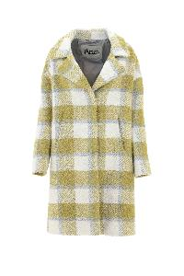 | GC000369D33352R_3510 | Herno | JACKET | Clothing | FW | Woman | WHITE | 52% PC 25% WOR 10% PA 8% VI 4% PL 1% AF | € 880.00 | € 28160.00 | 32 |  |  |  |  |  |  |  |  |  |  |  |  |  |  |  |  |  |  |  |  |  |  |  |  |  |  | 1 |  |  |  | 6 |  |  |  | 18 |  |  |  | 4 |  |  | 2 | 1
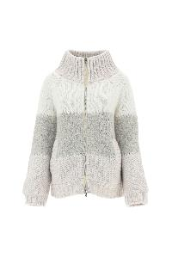 | MC00014DR70104_1011 | Herno | JACKET | Clothing | FW | Woman | 1011 | 65% WO 13% PA 8% WP 7% VI 5% WM 2% PL | € 712.00 | € 24208.00 | 34 |  |  |  |  |  |  |  |  |  |  |  |  |  |  |  |  |  |  |  |  |  |  |  |  |  |  | 3 |  |  |  | 7 |  |  |  | 16 |  |  |  | 5 |  |  | 2 | 1
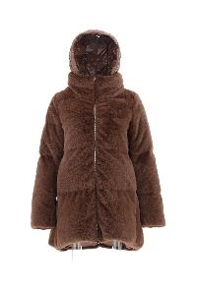 | PI001506D12354_8750 | Herno | DOWN JACKET | Clothing | FW | Woman | BEIGE | 100% PL | € 668.00 | € 26052.00 | 26 |  |  |  |  |  |  |  |  |  |  |  |  |  |  |  |  |  |  |  |  |  |  |  |  |  |  |  |  |  |  | 5 |  |  |  | 10 |  |  |  | 10 |  |  | 1
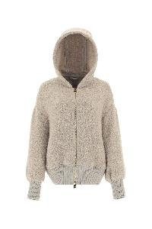 | GI00009DR33338R_1310 | Herno | JACKET | Clothing | FW | Woman | ICE | 52% PC 25% WOR 10% PA 8% VI 4% PL 1% AF | € 756.00 | € 3024.00 | 4 |  |  |  |  |  |  |  |  |  |  |  |  |  |  |  |  |  |  |  |  |  |  |  |  |  |  |  |  |  |  |  |  |  |  | 4
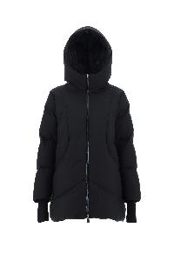 | PI00252DL11106_9300 | Herno | DOWN JACKET | Clothing | FW | Woman | BLACK | 100% PL | € 728.00 | € 2912.00 | 4 |  |  |  |  |  |  |  |  |  |  |  |  |  |  |  |  |  |  |  |  |  |  |  |  |  |  |  |  |  |  |  |  |  |  | 4
 | PI00225DL12590S_9300 | Herno | DOWN JACKET | Clothing | FW | Woman | BLACK | 89% PA 11% EA | € 896.00 | € 3584.00 | 4 |  |  |  |  |  |  |  |  |  |  |  |  |  |  |  |  |  |  |  |  |  |  |  |  |  |  |  |  |  |  |  |  |  |  |  |  |  |  |  |  |  | 1 | 2 |  | 1
 | GC000365D33344_9300 | Herno | OUTERWEAR | Clothing | FW | Woman | nero | 75% WV 25% PA | € 880.00 | € 3520.00 | 4 |  |  |  |  |  |  |  |  |  |  |  |  |  |  |  |  |  |  |  |  |  |  |  |  |  |  |  |  |  |  | 0 |  |  |  | 4 |  |  |  | 0
 | MP00002DR70106_1310 | Herno | JACKET | Clothing | FW | Woman | ICE | 84% WO 11% WM 5% PL | € 556.00 | € 2224.00 | 4 |  |  |  |  |  |  |  |  |  |  |  |  |  |  |  |  |  |  |  |  |  |  |  |  |  |  |  |  |  |  | 2 |  |  |  | 1 |  |  |  | 1
 | PI00235DL12345_9300 | Herno | DOWN JACKET | Clothing | FW | Woman | BLACK | 100% PA | € 768.00 | € 3072.00 | 4 |  |  |  |  |  |  |  |  |  |  |  |  |  |  |  |  |  |  |  |  |  |  |  |  |  |  |  |  |  |  |  |  |  |  | 4
 | PI079DL11106_1250 | Herno | DOWN JACKET | Clothing | FW | Woman | 1250 | 100% PL | € 774.00 | € 3096.00 | 4 |  |  |  |  |  |  |  |  |  |  |  |  |  |  |  |  |  |  |  |  |  |  |  |  |  |  |  |  |  |  |  |  |  |  | 4 |  |  |  |  |  |  | 0 | 0
 | PI00263DL11106_9300 | Herno | DOWN VEST | Clothing | FW | Woman | BLACK | 100% PL | € 718.00 | € 2872.00 | 4 |  |  |  |  |  |  |  |  |  |  |  |  |  |  |  |  |  |  |  |  |  |  |  |  |  |  |  |  |  |  |  |  |  |  | 1 |  |  |  | 3 |  |  | 0
 | PI1294D33319_9400 | Herno | DOWN JACKET | Clothing | FW | Woman | GREY | 44% PC 24% PL 15% WOR 9% PA 5% CO 2% AF 1% ME | € 756.00 | € 3024.00 | 4 |  |  |  |  |  |  |  |  |  |  |  |  |  |  |  |  |  |  |  |  |  |  |  |  |  |  |  |  |  |  |  |  |  |  | 4
 | PI001501D12370_5850 | Herno | DOWN JACKET | Clothing | FW | Woman | ORANGE | 100% PA | € 662.00 | € 29128.00 | 44 |  |  |  |  |  |  |  |  |  |  |  |  |  |  |  |  |  |  |  |  |  |  |  |  |  |  | 5 |  |  |  | 6 |  |  |  | 13 |  |  |  | 14 |  |  | 6 | 0 | 0
 | PI1308D12370_7550 | Herno | DOWN VEST | Clothing | FW | Woman | GREEN | 100% PA | € 544.00 | € 24480.00 | 45 |  |  |  |  |  |  |  |  |  |  |  |  |  |  |  |  |  |  |  |  |  |  |  |  |  |  | 2 |  |  |  | 6 |  |  |  | 20 |  |  |  | 12 |  |  | 5 | 0
 | MP00006DR76012_4545 | Herno | JACKET | Clothing | FW | Woman | LILLA | 36% PA 26% WOR 26% VI 7% ME 5% WS | € 628.00 | € 28888.00 | 46 |  |  |  |  |  |  |  |  |  |  |  |  |  |  |  |  |  |  |  |  |  |  |  |  |  |  |  |  |  |  | 6 |  |  |  | 17 |  |  |  | 17 |  |  | 6 | 0
 | PI0837D12220_3550 | Herno | DOWN JACKET | Clothing | FW | Woman | ACID | 100% PA | € 550.00 | € 26400.00 | 48 |  |  |  |  |  |  |  |  |  |  |  |  |  |  |  |  |  |  |  |  |  |  |  |  |  |  | 1 |  |  |  | 6 |  |  |  | 22 |  |  |  | 13 |  |  | 5 | 1
 | CA000442D33344_8750 | Herno | COAT | Clothing | FW | Woman | BEIGE | 75% WV 25% PA | € 886.00 | € 4430.00 | 5 |  |  |  |  |  |  |  |  |  |  |  |  |  |  |  |  |  |  |  |  |  |  |  |  |  |  |  |  |  |  |  |  |  |  |  |  |  |  |  |  |  |  | 2 | 3
 | PI001532D12457_1985 | Herno | DOWN JACKET | Clothing | FW | Woman | CHANTILLY | 100% PL | € 774.00 | € 3870.00 | 5 |  |  |  |  |  |  |  |  |  |  |  |  |  |  |  |  |  |  |  |  |  |  |  |  |  |  |  |  |  |  |  |  |  |  | 5
 | PI00239DL12592_1250 | Herno | DOWN JACKET | Clothing | FW | Woman | 1250 | 100% PL | € 1004.00 | € 5020.00 | 5 |  |  |  |  |  |  |  |  |  |  |  |  |  |  |  |  |  |  |  |  |  |  |  |  |  |  |  |  |  |  |  |  |  |  | 2 |  |  |  | 3
 | PI00247DL11121_7400 | Herno | DOWN JACKET | Clothing | FW | Woman | GREEN | 100% PL | € 958.00 | € 4790.00 | 5 |  |  |  |  |  |  |  |  |  |  |  |  |  |  |  |  |  |  |  |  |  |  | 2 |  |  |  |  |  |  |  |  |  |  |  |  |  |  |  |  |  |  |  | 1 | 1 | 1
 | GI00011DR12453_9406 | Herno | MUTTON | Clothing | FW | Woman | LIGHT GREY | 95% PL 5% EA | € 584.00 | € 2920.00 | 5 |  |  |  |  |  |  |  |  |  |  |  |  |  |  |  |  |  |  |  |  |  |  |  |  |  |  |  |  |  |  |  |  |  |  | 5
 | MC00012DR70115_1310 | Herno | BOMBER | Clothing | FW | Woman | ICE | 96% WO 3% VI 1% PL | € 768.00 | € 40704.00 | 33 |  |  |  |  |  |  |  |  |  |  |  |  |  |  |  |  |  |  |  |  |  |  |  |  |  |  |  |  |  |  | 5 |  |  |  | 10 |  |  |  | 10 |  |  | 5 | 2 | 1
 | PI001606D12477P_3577 | Herno | DOWN JACKET | Clothing | FW | Woman | ACID GREEN | 100% PL | € 656.00 | € 38048.00 | 32 |  |  |  |  |  |  |  |  |  |  |  |  |  |  |  |  |  |  |  |  |  |  |  |  |  |  |  |  |  |  | 5 |  |  |  | 10 |  |  |  | 10 |  |  | 5 | 2
 | PI00229DL11106_2600 | Herno | DOWN JACKET | Clothing | FW | Woman | TAUPE | 100% PL | € 846.00 | € 5076.00 | 6 |  |  |  |  |  |  |  |  |  |  |  |  |  |  |  |  |  |  |  |  |  |  | 5 |  |  |  | 1 |  |  |  |  |  |  |  |  |  |  |  | 0 |  |  |  |  |  | 0
 | GI000177D39500_8750 | Herno | JACKET | Clothing | FW | Woman | BEIGE | 100% VI | € 696.00 | € 4176.00 | 6 |  |  |  |  |  |  |  |  |  |  |  |  |  |  |  |  |  |  |  |  |  |  |  |  |  |  |  |  |  |  |  |  |  |  | 6
 | MP000130D70117_1010 | Herno | CAPE | Clothing | FW | Woman | WHITE CREAM | 42% WO 34% WM 14% PA 8% ME 2% VI | € 1076.00 | € 6456.00 | 6 |  |  |  |  |  |  |  |  |  |  |  |  |  |  |  |  |  |  |  |  |  |  |  |  |  |  |  |  |  |  | 0 |  |  |  | 6
 | PI001530D12457_9300 | Herno | DOWN JACKET | Clothing | FW | Woman | BLACK | 100% PL | € 672.00 | € 4032.00 | 6 |  |  |  |  |  |  |  |  |  |  |  |  |  |  |  |  |  |  |  |  |  |  |  |  |  |  |  |  |  |  |  |  |  |  | 6 |  |  |  | 0 |  |  |  |  | 0
 | PI001522D12220_3550 | Herno | DOWN JACKET | Clothing | FW | Woman | ACID | 100% PA | € 640.00 | € 3840.00 | 6 |  |  |  |  |  |  |  |  |  |  |  |  |  |  |  |  |  |  |  |  |  |  |  |  |  |  | 1 |  |  |  | 1 |  |  |  | 3 |  |  |  | 1
 | PI001564D39601_1100 | Herno | DOWN JACKET | Clothing | FW | Woman | NATURAL | 80% WO 20% PA | € 880.00 | € 5280.00 | 6 |  |  |  |  |  |  |  |  |  |  |  |  |  |  |  |  |  |  |  |  |  |  |  |  |  |  |  |  |  |  |  |  |  |  | 6 |  |  |  |  |  |  |  |  | 0
 | PI001623D12346S_8993 | Herno | DOWN JACKET | Clothing | FW | Woman | DARK BROWN | 87% PA 13% EA | € 914.00 | € 5484.00 | 6 |  |  |  |  |  |  |  |  |  |  |  |  |  |  |  |  |  |  |  |  |  |  |  |  |  |  |  |  |  |  |  |  |  |  | 6 |  |  |  | 0 |  |  | 0 | 0 | 0
 | GA000223DM0133325_5850 | Herno | COAT | Clothing | FW | Woman | ORANGE | 100% WV | € 775.00 | € 4650.00 | 6 |  |  |  |  |  |  |  |  |  |  |  |  |  |  |  |  |  |  |  |  |  |  |  |  |  |  |  |  |  |  |  |  |  |  | 2 |  |  |  | 3 |  |  | 1
 | MP00003DR70085_1310 | Herno | SWEATER | Clothing | FW | Woman | GHIACCIO | 100% WO | € 460.00 | € 29900.00 | 35 | 0 |  |  | 0 |  |  |  |  |  |  |  |  |  |  |  |  |  |  |  |  |  |  |  |  |  |  |  |  |  |  | 5 |  |  |  | 10 |  |  |  | 10 |  |  | 5 | 4 | 1 | 0 | 0 | 0 | 0 | 0
 | MC00009DR70099_7090 | Herno | T-SHIRT | Clothing | FW | Woman | MILK MINT | 100% WO | € 740.00 | € 48840.00 | 38 |  |  |  |  |  |  |  |  |  |  |  |  |  |  |  |  |  |  |  |  |  |  |  |  |  |  | 4 |  |  |  | 5 |  |  |  | 10 |  |  |  | 10 |  |  | 5 | 3 | 1
 | GC000358D12421_3550 | Herno | JACKET | Clothing | FW | Woman | ACID | 100% PL | € 438.00 | € 28908.00 | 36 |  |  |  |  |  |  |  |  |  |  |  |  |  |  |  |  |  |  |  |  |  |  |  |  |  |  | 6 |  |  |  | 5 |  |  |  | 10 |  |  |  | 10 |  |  | 5
 | PI001615D12479J_1977 | Herno | DOWN VEST | Clothing | FW | Woman | CHANTILLY GREEN | 65% VI 19% PL 6% EA 5% PA 5% ME | € 584.00 | € 4088.00 | 7 |  |  |  |  |  |  |  |  |  |  |  |  |  |  |  |  |  |  |  |  |  |  |  |  |  |  |  |  |  |  |  |  |  |  | 7
 | MC00016DR76012_7090 | Herno | COAT | Clothing | FW | Woman | MILK MINT | 36% PA 26% WOR 26% VI 7% ME 5% WS | € 728.00 | € 5096.00 | 7 |  |  |  |  |  |  |  |  |  |  |  |  |  |  |  |  |  |  |  |  |  |  |  |  |  |  |  |  |  |  |  |  |  |  | 6 |  |  |  |  |  |  | 1
 | MC00006DR70093_7090 | Herno | JACKET | Clothing | FW | Woman | MILK MINT | 100% WO | € 896.00 | € 6272.00 | 7 |  |  |  |  |  |  |  |  |  |  |  |  |  |  |  |  |  |  |  |  |  |  |  |  |  |  | 1 |  |  |  | 2 |  |  |  | 3 |  |  |  | 1
 | CA000443D33341_5070 | Herno | COAT | Clothing | FW | Woman | 5070 | 100% WV | € 986.00 | € 6902.00 | 7 |  |  |  |  |  |  |  |  |  |  |  |  |  |  |  |  |  |  |  |  |  |  |  |  |  |  |  |  |  |  |  |  |  |  | 7
 | CA000459D33344_8993 | Herno | COAT | Clothing | FW | Woman | DARK BROWN | 75% WV 25% PA | € 718.00 | € 5026.00 | 7 |  |  |  |  |  |  |  |  |  |  |  |  |  |  |  |  |  |  |  |  |  |  |  |  |  |  |  |  |  |  |  |  |  |  | 7
 | GC000357D12343_8750 | Herno | JACKET | Clothing | FW | Woman | BEIGE | 100% PL | € 560.00 | € 3920.00 | 7 |  |  |  |  |  |  |  |  |  |  |  |  |  |  |  |  |  |  |  |  |  |  |  |  |  |  |  |  |  |  |  |  |  |  | 7
 | GC000371D33348R_6980 | Herno | JACKET | Clothing | FW | Woman | RED | 70% WOR 26% PA 4% AF | € 790.00 | € 5530.00 | 7 |  |  |  |  |  |  |  |  |  |  |  |  |  |  |  |  |  |  |  |  |  |  |  |  |  |  |  |  |  |  |  |  |  |  | 6 |  |  |  |  |  |  | 1
 | PI00087DR12017_4545 | Herno | Hooded nylon down jacket | Clothing | FW | Woman | GLICINE | 100% PA | € 634.00 | € 4438.00 | 7 | 0 |  |  | 0 |  |  |  |  |  |  |  |  |  |  |  |  |  |  |  | 0 |  |  | 0 |  |  |  | 0 |  |  |  | 0 |  |  |  | 1 |  |  |  | 6 |  |  | 0 | 0 | 0 | 0 | 0 | 0 | 0 | 0
 | CA000439D12421_4630 | Herno | JACKET | Clothing | FW | Woman | PURPLE | 100% PL | € 454.00 | € 3178.00 | 7 |  |  |  |  |  |  |  |  |  |  |  |  |  |  |  |  |  |  |  |  |  |  |  |  |  |  | 1 |  |  |  | 2 |  |  |  | 4
 | PI001584D12469_8750 | Herno | DOWN JACKET | Clothing | FW | Woman | BEIGE | 87% PL 13% EA | € 740.00 | € 5180.00 | 7 |  |  |  |  |  |  |  |  |  |  |  |  |  |  |  |  |  |  |  |  |  |  |  |  |  |  |  |  |  |  |  |  |  |  | 7 |  |  |  |  |  |  | 0
 | PI001581D12217S_7730 | Herno | DOWN JACKET | Clothing | FW | Woman | LIGHT MILITARY | 71% PA 29% EA | € 678.00 | € 4746.00 | 7 |  |  |  |  |  |  |  |  |  |  |  |  |  |  |  |  |  |  |  |  |  |  |  |  |  |  |  |  |  |  |  |  |  |  | 7
 | PI001474D12220_8993 | Herno | DOWN JACKET | Clothing | FW | Woman | DARK BROWN | 100% PA | € 684.00 | € 4788.00 | 7 |  |  |  |  |  |  |  |  |  |  |  |  |  |  |  |  |  |  |  |  |  |  |  |  |  |  |  |  |  |  |  |  |  |  | 7
 | PI001522D12220_8750 | Herno | DOWN JACKET | Clothing | FW | Woman | BEIGE | 100% PA | € 634.00 | € 4438.00 | 7 |  |  |  |  |  |  |  |  |  |  |  |  |  |  |  |  |  |  |  |  |  |  |  |  |  |  |  |  |  |  |  |  |  |  | 7
 | GC00046DR12387S_1203 | Herno | JACKET | Clothing | FW | Woman | 1203 | 86% PA 14% EA | € 712.00 | € 54824.00 | 30 |  |  |  |  |  |  |  |  |  |  |  |  |  |  |  |  |  |  |  |  |  |  |  |  |  |  |  |  |  |  | 5 |  |  |  | 10 |  |  |  | 10 |  |  | 5 | 0 | 0
 | PI001612D12475_7740 | Herno | BOMBER | Clothing | FW | Woman | MILITARY | 100% PL | € 640.00 | € 5120.00 | 8 |  |  |  |  |  |  |  |  |  |  |  |  |  |  |  |  |  |  |  |  |  |  |  |  |  |  |  |  |  |  |  |  |  |  | 8 |  |  |  |  |  |  | 0 | 0
 | PI00245DL12345_7250 | Herno | BOMBER | Clothing | FW | Woman | EMERALD | 100% PA | € 600.00 | € 4800.00 | 8 |  |  |  |  |  |  |  |  |  |  |  |  |  |  |  |  |  |  |  |  |  |  |  |  |  |  |  |  |  |  |  |  |  |  | 8
 | PI001570D12017_8800 | Herno | OUTERWEAR | Clothing | FW | Woman | FONDENTE | 100% PA | € 724.00 | € 5792.00 | 8 | 0 |  |  | 0 |  |  |  |  |  |  |  |  |  |  |  |  |  | 0 | 0 | 0 |  |  | 0 |  |  |  | 0 |  |  |  | 0 |  |  |  | 8 |  |  |  | 0 |  |  | 0 | 0 | 0 | 0 | 0 | 0 | 0 | 0
 | PI0822D33220_4630 | Herno | DOWN JACKET | Clothing | FW | Woman | PURPLE | 70% WOR 25% PA 3% PC 2% AF | € 920.00 | € 7360.00 | 8 |  |  |  |  |  |  |  |  |  |  |  |  |  |  |  |  |  |  |  |  |  |  |  |  |  |  |  |  |  |  |  |  |  |  | 8
 | MP000128D70066_7745 | Herno | JACKET | Clothing | FW | Woman | GREEN MILITARY | 100% WO | € 662.00 | € 5296.00 | 8 |  |  |  |  |  |  |  |  |  |  |  |  |  |  |  |  |  |  |  |  |  |  |  |  |  |  | 3 |  |  |  |  |  |  |  | 3 |  |  |  | 2 |  |  | 0
 | MP00004DR76012_9300 | Herno | JACKET | Clothing | FW | Woman | BLACK | 36% PA 26% WOR 26% VI 7% ME 5% WS | € 662.00 | € 5296.00 | 8 |  |  |  |  |  |  |  |  |  |  |  |  |  |  |  |  |  |  |  |  |  |  |  |  |  |  |  |  |  |  | 2 |  |  |  | 3 |  |  |  | 2 |  |  | 1
 | GC0325D38020_2150 | Herno | JACKET | Clothing | FW | Woman | BEIGE | 100% WS | € 1400.00 | € 11200.00 | 8 |  |  |  |  |  |  |  |  |  |  |  |  |  |  |  |  |  |  |  |  |  |  |  |  |  |  |  |  |  |  |  |  |  |  | 8
 | GA000223D33325_5850 | Herno | COAT | Clothing | FW | Woman | ORANGE | 100% WV | € 774.00 | € 6192.00 | 8 |  |  |  |  |  |  |  |  |  |  |  |  |  |  |  |  |  |  |  |  |  |  |  |  |  |  |  |  |  |  |  |  |  |  | 8
 | PI001545D12456_3550 | Herno | DOWN JACKET | Clothing | FW | Woman | ACID | 100% PA | € 500.00 | € 4000.00 | 8 |  |  |  |  |  |  |  |  |  |  |  |  |  |  |  |  |  |  |  |  |  |  |  |  |  |  |  |  |  |  |  |  |  |  | 8
 | PI1308D12370_5850 | Herno | DOWN VEST | Clothing | FW | Woman | ORANGE | 100% PA | € 544.00 | € 47328.00 | 38 |  |  |  |  |  |  |  |  |  |  |  |  |  |  |  |  |  |  |  |  |  |  |  |  |  |  | 3 |  |  |  | 5 |  |  |  | 10 |  |  |  | 10 |  |  | 5 | 4 |  | 1
 | CA000446D33359_7740 | Herno | COAT | Clothing | FW | Woman | MILITARY | 80% WV 20% PA | € 780.00 | € 7020.00 | 9 |  |  |  |  |  |  |  |  |  |  |  |  |  |  |  |  |  |  |  |  |  |  |  |  |  |  |  |  |  |  |  |  |  |  | 9
 | PI001559D33600_3550 | Herno | DOWN JACKET | Clothing | FW | Woman | ACID | 44% CO 41% WV 15% PA | € 930.00 | € 8370.00 | 9 |  |  |  |  |  |  |  |  |  |  |  |  |  |  |  |  |  |  |  |  |  |  |  |  |  |  |  |  |  |  |  |  |  |  | 9 |  |  |  | 0 |  |  | 0 | 0 |  | 0
 | PI1166D12354_4630 | Herno | DOWN JACKET | Clothing | FW | Woman | PURPLE | 100% PL | € 584.00 | € 5256.00 | 9 |  |  |  |  |  |  |  |  |  |  |  |  |  |  |  |  |  |  |  |  |  |  |  |  |  |  |  |  |  |  |  |  |  |  | 9
...

