HUNTER
Picture | Style # | Color | Discription | Size UK | Size US | Units Available | MSRP
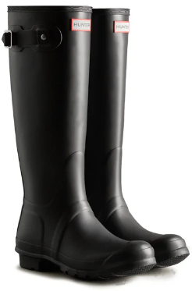 | WFT1000 RMA | Black | Womens Original Tall Boot | 6 | 8 | 452 | $ 175.00
 |  |  |  | 7 | 9 | 412 |  | 319 | Cartons
 |  |  |  | 8 | 10 | 388 |  | 3400 | kgs | Approx
 |  |  |  | 9 | 11 | 28

 |  |  |  |  |  | 1280

